Definitions
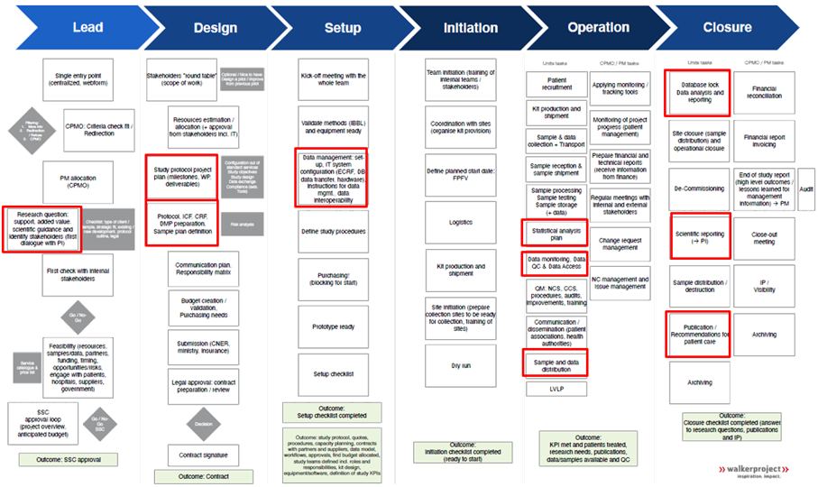
Process step | Element / Aspect
Lead | Submission of a new project and evaluation of the feasibility
Design & | Identification of the ways and means required for the project, and implementation of the project
Setup
Operations | Monitoring of project progress, quality, budget and change, including the Key Performance Indicators (KPI), the tracking of the different phases of the project, the deliverables, using the PM tool
Storage phase | No recruitment or sample processing are performed. Samples are stored and distributed from time to time, upon request.
Closure | Steps to formalize the end of a project

