one_saige_exp IBS out 乾眼
exposure_dat
outcome_dat
 | id.exposure | id.outcome | outcome | exposure | method | nsnp | b | se | pval | OR | OR 95% C.I. | Beta 95%C.I
1 | WuHzhn | v9gJUe | outcome | exposure | MR Egger | 15 | -0.010549082931 | 0.16945884266 | 0.9513094223 | 0.9895063635 | ( 0.70985935896265 , 1.37931948216472 ) | ( -0.342688414536491 , 0.321590248674939 )
2 | WuHzhn | v9gJUe | outcome | exposure | Weighted median | 15 | 0.10640945509 | 0.05101379846 | 0.036988085666 | 1.1122772108 | ( 1.00644307800862 , 1.22924050133169 ) | ( 0.00642241011059438 , 0.206396500073787 )
3 | WuHzhn | v9gJUe | outcome | exposure | Inverse variance weighted | 15 | 0.1406721036 | 0.037533356346 | 0.00017830546134 | 1.1510471619 | ( 1.06940960500142 , 1.23891684036245 ) | ( 0.0671067251654515 , 0.214237482042934 )
4 | WuHzhn | v9gJUe | outcome | exposure | Simple mode | 15 | 0.10572152057 | 0.082950035387 | 0.22322795991 | 1.1115123001 | ( 0.944725803340788 , 1.3077440976938 ) | ( -0.056860548786491 , 0.268303589929248 )
5 | WuHzhn | v9gJUe | outcome | exposure | Weighted mode | 15 | 0.10237164674 | 0.077136760586 | 0.20569901271 | 1.1077951037 | ( 0.952355962381891 , 1.28860430362287 ) | ( -0.048816404012708 , 0.253559697483142 )
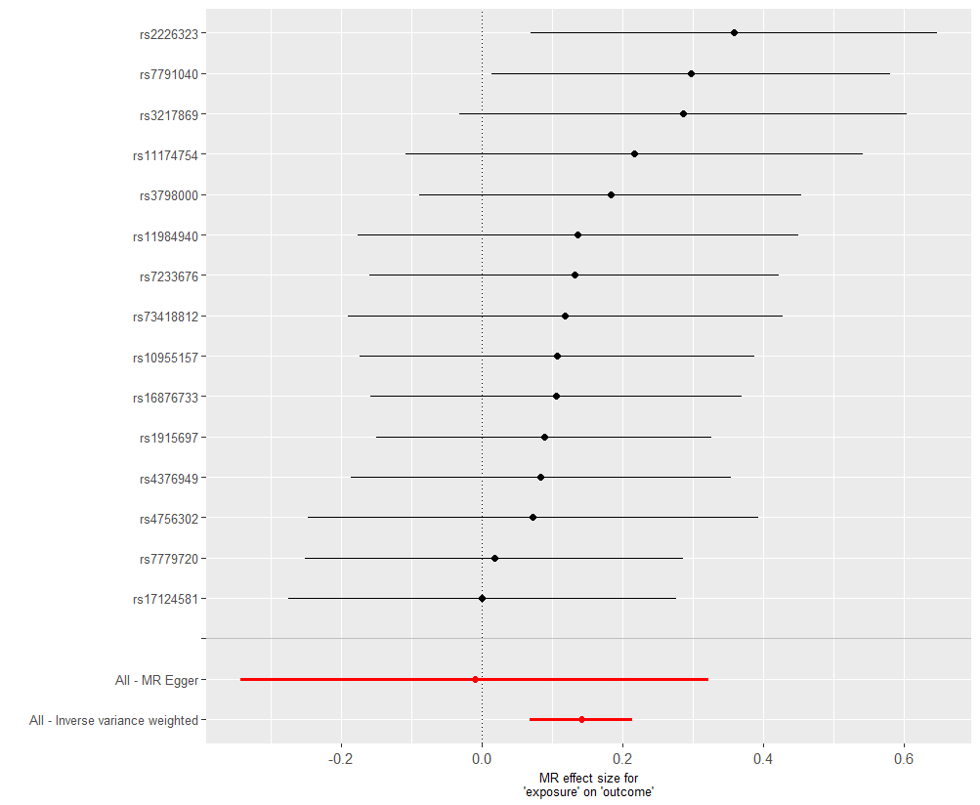
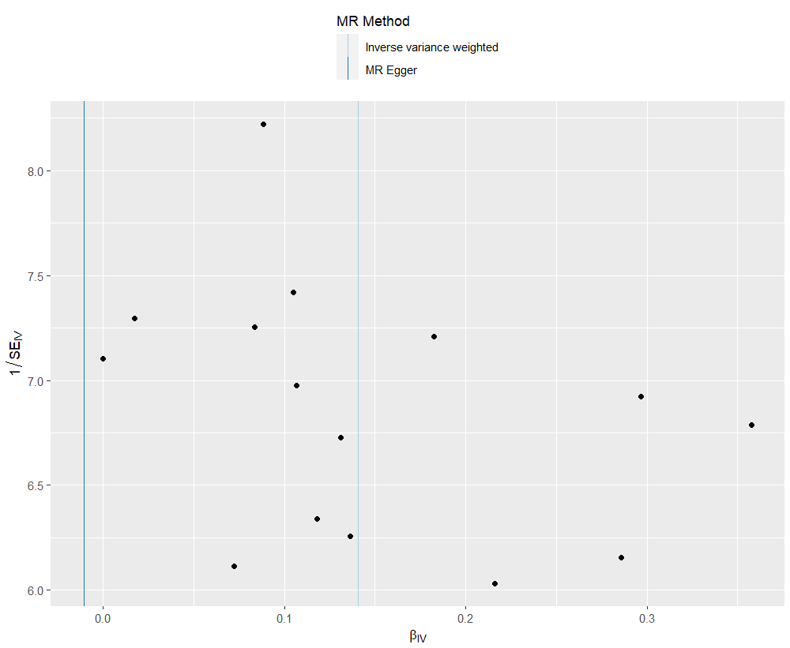
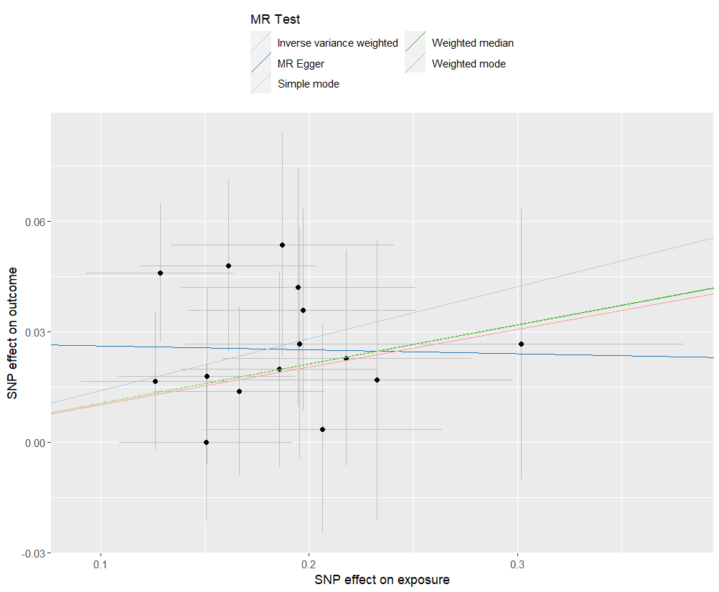
presso |  |  |  |  |  |  |  |  |  | 散點圖 |  |  | 森林圖 | 漏斗圖

heterogeneity
 | id.exposure | id.outcome | outcome | exposure | method | Q | Q_df | Q_val
1 | WuHzhn | v9gJUe | outcome | exposure | MR Egger | 6.084662 | 13 | 0.9430173
2 | WuHzhn | v9gJUe | outcome | exposure | Inverse variance weighted | 6.92208 | 14 | 0.9376739

pleiotropy
 | id.exposure | id.outcome | outcome | exposure | egger_interept | se | pval
1 | WuHzhn | v9gJUe | outcome | exposure | 0.02722332 | 0.02974883 | 3.77E-01

one_saige_exp 乾眼 out IBS
exposure_dat
outcome_dat
 | id.exposure | id.outcome | outcome | exposure | method | nsnp | b | se | pval | OR | OR 95% C.I. | Beta 95%C.I
1 | zIfoAm | q9TsWi | outcome | exposure | MR Egger | 40 | 0.067314632528 | 0.60622991261 | 0.91217053286 | 1.0696319662 | ( 0.325987580102479 , 3.50968138987745 ) | ( -1.12089599618633 , 1.25552526124305 )
2 | zIfoAm | q9TsWi | outcome | exposure | Weighted median | 40 | 0.23582281826 | 0.08573159456 | 0.0059466127043 | 1.2659499871 | ( 1.07013937063814 , 1.49758939232211 ) | ( 0.0677888929244803 , 0.403856743597855 )
3 | zIfoAm | q9TsWi | outcome | exposure | Inverse variance weighted | 40 | 0.29133536511 | 0.065424398277 | 8.47E-06 | 1.3382132988 | ( 1.17715857165607 , 1.52130297147123 ) | ( 0.163103544484786 , 0.419567185729786 )
4 | zIfoAm | q9TsWi | outcome | exposure | Simple mode | 40 | 0.23074005562 | 0.17001493098 | 0.18252846005 | 1.2595317887 | ( 0.902587889441272 , 1.75763528987265 ) | ( -0.102489209094194 , 0.563969320330394 )
5 | zIfoAm | q9TsWi | outcome | exposure | Weighted mode | 40 | 0.23074005562 | 0.17302520881 | 0.19008380712 | 1.2595317887 | ( 0.89727816988641 , 1.76803624554299 ) | ( -0.108389353641842 , 0.569869464878042 )
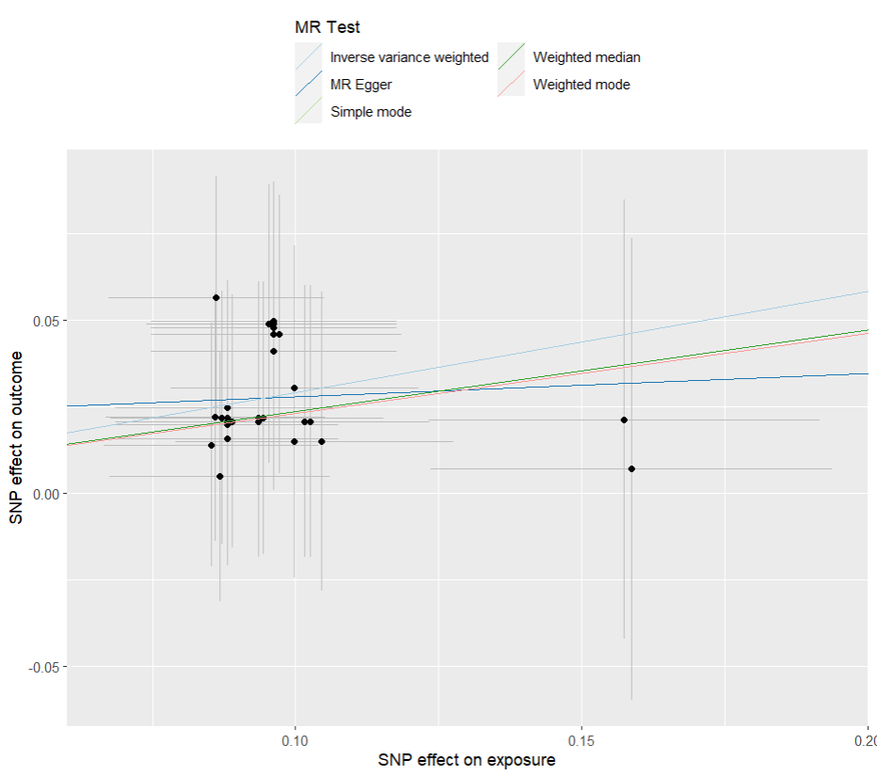
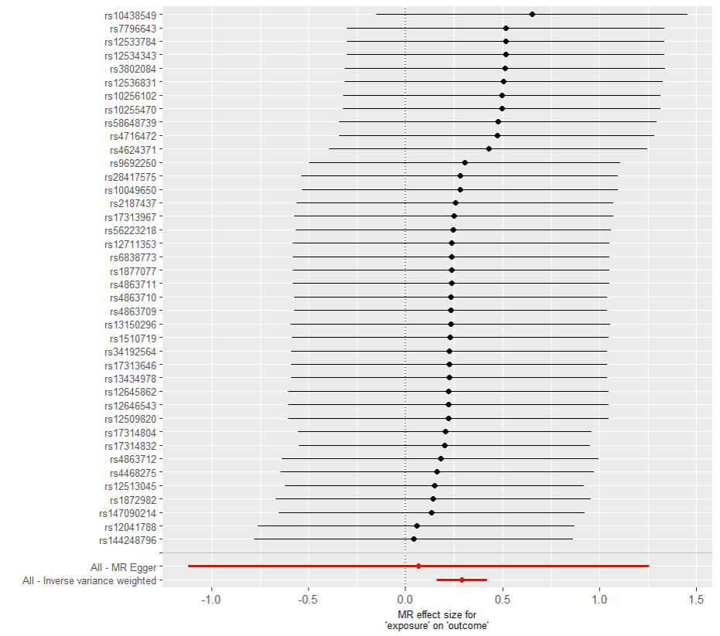
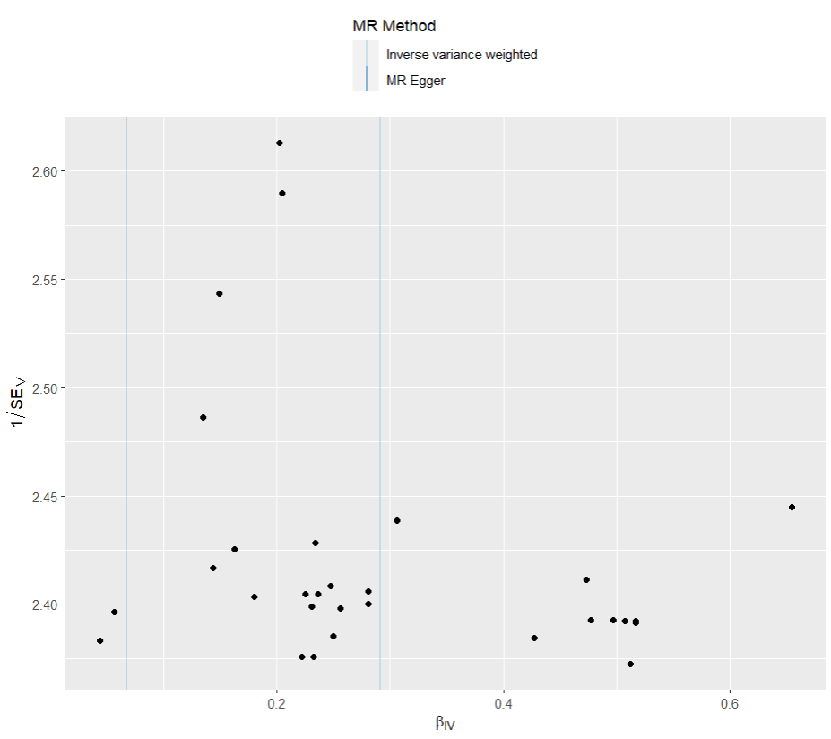
presso |  |  |  |  |  |  |  |  |  | 散點圖 |  |  | 森林圖 | 漏斗圖

heterogeneity
 | id.exposure | id.outcome | outcome | exposure | method | Q | Q_df | Q_val
1 | zIfoAm | q9TsWi | outcome | exposure | MR Egger | 4.726348 | 38 | 1
2 | zIfoAm | q9TsWi | outcome | exposure | Inverse variance weighted | 4.864511 | 39 | 1

pleiotropy
 | id.exposure | id.outcome | outcome | exposure | egger_interept | se | pval
1 | zIfoAm | q9TsWi | outcome | exposure | 0.02113048 | 0.05684792 | 7.12E-01

one_saige_exp IBS out 憂鬱
exposure_dat
outcome_dat
 | id.exposure | id.outcome | outcome | exposure | method | nsnp | b | se | pval | OR | OR 95% C.I. | Beta 95%C.I
1 | iUAxYC | M1jlhN | outcome | exposure | MR Egger | 15 | 0.038173890769 | 0.2938196404 | 0.89861625392 | 1.0389118744 | ( 0.584082753835905 , 1.84791945249576 ) | ( -0.537712604418848 , 0.614060385957764 )
2 | iUAxYC | M1jlhN | outcome | exposure | Weighted median | 15 | 0.2275969842 | 0.092433755791 | 0.013806018948 | 1.2555792052 | ( 1.04752142163203 , 1.50496124276073 ) | ( 0.0464268228504285 , 0.408767145550788 )
3 | iUAxYC | M1jlhN | outcome | exposure | Inverse variance weighted | 15 | 0.25077706013 | 0.069149631649 | 0.00028719361393 | 1.2850235694 | ( 1.12214696356906 , 1.4715412753705 ) | ( 0.115243782096043 , 0.386310338159026 )
4 | iUAxYC | M1jlhN | outcome | exposure | Simple mode | 15 | 0.22667833115 | 0.16144687763 | 0.18209971681 | 1.2544262932 | ( 0.914152795671007 , 1.72135919997907 ) | ( -0.0897575489931816 , 0.543114211301987 )
5 | iUAxYC | M1jlhN | outcome | exposure | Weighted mode | 15 | 0.21721174662 | 0.15297343237 | 0.17751178815 | 1.2426071922 | ( 0.920704463432348 , 1.67705566261905 ) | ( -0.0826161808317832 , 0.517039674072616 )

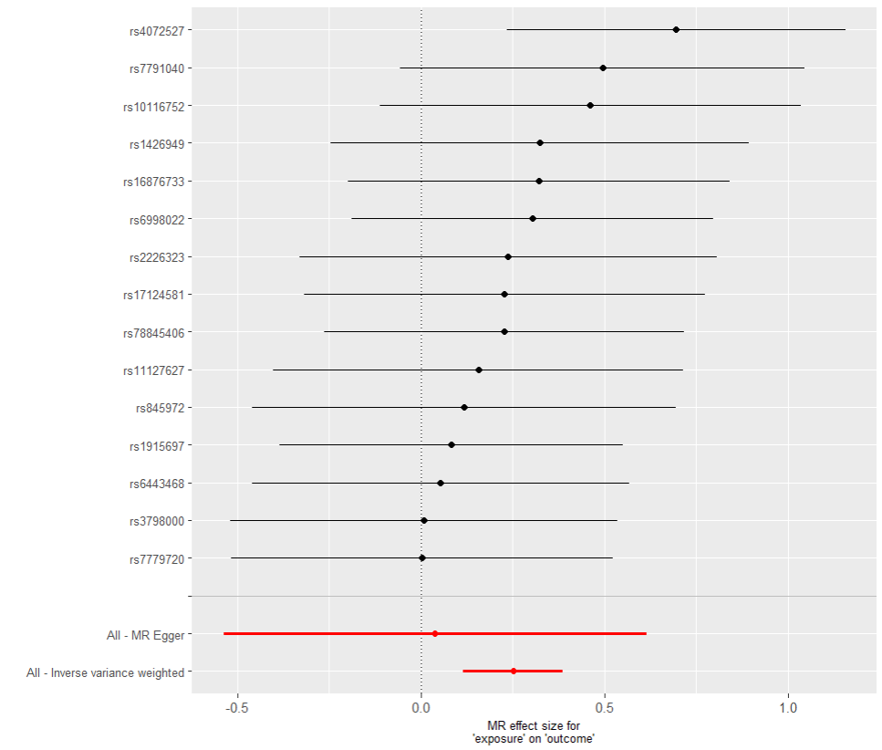
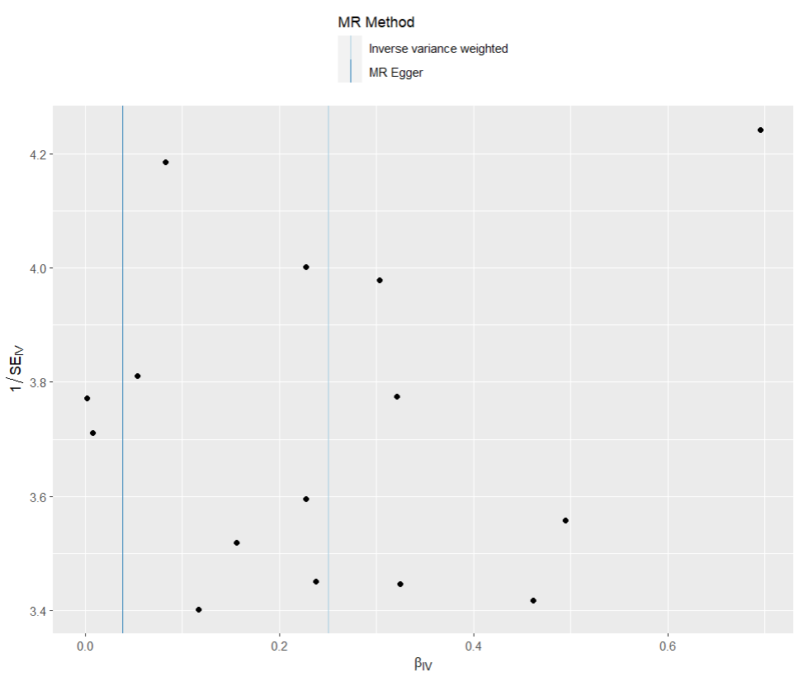
presso |  |  |  |  |  |  |  |  |  | 散點圖 |  |  | 森林圖 | 漏斗圖
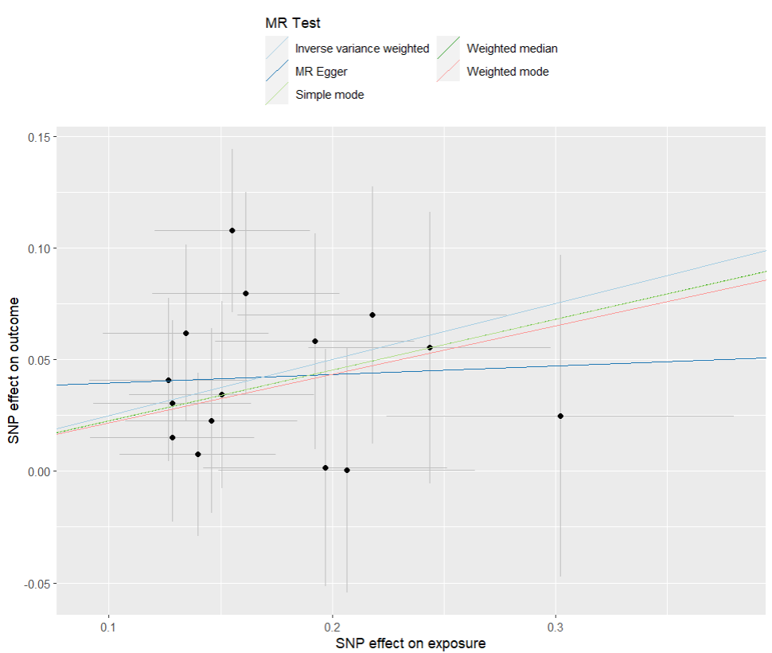

heterogeneity
 | id.exposure | id.outcome | outcome | exposure | method | Q | Q_df | Q_val
1 | iUAxYC | M1jlhN | outcome | exposure | MR Egger | 7.532438 | 13 | 0.8726723
2 | iUAxYC | M1jlhN | outcome | exposure | Inverse variance weighted | 8.086712 | 14 | 0.8847597

pleiotropy
 | id.exposure | id.outcome | outcome | exposure | egger_interept | se | pval
1 | iUAxYC | M1jlhN | outcome | exposure | 0.03577223 | 0.04804893 | 4.70E-01

one_saige_exp 憂鬱 out IBS
exposure_dat
outcome_dat
 | id.exposure | id.outcome | outcome | exposure | method | nsnp | b | se | pval | OR | OR 95% C.I. | Beta 95%C.I
1 | k0hSrH | DHKZY6 | outcome | exposure | MR Egger | 39 | 0.046235123581 | 0.15572572355 | 0.76820251218 | 1.0473206318 | ( 0.771832829440585 , 1.42113740686662 ) | ( -0.258987294581411 , 0.351457541742415 )
2 | k0hSrH | DHKZY6 | outcome | exposure | Weighted median | 39 | 0.12255280924 | 0.050503055906 | 0.015239308054 | 1.1303788129 | ( 1.02384671154879 , 1.24799566803049 ) | ( 0.0235668196586554 , 0.221538798811795 )
3 | k0hSrH | DHKZY6 | outcome | exposure | Inverse variance weighted | 39 | 0.13812546639 | 0.039868316576 | 0.00053113474179 | 1.1481195917 | ( 1.06181909635809 , 1.24143425303166 ) | ( 0.0599835658974886 , 0.216267366876837 )
4 | k0hSrH | DHKZY6 | outcome | exposure | Simple mode | 39 | 0.12195785997 | 0.098847188958 | 0.22485355187 | 1.1297064949 | ( 0.930733186932486 , 1.3712165661989 ) | ( -0.0717826303919448 , 0.31569835032202 )
5 | k0hSrH | DHKZY6 | outcome | exposure | Weighted mode | 39 | 0.1209683228 | 0.10016543523 | 0.2346314004 | 1.1285891613 | ( 0.927413333119932 , 1.37340433808942 ) | ( -0.075355930246592 , 0.317292575849096 )
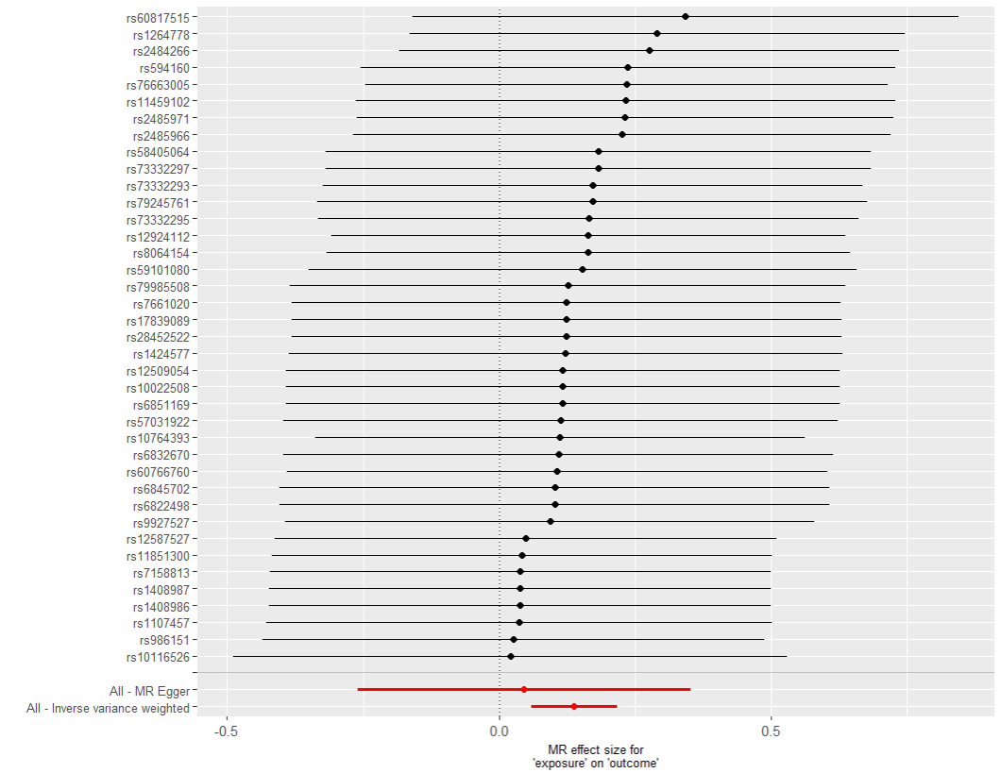
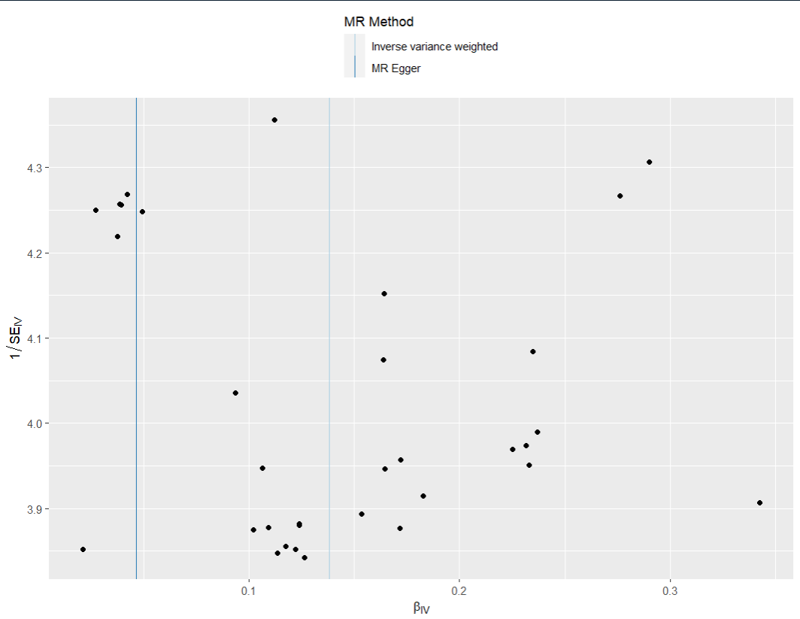
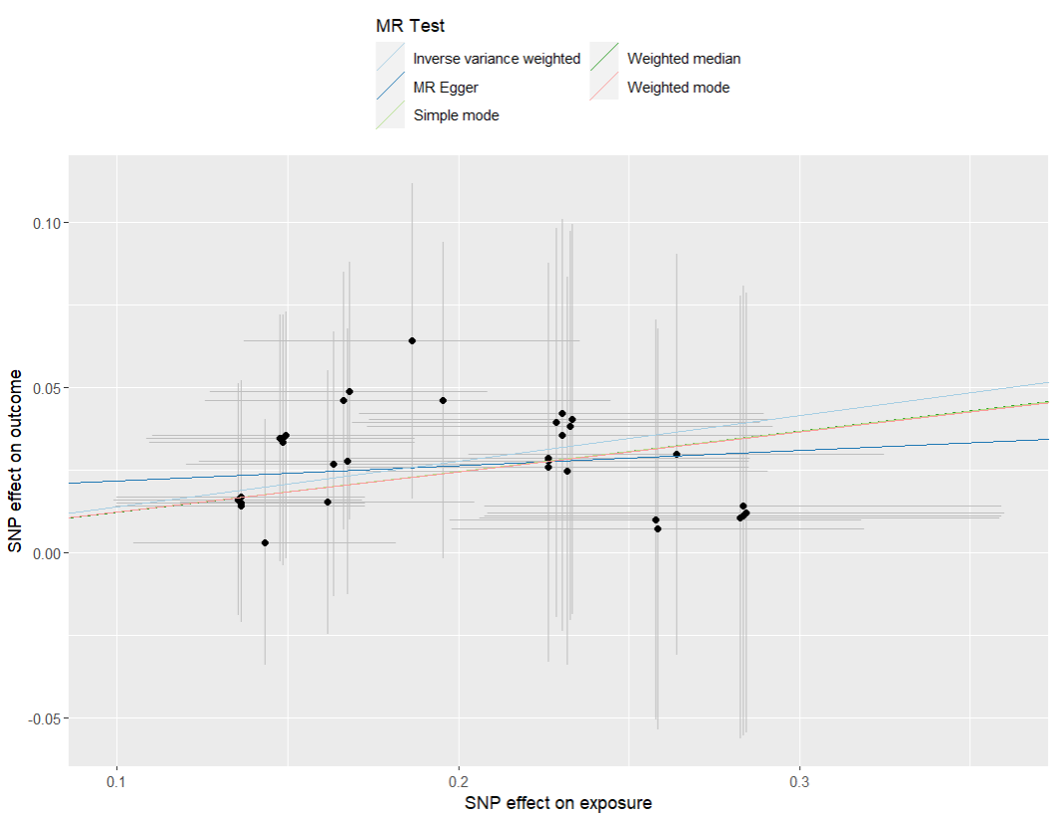
presso |  |  |  |  |  |  |  |  |  | 散點圖 |  |  | 森林圖 | 漏斗圖

heterogeneity
 | id.exposure | id.outcome | outcome | exposure | method | Q | Q_df | Q_val
1 | k0hSrH | DHKZY6 | outcome | exposure | MR Egger | 3.498293 | 37 | 1
2 | k0hSrH | DHKZY6 | outcome | exposure | Inverse variance weighted | 3.870908 | 38 | 1

pleiotropy
 | id.exposure | id.outcome | outcome | exposure | egger_interept | se | pval
1 | k0hSrH | DHKZY6 | outcome | exposure | 0.01694508 | 0.02775961 | 5.45E-01

two_saige_exp IBS out 乾眼
exposure_dat
outcome_dat
 | id.exposure | id.outcome | outcome | exposure | method | nsnp | b | se | pval | OR | OR 95% C.I. | Beta 95%C.I
1 | SLny74 | L0Y55H | outcome | exposure | MR Egger | 15 | 0.16058455268 | 0.137041498 | 0.26230788843 | 1.1741970504 | ( 0.897612531320909 , 1.53600653419307 ) | ( -0.108016783392142 , 0.42918588874838 )
2 | SLny74 | L0Y55H | outcome | exposure | Weighted median | 15 | 0.14222628771 | 0.047566765215 | 0.0027894558089 | 1.152837492 | ( 1.05021554902878 , 1.26548715084821 ) | ( 0.0489954278907049 , 0.235457147532459 )
3 | SLny74 | L0Y55H | outcome | exposure | Inverse variance weighted | 15 | 0.14011406083 | 0.035106762279 | 6.58E-05 | 1.1504050075 | ( 1.07390851056782 , 1.23235049198477 ) | ( 0.0713048067671228 , 0.208923314899029 )
4 | SLny74 | L0Y55H | outcome | exposure | Simple mode | 15 | 0.13102224051 | 0.084563987324 | 0.14359396502 | 1.1399931351 | ( 0.965872757317865 , 1.34550264320478 ) | ( -0.0347231746486572 , 0.296767655660619 )
5 | SLny74 | L0Y55H | outcome | exposure | Weighted mode | 15 | 0.13102224051 | 0.073851131882 | 0.097780909651 | 1.1399931351 | ( 0.986367793726734 , 1.31754539861904 ) | ( -0.013725977982621 , 0.275770458994583 )
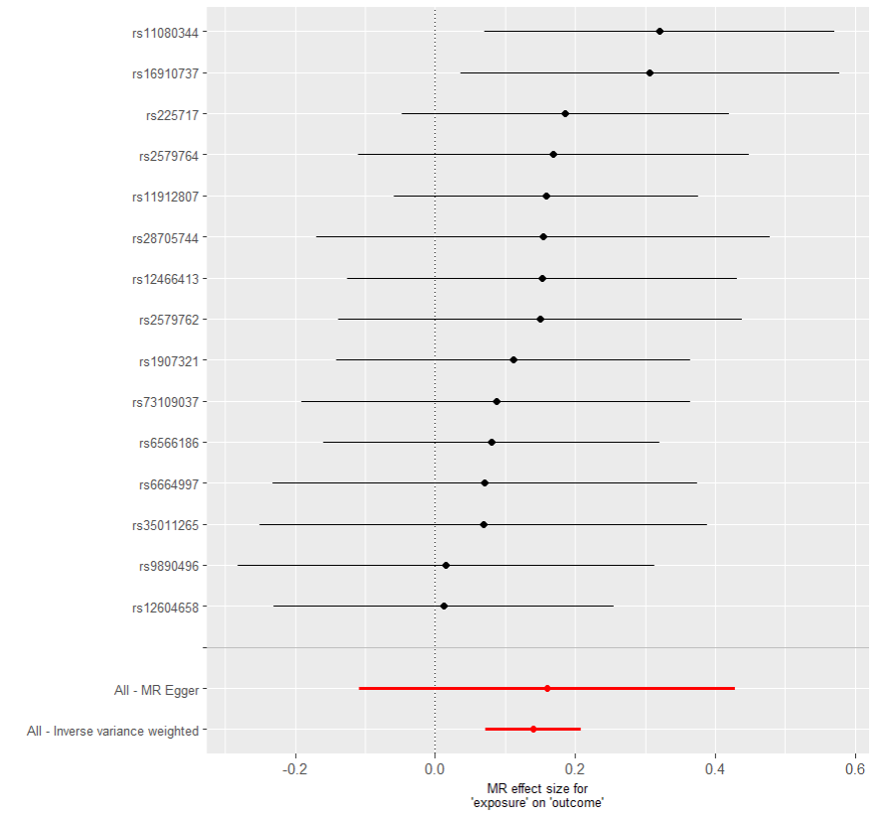
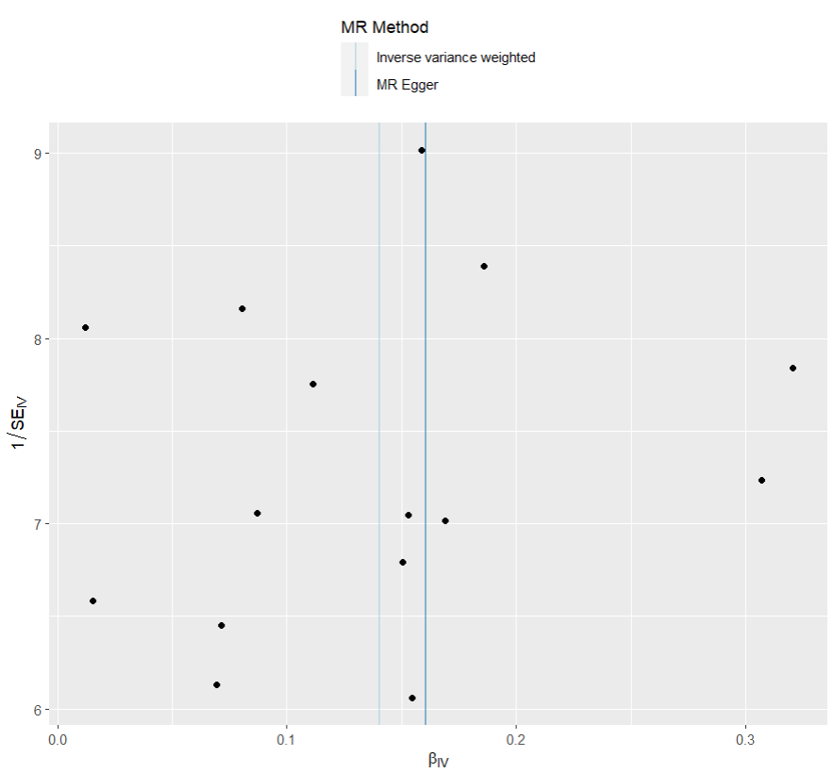
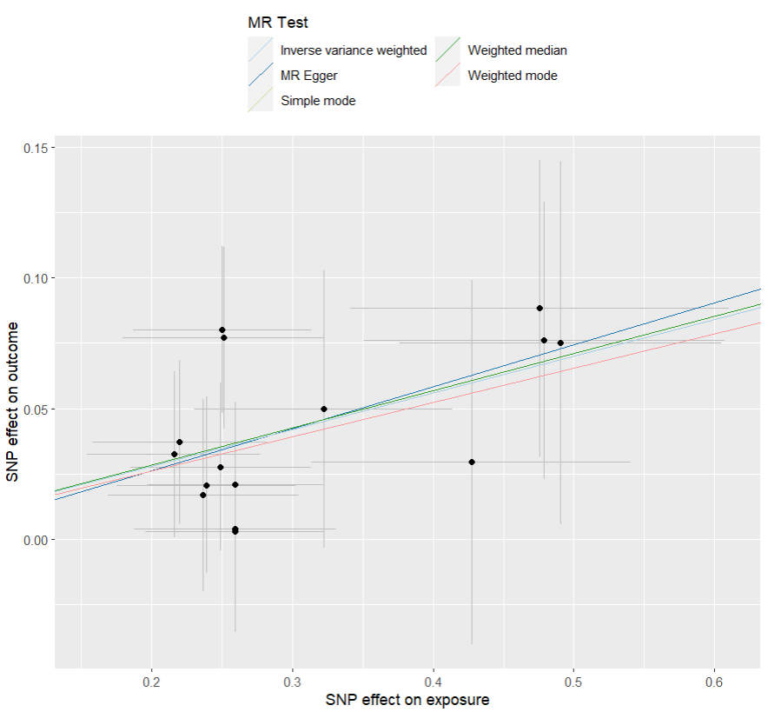
presso |  |  |  |  |  |  |  |  |  | 散點圖 |  |  | 森林圖 | 漏斗圖

heterogeneity
 | id.exposure | id.outcome | outcome | exposure | method | Q | Q_df | Q_val
1 | SLny74 | L0Y55H | outcome | exposure | MR Egger | 6.231501 | 13 | 0.93732
2 | SLny74 | L0Y55H | outcome | exposure | Inverse variance weighted | 6.255381 | 14 | 0.9596382

pleiotropy
 | id.exposure | id.outcome | outcome | exposure | egger_interept | se | pval
1 | SLny74 | L0Y55H | outcome | exposure | -0.00590475 | 0.03821076 | 8.80E-01

two_saige_exp 乾眼 out IBS
exposure_dat
outcome_dat
 | id.exposure | id.outcome | outcome | exposure | method | nsnp | b | se | pval | OR | OR 95% C.I. | Beta 95%C.I
1 | nki65o | 8k8Thw | outcome | exposure | MR Egger | 60 | 0.14107760497 | 0.18707853179 | 0.45383459261 | 1.1515140077 | ( 0.798040191636638 , 1.6615510395222 ) | ( -0.225596317341179 , 0.507751527282733 )
2 | nki65o | 8k8Thw | outcome | exposure | Weighted median | 60 | 0.22484365196 | 0.067085325195 | 0.00080343956336 | 1.2521269333 | ( 1.09785295634837 , 1.42808000655323 ) | ( 0.09335641458231 , 0.356330889346001 )
3 | nki65o | 8k8Thw | outcome | exposure | Inverse variance weighted | 60 | 0.21086985747 | 0.054472058802 | 0.00010832027496 | 1.2347516509 | ( 1.10971654985518 , 1.37387483282618 ) | ( 0.104104622223369 , 0.317635092726407 )
4 | nki65o | 8k8Thw | outcome | exposure | Simple mode | 60 | 0.025058648698 | 0.16911141519 | 0.88270729512 | 1.0253752557 | ( 0.736092326082082 , 1.42834584428571 ) | ( -0.306399725074275 , 0.356517022469792 )
5 | nki65o | 8k8Thw | outcome | exposure | Weighted mode | 60 | 0.020884666272 | 0.16109070753 | 0.89728798117 | 1.0211042771 | ( 0.744640951930847 , 1.40021031877541 ) | ( -0.294853120491762 , 0.336622453034881 )
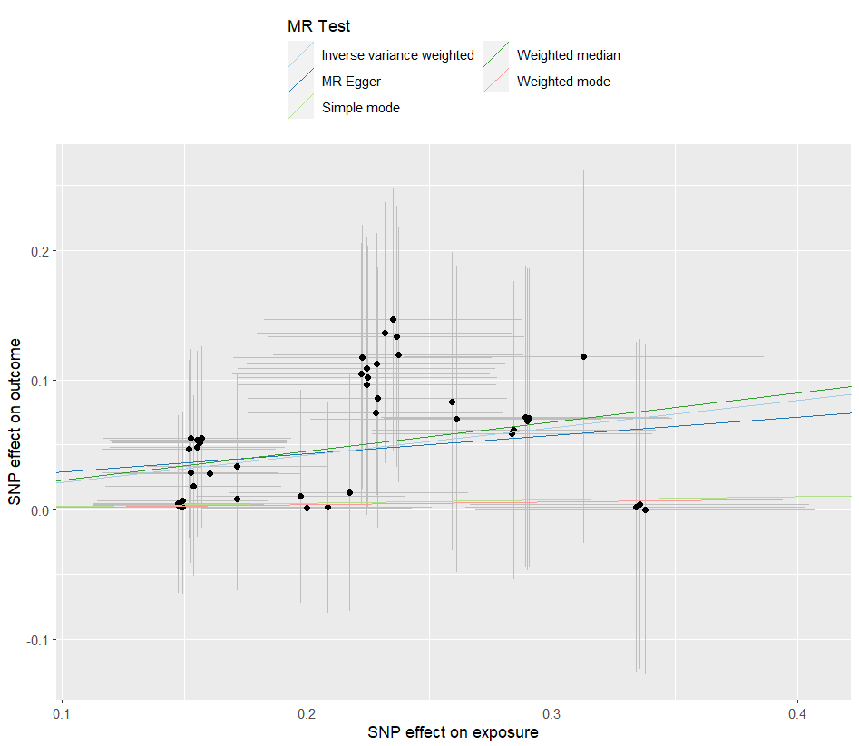
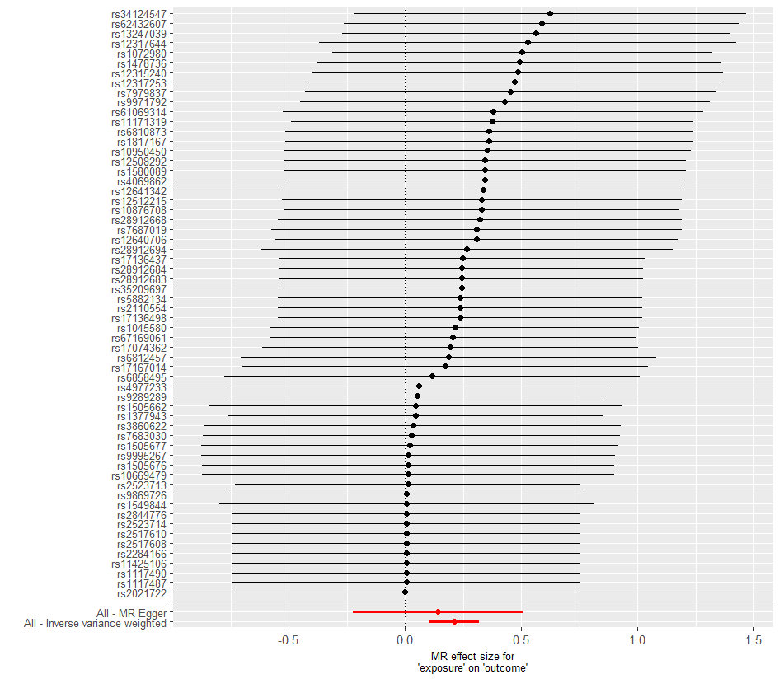
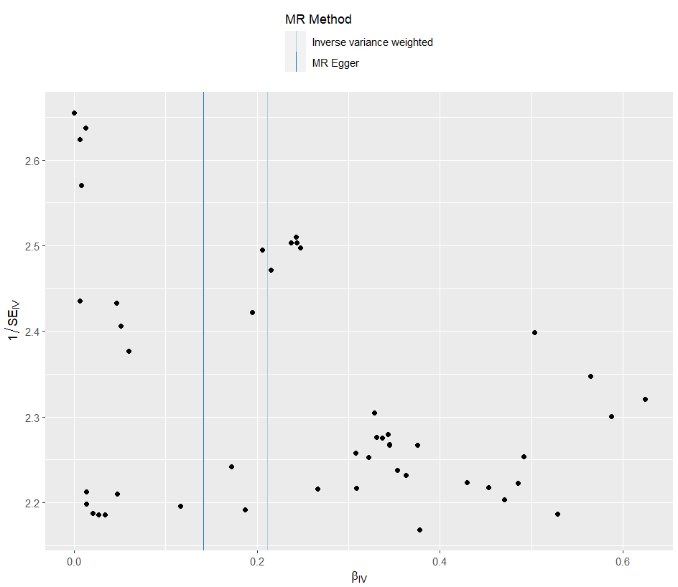
presso |  |  |  |  |  |  |  |  |  | 散點圖 |  |  | 森林圖 | 漏斗圖

heterogeneity
 | id.exposure | id.outcome | outcome | exposure | method | Q | Q_df | Q_val
1 | nki65o | 8k8Thw | outcome | exposure | MR Egger | 11.22186 | 58 | 1
2 | nki65o | 8k8Thw | outcome | exposure | Inverse variance weighted | 11.37393 | 59 | 1

pleiotropy
 | id.exposure | id.outcome | outcome | exposure | egger_interept | se | pval
1 | nki65o | 8k8Thw | outcome | exposure | 0.01506491 | 0.03863188 | 6.98E-01

two_saige_exp IBS out 憂鬱
exposure_dat
outcome_dat
 | id.exposure | id.outcome | outcome | exposure | method | nsnp | b | se | pval | OR | OR 95% C.I. | Beta 95%C.I
1 | 2WVf28 | 4q9h2O | outcome | exposure | MR Egger | 40 | 0.46250290793 | 0.21073634632 | 0.034367604036 | 1.5880437422 | ( 1.05070321559972 , 2.40018578965784 ) | ( 0.0494596691435467 , 0.875546146715152 )
2 | 2WVf28 | 4q9h2O | outcome | exposure | Weighted median | 40 | 0.16382177955 | 0.060527011744 | 0.0067978238798 | 1.1780043519 | ( 1.04622540683267 , 1.3263817185788 ) | ( 0.045188836531107 , 0.282454722567782 )
3 | 2WVf28 | 4q9h2O | outcome | exposure | Inverse variance weighted | 40 | 0.20989225493 | 0.044780289801 | 2.77E-06 | 1.2335451444 | ( 1.12989294231533 , 1.34670601635394 ) | ( 0.12212288692214 , 0.297661622942856 )
4 | 2WVf28 | 4q9h2O | outcome | exposure | Simple mode | 40 | 0.12308181472 | 0.1199200483 | 0.31104335594 | 1.1309769477 | ( 0.894078696803803 , 1.43064459634213 ) | ( -0.111961479938091 , 0.358125109379856 )
5 | 2WVf28 | 4q9h2O | outcome | exposure | Weighted mode | 40 | 0.13125409422 | 0.11242848895 | 0.25011890743 | 1.1402574773 | ( 0.914748839142045 , 1.42135967708958 ) | ( -0.0891057441275781 , 0.351613932561368 )

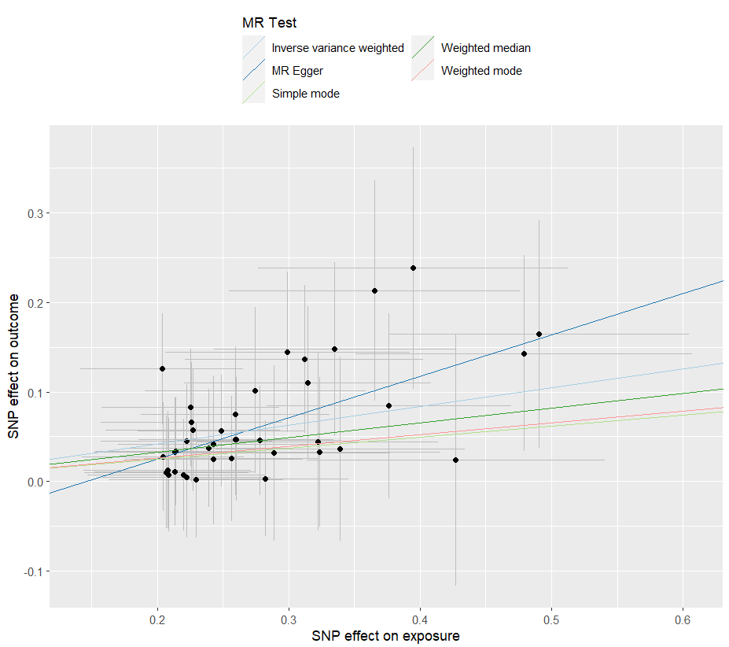
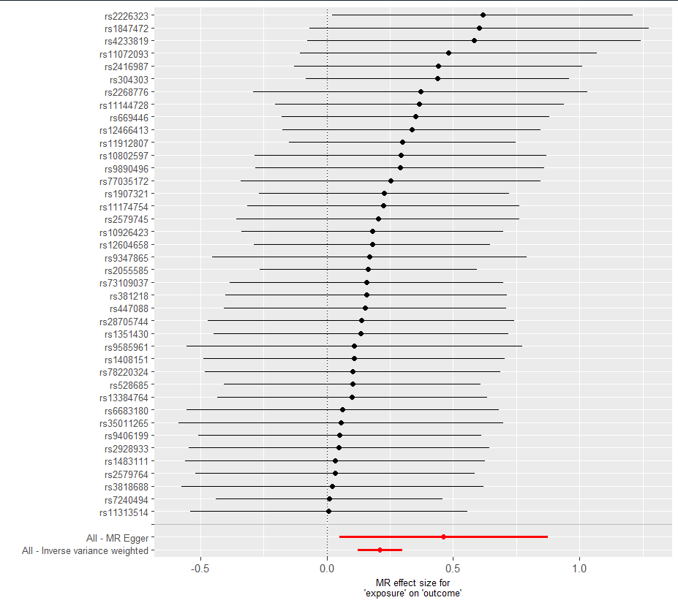
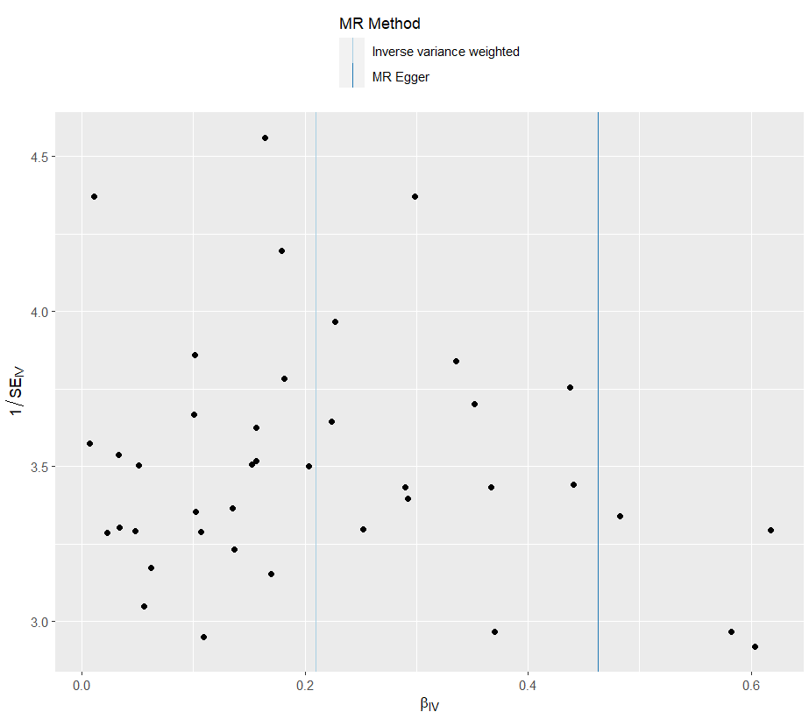
presso |  |  |  |  |  |  |  |  |  | 散點圖 |  |  | 森林圖 | 漏斗圖

heterogeneity
 | id.exposure | id.outcome | outcome | exposure | method | Q | Q_df | Q_val
1 | 2WVf28 | 4q9h2O | outcome | exposure | MR Egger | 10.8036 | 38 | 0.9999958
2 | 2WVf28 | 4q9h2O | outcome | exposure | Inverse variance weighted | 12.30845 | 39 | 0.9999864

pleiotropy
 | id.exposure | id.outcome | outcome | exposure | egger_interept | se | pval
1 | 2WVf28 | 4q9h2O | outcome | exposure | -0.06712332 | 0.05471771 | 2.27E-01

two_saige_exp 憂鬱 out IBS
exposure_dat
outcome_dat
 | id.exposure | id.outcome | outcome | exposure | method | nsnp | b | se | pval | OR | OR 95% C.I. | Beta 95%C.I
1 | gmFr6a | gdVCsI | outcome | exposure | MR Egger | 40 | 0.17855305506 | 0.3643989639 | 0.62695579239 | 1.1954863082 | ( 0.585277658649836 , 2.44189658010434 ) | ( -0.535668914180892 , 0.892775024302083 )
2 | gmFr6a | gdVCsI | outcome | exposure | Weighted median | 40 | 0.19600852627 | 0.053186103753 | 0.00022840342149 | 1.2165372778 | ( 1.09610585063766 , 1.35020075611133 ) | ( 0.0917637629113247 , 0.300253289624979 )
3 | gmFr6a | gdVCsI | outcome | exposure | Inverse variance weighted | 40 | 0.16167363272 | 0.041703673849 | 0.00010587234546 | 1.1754765416 | ( 1.08321604101424 , 1.2755951237887 ) | ( 0.0799344319789212 , 0.243412833465919 )
4 | gmFr6a | gdVCsI | outcome | exposure | Simple mode | 40 | 0.22107653591 | 0.10674352171 | 0.045012552587 | 1.2474188993 | ( 1.01192983287096 , 1.53770929532112 ) | ( 0.0118592333537402 , 0.430293838472217 )
5 | gmFr6a | gdVCsI | outcome | exposure | Weighted mode | 40 | 0.22107653591 | 0.10549697892 | 0.042661227401 | 1.2474188993 | ( 1.01440522672993 , 1.5339569130914 ) | ( 0.0143024572209962 , 0.427850614604961 )
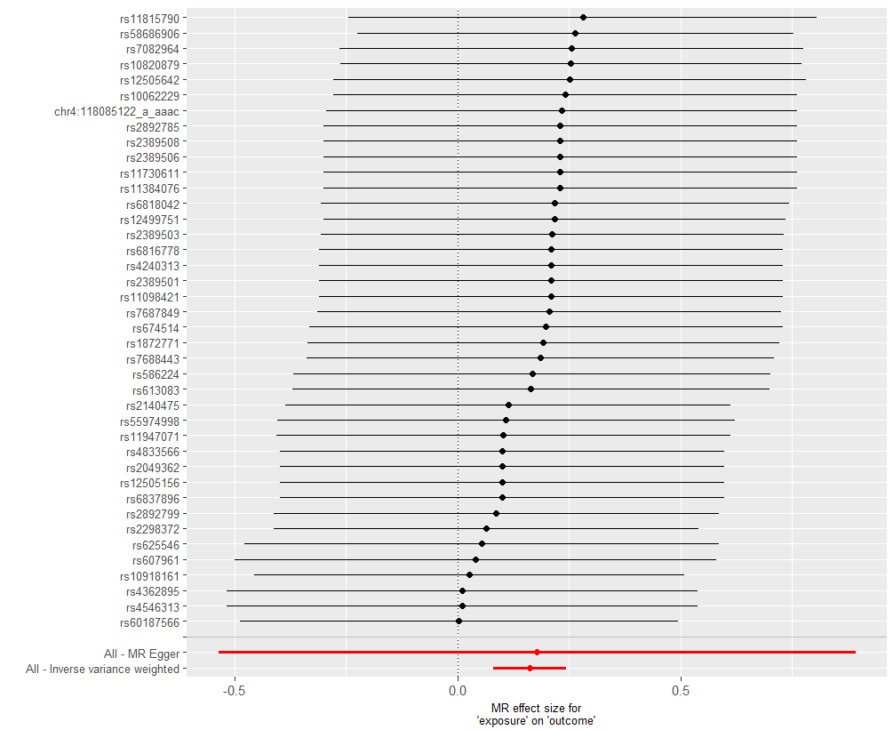
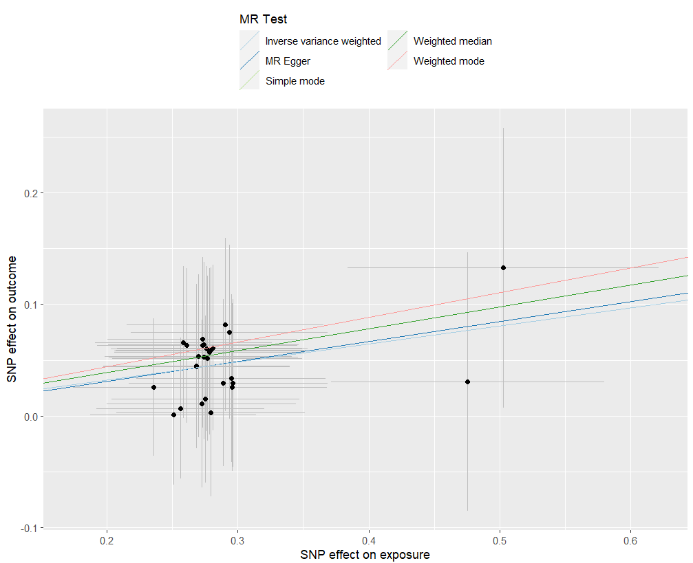
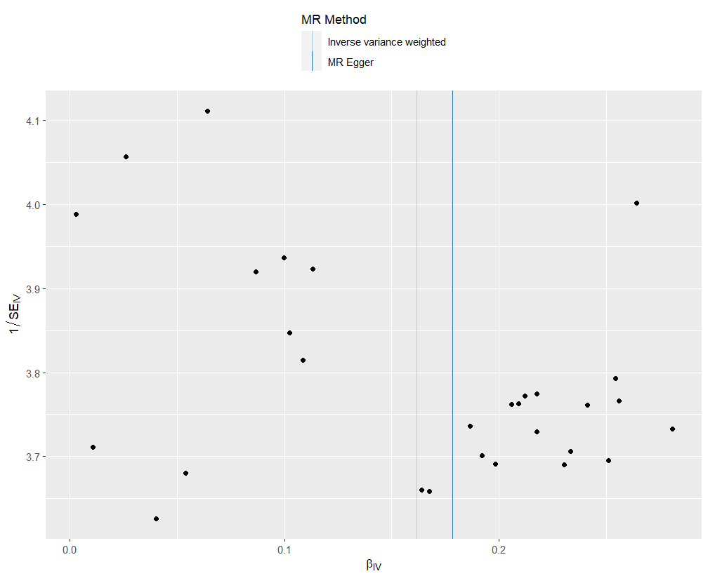
presso |  |  |  |  |  |  |  |  |  | 散點圖 |  |  | 森林圖 | 漏斗圖

heterogeneity
 | id.exposure | id.outcome | outcome | exposure | method | Q | Q_df | Q_val
1 | gmFr6a | gdVCsI | outcome | exposure | MR Egger | 3.824199 | 38 | 1
2 | gmFr6a | gdVCsI | outcome | exposure | Inverse variance weighted | 3.826373 | 39 | 1

pleiotropy
 | id.exposure | id.outcome | outcome | exposure | egger_interept | se | pval
1 | gmFr6a | gdVCsI | outcome | exposure | -0.004780507 | 0.1025252 | 9.63E-01

