one_exp憂鬱_out乾眼_adj
exposure_dat
outcome_dat
 | id.exposure | id.outcome | outcome | exposure | method | nsnp | b | se | pval | OR | OR 95% C.I. | Beta 95%C.I
1 | xUzDRz | 60iDjf | outcome | exposure | MR Egger | 15 | 0.085134185556 | 0.14373122181 | 0.56380040025 | 1.0888631666 | ( 0.82153641981031 , 1.44317764495832 ) | ( -0.196579009182199 , 0.366847380293783 )
2 | xUzDRz | 60iDjf | outcome | exposure | Weighted median | 15 | 0.082042674048 | 0.043677705066 | 0.060331245184 | 1.0855021316 | ( 0.99644072142059 , 1.18252380939612 ) | ( -0.00356562788184769 , 0.16765097597712 )
3 | xUzDRz | 60iDjf | outcome | exposure | Inverse variance weighted | 15 | 0.11541264572 | 0.033823705941 | 0.00064445034186 | 1.1223364694 | ( 1.05034447529833 , 1.19926288957097 ) | ( 0.0491181820783727 , 0.181707109368934 )
4 | xUzDRz | 60iDjf | outcome | exposure | Simple mode | 15 | 0.076783839095 | 0.072792342503 | 0.30936586597 | 1.0798086388 | ( 0.936234638079243 , 1.24540008337349 ) | ( -0.0658891522113612 , 0.219456830401363 )
5 | xUzDRz | 60iDjf | outcome | exposure | Weighted mode | 15 | 0.072241059227 | 0.066770663727 | 0.29756872457 | 1.0749144309 | ( 0.943056161727233 , 1.22520914511589 ) | ( -0.058629441677521 , 0.203111560130712 )

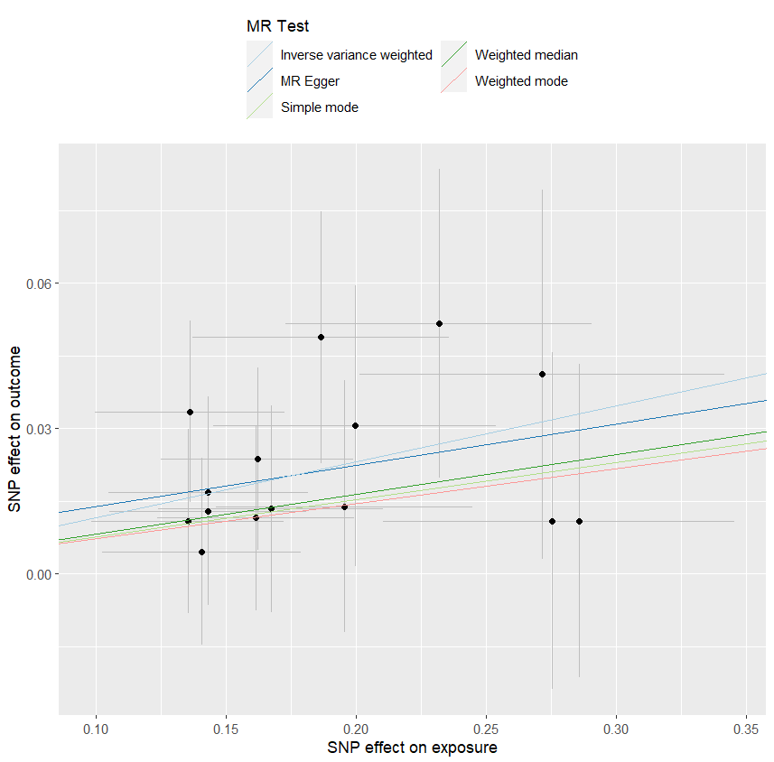
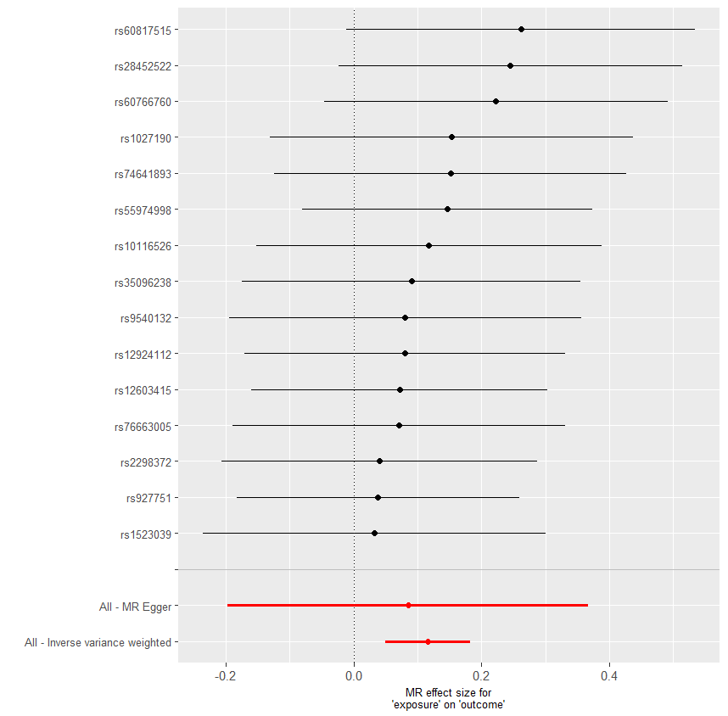
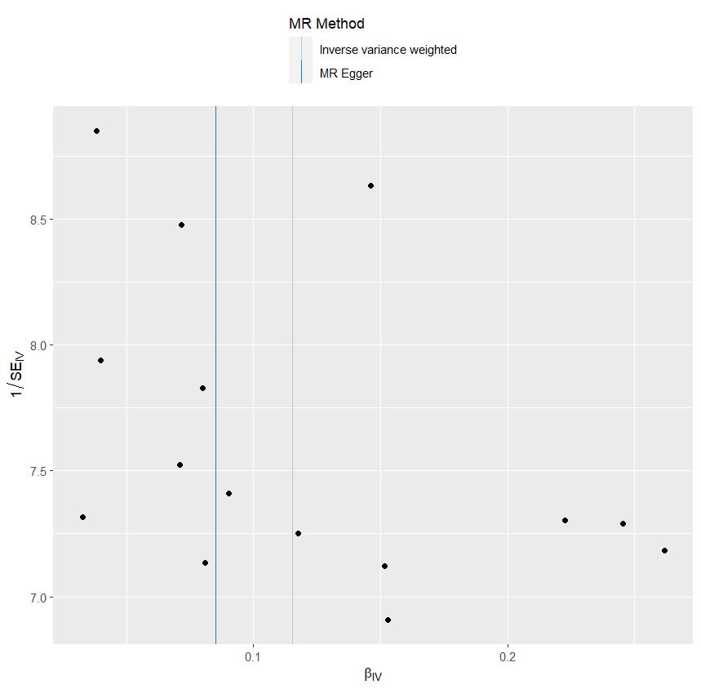
presso |  |  |  |  |  |  |  |  |  | 散點圖 |  |  | 森林圖 | 漏斗圖

heterogeneity
 | id.exposure | id.outcome | outcome | exposure | method | Q | Q_df | Q_val
1 | xUzDRz | 60iDjf | outcome | exposure | MR Egger | 4.386931 | 13 | 0.9863362
2 | xUzDRz | 60iDjf | outcome | exposure | Inverse variance weighted | 4.433911 | 14 | 0.9922385

pleiotropy
 | id.exposure | id.outcome | outcome | exposure | egger_interept | se | pval
1 | xUzDRz | 60iDjf | outcome | exposure | 0.00540991 | 0.02495953 | 0.8317697

one_exp憂鬱_out IBS_adj
exposure_dat
outcome_dat
 | id.exposure | id.outcome | outcome | exposure | method | nsnp | b | se | pval | OR | OR 95% C.I. | Beta 95%C.I
1 | i3ePg1 | pvYzvE | outcome | exposure | MR Egger | 40 | 0.16917327039 | 0.19089133577 | 0.38106893053 | 1.1843253297 | ( 0.81466870303641 , 1.72171396940985 ) | ( -0.204973747726358 , 0.543320288497904 )
2 | i3ePg1 | pvYzvE | outcome | exposure | Weighted median | 40 | 0.14281527206 | 0.05656696757 | 0.011579331348 | 1.1535166952 | ( 1.03245970207648 , 1.28876774898311 ) | ( 0.0319440156255 , 0.253686528501029 )
3 | i3ePg1 | pvYzvE | outcome | exposure | Inverse variance weighted | 40 | 0.21371607232 | 0.042499943351 | 4.94E-07 | 1.2382710255 | ( 1.13930244337953 , 1.34583678056433 ) | ( 0.130416183351889 , 0.297015961287414 )
4 | i3ePg1 | pvYzvE | outcome | exposure | Simple mode | 40 | 0.093211715756 | 0.115543381 | 0.42471750539 | 1.0976941098 | ( 0.87524335525765 , 1.37668266941652 ) | ( -0.133253310998345 , 0.319676742510769 )
5 | i3ePg1 | pvYzvE | outcome | exposure | Weighted mode | 40 | 0.093211715756 | 0.10893329436 | 0.39740315206 | 1.0976941098 | ( 0.886656580609218 , 1.3589617277495 ) | ( -0.120297541191962 , 0.306720972704385 )

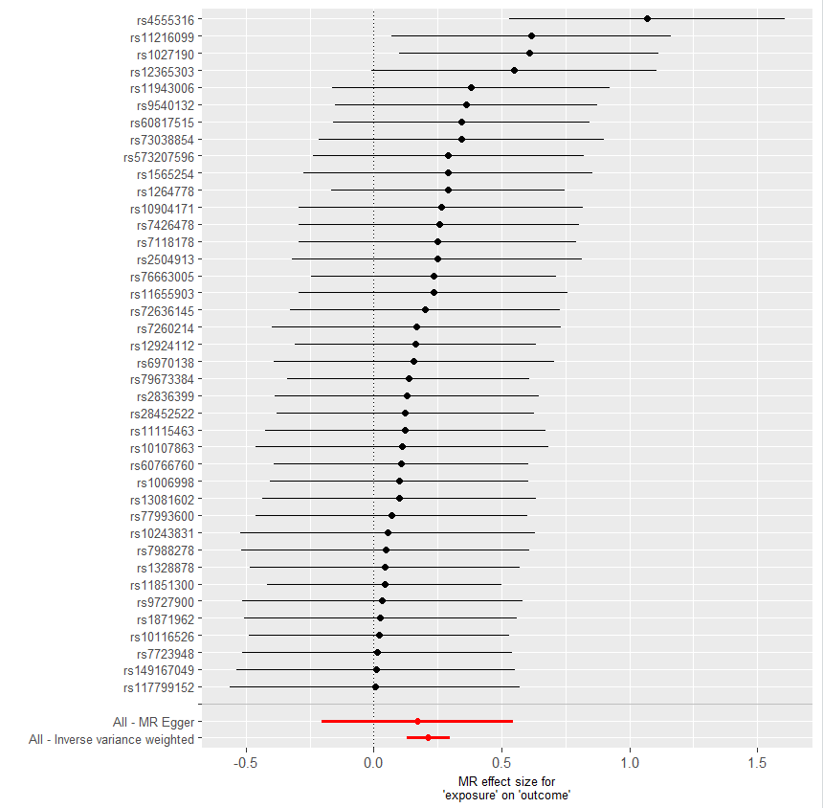
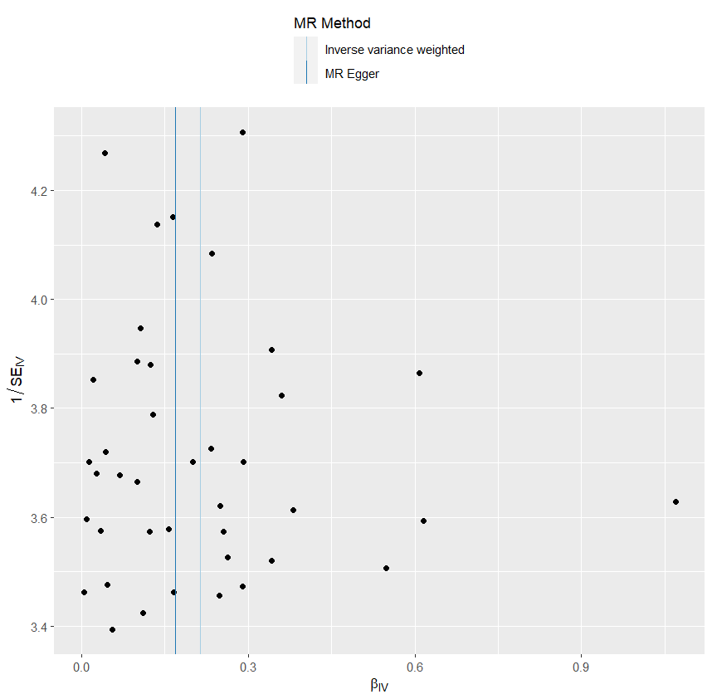
presso |  |  |  |  |  |  |  |  |  | 散點圖 |  |  | 森林圖 | 漏斗圖
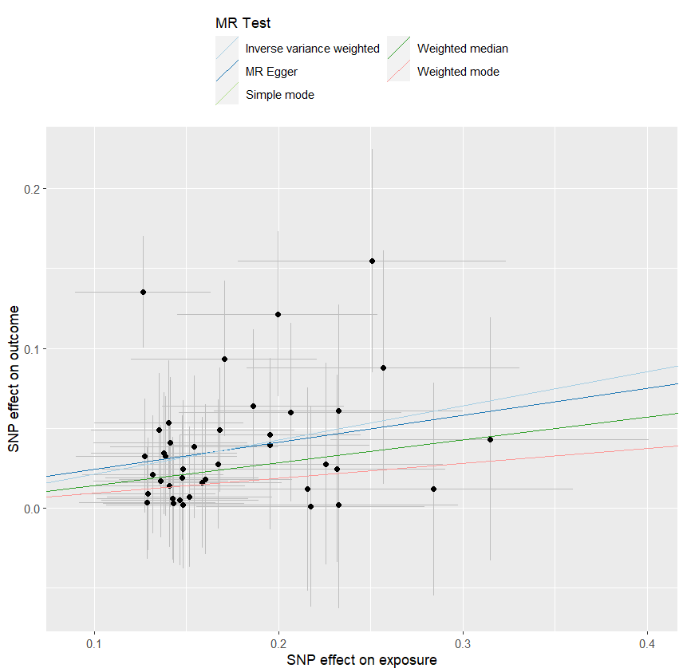

heterogeneity
 | id.exposure | id.outcome | outcome | exposure | method | Q | Q_df | Q_val
1 | i3ePg1 | pvYzvE | outcome | exposure | MR Egger | 22.98164 | 38 | 0.9740099
2 | i3ePg1 | pvYzvE | outcome | exposure | Inverse variance weighted | 23.03893 | 39 | 0.9802366

pleiotropy
 | id.exposure | id.outcome | outcome | exposure | egger_interept | se | pval
1 | i3ePg1 | pvYzvE | outcome | exposure | 0.007463476 | 0.03118245 | 0.8121216

one_exp乾眼_out憂鬱_adj
exposure_dat
outcome_dat
 | id.exposure | id.outcome | outcome | exposure | method | nsnp | b | se | pval | OR | OR 95% C.I. | Beta 95%C.I
1 | Qyaxr4 | dpfkT2 | outcome | exposure | MR Egger | 40 | 0.34650968306 | 0.3428850941 | 0.31861366899 | 1.4141231868 | ( 0.722133610306081 , 2.76921660883384 ) | ( -0.325545101384431 , 1.01856446750483 )
2 | Qyaxr4 | dpfkT2 | outcome | exposure | Weighted median | 40 | 0.37018685731 | 0.096381254272 | 0.00012260426981 | 1.4480051597 | ( 1.19875030175236 , 1.74908731164382 ) | ( 0.181279598937988 , 0.559094115684579 )
3 | Qyaxr4 | dpfkT2 | outcome | exposure | Inverse variance weighted | 40 | 0.3486731969 | 0.073793641718 | 2.30E-06 | 1.4171859739 | ( 1.22634433565202 , 1.63772606616083 ) | ( 0.204037659133786 , 0.4933087346692 )
4 | Qyaxr4 | dpfkT2 | outcome | exposure | Simple mode | 40 | 0.47266308474 | 0.20761229738 | 0.028374131955 | 1.604260792 | ( 1.06795219882325 , 2.40989502291019 ) | ( 0.0657429818802189 , 0.879583187595417 )
5 | Qyaxr4 | dpfkT2 | outcome | exposure | Weighted mode | 40 | 0.45610933743 | 0.18770241313 | 0.019804437183 | 1.5779228614 | ( 1.09222031179174 , 2.27961385585879 ) | ( 0.0882126076988097 , 0.824006067157636 )

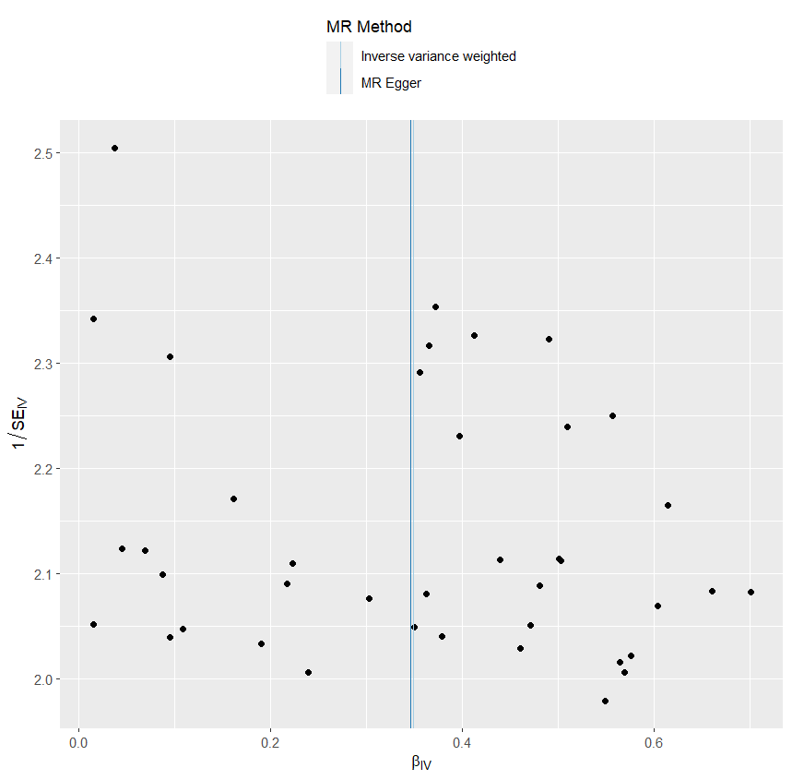
presso |  |  |  |  |  |  |  |  |  | 散點圖 |  |  | 森林圖 | 漏斗圖
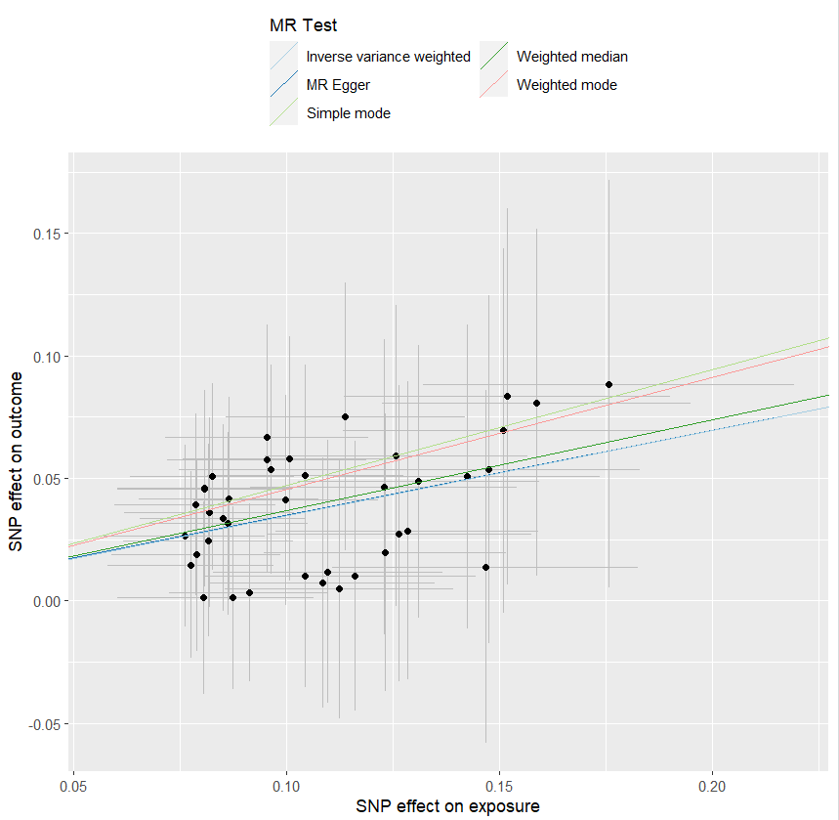
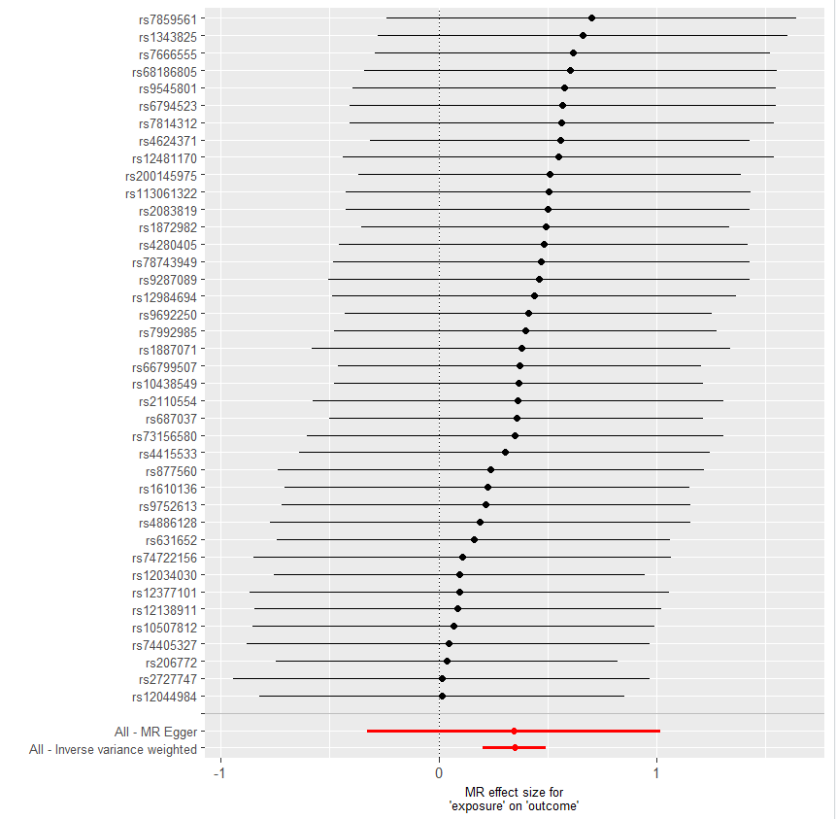

heterogeneity
 | id.exposure | id.outcome | outcome | exposure | method | Q | Q_df | Q_val
1 | Qyaxr4 | dpfkT2 | outcome | exposure | MR Egger | 7.353407 | 38 | 1
2 | Qyaxr4 | dpfkT2 | outcome | exposure | Inverse variance weighted | 7.353449 | 39 | 1

pleiotropy
 | id.exposure | id.outcome | outcome | exposure | egger_interept | se | pval
1 | Qyaxr4 | dpfkT2 | outcome | exposure | 0.0002214212 | 0.03426969 | 0.9948786

one_exp乾眼_out IBS_adj
exposure_dat
outcome_dat
 | id.exposure | id.outcome | outcome | exposure | method | nsnp | b | se | pval | OR | OR 95% C.I. | Beta 95%C.I
1 | LqoPLr | WRntAS | outcome | exposure | MR Egger | 15 | 0.84262716607 | 0.45776244523 | 0.088589736231 | 2.3224604583 | ( 0.946875912517936 , 5.69644079976148 ) | ( -0.0545872265695557 , 1.73984155871398 )
2 | LqoPLr | WRntAS | outcome | exposure | Weighted median | 15 | 0.32937391877 | 0.1448554778 | 0.022977377538 | 1.390097542 | ( 1.04650619463757 , 1.84649759946257 ) | ( 0.0454571822725142 , 0.613290655262287 )
3 | LqoPLr | WRntAS | outcome | exposure | Inverse variance weighted | 15 | 0.40123811268 | 0.10935393421 | 0.00024333976973 | 1.4936728886 | ( 1.20551203455513 , 1.85071457954212 ) | ( 0.1869044016296 , 0.615571823723305 )
4 | LqoPLr | WRntAS | outcome | exposure | Simple mode | 15 | 0.29626624365 | 0.23882308928 | 0.23516877901 | 1.3448281611 | ( 0.842124838606252 , 2.14761838155181 ) | ( -0.171827011351915 , 0.764359498642988 )
5 | LqoPLr | WRntAS | outcome | exposure | Weighted mode | 15 | 0.2860716898 | 0.22274557689 | 0.21988407367 | 1.3311878844 | ( 0.86026943619724 , 2.05989090054819 ) | ( -0.150509640898356 , 0.722653020500076 )

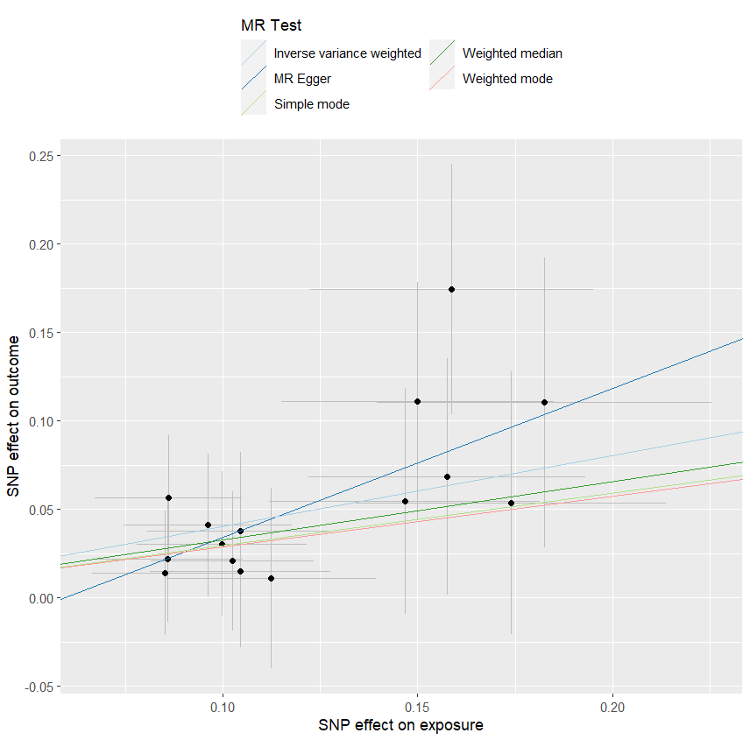
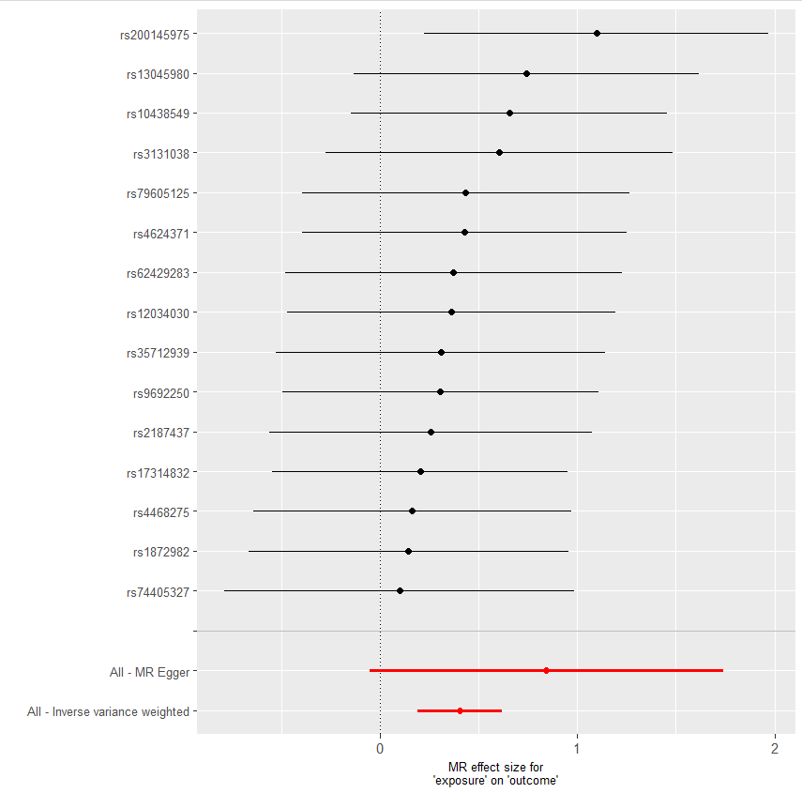
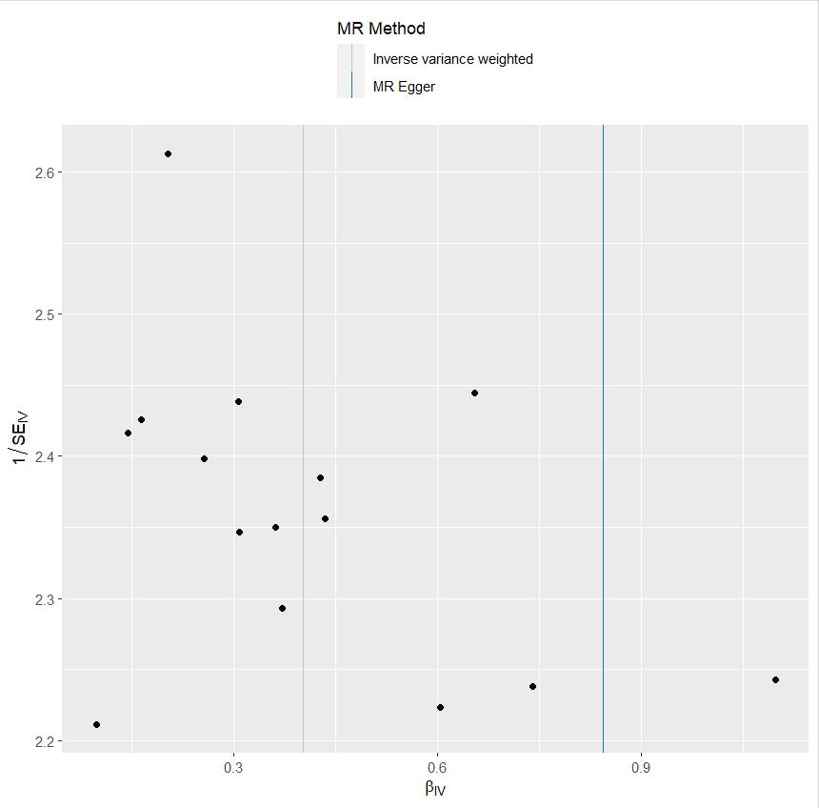
presso |  |  |  |  |  |  |  |  |  | 散點圖 |  |  | 森林圖 | 漏斗圖

heterogeneity
 | id.exposure | id.outcome | outcome | exposure | method | Q | Q_df | Q_val
1 | LqoPLr | WRntAS | outcome | exposure | MR Egger | 4.297624 | 13 | 0.9875938
2 | LqoPLr | WRntAS | outcome | exposure | Inverse variance weighted | 5.283636 | 14 | 0.9814605

pleiotropy
 | id.exposure | id.outcome | outcome | exposure | egger_interept | se | pval
1 | LqoPLr | WRntAS | outcome | exposure | -0.05003969 | 0.05039338 | 0.3388428

one_exp IBS_out 憂鬱_adj
exposure_dat
outcome_dat
 | id.exposure | id.outcome | outcome | exposure | method | nsnp | b | se | pval | OR | OR 95% C.I. | Beta 95%C.I
1 | blia08 | vbVLl7 | outcome | exposure | MR Egger | 15 | -0.196214085 | 0.315819959 | 0.545152963 | 0.821836273 | ( 0.442541424712213 , 1.5262183874666 ) | ( -0.815221203746937 , 0.422793033675676 )
2 | blia08 | vbVLl7 | outcome | exposure | Weighted median | 15 | 0.160600198 | 0.085748452 | 0.061079101 | 1.174215421 | ( 0.992561038122417 , 1.38911543102663 ) | ( -0.0074667689441254 , 0.328667164010167 )
3 | blia08 | vbVLl7 | outcome | exposure | Inverse variance weighted | 15 | 0.216695715 | 0.062683441 | 5.46E-04 | 1.241966133 | ( 1.09837978481949 , 1.4043228927185 ) | ( 0.0938361710956863 , 0.339555259730873 )
4 | blia08 | vbVLl7 | outcome | exposure | Simple mode | 15 | 0.13060598 | 0.124070401 | 0.310319895 | 1.139518699 | ( 0.893533005206565 , 1.45322316992446 ) | ( -0.112572005829787 , 0.373783965309139 )
5 | blia08 | vbVLl7 | outcome | exposure | Weighted mode | 15 | 0.140698355 | 0.135506272 | 0.316724356 | 1.151077379 | ( 0.88259050595396 , 1.50123882192744 ) | ( -0.124893939111458 , 0.406290648540829 )

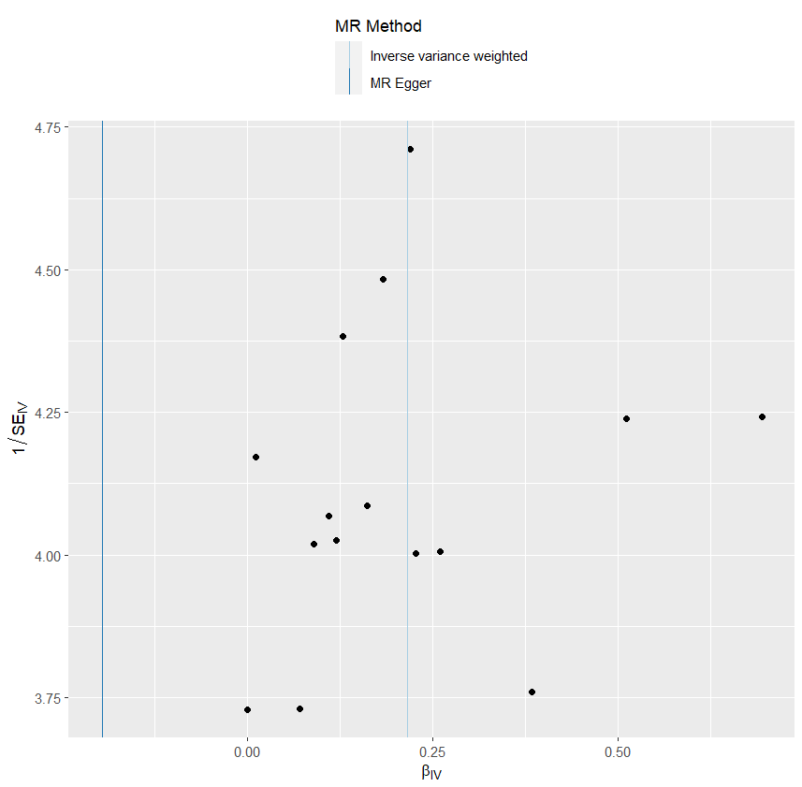
presso |  |  |  |  |  |  |  |  |  | 散點圖 |  |  | 森林圖 | 漏斗圖
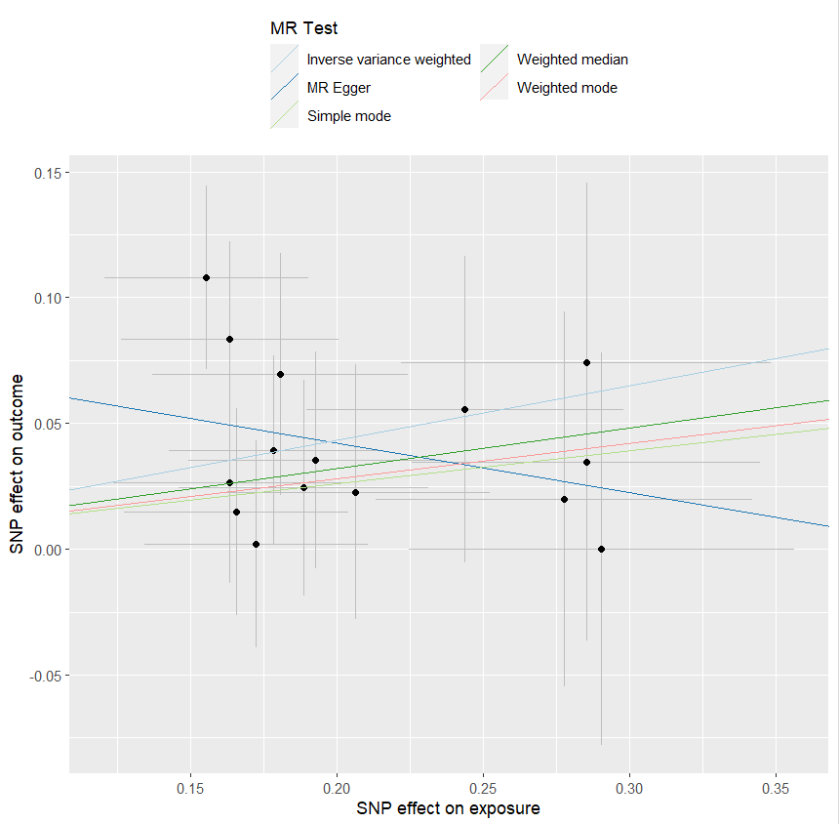
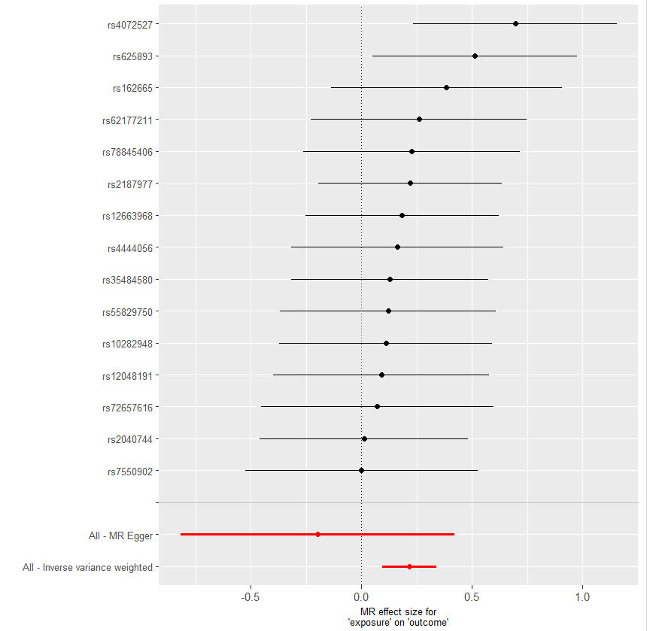

heterogeneity
 | id.exposure | id.outcome | outcome | exposure | method | Q | Q_df | Q_val
1 | blia08 | vbVLl7 | outcome | exposure | MR Egger | 6.832744 | 13 | 0.9105638
2 | blia08 | vbVLl7 | outcome | exposure | Inverse variance weighted | 8.612194 | 14 | 0.8550628

pleiotropy
 | id.exposure | id.outcome | outcome | exposure | egger_interept | se | pval
1 | blia08 | vbVLl7 | outcome | exposure | 0.08126445 | 0.06091969 | 0.2051162

one_exp IBS_out 乾眼_adj
exposure_dat
outcome_dat
 | id.exposure | id.outcome | outcome | exposure | method | nsnp | b | se | pval | OR | OR 95% C.I. | Beta 95%C.I
1 | ZYNYrn | pt9WAW | outcome | exposure | MR Egger | 10 | 0.18548283271 | 0.18271490615 | 0.33974967916 | 1.2037995336 | ( 0.841441839225285 , 1.72220259274242 ) | ( -0.172638383336678 , 0.543604048761564 )
2 | ZYNYrn | pt9WAW | outcome | exposure | Weighted median | 10 | 0.12927461152 | 0.048438184763 | 0.0076109738862 | 1.1380025899 | ( 1.03493204689541 , 1.25133809361747 ) | ( 0.0343357693884174 , 0.224213453658501 )
3 | ZYNYrn | pt9WAW | outcome | exposure | Inverse variance weighted | 10 | 0.14028296746 | 0.037185981273 | 0.0001616399523 | 1.150599335 | ( 1.0697216176094 , 1.23759191909017 ) | ( 0.0673984441651042 , 0.213167490754891 )
4 | ZYNYrn | pt9WAW | outcome | exposure | Simple mode | 10 | 0.087426854199 | 0.080996790887 | 0.30849154092 | 1.0913624329 | ( 0.93115748802596 , 1.27913051804527 ) | ( -0.071326855940173 , 0.246180564337313 )
5 | ZYNYrn | pt9WAW | outcome | exposure | Weighted mode | 10 | 0.083055117926 | 0.082584212235 | 0.34083077806 | 1.0866016981 | ( 0.924215565961374 , 1.27751932975872 ) | ( -0.0788099380548549 , 0.244920173907839 )

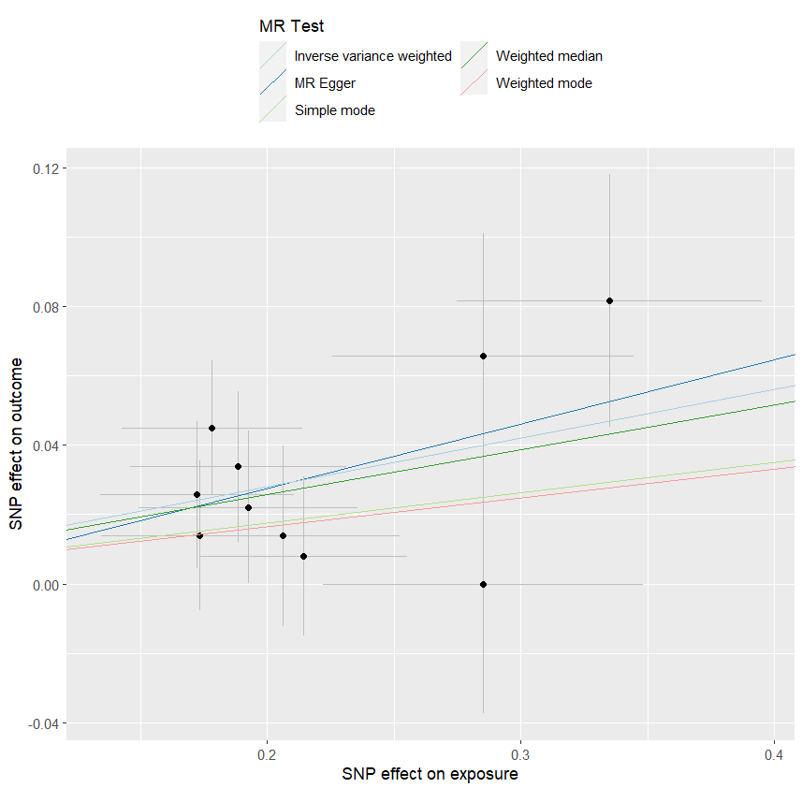
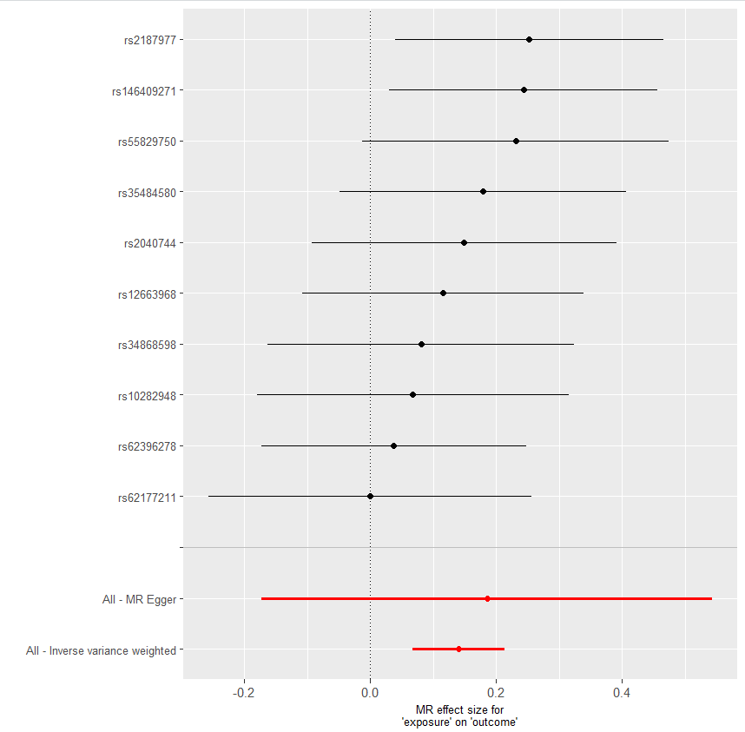
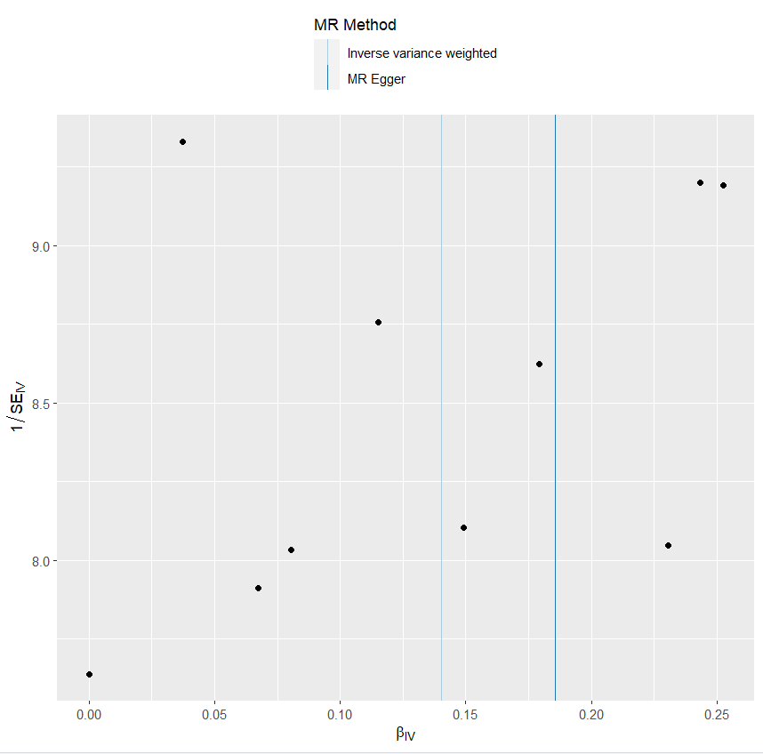
presso |  |  |  |  |  |  |  |  |  | 散點圖 |  |  | 森林圖 | 漏斗圖

heterogeneity
 | id.exposure | id.outcome | outcome | exposure | method | Q | Q_df | Q_val
1 | ZYNYrn | pt9WAW | outcome | exposure | MR Egger | 5.234522 | 8 | 0.7322412
2 | ZYNYrn | pt9WAW | outcome | exposure | Inverse variance weighted | 5.298363 | 9 | 0.8075623

pleiotropy
 | id.exposure | id.outcome | outcome | exposure | egger_interept | se | pval
1 | ZYNYrn | pt9WAW | outcome | exposure | -0.009570699 | 0.03787866 | 0.8068963

one_exp憂鬱_out乾眼_cojo
exposure_dat
outcome_dat
 | id.exposure | id.outcome | outcome | exposure | method | nsnp | b | se | pval | OR | OR 95% C.I. | Beta 95%C.I
1 | XsMkEW | Ldhjex | outcome | exposure | MR Egger | 15 | 0.14920369344 | 0.14363399551 | 0.3178441649 | 1.1609094348 | ( 0.876061541411977 , 1.53837447714452 ) | ( -0.132318937759957 , 0.430726324635123 )
2 | XsMkEW | Ldhjex | outcome | exposure | Weighted median | 15 | 0.10206089668 | 0.043435369646 | 0.018787607734 | 1.1074509098 | ( 1.01707165536979 , 1.2058614661523 ) | ( 0.0169275721751514 , 0.187194221186386 )
3 | XsMkEW | Ldhjex | outcome | exposure | Inverse variance weighted | 15 | 0.12463236698 | 0.034154646139 | 0.0002632012129 | 1.1327319468 | ( 1.0593857516117 , 1.21115623978754 ) | ( 0.0576892605491717 , 0.191575473414559 )
4 | XsMkEW | Ldhjex | outcome | exposure | Simple mode | 15 | 0.080322060399 | 0.072297238423 | 0.28528614864 | 1.0836360077 | ( 0.940465299323036 , 1.24860215266675 ) | ( -0.0613805269099912 , 0.222024647708372 )
5 | XsMkEW | Ldhjex | outcome | exposure | Weighted mode | 15 | 0.077947810668 | 0.074934611188 | 0.31587379236 | 1.0810662371 | ( 0.933397590156687 , 1.25209687839669 ) | ( -0.0689240272603197 , 0.224819648595411 )

presso |  |  |  |  |  |  |  |  |  | 散點圖 |  |  | 森林圖 | 漏斗圖
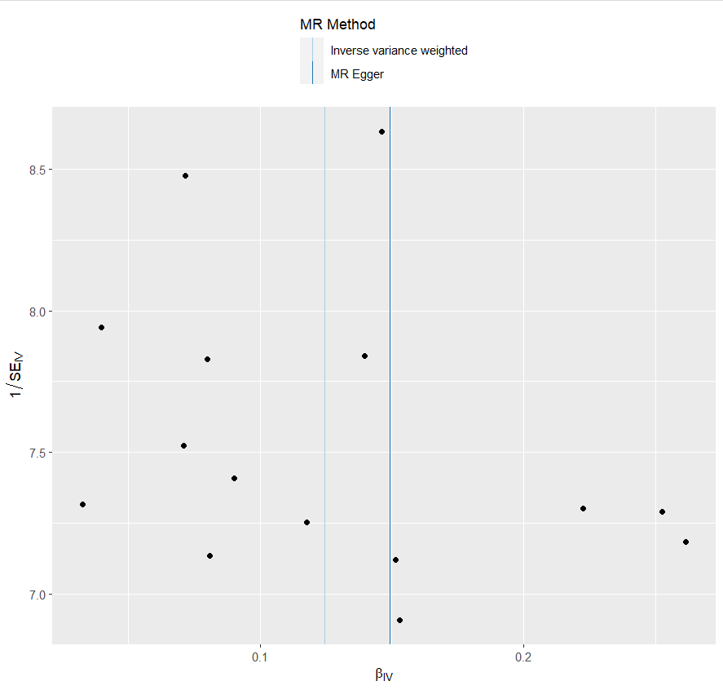
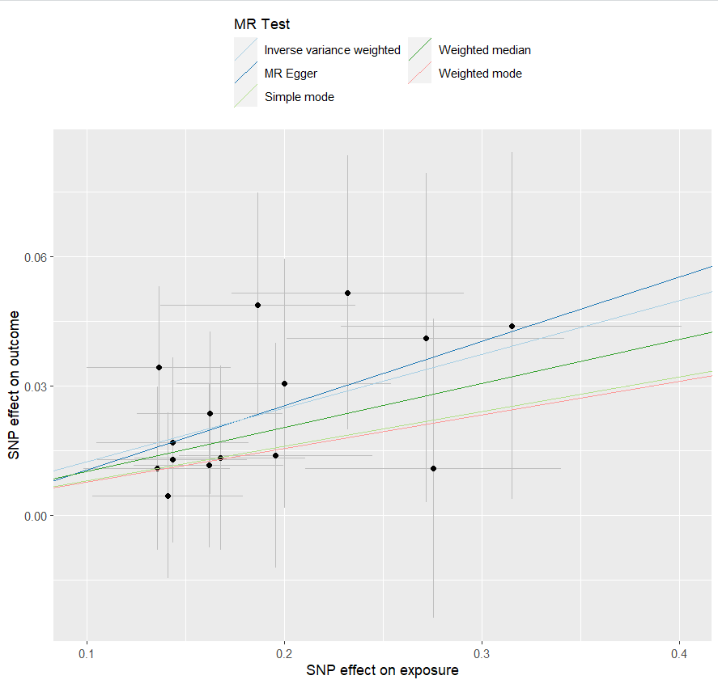
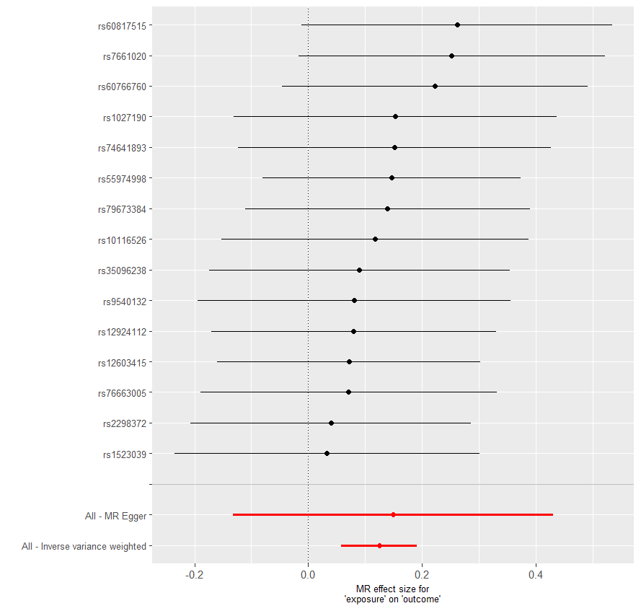

heterogeneity
 | id.exposure | id.outcome | outcome | exposure | method | Q | Q_df | Q_val
1 | XsMkEW | Ldhjex | outcome | exposure | MR Egger | 4.000276 | 13 | 0.9911884
2 | XsMkEW | Ldhjex | outcome | exposure | Inverse variance weighted | 4.031295 | 14 | 0.995275

pleiotropy
 | id.exposure | id.outcome | outcome | exposure | egger_interept | se | pval
1 | XsMkEW | Ldhjex | outcome | exposure | -0.004375941 | 0.02484626 | 0.8629131

one_exp憂鬱_out IBS_cojo
exposure_dat
outcome_dat
 | id.exposure | id.outcome | outcome | exposure | method | nsnp | b | se | pval | OR | OR 95% C.I. | Beta 95%C.I
1 | RnHaVj | FKLPNp | outcome | exposure | MR Egger | 40 | 0.16995230501 | 0.19089210029 | 0.37890405518 | 1.1852483196 | ( 0.815302383750226 , 1.72305834870632 ) | ( -0.204196211546877 , 0.544100821572701 )
2 | RnHaVj | FKLPNp | outcome | exposure | Weighted median | 40 | 0.14281824757 | 0.057605822714 | 0.013166532351 | 1.1535201275 | ( 1.03036265762344 , 1.29139839721652 ) | ( 0.0299108350507583 , 0.255725660088597 )
3 | RnHaVj | FKLPNp | outcome | exposure | Inverse variance weighted | 40 | 0.21356237877 | 0.042499484096 | 5.03E-07 | 1.2380807258 | ( 1.13912837877372 , 1.345628738773 ) | ( 0.130263389942975 , 0.296861367598401 )
4 | RnHaVj | FKLPNp | outcome | exposure | Simple mode | 40 | 0.094651811377 | 0.10967564839 | 0.39340512923 | 1.0992760331 | ( 0.886643353327827 , 1.36290177144597 ) | ( -0.120312459459469 , 0.309616082212733 )
5 | RnHaVj | FKLPNp | outcome | exposure | Weighted mode | 40 | 0.094651811377 | 0.10077101309 | 0.35337022864 | 1.0992760331 | ( 0.902253844656525 , 1.33932130524898 ) | ( -0.102859374280704 , 0.292162997033968 )

presso |  |  |  |  |  |  |  |  |  | 散點圖 |  |  | 森林圖 | 漏斗圖
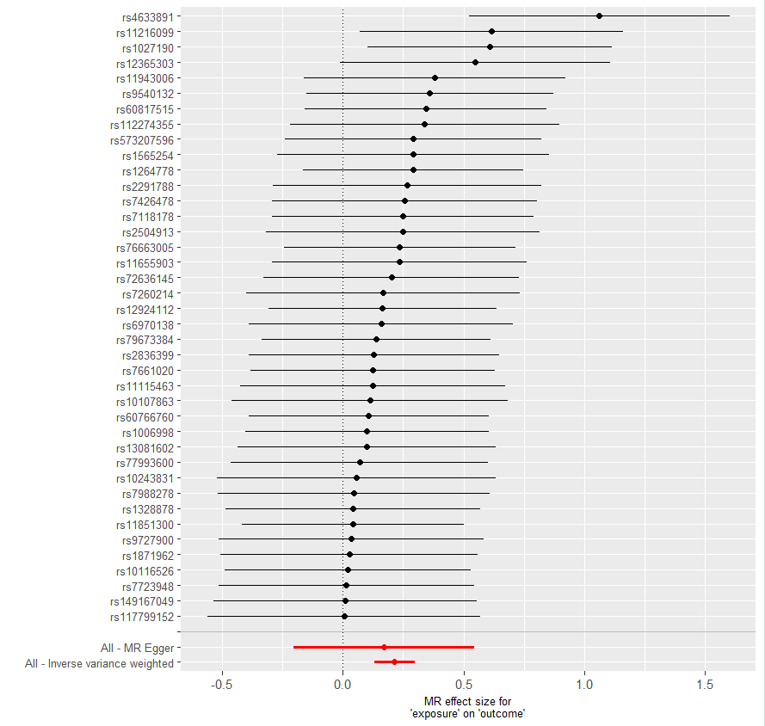

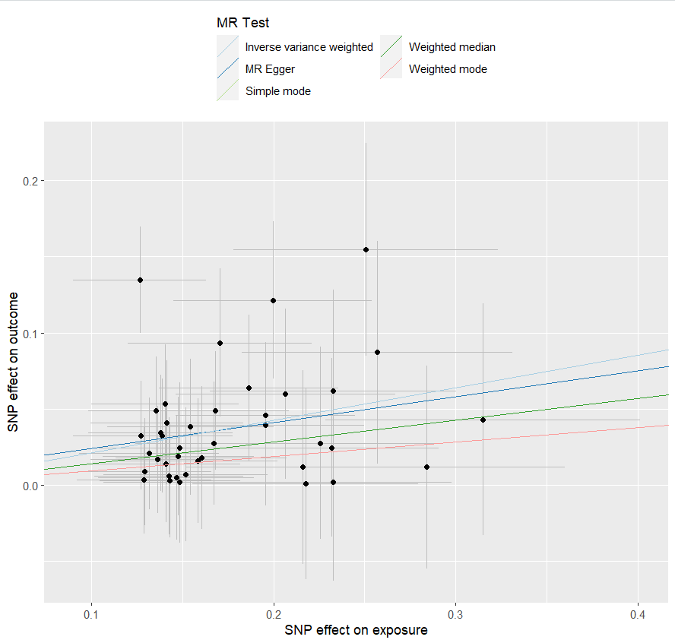

heterogeneity
 | id.exposure | id.outcome | outcome | exposure | method | Q | Q_df | Q_val
1 | RnHaVj | FKLPNp | outcome | exposure | MR Egger | 22.82591 | 38 | 0.9754935
2 | RnHaVj | FKLPNp | outcome | exposure | Inverse variance weighted | 22.88082 | 39 | 0.9814342

pleiotropy
 | id.exposure | id.outcome | outcome | exposure | egger_interept | se | pval
1 | RnHaVj | FKLPNp | outcome | exposure | 0.007307074 | 0.0311821 | 0.8159826

one_exp乾眼_out憂鬱_cojo
exposure_dat
outcome_dat
 | id.exposure | id.outcome | outcome | exposure | method | nsnp | b | se | pval | OR | OR 95% C.I. | Beta 95%C.I
1 | foE0PH | lh9W5n | outcome | exposure | MR Egger | 40 | 0.35888446893 | 0.34260728235 | 0.30148180504 | 1.4317313826 | ( 0.73152359421856 , 2.80217175223752 ) | ( -0.312625804471299 , 1.03039474233803 )
2 | foE0PH | lh9W5n | outcome | exposure | Weighted median | 40 | 0.3772153625 | 0.096771852927 | 9.70E-05 | 1.4582183211 | ( 1.20628155240494 , 1.7627731003217 ) | ( 0.187542530763105 , 0.566888194237824 )
3 | foE0PH | lh9W5n | outcome | exposure | Inverse variance weighted | 40 | 0.35052588862 | 0.073791793944 | 2.03E-06 | 1.4198140163 | ( 1.22862292925682 , 1.64075713789659 ) | ( 0.205893972488092 , 0.495157804748696 )
4 | foE0PH | lh9W5n | outcome | exposure | Simple mode | 40 | 0.47275140085 | 0.1951557374 | 0.020163240529 | 1.6044024803 | ( 1.09444365391315 , 2.35197792922979 ) | ( 0.0902461555346554 , 0.855256646161482 )
5 | foE0PH | lh9W5n | outcome | exposure | Weighted mode | 40 | 0.46091816265 | 0.20422470222 | 0.029691241623 | 1.5855290905 | ( 1.06251394485005 , 2.36599482663767 ) | ( 0.0606377462950653 , 0.861198579010131 )

presso |  |  |  |  |  |  |  |  |  | 散點圖 |  |  | 森林圖 | 漏斗圖
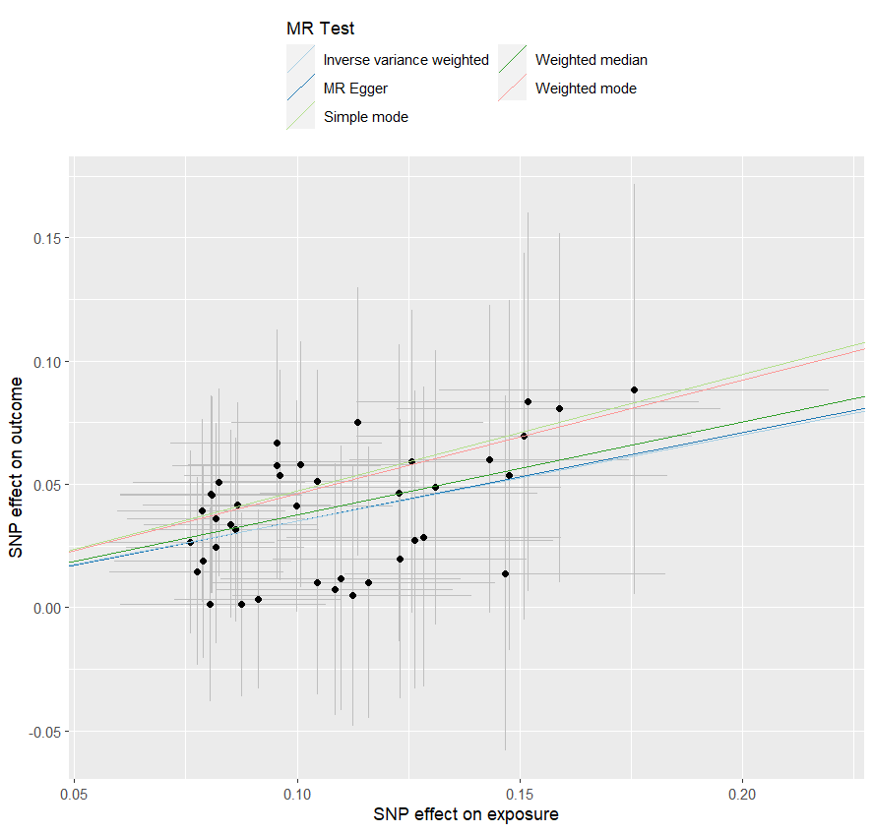
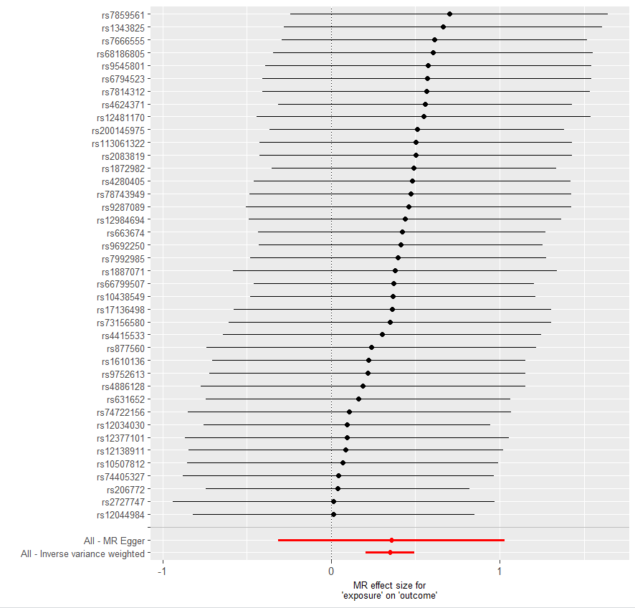

heterogeneity
 | id.exposure | id.outcome | outcome | exposure | method | Q | Q_df | Q_val
1 | foE0PH | lh9W5n | outcome | exposure | MR Egger | 7.383094 | 38 | 1
2 | foE0PH | lh9W5n | outcome | exposure | Inverse variance weighted | 7.383718 | 39 | 1

pleiotropy
 | id.exposure | id.outcome | outcome | exposure | egger_interept | se | pval
1 | foE0PH | lh9W5n | outcome | exposure | -0.000855536 | 0.03424426 | 0.980199

one_exp乾眼_out IBS_cojo
exposure_dat
outcome_dat
 | id.exposure | id.outcome | outcome | exposure | method | nsnp | b | se | pval | OR | OR 95% C.I. | Beta 95%C.I
1 | AMqTQJ | I96Yib | outcome | exposure | MR Egger | 15 | 0.8091415806 | 0.4517237016 | 0.096554371172 | 2.2459791668 | ( 0.926596693401664 , 5.44403239699223 ) | ( -0.076236874534271 , 1.69452003572526 )
2 | AMqTQJ | I96Yib | outcome | exposure | Weighted median | 15 | 0.34699355859 | 0.14871635193 | 0.019634629279 | 1.414807612 | ( 1.05707906858383 , 1.8935958892919 ) | ( 0.0555095088054382 , 0.638477608372387 )
3 | AMqTQJ | I96Yib | outcome | exposure | Inverse variance weighted | 15 | 0.41340886611 | 0.11057904348 | 0.0001850608355 | 1.51196309 | ( 1.21734704888923 , 1.87788058280506 ) | ( 0.196673940887149 , 0.630143791333558 )
4 | AMqTQJ | I96Yib | outcome | exposure | Simple mode | 15 | 0.33955930891 | 0.22663771996 | 0.15627513221 | 1.4043285791 | ( 0.900639130931102 , 2.18971027386034 ) | ( -0.104650622212811 , 0.783769240035708 )
5 | AMqTQJ | I96Yib | outcome | exposure | Weighted mode | 15 | 0.33665031137 | 0.2400850576 | 0.182634409 | 1.4002493269 | ( 0.874663182058852 , 2.2416608102002 ) | ( -0.13391640152082 , 0.807217024266286 )

presso |  |  |  |  |  |  |  |  |  | 散點圖 |  |  | 森林圖 | 漏斗圖
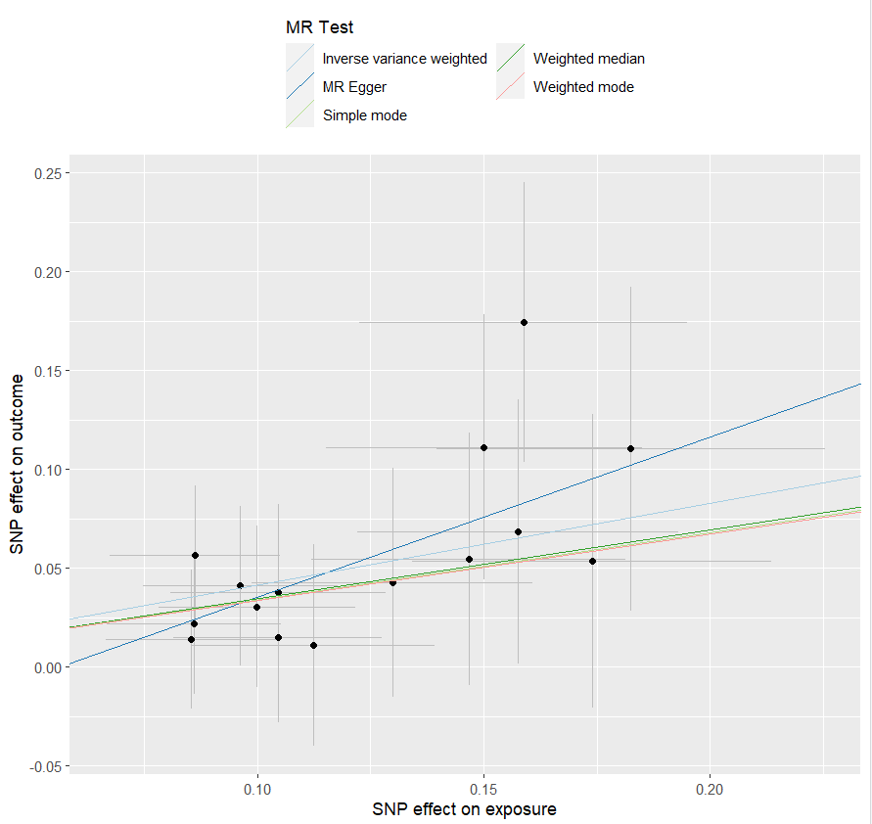
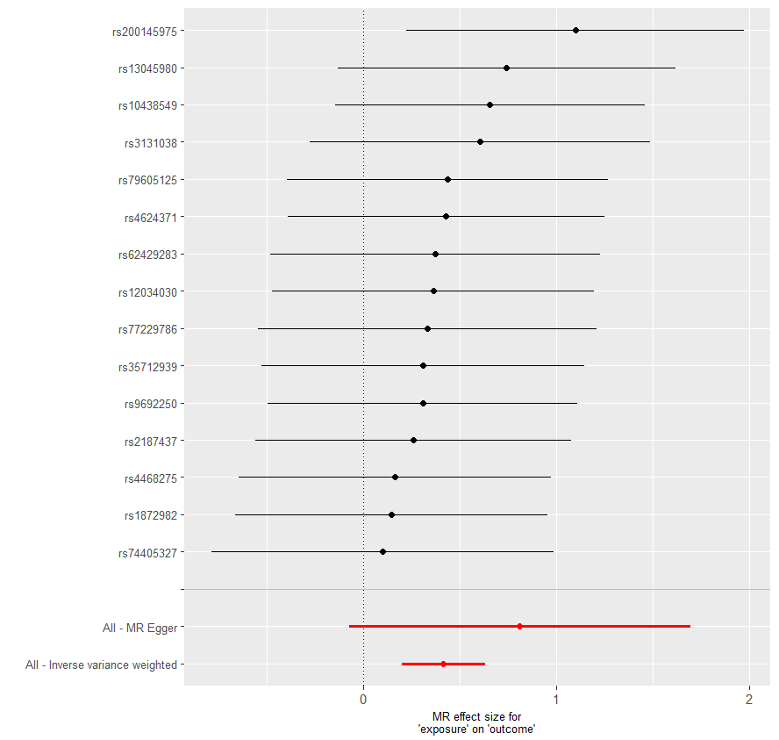
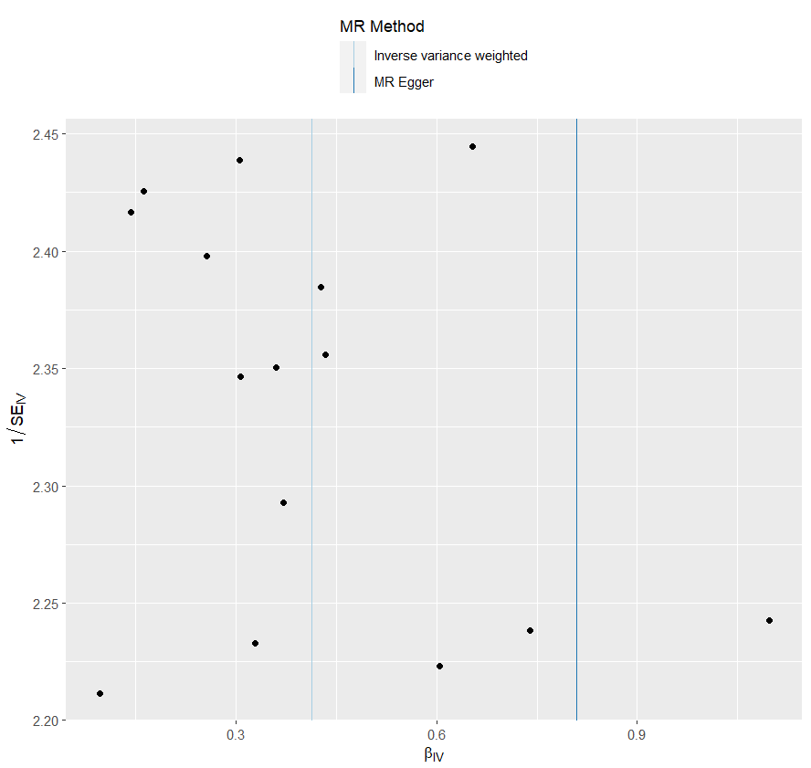

heterogeneity
 | id.exposure | id.outcome | outcome | exposure | method | Q | Q_df | Q_val
1 | AMqTQJ | I96Yib | outcome | exposure | MR Egger | 4.211556 | 13 | 0.9887257
2 | AMqTQJ | I96Yib | outcome | exposure | Inverse variance weighted | 5.027941 | 14 | 0.98542

pleiotropy
 | id.exposure | id.outcome | outcome | exposure | egger_interept | se | pval
1 | AMqTQJ | I96Yib | outcome | exposure | -0.04561639 | 0.05048628 | 0.382677

one_exp IBS_out 憂鬱_cojo
exposure_dat
outcome_dat
 | id.exposure | id.outcome | outcome | exposure | method | nsnp | b | se | pval | OR | OR 95% C.I. | Beta 95%C.I
1 | 5LBtli | 1TclA9 | outcome | exposure | MR Egger | 15 | -0.19620719857 | 0.31581427528 | 0.54515973918 | 0.82184193257 | ( 0.442549401873383 , 1.5262118969393 ) | ( -0.815203178114016 , 0.422788780980805 )
2 | 5LBtli | 1TclA9 | outcome | exposure | Weighted median | 15 | 0.16052901135 | 0.083359251065 | 0.054135696877 | 1.1741318358 | ( 0.997148951243898 , 1.38252722034492 ) | ( -0.00285512073705937 , 0.323913143439272 )
3 | 5LBtli | 1TclA9 | outcome | exposure | Inverse variance weighted | 15 | 0.21665316099 | 0.062675899819 | 0.00054678864152 | 1.2419132835 | ( 1.098349279115 , 1.40424237803739 ) | ( 0.0938083973433411 , 0.33949792463386 )
4 | 5LBtli | 1TclA9 | outcome | exposure | Simple mode | 15 | 0.13060509608 | 0.13714928881 | 0.35710569478 | 1.1395176924 | ( 0.870917948812278 , 1.49095626419767 ) | ( -0.138207509997277 , 0.399417702151614 )
5 | 5LBtli | 1TclA9 | outcome | exposure | Weighted mode | 15 | 0.14069747893 | 0.1331672762 | 0.30861000632 | 1.1510763704 | ( 0.886645194923533 , 1.49437093686589 ) | ( -0.120310382419375 , 0.40170534027461 )

presso |  |  |  |  |  |  |  |  |  | 散點圖 |  |  | 森林圖 | 漏斗圖
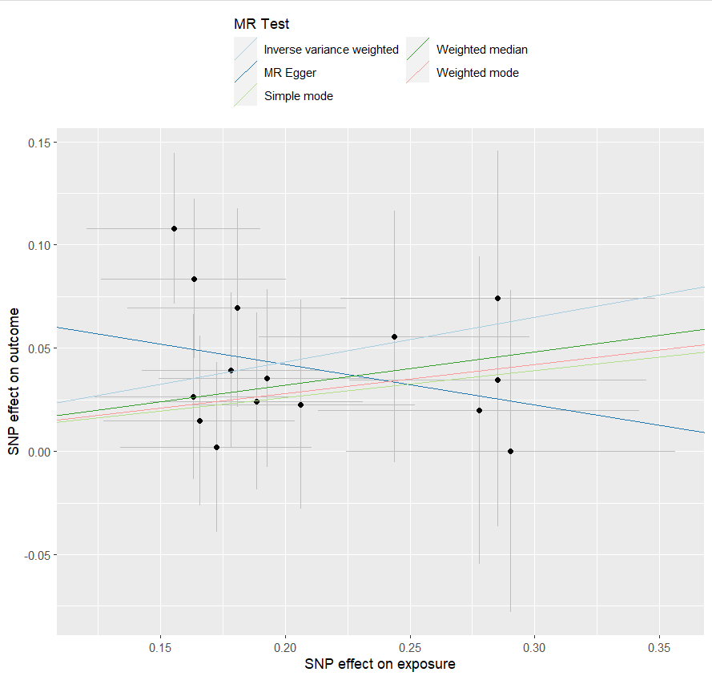
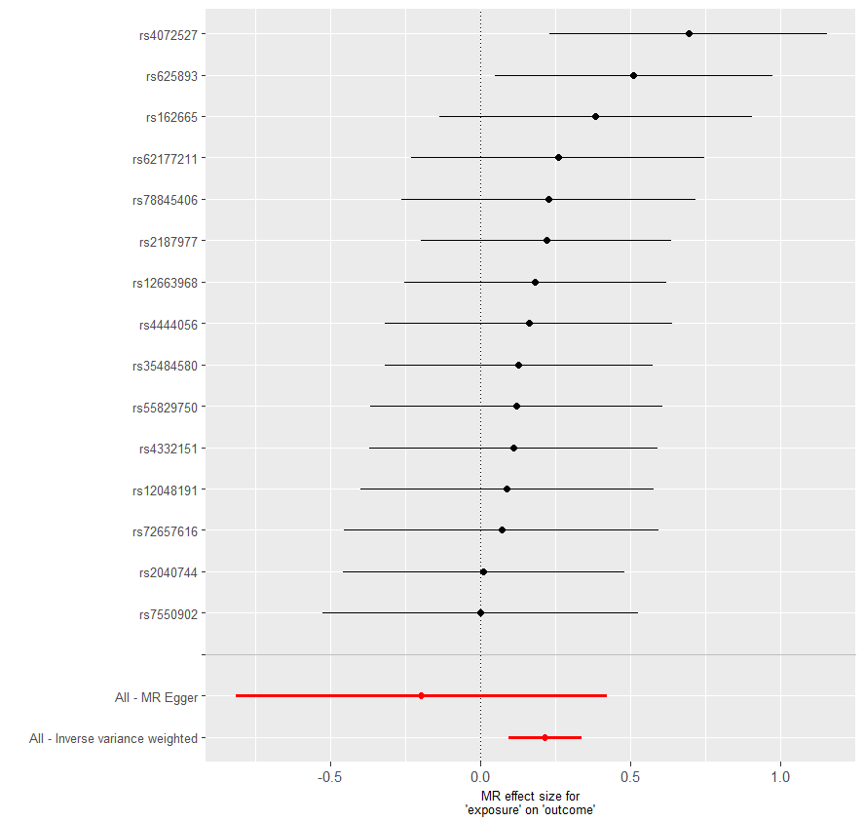
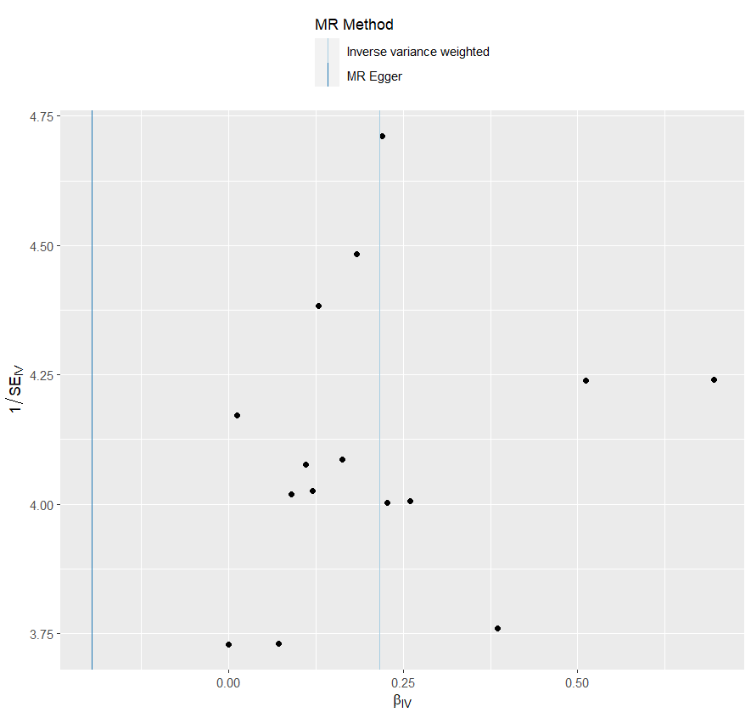

heterogeneity
 | id.exposure | id.outcome | outcome | exposure | method | Q | Q_df | Q_val
1 | 5LBtli | 1TclA9 | outcome | exposure | MR Egger | 6.832514 | 13 | 0.9105751
2 | 5LBtli | 1TclA9 | outcome | exposure | Inverse variance weighted | 8.611587 | 14 | 0.855099

pleiotropy
 | id.exposure | id.outcome | outcome | exposure | egger_interept | se | pval
1 | 5LBtli | 1TclA9 | outcome | exposure | 0.08125633 | 0.06092006 | 0.2051613

one_exp IBS_out 乾眼_cojo
exposure_dat
outcome_dat
 | id.exposure | id.outcome | outcome | exposure | method | nsnp | b | se | pval | OR | OR 95% C.I. | Beta 95%C.I
1 | XM2h0g | pn4Nvu | outcome | exposure | MR Egger | 15 | 0.087150950047 | 0.17765581416 | 0.63191332591 | 1.0910613631 | ( 0.770238982263261 , 1.54551369816096 ) | ( -0.261054445712486 , 0.435356345805987 )
2 | XM2h0g | pn4Nvu | outcome | exposure | Weighted median | 15 | 0.11345566175 | 0.043498945249 | 0.0091009286578 | 1.1201422226 | ( 1.02859904823967 , 1.21983254903778 ) | ( 0.0281977290614146 , 0.198713594437786 )
3 | XM2h0g | pn4Nvu | outcome | exposure | Inverse variance weighted | 15 | 0.14364316581 | 0.031672808662 | 5.75E-06 | 1.1544720799 | ( 1.08498315424861 , 1.22841149935909 ) | ( 0.0815644608337438 , 0.205721870790381 )
4 | XM2h0g | pn4Nvu | outcome | exposure | Simple mode | 15 | 0.09346755322 | 0.075329526998 | 0.23507685056 | 1.097974977 | ( 0.947263175758232 , 1.27266538063919 ) | ( -0.0541783196966774 , 0.241113426136657 )
5 | XM2h0g | pn4Nvu | outcome | exposure | Weighted mode | 15 | 0.088950646835 | 0.068637001899 | 0.21594874796 | 1.0930267107 | ( 0.955445192577494 , 1.25041959446065 ) | ( -0.045577876886782 , 0.223479170556289 )

presso |  |  |  |  |  |  |  |  |  | 散點圖 |  |  | 森林圖 | 漏斗圖
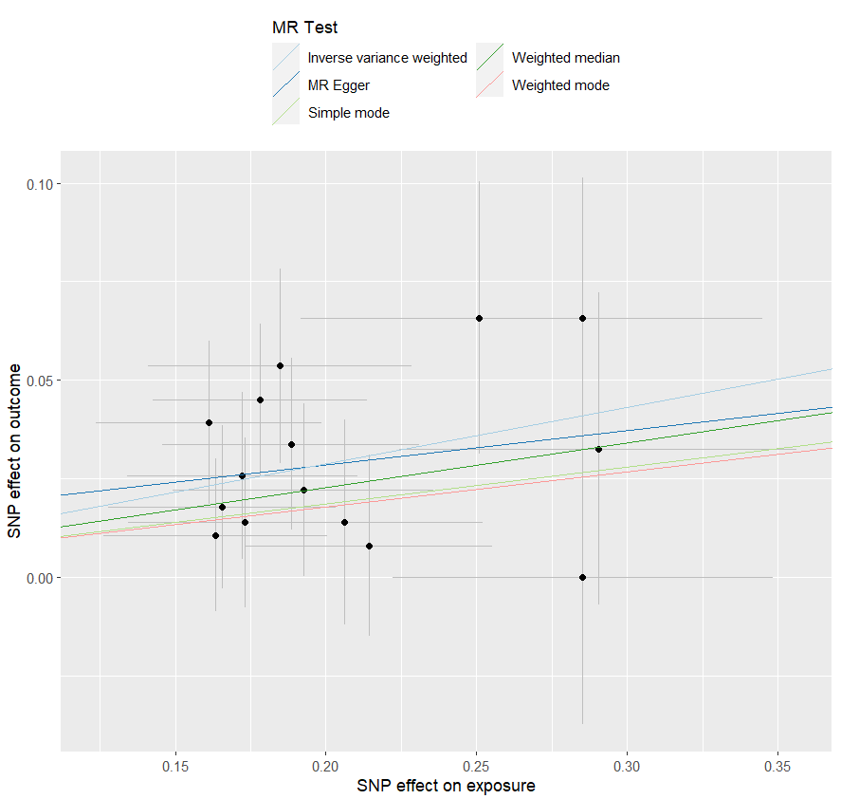
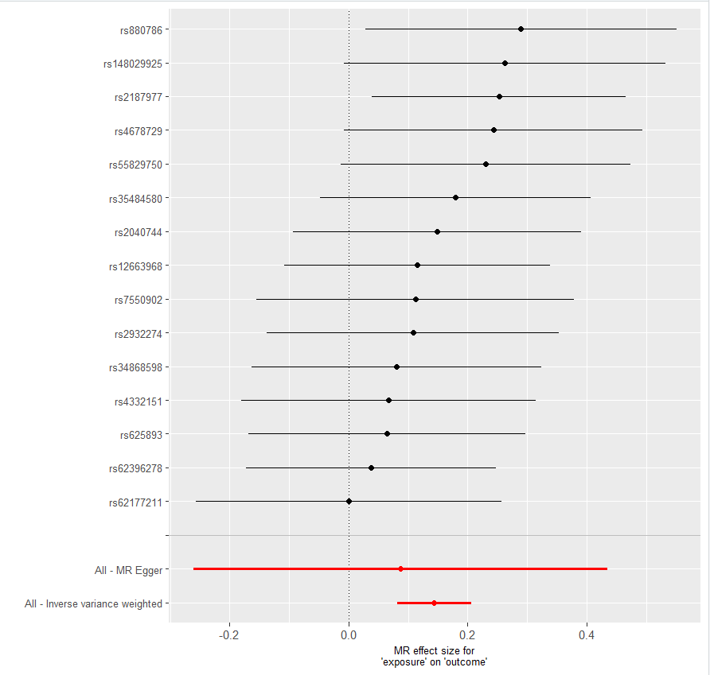
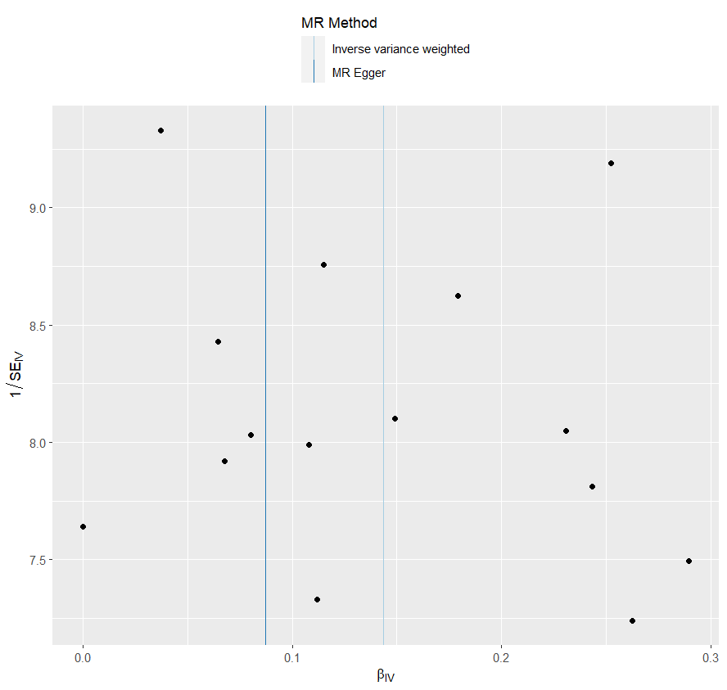

heterogeneity
 | id.exposure | id.outcome | outcome | exposure | method | Q | Q_df | Q_val
1 | XM2h0g | pn4Nvu | outcome | exposure | MR Egger | 7.480901 | 13 | 0.8757
2 | XM2h0g | pn4Nvu | outcome | exposure | Inverse variance weighted | 7.585336 | 14 | 0.9097921

pleiotropy
 | id.exposure | id.outcome | outcome | exposure | egger_interept | se | pval
1 | XM2h0g | pn4Nvu | outcome | exposure | 0.01112905 | 0.03443775 | 0.7517103

one_exp_憂鬱_out_IBS_saige
exposure_dat
outcome_dat
 | id.exposure | id.outcome | outcome | exposure | method | nsnp | b | se | pval | OR | OR 95% C.I. | Beta 95%C.I
1 | J8YM68 | AW0F4O | outcome | exposure | MR Egger | 40 | 0.16917327039 | 0.19089133577 | 0.38106893053 | 1.1843253297 | ( 0.81466870303641 , 1.72171396940985 ) | ( -0.204973747726358 , 0.543320288497904 )
2 | J8YM68 | AW0F4O | outcome | exposure | Weighted median | 40 | 0.14281527206 | 0.058412965175 | 0.014488258908 | 1.1535166952 | ( 1.02873085237515 , 1.29343915669366 ) | ( 0.0283258603208868 , 0.257304683805642 )
3 | J8YM68 | AW0F4O | outcome | exposure | Inverse variance weighted | 40 | 0.21371607232 | 0.042499943351 | 4.94E-07 | 1.2382710255 | ( 1.13930244337953 , 1.34583678056433 ) | ( 0.130416183351889 , 0.297015961287414 )
4 | J8YM68 | AW0F4O | outcome | exposure | Simple mode | 40 | 0.093211715756 | 0.099790618148 | 0.35601381888 | 1.0976941098 | ( 0.902688365052043 , 1.33482650863202 ) | ( -0.102377895813886 , 0.288801327326309 )
5 | J8YM68 | AW0F4O | outcome | exposure | Weighted mode | 40 | 0.093211715756 | 0.10991017195 | 0.40157310797 | 1.0976941098 | ( 0.884960541125019 , 1.36156619726048 ) | ( -0.12221222126762 , 0.308635652780043 )

presso |  |  |  |  |  |  |  |  |  | 散點圖 |  |  | 森林圖 | 漏斗圖
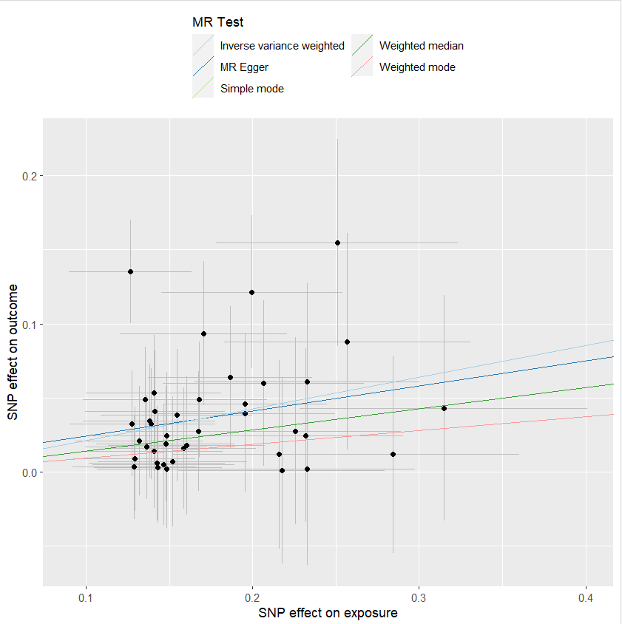

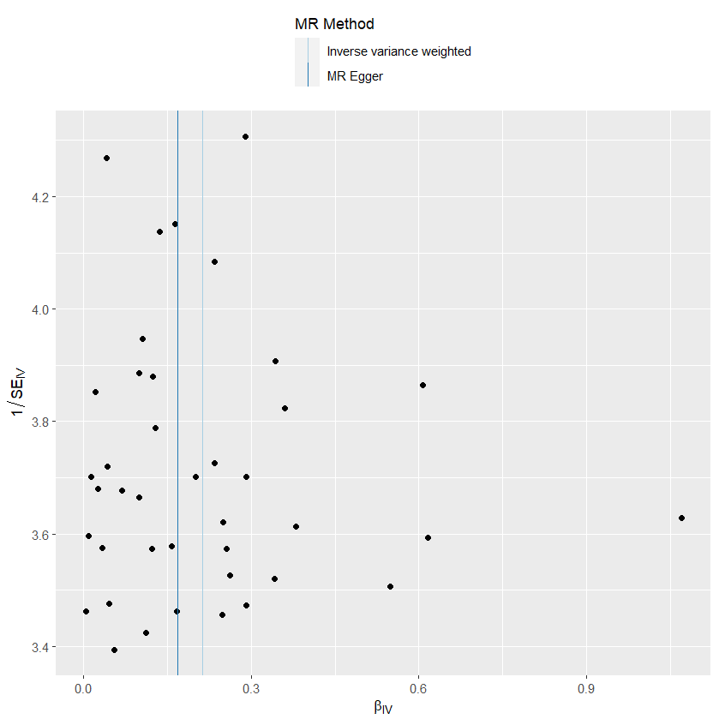

heterogeneity
 | id.exposure | id.outcome | outcome | exposure | method | Q | Q_df | Q_val
1 | J8YM68 | AW0F4O | outcome | exposure | MR Egger | 22.98164 | 38 | 0.9740099
2 | J8YM68 | AW0F4O | outcome | exposure | Inverse variance weighted | 23.03893 | 39 | 0.9802366

pleiotropy
 | id.exposure | id.outcome | outcome | exposure | egger_interept | se | pval
1 | J8YM68 | AW0F4O | outcome | exposure | 0.007463476 | 0.03118245 | 0.8121216

one_exp_乾眼_out_IBS_saige
exposure_dat
outcome_dat
 | id.exposure | id.outcome | outcome | exposure | method | nsnp | b | se | pval | OR | OR 95% C.I. | Beta 95%C.I
1 | lZwcZL | kiXD0b | outcome | exposure | MR Egger | 15 | 0.84262716607 | 0.45776244523 | 0.088589736231 | 2.3224604583 | ( 0.946875912517936 , 5.69644079976148 ) | ( -0.0545872265695557 , 1.73984155871398 )
2 | lZwcZL | kiXD0b | outcome | exposure | Weighted median | 15 | 0.32937391877 | 0.14959661093 | 0.027683170835 | 1.390097542 | ( 1.03682645401517 , 1.86373637433512 ) | ( 0.0361645613513014 , 0.6225832761835 )
3 | lZwcZL | kiXD0b | outcome | exposure | Inverse variance weighted | 15 | 0.40123811268 | 0.10935393421 | 0.00024333976973 | 1.4936728886 | ( 1.20551203455513 , 1.85071457954212 ) | ( 0.1869044016296 , 0.615571823723305 )
4 | lZwcZL | kiXD0b | outcome | exposure | Simple mode | 15 | 0.29626624365 | 0.23099464186 | 0.22047293492 | 1.3448281611 | ( 0.855145837521161 , 2.11491736683731 ) | ( -0.156483254390631 , 0.749015741681704 )
5 | lZwcZL | kiXD0b | outcome | exposure | Weighted mode | 15 | 0.2860716898 | 0.23769683793 | 0.24873352761 | 1.3311878844 | ( 0.835425492095056 , 2.12114808610699 ) | ( -0.17981411254736 , 0.75195749214908 )

presso |  |  |  |  |  |  |  |  |  | 散點圖 |  |  | 森林圖 | 漏斗圖
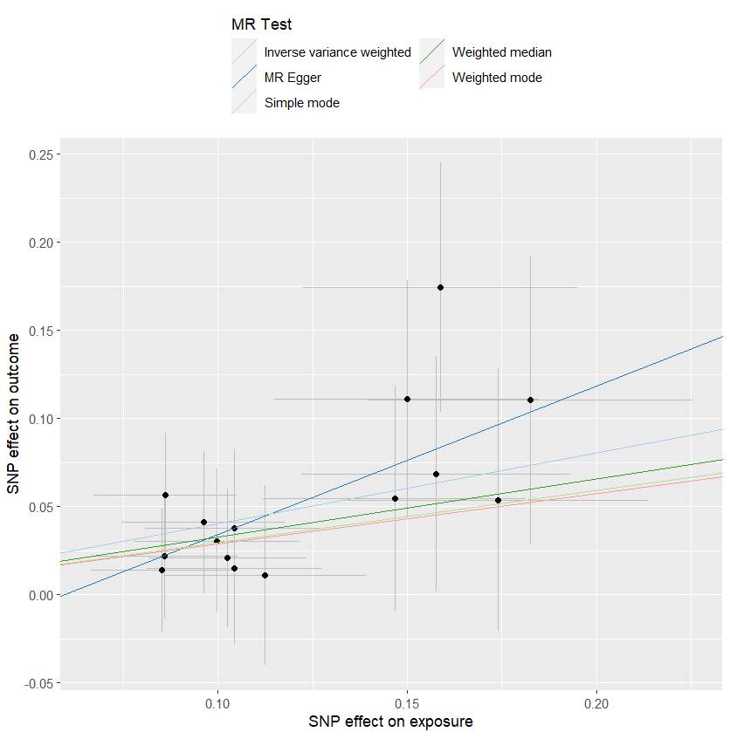

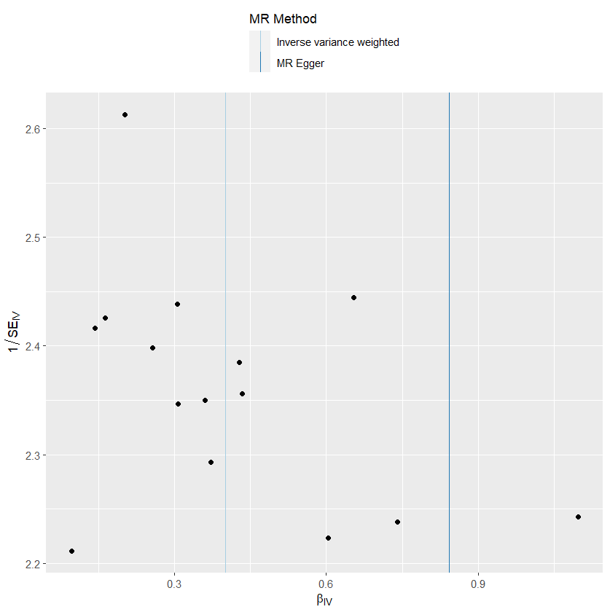

heterogeneity
 | id.exposure | id.outcome | outcome | exposure | method | Q | Q_df | Q_val
1 | lZwcZL | kiXD0b | outcome | exposure | MR Egger | 4.297624 | 13 | 0.9875938
2 | lZwcZL | kiXD0b | outcome | exposure | Inverse variance weighted | 5.283636 | 14 | 0.9814605

pleiotropy
 | id.exposure | id.outcome | outcome | exposure | egger_interept | se | pval
1 | lZwcZL | kiXD0b | outcome | exposure | -0.05003969 | 0.05039338 | 0.3388428

one_exp IBS_out 憂鬱_saige
exposure_dat
outcome_dat
 | id.exposure | id.outcome | outcome | exposure | method | nsnp | b | se | pval | OR | OR 95% C.I. | Beta 95%C.I
1 | O6NLLG | siFYE1 | outcome | exposure | MR Egger | 10 | 0.13811279441 | 0.34728559118 | 0.70125796419 | 1.1481050428 | ( 0.581254276722239 , 2.26775998406778 ) | ( -0.542566964305939 , 0.818792553134812 )
2 | O6NLLG | siFYE1 | outcome | exposure | Weighted median | 10 | 0.22883924569 | 0.11068360784 | 0.038686310299 | 1.2571399321 | ( 1.01197045353261 , 1.56170647412135 ) | ( 0.0118993743250375 , 0.445779117063262 )
3 | O6NLLG | siFYE1 | outcome | exposure | Inverse variance weighted | 10 | 0.28572244592 | 0.082758572657 | 0.00055545544293 | 1.3307230564 | ( 1.13146770453783 , 1.56506796056888 ) | ( 0.12351564351693 , 0.447929248332898 )
4 | O6NLLG | siFYE1 | outcome | exposure | Simple mode | 10 | 0.23882192872 | 0.16572442271 | 0.18343382884 | 1.26975241 | ( 0.917596121654233 , 1.75705971798883 ) | ( -0.085997939795096 , 0.563641797237961 )
5 | O6NLLG | siFYE1 | outcome | exposure | Weighted mode | 10 | 0.24089384147 | 0.16931036109 | 0.18851891127 | 1.2723859535 | ( 0.913059284953065 , 1.7731225577489 ) | ( -0.0909544662641274 , 0.57274214920895 )

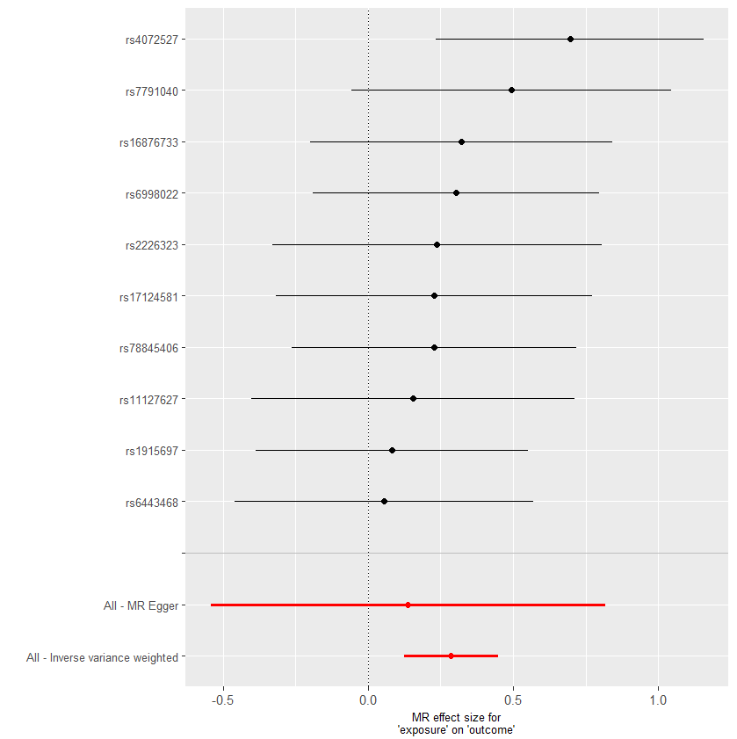
presso |  |  |  |  |  |  |  |  |  | 散點圖 |  |  | 森林圖 | 漏斗圖
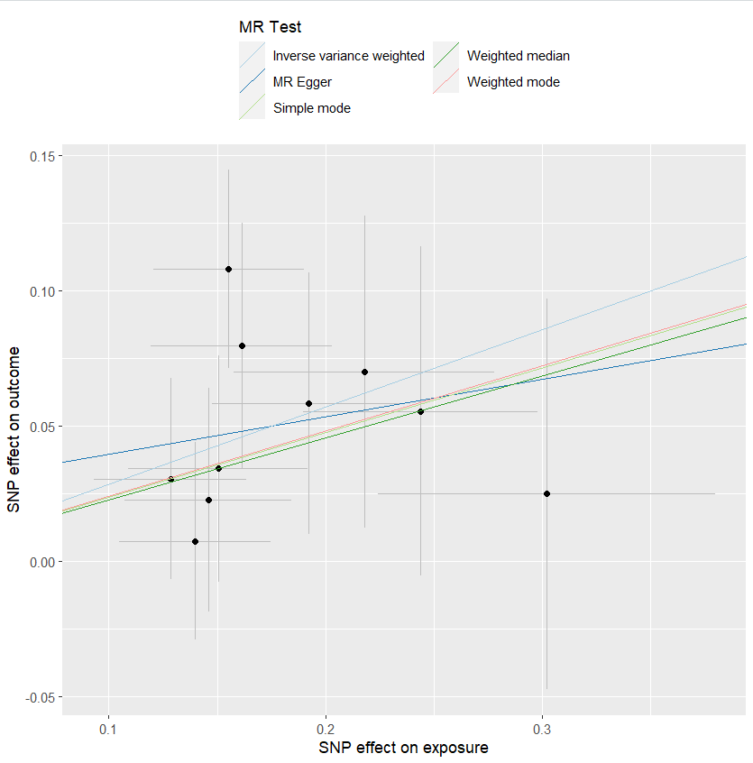
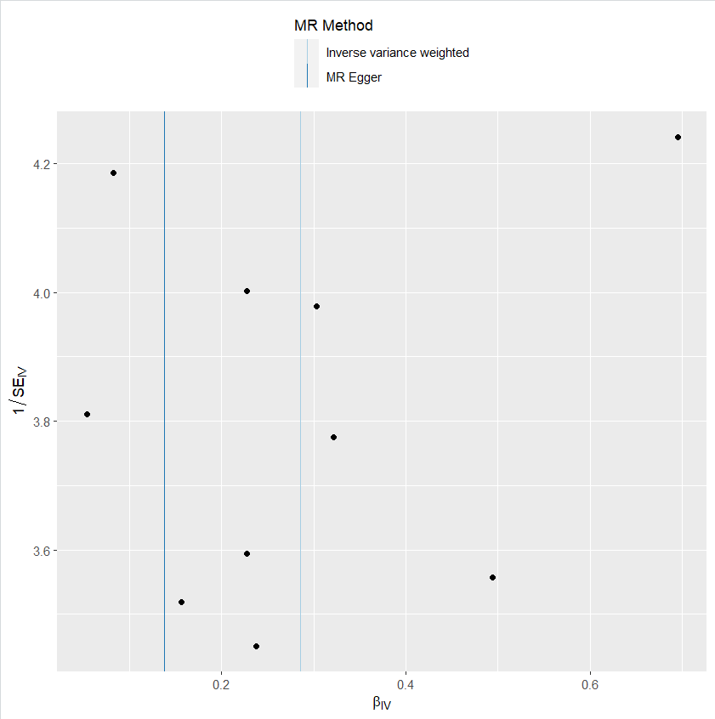

heterogeneity
 | id.exposure | id.outcome | outcome | exposure | method | Q | Q_df | Q_val
1 | O6NLLG | siFYE1 | outcome | exposure | MR Egger | 5.237525 | 8 | 0.7319137
2 | O6NLLG | siFYE1 | outcome | exposure | Inverse variance weighted | 5.429059 | 9 | 0.7954181

pleiotropy
 | id.exposure | id.outcome | outcome | exposure | egger_interept | se | pval
1 | O6NLLG | siFYE1 | outcome | exposure | 0.0258637 | 0.05909726 | 0.6732178

one_exp IBS_out 乾眼_saige
exposure_dat
outcome_dat
 | id.exposure | id.outcome | outcome | exposure | method | nsnp | b | se | pval | OR | OR 95% C.I. | Beta 95%C.I
1 | A70Mw5 | TjcSci | outcome | exposure | MR Egger | 15 | -0.010549082931 | 0.16945884266 | 0.9513094223 | 0.9895063635 | ( 0.70985935896265 , 1.37931948216472 ) | ( -0.342688414536491 , 0.321590248674939 )
2 | A70Mw5 | TjcSci | outcome | exposure | Weighted median | 15 | 0.10640945509 | 0.05366711693 | 0.04739332292 | 1.1122772108 | ( 1.00122265274045 , 1.23564982313064 ) | ( 0.00122190590927294 , 0.211597004275109 )
3 | A70Mw5 | TjcSci | outcome | exposure | Inverse variance weighted | 15 | 0.1406721036 | 0.037533356346 | 0.00017830546134 | 1.1510471619 | ( 1.06940960500142 , 1.23891684036245 ) | ( 0.0671067251654515 , 0.214237482042934 )
4 | A70Mw5 | TjcSci | outcome | exposure | Simple mode | 15 | 0.10572152057 | 0.085399679099 | 0.23608954844 | 1.1115123001 | ( 0.940200761495301 , 1.3140380691599 ) | ( -0.061661850463376 , 0.273104891606133 )
5 | A70Mw5 | TjcSci | outcome | exposure | Weighted mode | 15 | 0.10237164674 | 0.076725892852 | 0.20341900346 | 1.1077951037 | ( 0.953123204249391 , 1.28756700732375 ) | ( -0.0480111032543483 , 0.252754396724783 )

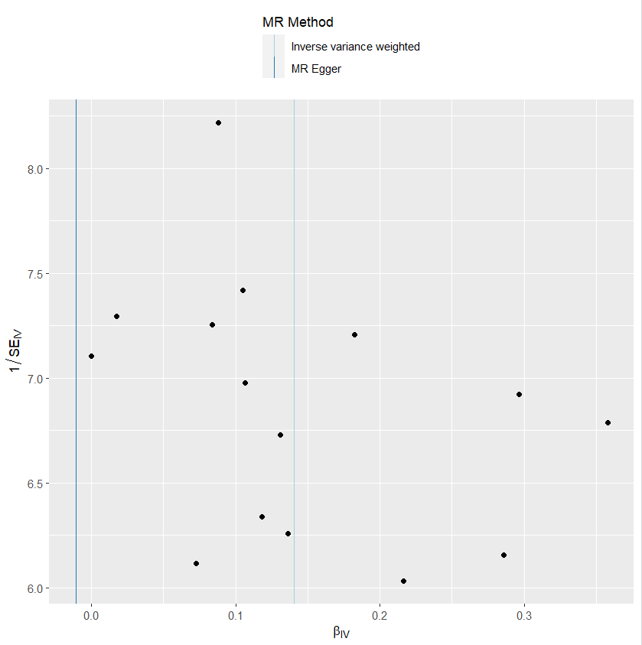
presso |  |  |  |  |  |  |  |  |  | 散點圖 |  |  | 森林圖 | 漏斗圖
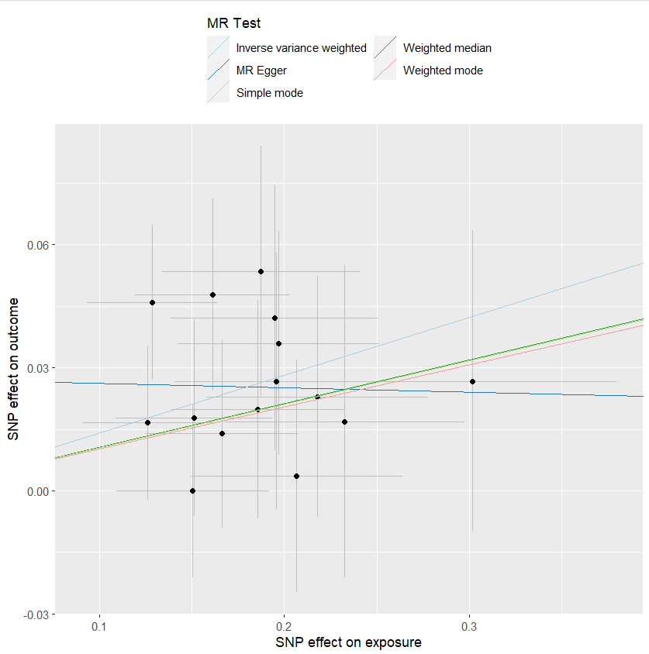
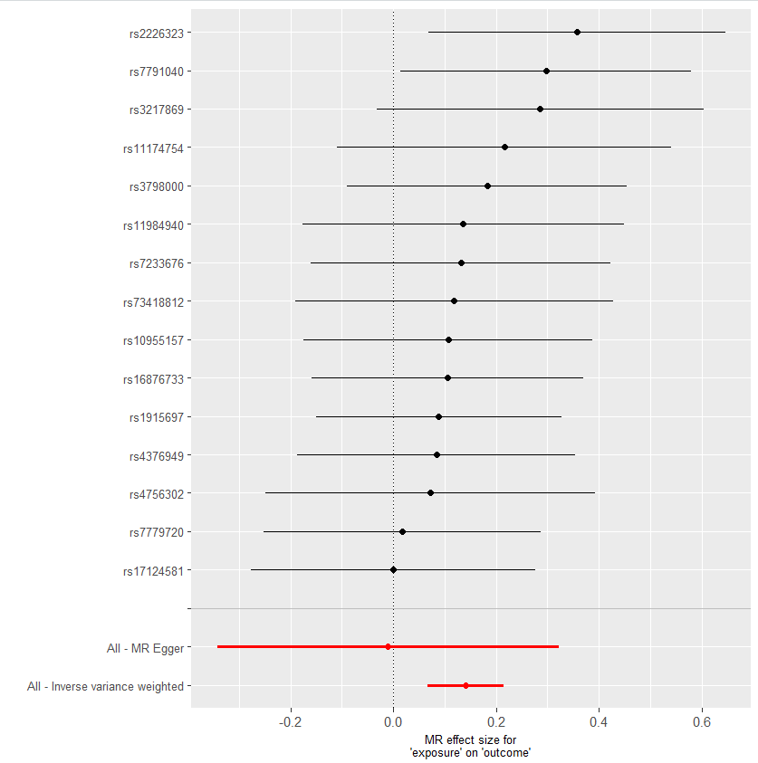

heterogeneity
 | id.exposure | id.outcome | outcome | exposure | method | Q | Q_df | Q_val
1 | A70Mw5 | TjcSci | outcome | exposure | MR Egger | 6.084662 | 13 | 0.9430173
2 | A70Mw5 | TjcSci | outcome | exposure | Inverse variance weighted | 6.92208 | 14 | 0.9376739

pleiotropy
 | id.exposure | id.outcome | outcome | exposure | egger_interept | se | pval
1 | A70Mw5 | TjcSci | outcome | exposure | 0.02722332 | 0.02974883 | 0.3767982

