one_cojo_exp IBS out乾眼(top 60)
exposure_dat | one_ibs_cojo
outcome_dat | one_dry_use_ibs_cojo
 | id.exposure | id.outcome | outcome | exposure | method | nsnp | b | se | pval | OR | OR 95% C.I. | Beta 95%C.I
1 | ephXRG | gypecb | outcome | exposure | MR Egger | 60 | 0.60368210768 | 0.10904317127 | 7.82E-07 | 1.8288404053 | ( 1.47691801169004 , 2.26461943143741 ) | ( 0.389957491981452 , 0.817406723377375 )
2 | ephXRG | gypecb | outcome | exposure | Weighted median | 60 | 0.02823329243 | 0.020322034851 | 0.16474319799 | 1.0286356293 | ( 0.988469100460422 , 1.07043432864867 ) | ( -0.0115978958783271 , 0.0680644807376814 )
3 | ephXRG | gypecb | outcome | exposure | Inverse variance weighted | 60 | 0.084046796346 | 0.015086541928 | 2.53E-08 | 1.0876797921 | ( 1.05598837232485 , 1.12032230757063 ) | ( 0.0544771741674359 , 0.113616418524469 )
4 | ephXRG | gypecb | outcome | exposure | Simple mode | 60 | 0.025525763296 | 0.042707080968 | 0.55233146239 | 1.0258543353 | ( 0.943479996853487 , 1.11542069869229 ) | ( -0.0581801154014702 , 0.109231641993433 )
5 | ephXRG | gypecb | outcome | exposure | Weighted mode | 60 | 0.025525763296 | 0.03894694436 | 0.5147587926 | 1.0258543353 | ( 0.950459005253394 , 1.10723041338532 ) | ( -0.0508102476487883 , 0.101861774240751 )

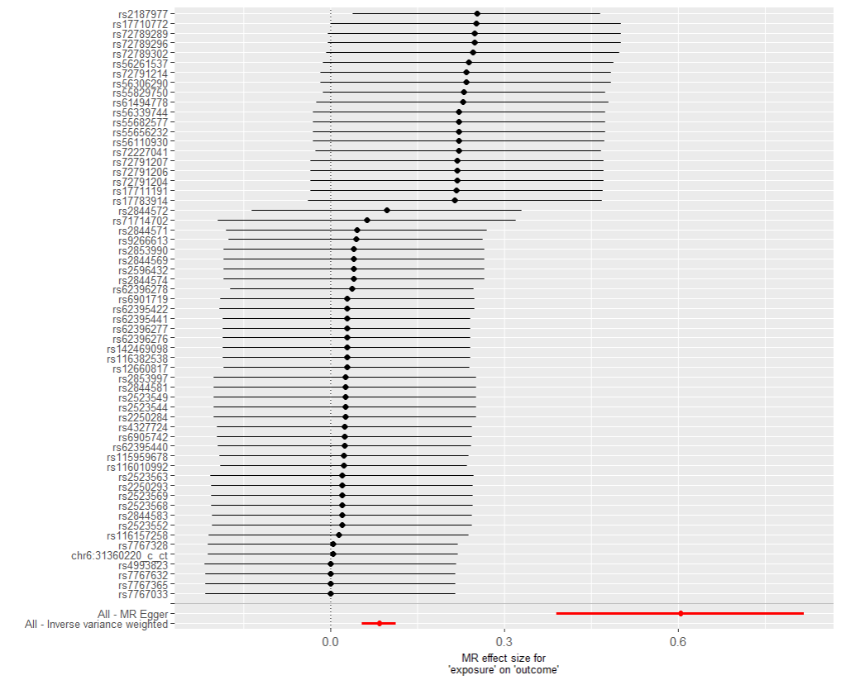
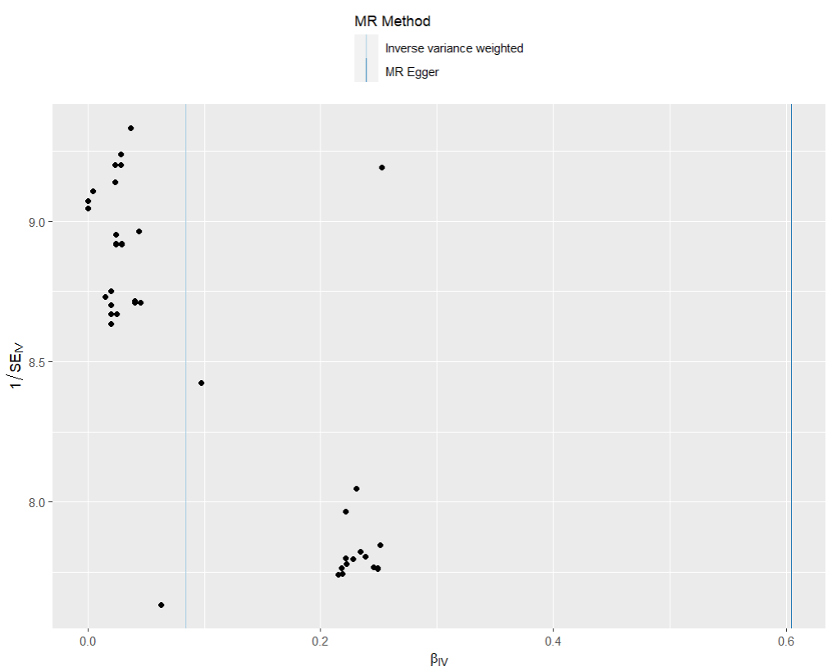
presso |  |  |  |  |  |  |  |  |  | 散點圖 |  |  | 森林圖 | 漏斗圖
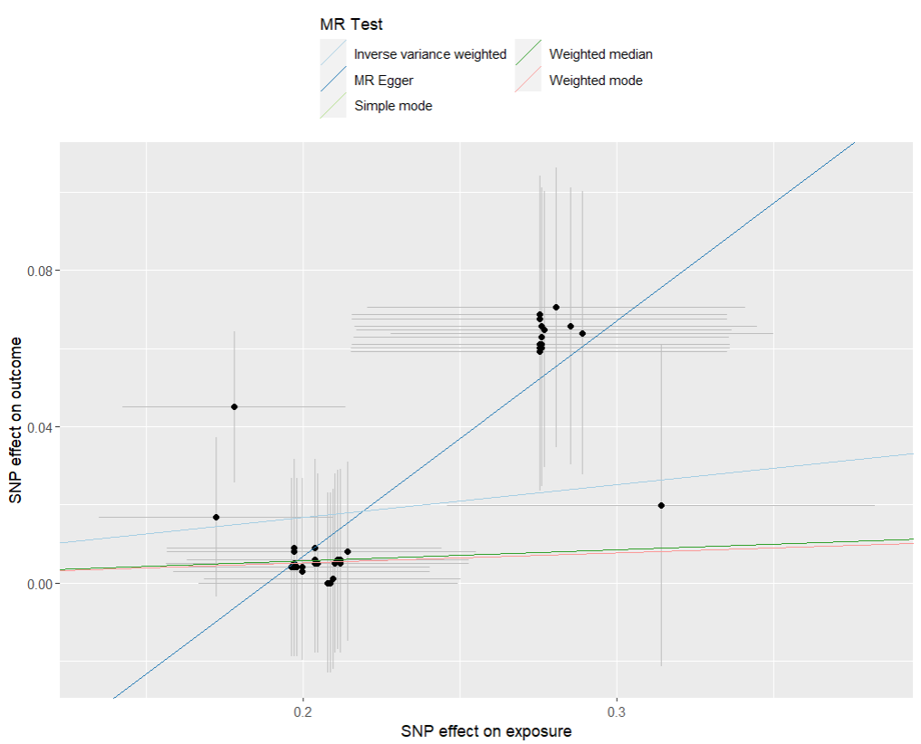

heterogeneity
 | id.exposure | id.outcome | outcome | exposure | method | Q | Q_df | Q_val
1 | ephXRG | gypecb | outcome | exposure | MR Egger | 15.28321 | 58 | 1
2 | ephXRG | gypecb | outcome | exposure | Inverse variance weighted | 38.43551 | 59 | 0.9825363

pleiotropy
 | id.exposure | id.outcome | outcome | exposure | egger_interept | se | pval
1 | ephXRG | gypecb | outcome | exposure | -0.113751 | 0.02364058 | 1.11E-05

one_cojo_exp 乾眼 out IBS(top 15)
exposure_dat | one_dry_cojo
outcome_dat | one_ibs_use_dry_cojo
 | id.exposure | id.outcome | outcome | exposure | method | nsnp | b | se | pval | OR | OR 95% C.I. | Beta 95%C.I
1 | 0CEUWn | vuYlpp | outcome | exposure | MR Egger | 15 | -0.23466966817 | 0.69168444901 | 0.73982242502 | 0.79083204348 | ( 0.203849930993205 , 3.06801831106508 ) | ( -1.59037118823444 , 1.12103185189172 )
2 | 0CEUWn | vuYlpp | outcome | exposure | Weighted median | 15 | 0.47603421896 | 0.13890533616 | 0.000610197953 | 1.6096780965 | ( 1.2260281033852 , 2.11338024574502 ) | ( 0.203779760077721 , 0.748288677836705 )
3 | 0CEUWn | vuYlpp | outcome | exposure | Inverse variance weighted | 15 | 0.36601145626 | 0.10712860145 | 0.00063417335679 | 1.4419717622 | ( 1.16887225272777 , 1.77887922143851 ) | ( 0.15603939741483 , 0.575983515113388 )
4 | 0CEUWn | vuYlpp | outcome | exposure | Simple mode | 15 | 0.50231280139 | 0.24224165516 | 0.057047340492 | 1.6525388485 | ( 1.02790130671718 , 2.65675763610106 ) | ( 0.0275191572852505 , 0.977106445492963 )
5 | 0CEUWn | vuYlpp | outcome | exposure | Weighted mode | 15 | 0.50075726242 | 0.22336029364 | 0.041683398697 | 1.6499702582 | ( 1.06499604644805 , 2.55625536082036 ) | ( 0.0629710868991485 , 0.938543437949216 )

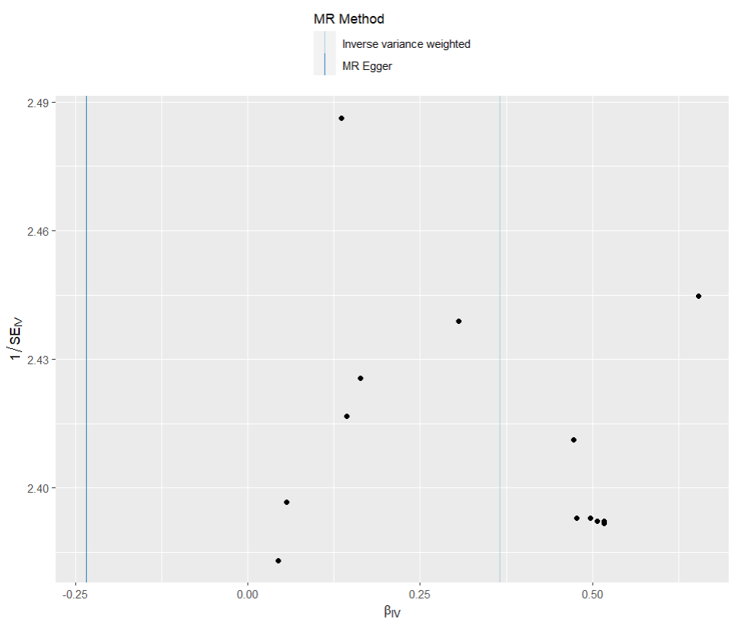
presso |  |  |  |  |  |  |  |  |  | 散點圖 |  |  | 森林圖 | 漏斗圖
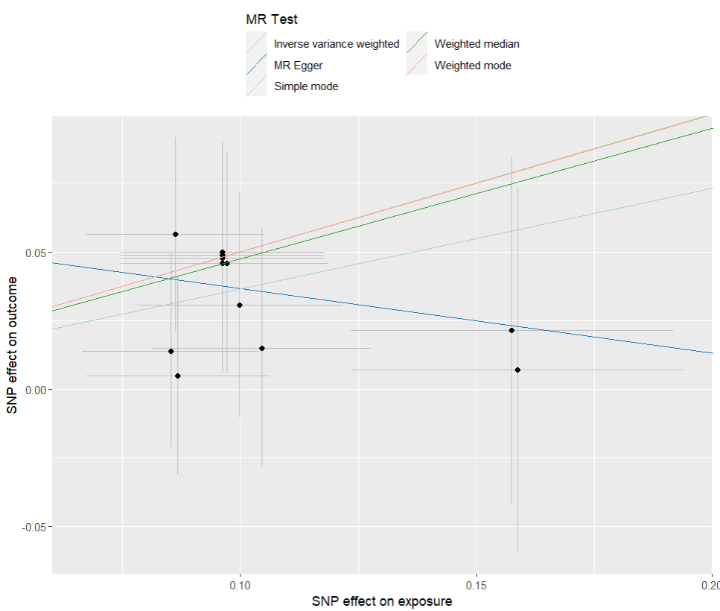
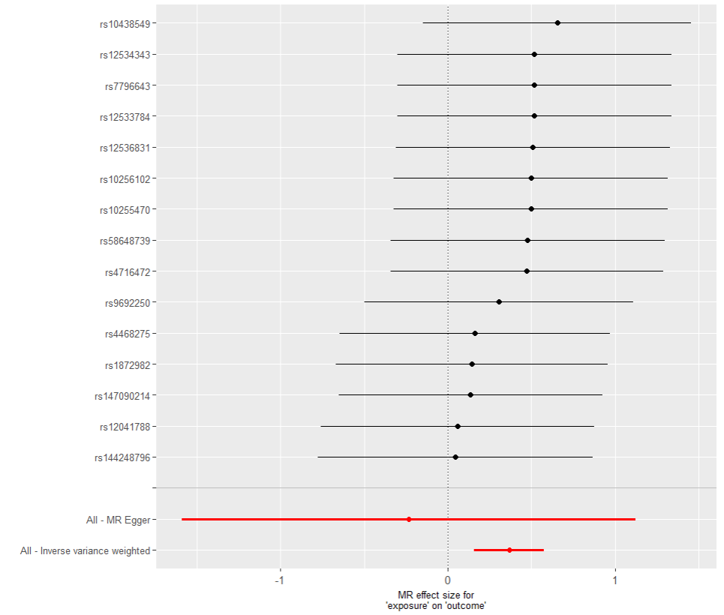

heterogeneity
 | id.exposure | id.outcome | outcome | exposure | method | Q | Q_df | Q_val
1 | 0CEUWn | vuYlpp | outcome | exposure | MR Egger | 2.583316 | 13 | 0.999068
2 | 0CEUWn | vuYlpp | outcome | exposure | Inverse variance weighted | 3.356027 | 14 | 0.9982559

pleiotropy
 | id.exposure | id.outcome | outcome | exposure | egger_interept | se | pval
1 | 0CEUWn | vuYlpp | outcome | exposure | 0.06006703 | 0.06833257 | 3.95E-01

one_cojo exp 憂鬱 out 乾眼(top 40)
exposure_dat | one_dep_cojo
outcome_dat | one_dry_use_dep_cojo
 | id.exposure | id.outcome | outcome | exposure | method | nsnp | b | se | pval | OR | OR 95% C.I. | Beta 95%C.I
1 | rkGTue | BGw3WX | outcome | exposure | MR Egger | 40 | 0.026771869075 | 0.28051950609 | 0.92446944661 | 1.0271334551 | ( 0.592712178524688 , 1.77995859182414 ) | ( -0.523046362863271 , 0.576590101013261 )
2 | rkGTue | BGw3WX | outcome | exposure | Weighted median | 40 | 0.072910293418 | 0.024700822192 | 0.0031599349482 | 1.0756340411 | ( 1.02479919073677 , 1.12899053873455 ) | ( 0.0244966819208901 , 0.121323904915003 )
3 | rkGTue | BGw3WX | outcome | exposure | Inverse variance weighted | 40 | 0.068831178497 | 0.019274995822 | 0.00035560903039 | 1.0712553429 | ( 1.03153933510219 , 1.11250048421463 ) | ( 0.0310521866869084 , 0.106610170307267 )
4 | rkGTue | BGw3WX | outcome | exposure | Simple mode | 40 | 0.075339539105 | 0.048166626083 | 0.12586283252 | 1.0782501968 | ( 0.981113578317888 , 1.18500397170049 ) | ( -0.0190670480167183 , 0.169746126227462 )
5 | rkGTue | BGw3WX | outcome | exposure | Weighted mode | 40 | 0.075339539105 | 0.04907038587 | 0.13277504982 | 1.0782501968 | ( 0.979377202296165 , 1.18710491143779 ) | ( -0.0208384171992909 , 0.171517495410034 )

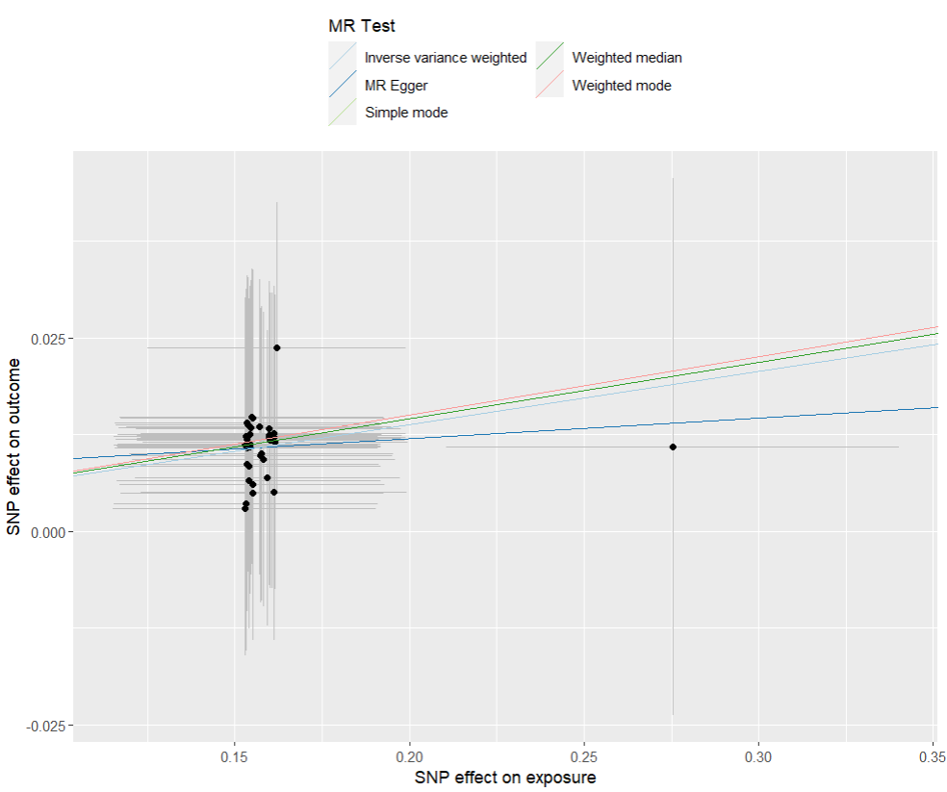
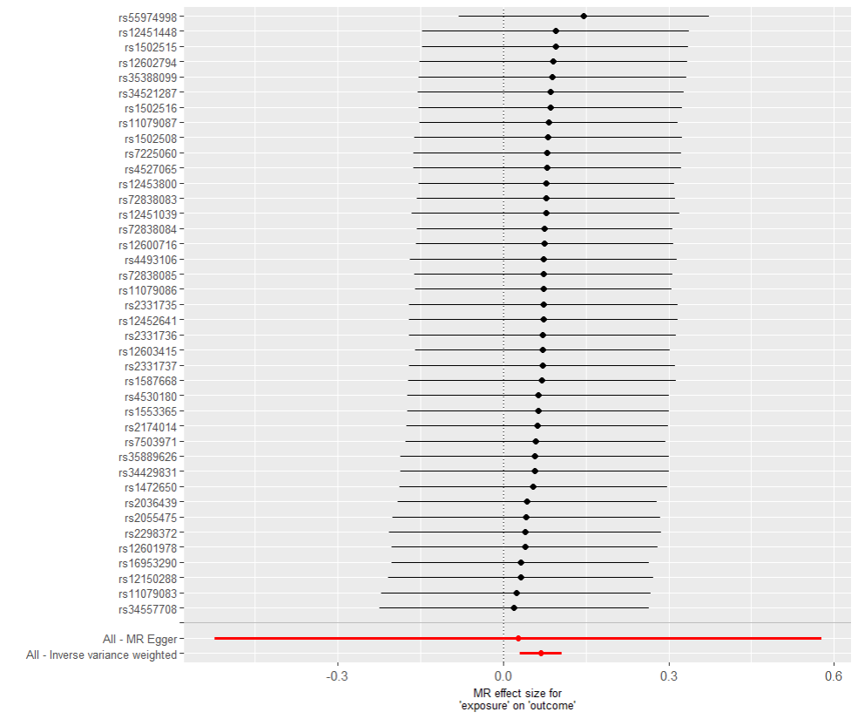
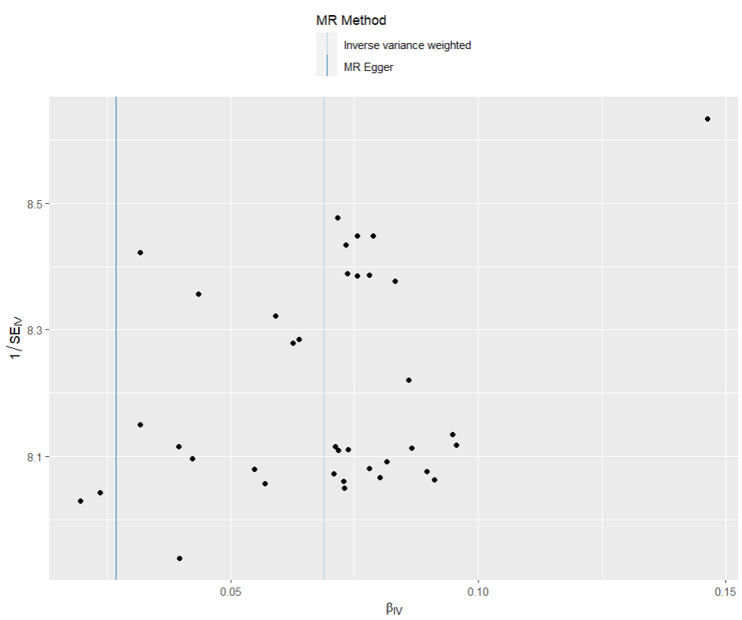
presso |  |  |  |  |  |  |  |  |  | 散點圖 |  |  | 森林圖 | 漏斗圖

heterogeneity
 | id.exposure | id.outcome | outcome | exposure | method | Q | Q_df | Q_val
1 | rkGTue | BGw3WX | outcome | exposure | MR Egger | 1.415321 | 38 | 1
2 | rkGTue | BGw3WX | outcome | exposure | Inverse variance weighted | 1.437908 | 39 | 1

pleiotropy
 | id.exposure | id.outcome | outcome | exposure | egger_interept | se | pval
1 | rkGTue | BGw3WX | outcome | exposure | 0.006642224 | 0.04419639 | 8.81E-01

one_cojo exp 乾眼 out 憂鬱(top 40)
exposure_dat | one_dry_cojo
outcome_dat | one_dep_use_dry_cojo
 | id.exposure | id.outcome | outcome | exposure | method | nsnp | b | se | pval | OR | OR 95% C.I. | Beta 95%C.I
1 | OkzGD6 | PDvgYv | outcome | exposure | MR Egger | 39 | 0.64075589389 | 0.28379205969 | 0.02994430676 | 1.8979149595 | ( 1.08819836969409 , 3.31013287098505 ) | ( 0.0845234569010345 , 1.19698833087485 )
2 | OkzGD6 | PDvgYv | outcome | exposure | Weighted median | 39 | 0.31418157934 | 0.085484066289 | 0.00023754842013 | 1.3691383212 | ( 1.15792870443641 , 1.61887319609088 ) | ( 0.146632809411219 , 0.481730349263029 )
3 | OkzGD6 | PDvgYv | outcome | exposure | Inverse variance weighted | 39 | 0.28277036959 | 0.068843640506 | 4.00E-05 | 1.3268004531 | ( 1.15932371894489 , 1.5184709961339 ) | ( 0.147836834197587 , 0.41770390498138 )
4 | OkzGD6 | PDvgYv | outcome | exposure | Simple mode | 39 | 0.32962767218 | 0.17103495606 | 0.061448692714 | 1.3904503287 | ( 0.994414813775942 , 1.94421089657491 ) | ( -0.00560084169633412 , 0.664856186046523 )
5 | OkzGD6 | PDvgYv | outcome | exposure | Weighted mode | 39 | 0.32962767218 | 0.17904551329 | 0.073435000326 | 1.3904503287 | ( 0.978923741391942 , 1.97497724788005 ) | ( -0.0213015338758057 , 0.680556878225994 )
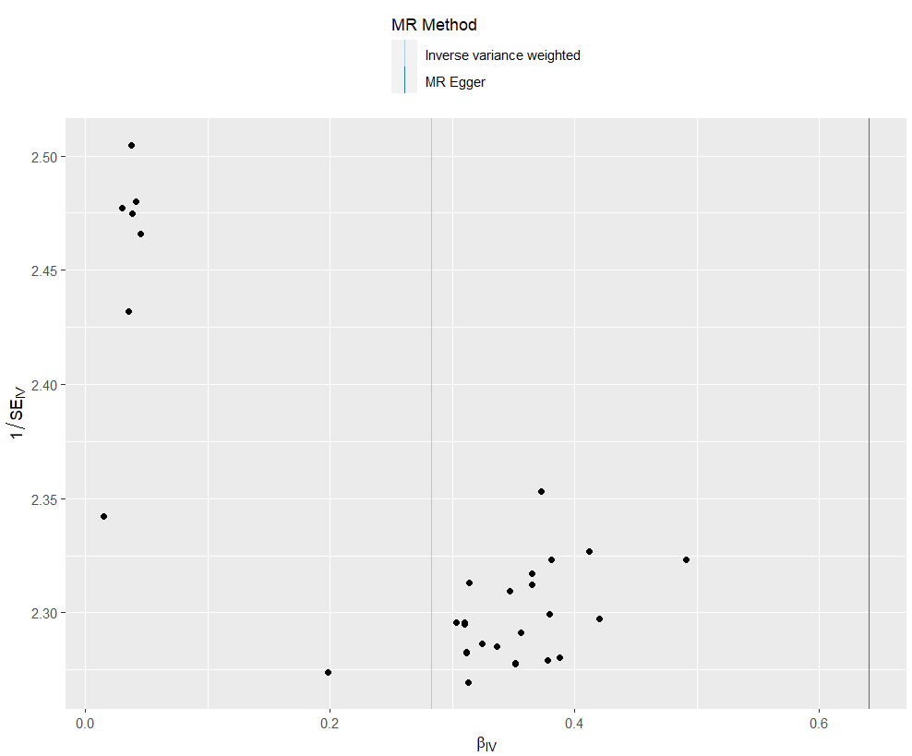
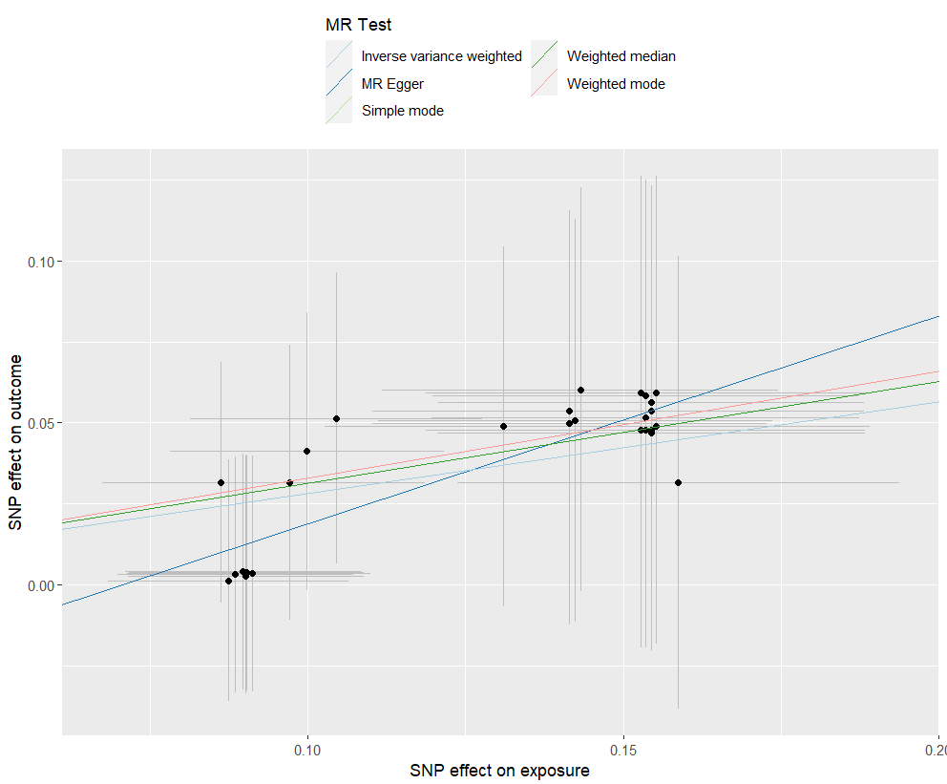
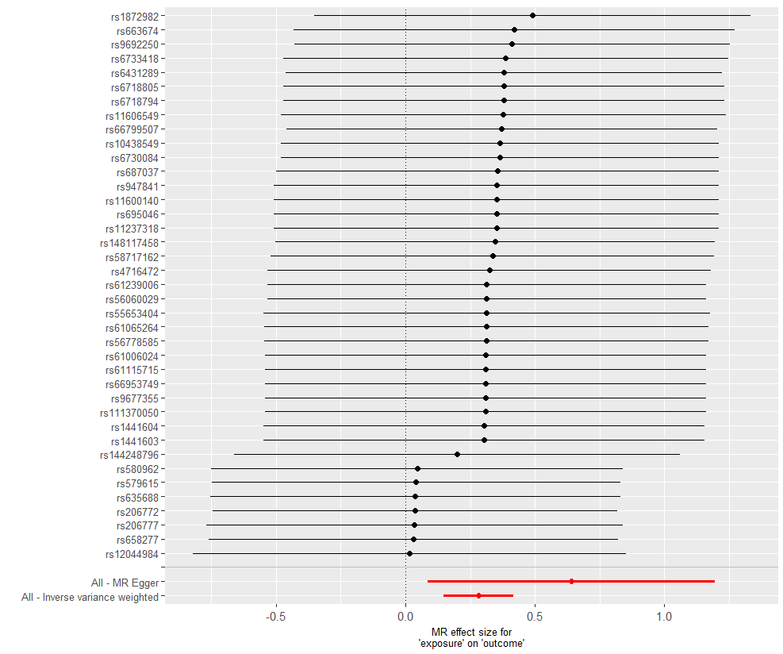
presso |  |  |  |  |  |  |  |  |  | 散點圖 |  |  | 森林圖 | 漏斗圖

heterogeneity
 | id.exposure | id.outcome | outcome | exposure | method | Q | Q_df | Q_val
1 | OkzGD6 | PDvgYv | outcome | exposure | MR Egger | 1.96105 | 37 | 1
2 | OkzGD6 | PDvgYv | outcome | exposure | Inverse variance weighted | 3.651765 | 38 | 1

pleiotropy
 | id.exposure | id.outcome | outcome | exposure |  | se | pval
1 | OkzGD6 | PDvgYv | outcome | exposure | -0.04510737 | 0.03469064 | 2.02E-01

one_cojo exp IBS out 憂鬱(top 60)
exposure_dat | one_ibs_cojo
outcome_dat | one_dep_use_ibs_cojo
 | id.exposure | id.outcome | outcome | exposure | method | nsnp | b | se | pval | OR | OR 95% C.I. | Beta 95%C.I
1 | LeuqiJ | gzpYcD | outcome | exposure | MR Egger | 60 | -0.053264667933 | 0.40013665161 | 0.89456227007 | 0.94812903992 | ( 0.43277708227073 , 2.07716330915657 ) | ( -0.837532505091418 , 0.73100316922552 )
2 | LeuqiJ | gzpYcD | outcome | exposure | Weighted median | 60 | 0.12479996781 | 0.041313434976 | 0.0025210090296 | 1.1329218096 | ( 1.04480016268706 , 1.22847590613254 ) | ( 0.0438256352512126 , 0.205774300359045 )
3 | LeuqiJ | gzpYcD | outcome | exposure | Inverse variance weighted | 60 | 0.12639418709 | 0.033240888236 | 0.00014331793566 | 1.1347293758 | ( 1.06315621591671 , 1.21112094069597 ) | ( 0.0612420461512331 , 0.191546328036923 )
4 | LeuqiJ | gzpYcD | outcome | exposure | Simple mode | 60 | 0.13746839382 | 0.093356537412 | 0.14619812676 | 1.1473654416 | ( 0.955509646578916 , 1.37774376344437 ) | ( -0.0455104195087991 , 0.320447207147391 )
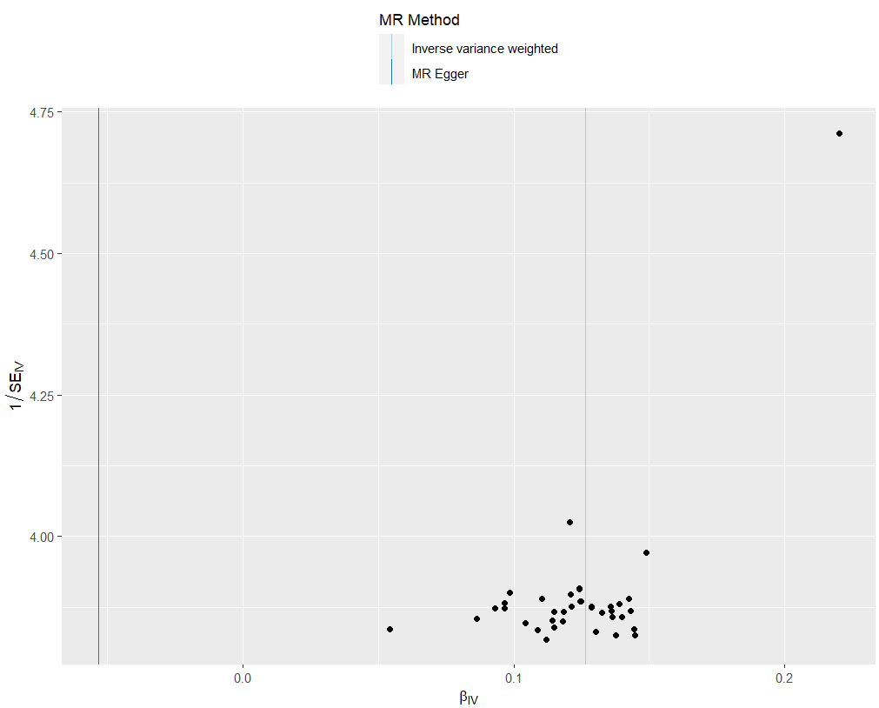
5 | LeuqiJ | gzpYcD | outcome | exposure | Weighted mode | 60 | 0.13746839382 | 0.088701464369 | 0.12654049996 | 1.1473654416 | ( 0.964267554861607 , 1.36523047970226 ) | ( -0.0363864763435697 , 0.311323263982162 )

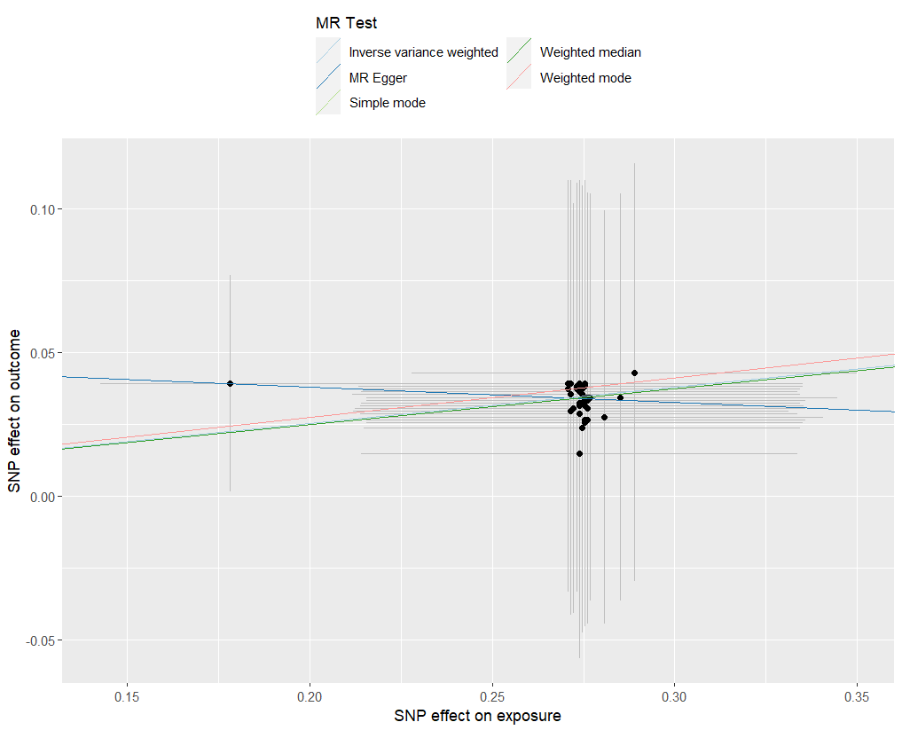
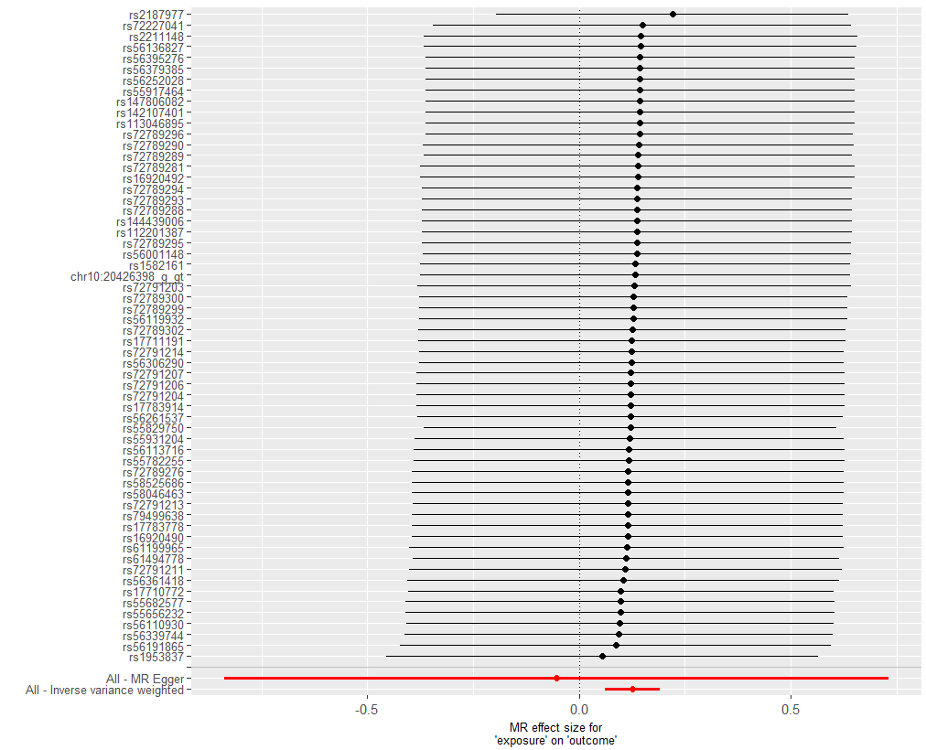
presso |  |  |  |  |  |  |  |  |  | 散點圖 |  |  | 森林圖 | 漏斗圖

heterogeneity
 | id.exposure | id.outcome | outcome | exposure | method | Q | Q_df | Q_val
1 | LeuqiJ | gzpYcD | outcome | exposure | MR Egger | 0.271194 | 58 | 1
2 | LeuqiJ | gzpYcD | outcome | exposure | Inverse variance weighted | 0.4741903 | 59 | 1

pleiotropy
 | id.exposure | id.outcome | outcome | exposure | egger_interept | se | pval
1 | LeuqiJ | gzpYcD | outcome | exposure | 0.04870843 | 0.1081086 | 6.54E-01

one_cojo exp 憂鬱 out IBS(top 20)
exposure_dat | one_dep_cojo
outcome_dat | one_ibs_use_dep_cojo
 | id.exposure | id.outcome | outcome | exposure | method | nsnp | b | se | pval | OR | OR 95% C.I. | Beta 95%C.I
1 | hsTMSa | h6Hvh4 | outcome | exposure | MR Egger | 20 | 0.0021004770156 | 0.30839408784 | 0.99464055732 | 1.0021026846 | ( 0.547522383428192 , 1.83409814977841 ) | ( -0.6023519351533 , 0.606552889184423 )
2 | hsTMSa | h6Hvh4 | outcome | exposure | Weighted median | 20 | 0.17773581456 | 0.069600982209 | 0.010660357836 | 1.1945097075 | ( 1.04218335196046 , 1.36910020540299 ) | ( 0.0413178894260946 , 0.314153739685307 )
3 | hsTMSa | h6Hvh4 | outcome | exposure | Inverse variance weighted | 20 | 0.19675111525 | 0.056104447444 | 0.00045340720916 | 1.2174410005 | ( 1.09066368717398 , 1.35895474207173 ) | ( 0.0867863982599579 , 0.306715832238993 )
4 | hsTMSa | h6Hvh4 | outcome | exposure | Simple mode | 20 | 0.16629107448 | 0.11767325374 | 0.17378246604 | 1.1809167864 | ( 0.93767815906579 , 1.4872527881854 ) | ( -0.0643485028553457 , 0.396930651809552 )
5 | hsTMSa | h6Hvh4 | outcome | exposure | Weighted mode | 20 | 0.16629107448 | 0.11738194592 | 0.17276831091 | 1.1809167864 | ( 0.938213691785577 , 1.48640386374778 ) | ( -0.0637775395195947 , 0.396359688473801 )

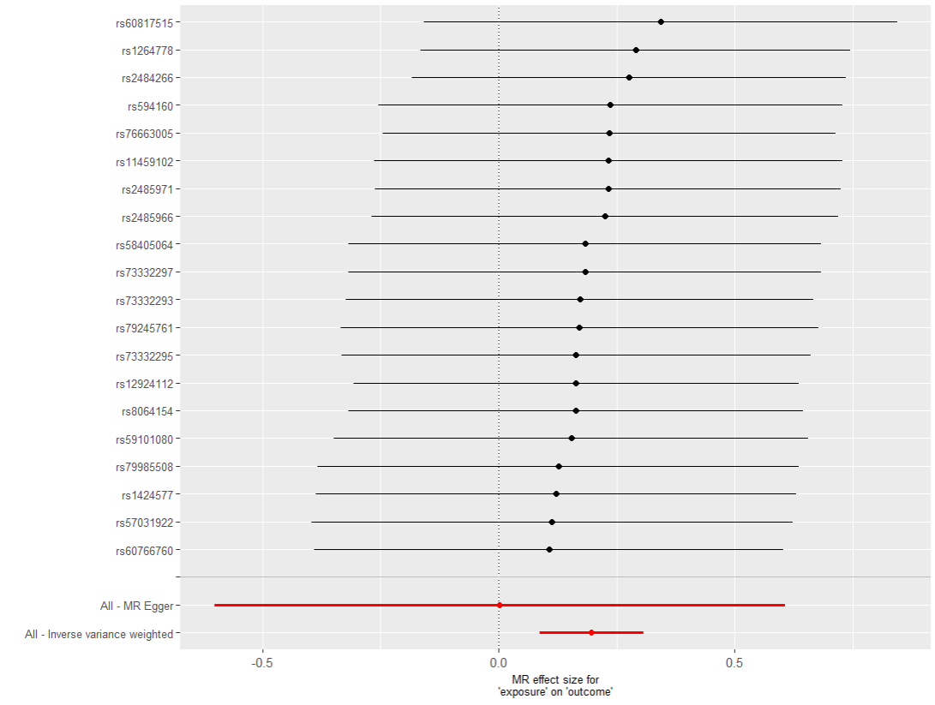
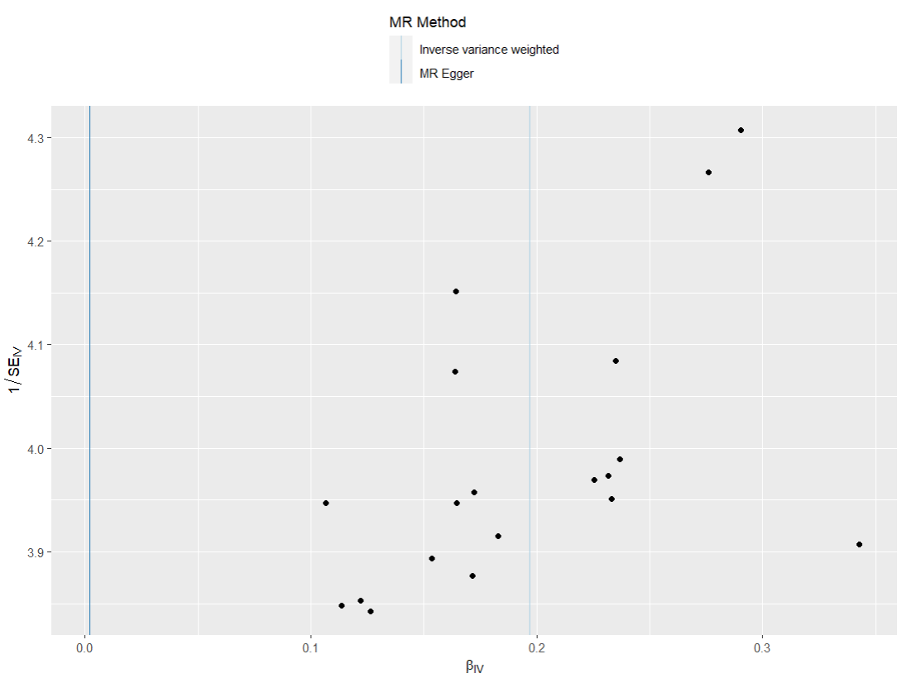
presso |  |  |  |  |  |  |  |  |  | 散點圖 |  |  | 森林圖 | 漏斗圖
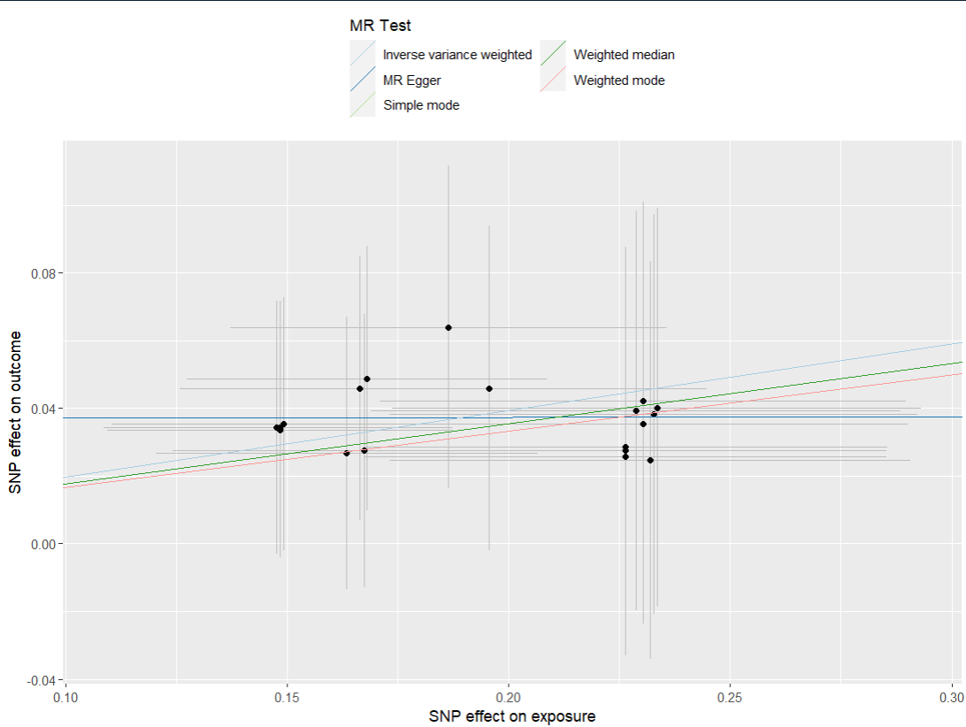

heterogeneity
 | id.exposure | id.outcome | outcome | exposure | method | Q | Q_df | Q_val
1 | hsTMSa | h6Hvh4 | outcome | exposure | MR Egger | 0.7851861 | 18 | 1
2 | hsTMSa | h6Hvh4 | outcome | exposure | Inverse variance weighted | 1.1972044 | 19 | 1

pleiotropy
 | id.exposure | id.outcome | outcome | exposure | egger_interept | se | pval
1 | hsTMSa | h6Hvh4 | outcome | exposure | 0.03684082 | 0.05739461 | 5.29E-01

