two_cojo exp IBS out 乾眼(top 15)
exposure_dat | two_ibs_cojo
outcome_dat | two_dry_use_ibs_cojo
 | id.exposure | id.outcome | outcome | exposure | method | nsnp | b | se | pval | OR | OR 95% C.I. | Beta 95%C.I
1 | xquPTp | eklwO8 | outcome | exposure | MR Egger | 15 | 0.20508053572 | 0.16731270313 | 0.24204177303 | 1.2276239286 | ( 0.884394222761237 , 1.70405965031864 ) | ( -0.12285236240232 , 0.533013433849969 )
2 | xquPTp | eklwO8 | outcome | exposure | Weighted median | 15 | 0.1494410504 | 0.046697239843 | 0.0013732670916 | 1.1611850174 | ( 1.0596243518864 , 1.27247985781515 ) | ( 0.0579144603019391 , 0.240967640488307 )
3 | xquPTp | eklwO8 | outcome | exposure | Inverse variance weighted | 15 | 0.13185861223 | 0.034741422534 | 0.00014738820686 | 1.1409469919 | ( 1.06584234847225 , 1.22134388845684 ) | ( 0.063765424067765 , 0.199951800401875 )
4 | xquPTp | eklwO8 | outcome | exposure | Simple mode | 15 | 0.15117423997 | 0.080079638816 | 0.079956702665 | 1.1631993162 | ( 0.994234830625975 , 1.3608783434364 ) | ( -0.00578185211309171 , 0.308130332044629 )
5 | xquPTp | eklwO8 | outcome | exposure | Weighted mode | 15 | 0.15058947418 | 0.081871422549 | 0.087165523065 | 1.1625193159 | ( 0.990170118234534 , 1.36486764747052 ) | ( -0.00987851401517981 , 0.311057462375785 )
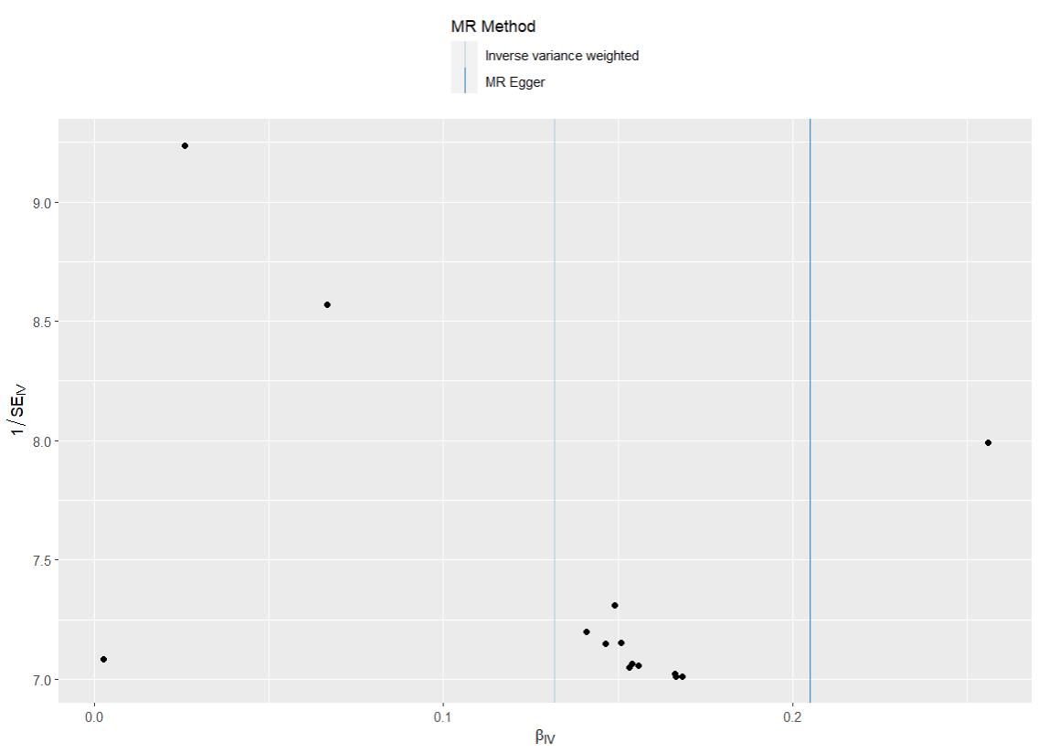
presso |  |  |  |  |  |  |  |  |  | 散點圖 |  |  | 森林圖 | 漏斗圖
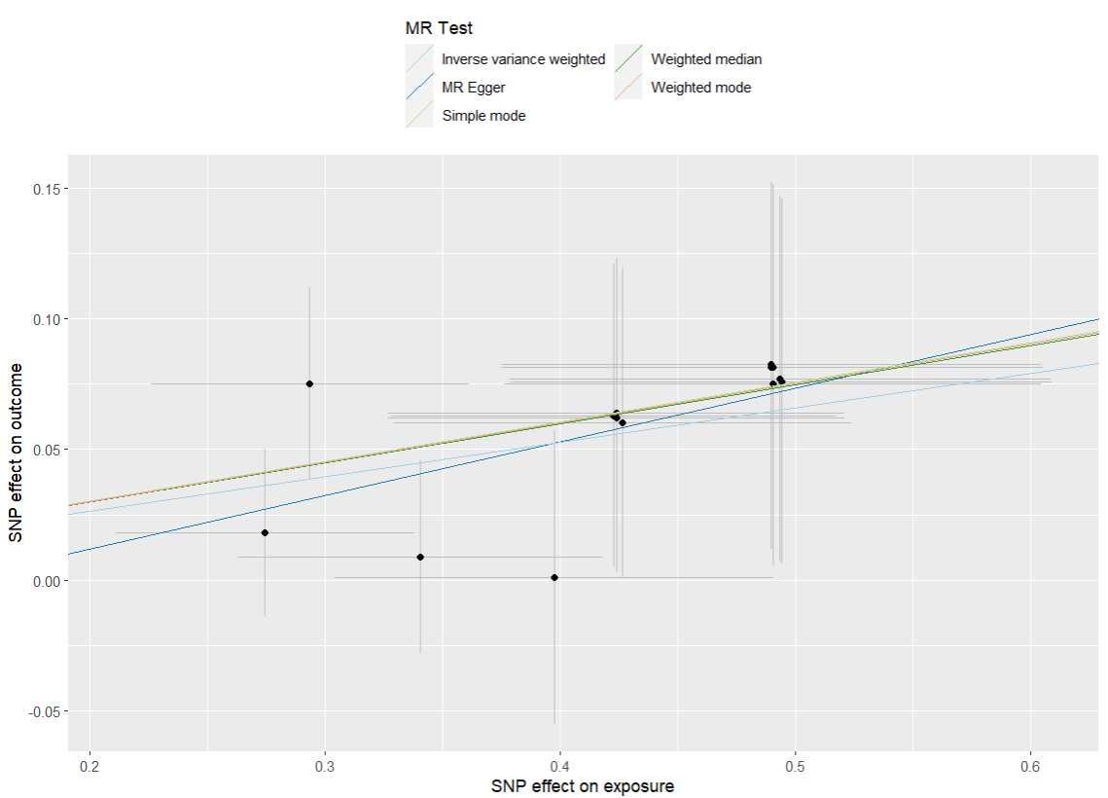
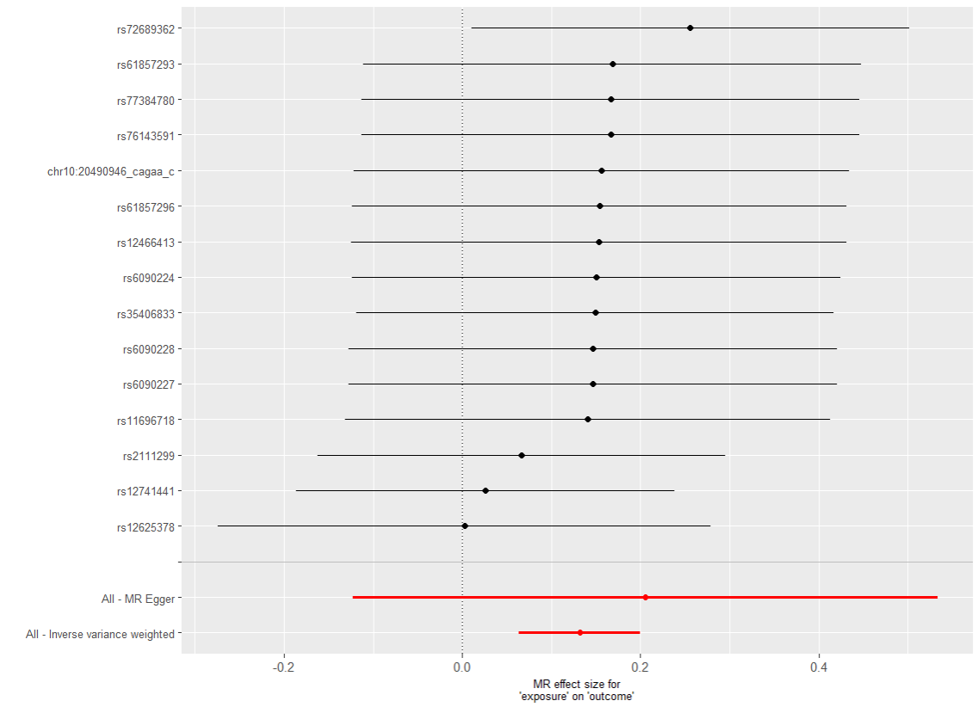

heterogeneity
 | id.exposure | id.outcome | outcome | exposure | method | Q | Q_df | Q_val
1 | xquPTp | eklwO8 | outcome | exposure | MR Egger | 3.212739 | 13 | 0.997052
2 | xquPTp | eklwO8 | outcome | exposure | Inverse variance weighted | 3.412893 | 14 | 0.9980851

pleiotropy
 | id.exposure | id.outcome | outcome | exposure | egger_interept | se | pval
1 | xquPTp | eklwO8 | outcome | exposure | -0.0292163 | 0.06530443 | 6.62E-01

two_cojo exp 乾眼 out IBS(top 60)
exposure_dat | two_dry_cojo
outcome_dat | two_ibs_use_dry_cojo
 | id.exposure | id.outcome | outcome | exposure | method | nsnp | b | se | pval | OR | OR 95% C.I. | Beta 95%C.I
1 | 6rt23N | yW6iCJ | outcome | exposure | MR Egger | 60 | 0.16378732698 | 0.18642264788 | 0.38325402211 | 1.1779637673 | ( 0.817420962483305 , 1.69753248431754 ) | ( -0.201601062862341 , 0.5291757168317 )
2 | 6rt23N | yW6iCJ | outcome | exposure | Weighted median | 60 | 0.23678818006 | 0.0704575755 | 0.00077739603591 | 1.2671726769 | ( 1.10372556230136 , 1.45482414102086 ) | ( 0.0986913320806099 , 0.374885028040904 )
3 | 6rt23N | yW6iCJ | outcome | exposure | Inverse variance weighted | 60 | 0.23540672378 | 0.054820589544 | 1.75E-05 | 1.2654233418 | ( 1.13650568701936 , 1.4089645589807 ) | ( 0.127958368274499 , 0.34285507928628 )
4 | 6rt23N | yW6iCJ | outcome | exposure | Simple mode | 60 | 0.3067136271 | 0.16056626095 | 0.060971797107 | 1.3589517454 | ( 0.992035640557627 , 1.86157610756589 ) | ( -0.00799624436117996 , 0.621423498569204 )
5 | 6rt23N | yW6iCJ | outcome | exposure | Weighted mode | 60 | 0.024452030366 | 0.15935374196 | 0.87857100678 | 1.0247534329 | ( 0.749850591311596 , 1.40043844783103 ) | ( -0.287881303881582 , 0.336785364613691 )
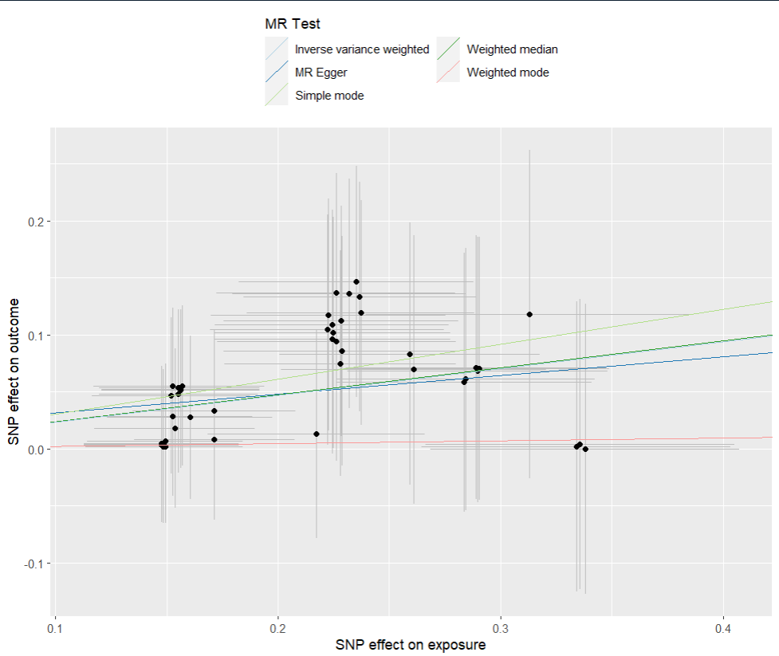
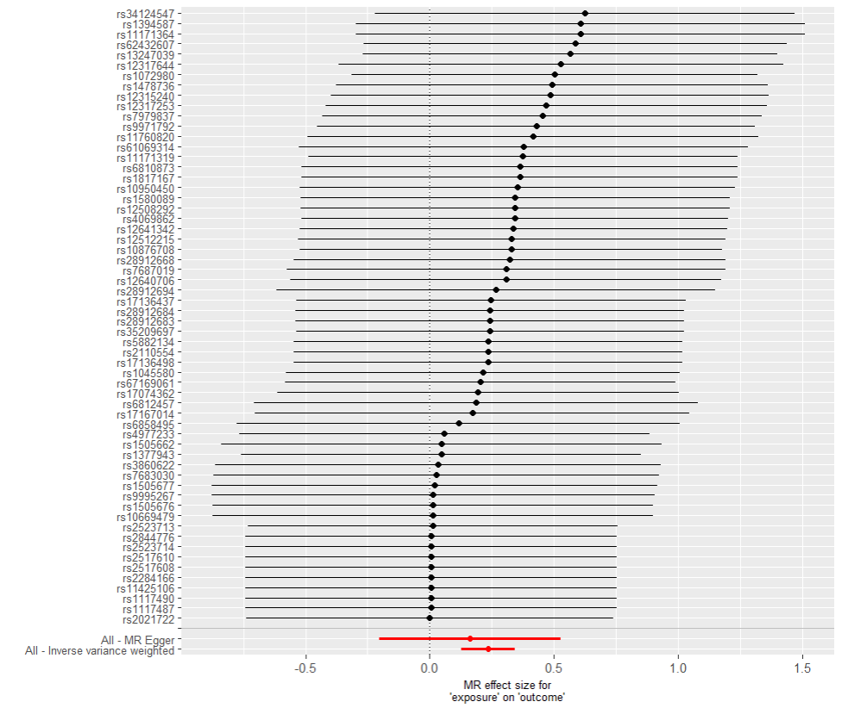
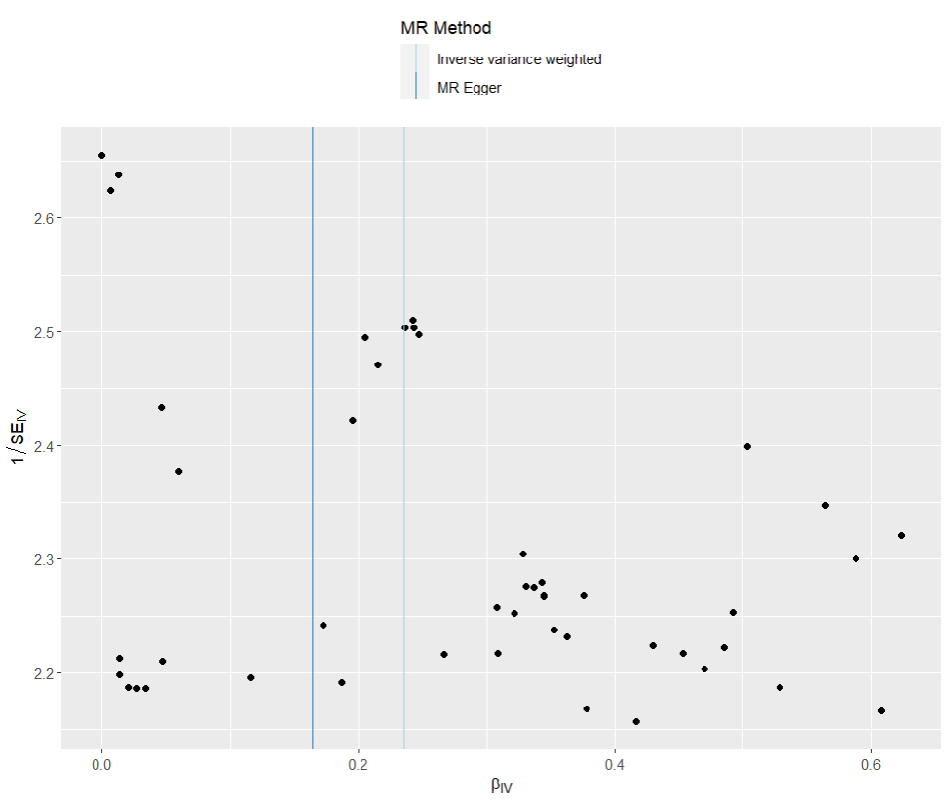
presso |  |  |  |  |  |  |  |  |  | 散點圖 |  |  | 森林圖 | 漏斗圖

heterogeneity
 | id.exposure | id.outcome | outcome | exposure | method | Q | Q_df | Q_val
1 | 6rt23N | yW6iCJ | outcome | exposure | MR Egger | 12.01899 | 58 | 1
2 | 6rt23N | yW6iCJ | outcome | exposure | Inverse variance weighted | 10.001336 | 59 | 1

pleiotropy
 | id.exposure | id.outcome | outcome | exposure | egger_interept | se | pval
1 | 6rt23N | yW6iCJ | outcome | exposure | -0.03384115 | 0.04395551 | 4.46E-01

two_cojo exp 憂鬱 out 乾眼 (top 40)
exposure_dat | two_dep_cojo
outcome_dat | two_dry_use_dep_cojo
 | id.exposure | id.outcome | outcome | exposure | method | nsnp | b | se | pval | OR | OR 95% C.I. | Beta 95%C.I
1 | DyaZCv | oSwnhn | outcome | exposure | MR Egger | 38 | 0.23260446301 | 0.1610594202 | 0.15732598095 | 1.2618822595 | ( 0.920284883789606 , 1.73027598829601 ) | ( -0.0830720005796159 , 0.548280926592946 )
2 | DyaZCv | oSwnhn | outcome | exposure | Weighted median | 38 | 0.099347219636 | 0.030183991158 | 0.00099694383923 | 1.1044497196 | ( 1.04100500444653 , 1.171761113498 ) | ( 0.0401865969666425 , 0.158507842305676 )
3 | DyaZCv | oSwnhn | outcome | exposure | Inverse variance weighted | 38 | 0.10983855771 | 0.022656649599 | 1.25E-06 | 1.1160978705 | ( 1.06761962901324 , 1.1667774015302 ) | ( 0.0654315244912784 , 0.15424559092037 )
4 | DyaZCv | oSwnhn | outcome | exposure | Simple mode | 38 | 0.10520493738 | 0.060771238114 | 0.091754984 | 1.1109382598 | ( 0.986189561983026 , 1.25146712627174 ) | ( -0.0139066893253629 , 0.224316564083039 )
5 | DyaZCv | oSwnhn | outcome | exposure | Weighted mode | 38 | 0.10520493738 | 0.061696387317 | 0.096540044719 | 1.1109382598 | ( 0.984402932239923 , 1.25373846082092 ) | ( -0.0157199817619082 , 0.226129856519584 )
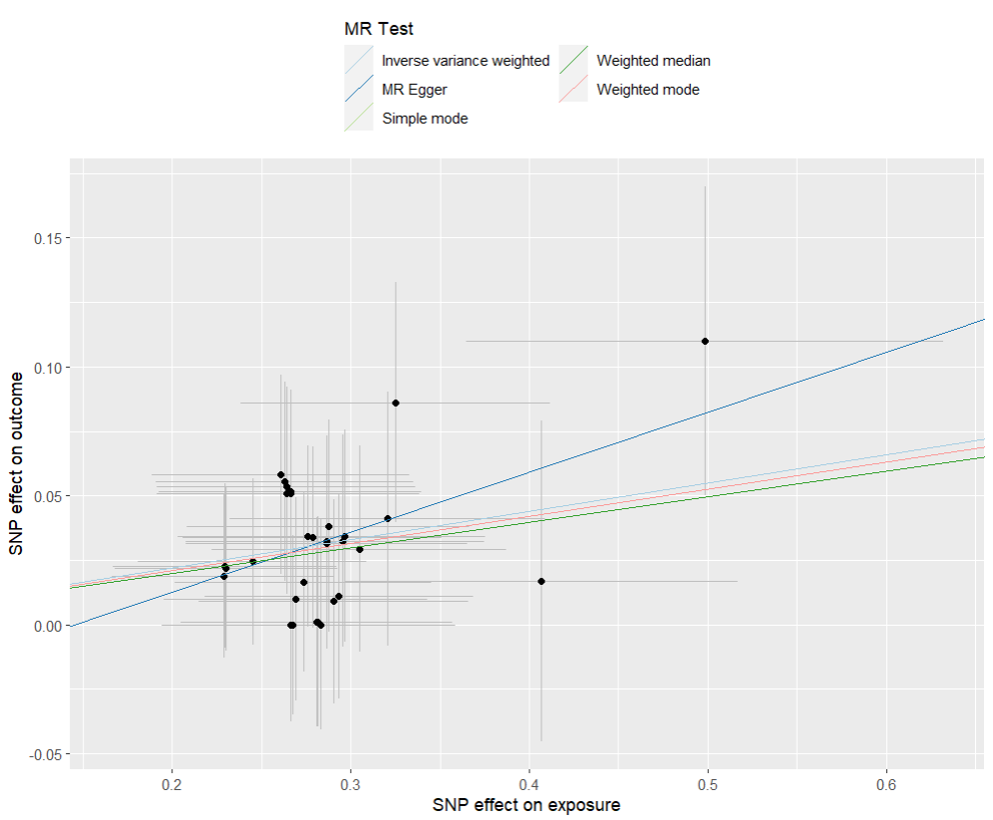
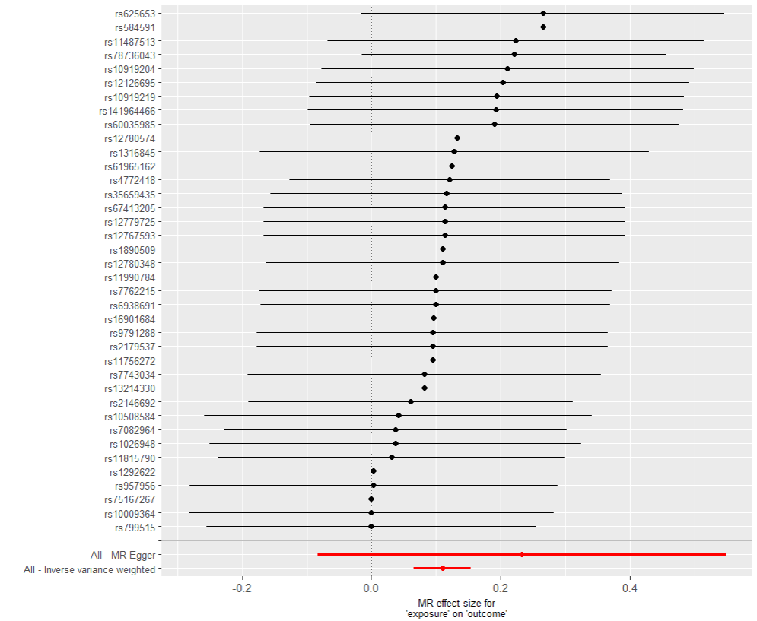
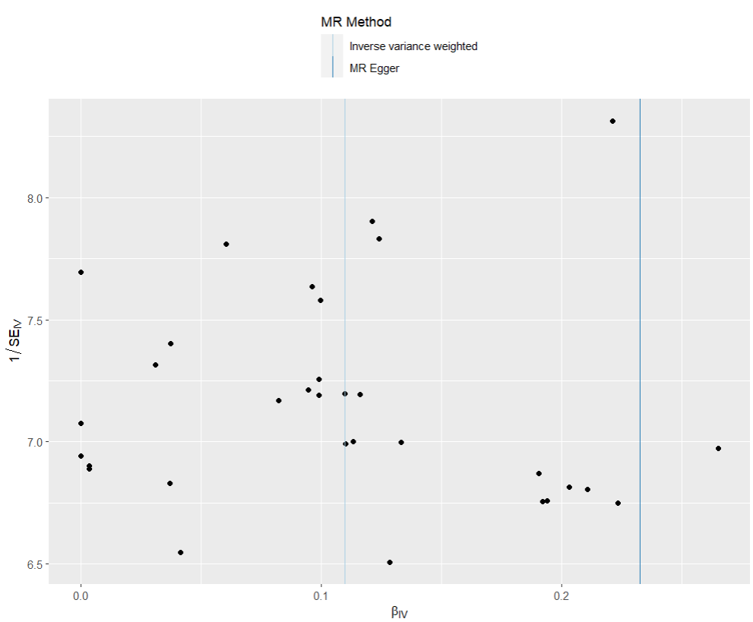
presso |  |  |  |  |  |  |  |  |  | 散點圖 |  |  | 森林圖 | 漏斗圖

heterogeneity
 | id.exposure | id.outcome | outcome | exposure | method | Q | Q_df | Q_val
1 | DyaZCv | oSwnhn | outcome | exposure | MR Egger | 9.408597 | 36 | 0.9999976
2 | DyaZCv | oSwnhn | outcome | exposure | Inverse variance weighted | 10.001336 | 37 | 0.9999972

pleiotropy
 | id.exposure | id.outcome | outcome | exposure | egger_interept | se | pval
1 | DyaZCv | oSwnhn | outcome | exposure | -0.03384115 | 0.04395551 | 4.46E-01

two_cojo exp 乾眼 out 憂鬱 (top10)
exposure_dat | two_dry_cojo
outcome_dat | two_dep_use_dry_cojo
 | id.exposure | id.outcome | outcome | exposure | method | nsnp | b | se | pval | OR | OR 95% C.I. | Beta 95%C.I
1 | 9eto1e | ffJ267 | outcome | exposure | MR Egger | 10 | 0.36088922317 | 2.7930301488 | 0.9003804909 | 1.4346045311 | ( 0.00601529510912751 , 342.142841444389 ) | ( -5.11344986855992 , 5.83522831490691 )
2 | 9eto1e | ffJ267 | outcome | exposure | Weighted median | 10 | 0.56137777439 | 0.17164015091 | 0.0010729417747 | 1.7530861944 | ( 1.2522764795543 , 2.45417945256286 ) | ( 0.224963078613421 , 0.897792470168837 )
3 | 9eto1e | ffJ267 | outcome | exposure | Inverse variance weighted | 10 | 0.55073254537 | 0.13678864585 | 5.67E-05 | 1.7345231695 | ( 1.32660997791458 , 2.2678637094671 ) | ( 0.282626799500132 , 0.818838291232301 )
4 | 9eto1e | ffJ267 | outcome | exposure | Simple mode | 10 | 0.5903057789 | 0.25007541412 | 0.042565711152 | 1.8045401213 | ( 1.10534551265062 , 2.94601553294392 ) | ( 0.100157967226941 , 1.08045359058048 )
5 | 9eto1e | ffJ267 | outcome | exposure | Weighted mode | 10 | 0.58817376949 | 0.254815361 | 0.046370249246 | 1.8006969231 | ( 1.09279175167503 , 2.96717961498211 ) | ( 0.0887356619243426 , 1.08761187705038 )

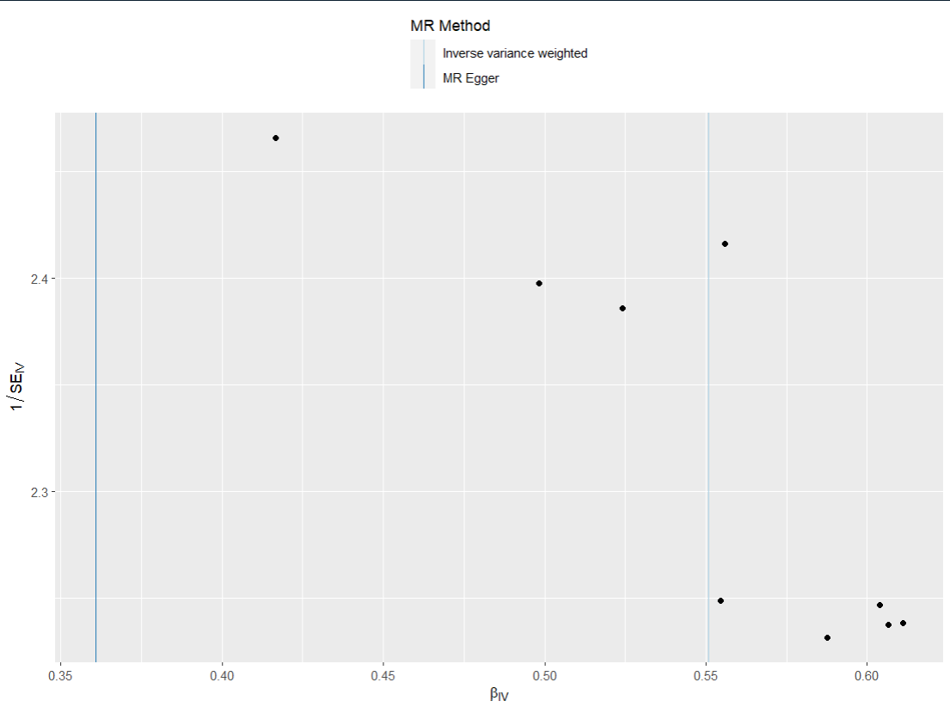
presso |  |  |  |  |  |  |  |  |  | 散點圖 |  |  | 森林圖 | 漏斗圖
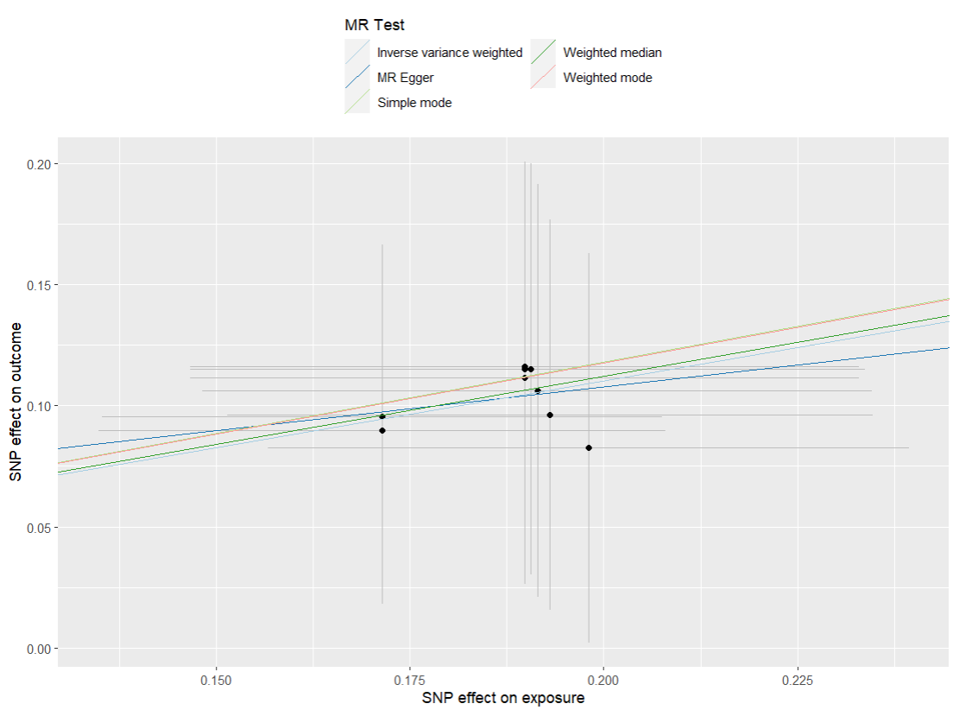
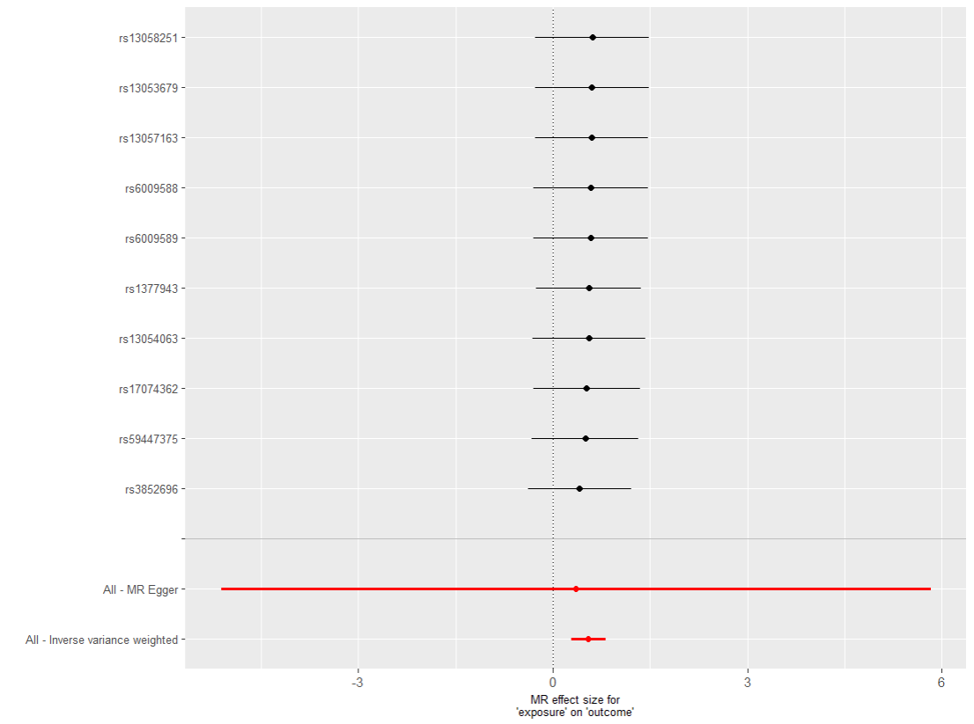

heterogeneity
 | id.exposure | id.outcome | outcome | exposure | method | Q | Q_df | Q_val
1 | 9eto1e | ffJ267 | outcome | exposure | MR Egger | 0.1866221 | 8 | 0.9999971
2 | 9eto1e | ffJ267 | outcome | exposure | Inverse variance weighted | 0.1912532 | 9 | 0.9999995

pleiotropy
 | id.exposure | id.outcome | outcome | exposure | egger_interept | se | pval
1 | 9eto1e | ffJ267 | outcome | exposure |  | 0.5214784 | 9.47E-01

two_cojo exp IBS out 憂鬱(top 40)
exposure_dat | two_ibs_cojo
outcome_dat | two_dep_use_ibs_cojo
 | id.exposure | id.outcome | outcome | exposure | method | nsnp | b | se | pval | OR | OR 95% C.I. | Beta 95%C.I
1 | DEwAqh | C178rD | outcome | exposure | MR Egger | 38 | 0.28082717166 | 0.25136556593 | 0.27130703687 | 1.3242247206 | ( 0.809086587335165 , 2.16734665743985 ) | ( -0.211849337570406 , 0.77350368089073 )
2 | DEwAqh | C178rD | outcome | exposure | Weighted median | 38 | 0.19865558794 | 0.054301543981 | 0.00025381625537 | 1.2197617929 | ( 1.09661105131865 , 1.3567425110105 ) | ( 0.0922245617399252 , 0.305086614145519 )
3 | DEwAqh | C178rD | outcome | exposure | Inverse variance weighted | 38 | 0.1452340316 | 0.042490055726 | 0.00063066629155 | 1.1563101517 | ( 1.06391289544065 , 1.25673179891816 ) | ( 0.0619535223809546 , 0.228514540826557 )
4 | DEwAqh | C178rD | outcome | exposure | Simple mode | 38 | 0.20735208608 | 0.11202639567 | 0.072176508494 | 1.2304157078 | ( 0.987854707297212 , 1.53253591113926 ) | ( -0.0122196494397531 , 0.426923821597243 )
5 | DEwAqh | C178rD | outcome | exposure | Weighted mode | 38 | 0.20735208608 | 0.11213959672 | 0.072452240779 | 1.2304157078 | ( 0.987635552289654 , 1.53287597880735 ) | ( -0.0124415234858478 , 0.427145695643338 )
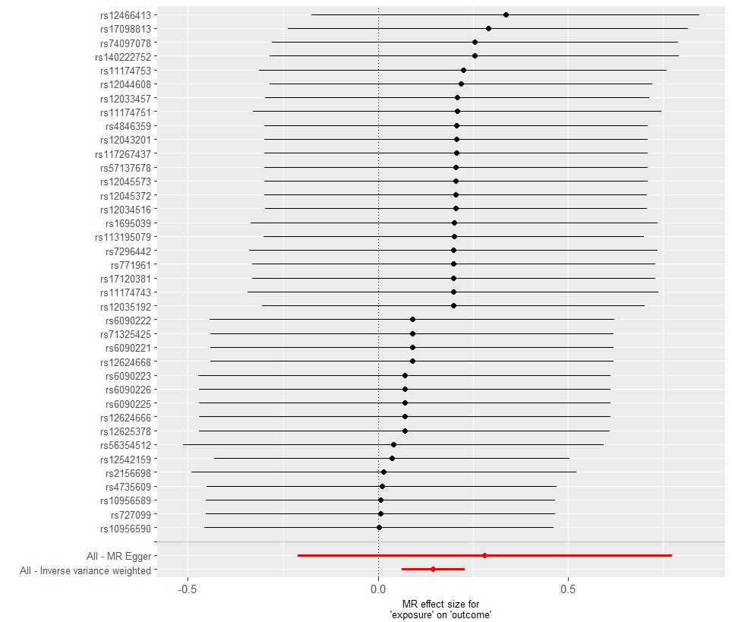
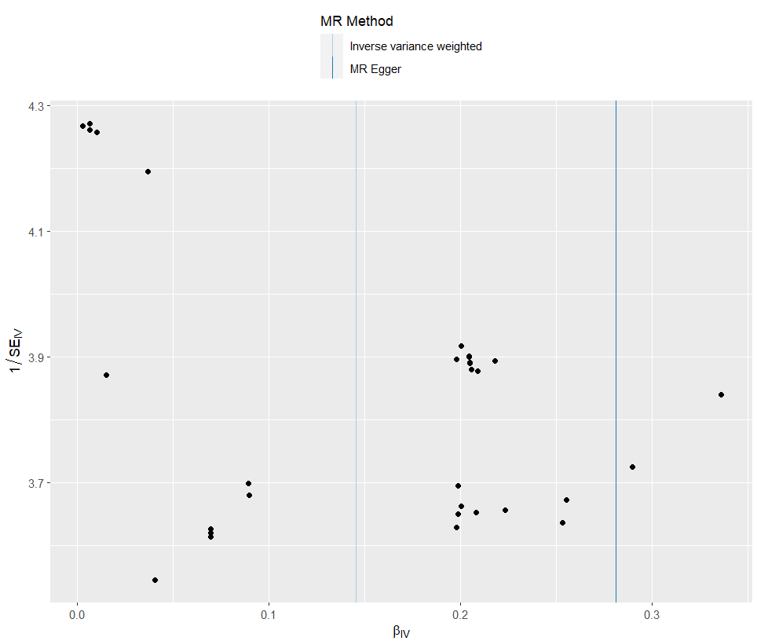
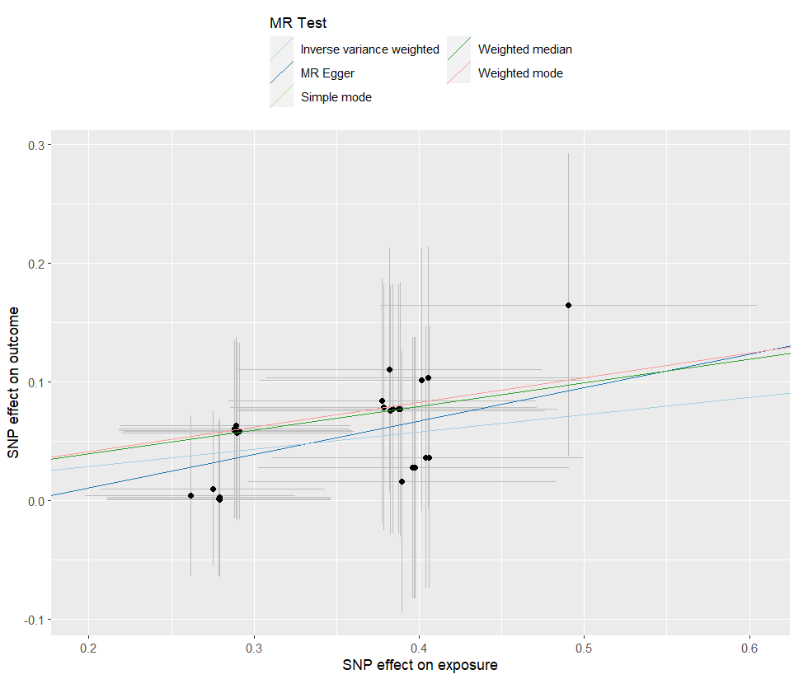
presso |  |  |  |  |  |  |  |  |  | 散點圖 |  |  | 森林圖 | 漏斗圖

heterogeneity
 | id.exposure | id.outcome | outcome | exposure | method | Q | Q_df | Q_val
1 | DEwAqh | C178rD | outcome | exposure | MR Egger | 4.319077 | 36 | 1
2 | DEwAqh | C178rD | outcome | exposure | Inverse variance weighted | 4.618616 | 37 | 1

pleiotropy
 | id.exposure | id.outcome | outcome | exposure | egger_interept | se | pval
1 | DEwAqh | C178rD | outcome | exposure | -0.04503271 | 0.0822813 | 5.88E-01

two_cojo exp 憂鬱 out IBS(top 40)
exposure_dat | two_dep_cojo
outcome_dat | two_ibs_use_dep_cojo
 | id.exposure | id.outcome | outcome | exposure | method | nsnp | b | se | pval | OR | OR 95% C.I. | Beta 95%C.I
1 | TmToWf | T3AmaX | outcome | exposure | MR Egger | 40 | 0.33495102859 | 0.4646588195 | 0.47541113905 | 1.3978719278 | ( 0.562265985276945 , 3.47530524279532 ) | ( -0.57578025764078 , 1.24568231481241 )
2 | TmToWf | T3AmaX | outcome | exposure | Weighted median | 40 | 0.20405848331 | 0.052798127918 | 0.00011114335757 | 1.2263698735 | ( 1.10580563701956 , 1.36007903772306 ) | ( 0.100574152593241 , 0.307542814032131 )
3 | TmToWf | T3AmaX | outcome | exposure | Inverse variance weighted | 40 | 0.16569867778 | 0.041824500066 | 7.44E-05 | 1.1802174224 | ( 1.0873272900797 , 1.28104313838994 ) | ( 0.0837226576486495 , 0.247674697905702 )
4 | TmToWf | T3AmaX | outcome | exposure | Simple mode | 40 | 0.22191347413 | 0.11211103216 | 0.054860037557 | 1.2484633488 | ( 1.00217821998113 , 1.55527300658163 ) | ( 0.0021758510993316 , 0.441651097154648 )
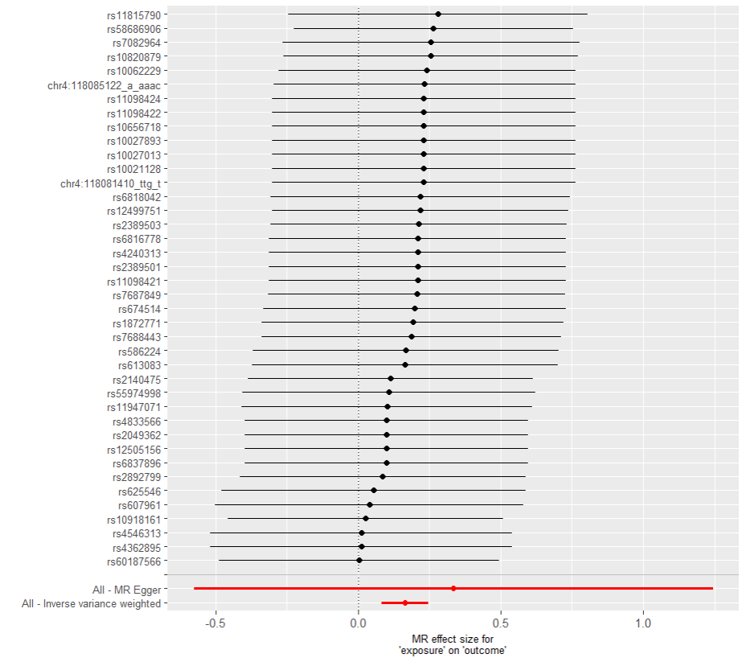
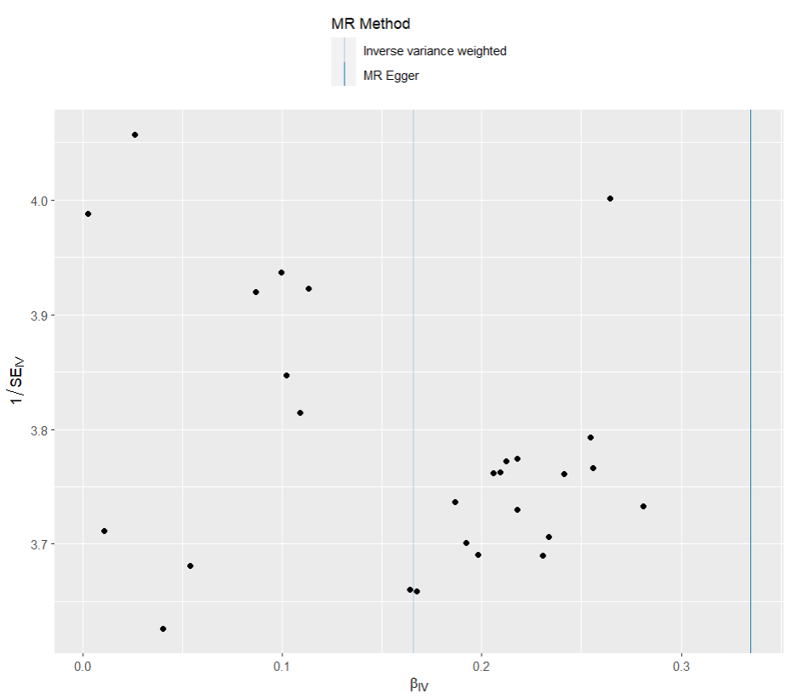
5 | TmToWf | T3AmaX | outcome | exposure | Weighted mode | 40 | 0.22109224946 | 0.10624732824 | 0.044055687392 | 1.2474385008 | ( 1.01293036963361 , 1.53623867927745 ) | ( 0.0128474861159221 , 0.429337012808268 )

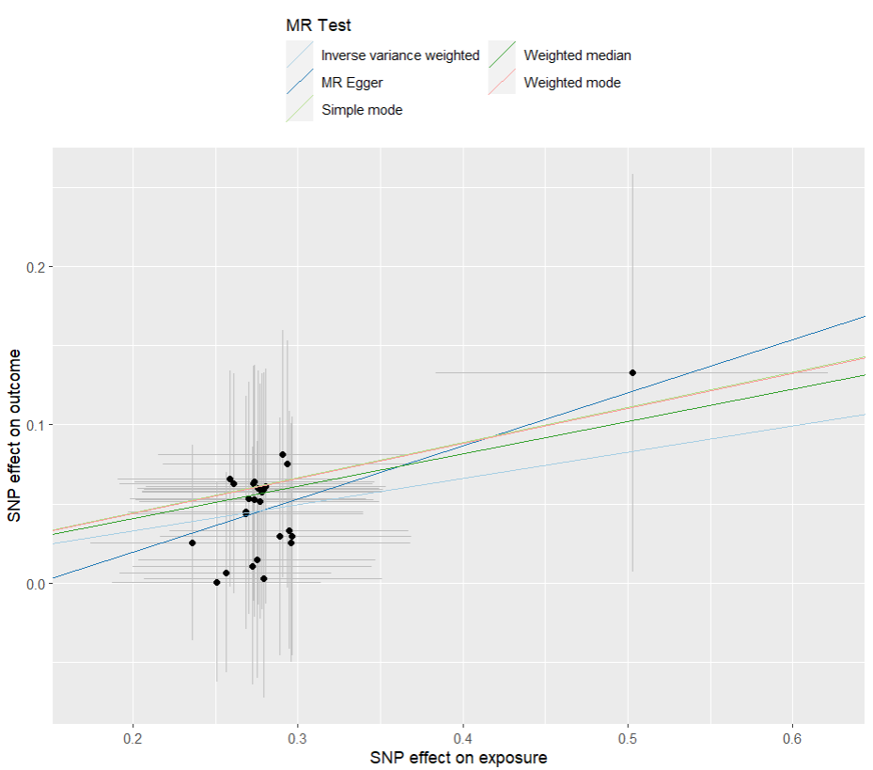
presso |  |  |  |  |  |  |  |  |  | 散點圖 |  |  | 森林圖 | 漏斗圖

heterogeneity
 | id.exposure | id.outcome | outcome | exposure | method | Q | Q_df | Q_val
1 | TmToWf | T3AmaX | outcome | exposure | MR Egger | 3.54284 | 38 | 1
2 | TmToWf | T3AmaX | outcome | exposure | Inverse variance weighted | 3.676603 | 39 | 1

pleiotropy
 | id.exposure | id.outcome | outcome | exposure | egger_interept | se | pval
1 | TmToWf | T3AmaX | outcome | exposure | -0.04732716 | 0.1294027 | 7.17E-01

