one exp 憂鬱 out 乾眼
exposure_dat
outcome_dat
 | id.exposure | id.outcome | outcome | exposure | method | nsnp | b | se | pval | OR | OR 95% C.I. | Beta 95%C.I
1 | MHEtK1 | gqjfsW | outcome | exposure | MR Egger | 200 | 0.11385818958 | 0.087558790854 | 0.19498822493 | 1.1205932018 | ( 0.943879244013826 , 1.33039171263658 ) | ( -0.0577570404959097 , 0.285473419650314 )
2 | MHEtK1 | gqjfsW | outcome | exposure | Weighted median | 200 | 0.076552970092 | 0.028572740962 | 0.0073791492519 | 1.0795593732 | ( 1.02076301116303 , 1.14174242941836 ) | ( 0.020550397805943 , 0.132555542378583 )
3 | MHEtK1 | gqjfsW | outcome | exposure | Inverse variance weighted | 200 | 0.10607266586 | 0.023126017978 | 4.50E-06 | 1.1119026709 | ( 1.06262862214544 , 1.16346155550026 ) | ( 0.0607456706266176 , 0.151399661100221 )
4 | MHEtK1 | gqjfsW | outcome | exposure | Simple mode | 200 | 0.031453526192 | 0.083019719287 | 0.7051897024 | 1.0319534157 | ( 0.87698523407402 , 1.21430533918904 ) | ( -0.131265123611422 , 0.194172175995447 )
5 | MHEtK1 | gqjfsW | outcome | exposure | Weighted mode | 200 | 0.030292733297 | 0.083919022564 | 0.71850047815 | 1.0307562265 | ( 0.87442517537921 , 1.21503637853252 ) | ( -0.134188550929509 , 0.194774017523309 )

presso |  |  |  |  |  |  |  |  |  | 散點圖 |  |  | 森林圖 | 漏斗圖
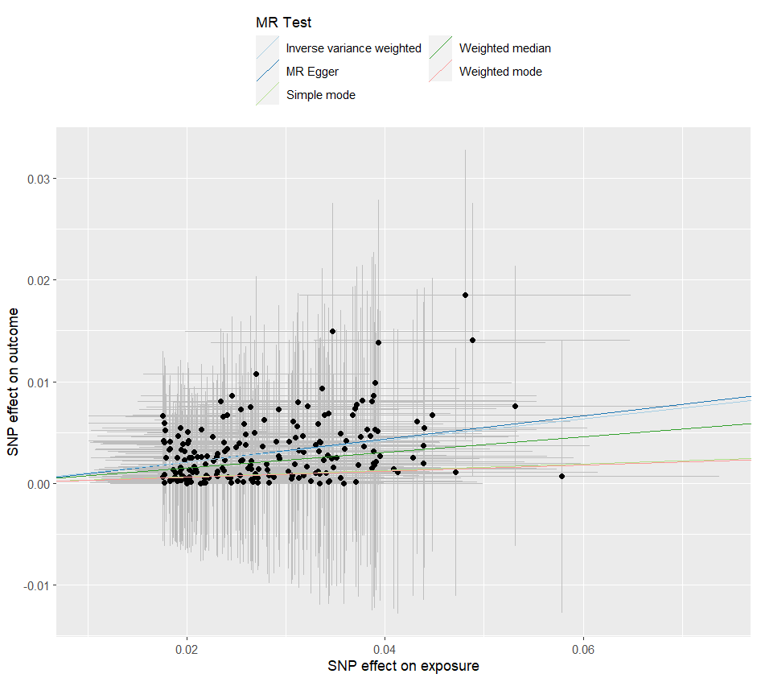
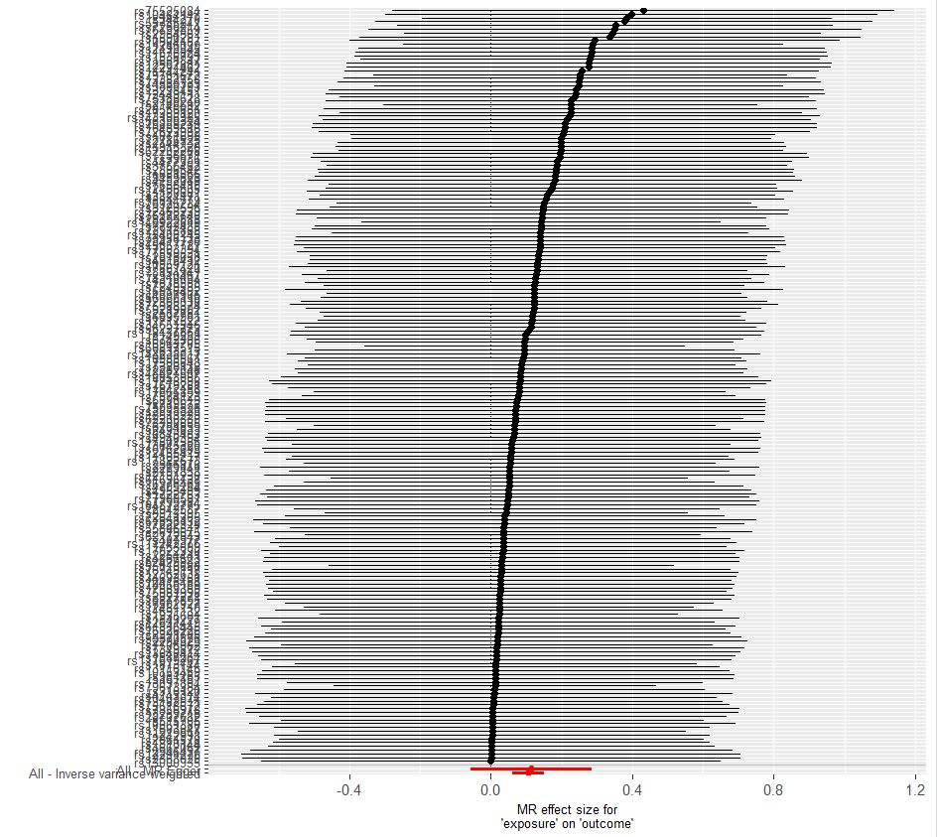
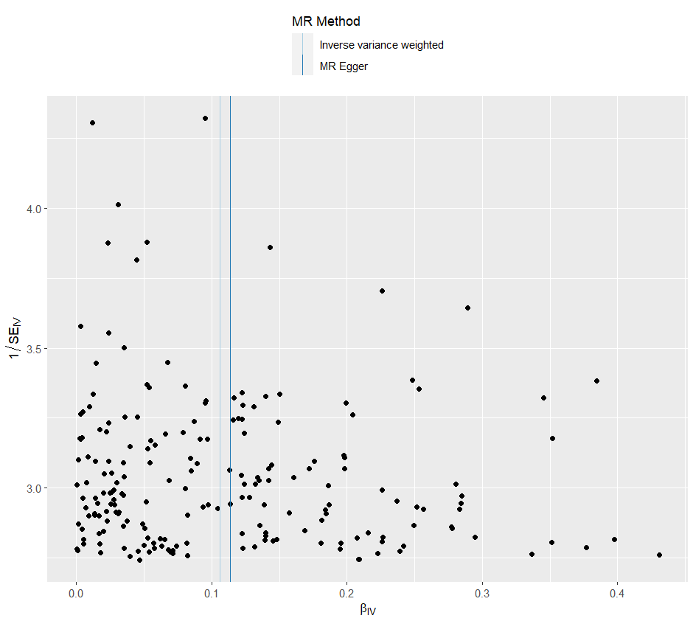

heterogeneity
 | id.exposure | id.outcome | outcome | exposure | method | Q | Q_df | Q_val
1 | MHEtK1 | gqjfsW | outcome | exposure | MR Egger | 16.7236 | 198 | 1
2 | MHEtK1 | gqjfsW | outcome | exposure | Inverse variance weighted | 16.7321 | 199 | 1

pleiotropy
 | id.exposure | id.outcome | outcome | exposure | egger_interept | se | pval
1 | MHEtK1 | gqjfsW | outcome | exposure | -0.0002057907 | 0.002232211 | 0.9266392

one exp 憂鬱 out IBS
exposure_dat
outcome_dat
 | id.exposure | id.outcome | outcome | exposure | method | nsnp | b | se | pval | OR | OR 95% C.I. | Beta 95%C.I
1 | qW0zWL | 7xVdiS | outcome | exposure | MR Egger | 60 | -0.025309382102 | 0.12058645393 | 0.83449235717 | 0.97500821527 | ( 0.769773601179903 , 1.23496183603312 ) | ( -0.261658831809752 , 0.211040067604991 )
2 | qW0zWL | 7xVdiS | outcome | exposure | Weighted median | 60 | 0.073638016271 | 0.037709423804 | 0.050846274065 | 1.0764170895 | ( 0.999727582726536 , 1.15898947930564 ) | ( -0.000272454385790016 , 0.147548486926974 )
3 | qW0zWL | 7xVdiS | outcome | exposure | Inverse variance weighted | 60 | 0.11944406153 | 0.028669672687 | 3.10E-05 | 1.1268702069 | ( 1.06529473042545 , 1.19200482921966 ) | ( 0.0632515030588574 , 0.175636619993723 )
4 | qW0zWL | 7xVdiS | outcome | exposure | Simple mode | 60 | 0.046891598722 | 0.0753327658 | 0.53603814619 | 1.0480083975 | ( 0.904149440245735 , 1.2147567119811 ) | ( -0.10076062224581 , 0.194543819689802 )
5 | qW0zWL | 7xVdiS | outcome | exposure | Weighted mode | 60 | 0.046891598722 | 0.075569127635 | 0.53730997405 | 1.0480083975 | ( 0.903730672670054 , 1.21531960172104 ) | ( -0.101223891441792 , 0.195007088885784 )

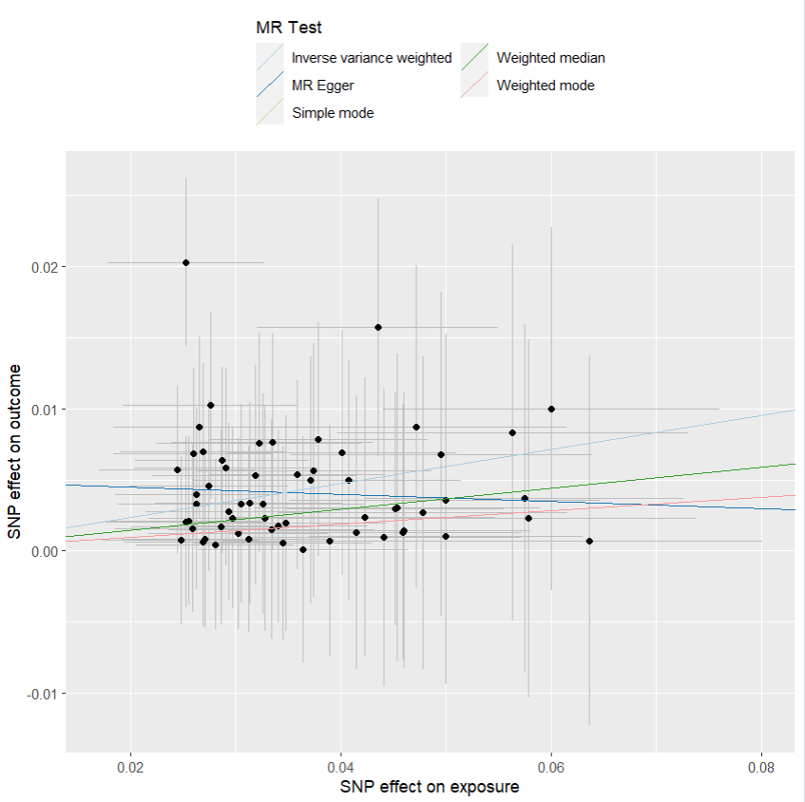
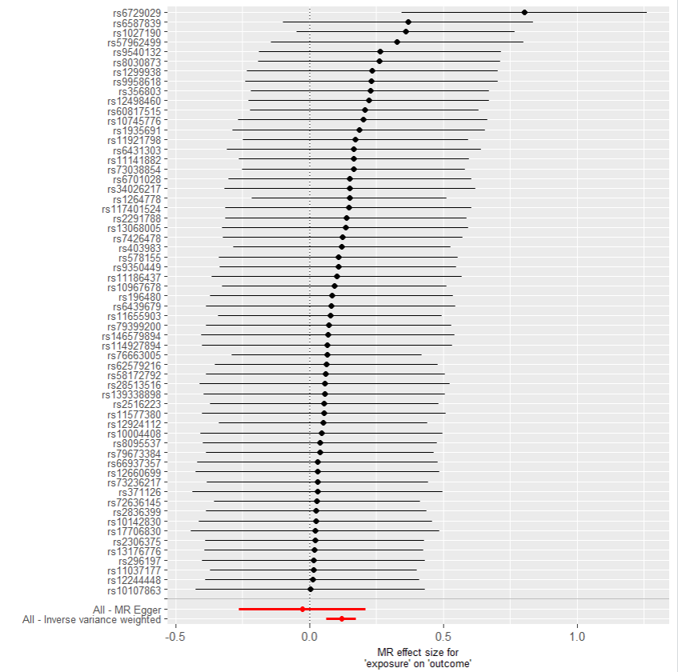
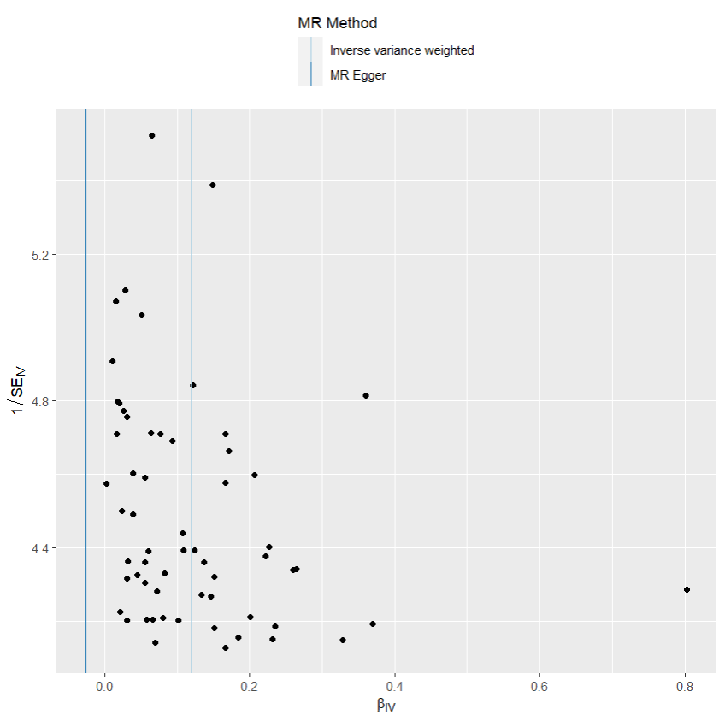
presso |  |  |  |  |  |  |  |  |  | 散點圖 |  |  | 森林圖 | 漏斗圖

heterogeneity
 | id.exposure | id.outcome | outcome | exposure | method | Q | Q_df | Q_val
1 | qW0zWL | 7xVdiS | outcome | exposure | MR Egger | 16.71528 | 58 | 1
2 | qW0zWL | 7xVdiS | outcome | exposure | Inverse variance weighted | 18.2426 | 59 | 0.9999999

pleiotropy
 | id.exposure | id.outcome | outcome | exposure | egger_interept | se | pval
1 | qW0zWL | 7xVdiS | outcome | exposure | 0.004994802 | 0.004041596 | 0.2214967

one exp 乾眼 out 憂鬱
exposure_dat
outcome_dat
 | id.exposure | id.outcome | outcome | exposure | method | nsnp | b | se | pval | OR | OR 95% C.I. | Beta 95%C.I
1 | mltE2H | WpP9Wa | outcome | exposure | MR Egger | 200 | 0.070723594268 | 0.13066011056 | 0.58892367702 | 1.0732845229 | ( 0.830796647354283 , 1.38654828555409 ) | ( -0.185370222430928 , 0.326817410966105 )
2 | mltE2H | WpP9Wa | outcome | exposure | Weighted median | 200 | 0.12235122061 | 0.041860954939 | 0.003468986881 | 1.1301509644 | ( 1.04112696736759 , 1.22678716654872 ) | ( 0.0403037489270852 , 0.204398692287627 )
3 | mltE2H | WpP9Wa | outcome | exposure | Inverse variance weighted | 200 | 0.1555662166 | 0.032451733726 | 1.64E-06 | 1.1683192956 | ( 1.09632186570645 , 1.24504492637353 ) | ( 0.0919608185021532 , 0.21917161470619 )
4 | mltE2H | WpP9Wa | outcome | exposure | Simple mode | 200 | 0.058252934274 | 0.1229689242 | 0.63621833162 | 1.0599830679 | ( 0.83296291537832 , 1.3488765026572 ) | ( -0.182766157160068 , 0.299272025708885 )
5 | mltE2H | WpP9Wa | outcome | exposure | Weighted mode | 200 | 0.054273257895 | 0.1228029494 | 0.65900237681 | 1.0557730611 | ( 0.829924519292471 , 1.34308208826401 ) | ( -0.186420522938323 , 0.294967038729018 )

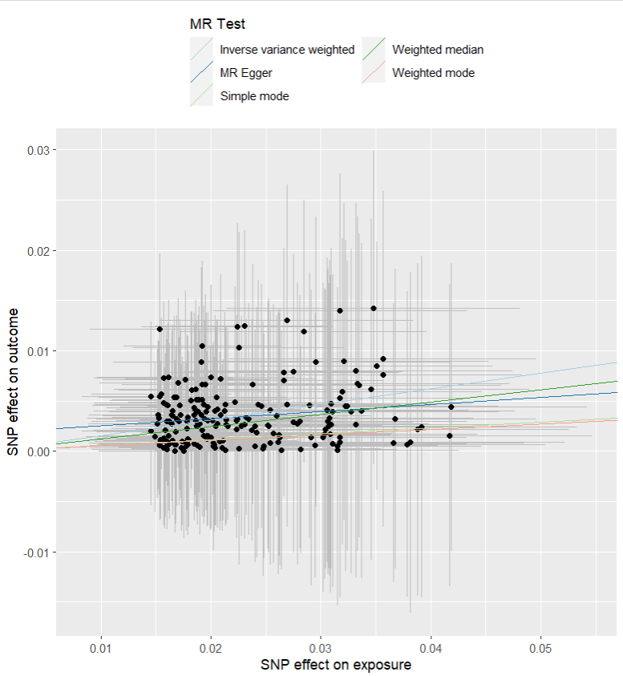
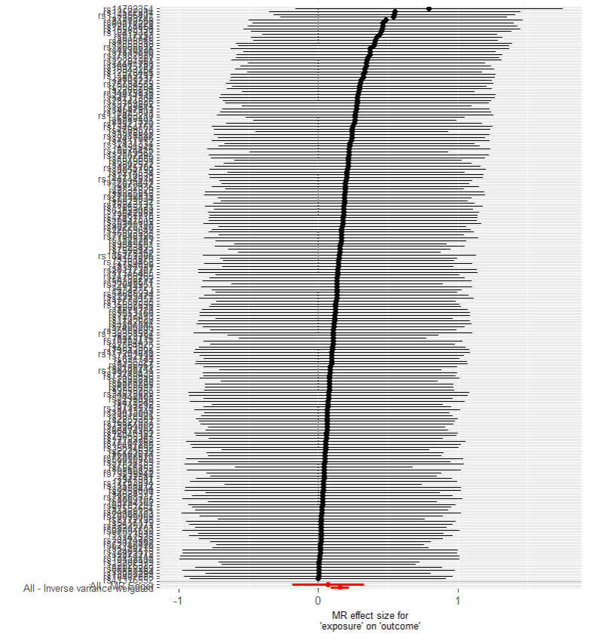
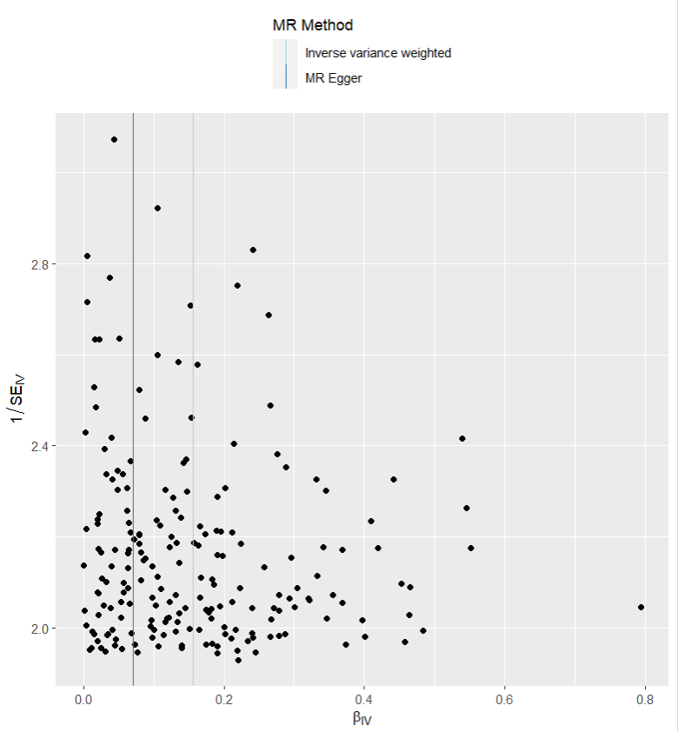
presso |  |  |  |  |  |  |  |  |  | 散點圖 |  |  | 森林圖 | 漏斗圖

heterogeneity
 | id.exposure | id.outcome | outcome | exposure | method | Q | Q_df | Q_val
1 | mltE2H | WpP9Wa | outcome | exposure | MR Egger | 15.89539 | 198 | 1
2 | mltE2H | WpP9Wa | outcome | exposure | Inverse variance weighted | 16.34475 | 199 | 1

pleiotropy
 | id.exposure | id.outcome | outcome | exposure | egger_interept | se | pval
1 | mltE2H | WpP9Wa | outcome | exposure | 0.00183181 | 0.002732646 | 0.5034203

one exp 乾眼 out IBS
exposure_dat
outcome_dat
 | id.exposure | id.outcome | outcome | exposure | method | nsnp | b | se | pval | OR | OR 95% C.I. | Beta 95%C.I
1 | gJFZq1 | 4keUQt | outcome | exposure | MR Egger | 5 | 0.64209977445 | 0.23292504259 | 0.070347503039 | 1.9004672452 | ( 1.20390048639459 , 3.00006170838754 ) | ( 0.185566690974535 , 1.09863285791907 )
2 | gJFZq1 | 4keUQt | outcome | exposure | Weighted median | 5 | 0.44596054128 | 0.12111895404 | 0.00023140726914 | 1.5619898312 | ( 1.23191194749159 , 1.98050862137398 ) | ( 0.208567391365253 , 0.683353691200365 )
3 | gJFZq1 | 4keUQt | outcome | exposure | Inverse variance weighted | 5 | 0.46090767783 | 0.084824945338 | 5.52E-08 | 1.5855124666 | ( 1.34265740066123 , 1.87229428775075 ) | ( 0.294650784968684 , 0.62716457069505 )
4 | gJFZq1 | 4keUQt | outcome | exposure | Simple mode | 5 | 0.44475490233 | 0.16793188849 | 0.057075629691 | 1.5601077702 | ( 1.1225561940448 , 2.16820883221816 ) | ( 0.115608400891084 , 0.773901403762335 )
5 | gJFZq1 | 4keUQt | outcome | exposure | Weighted mode | 5 | 0.43768222324 | 0.16710669058 | 0.058850087759 | 1.5491125572 | ( 1.11644899654388 , 2.14944858422094 ) | ( 0.110153109699672 , 0.765211336789508 )
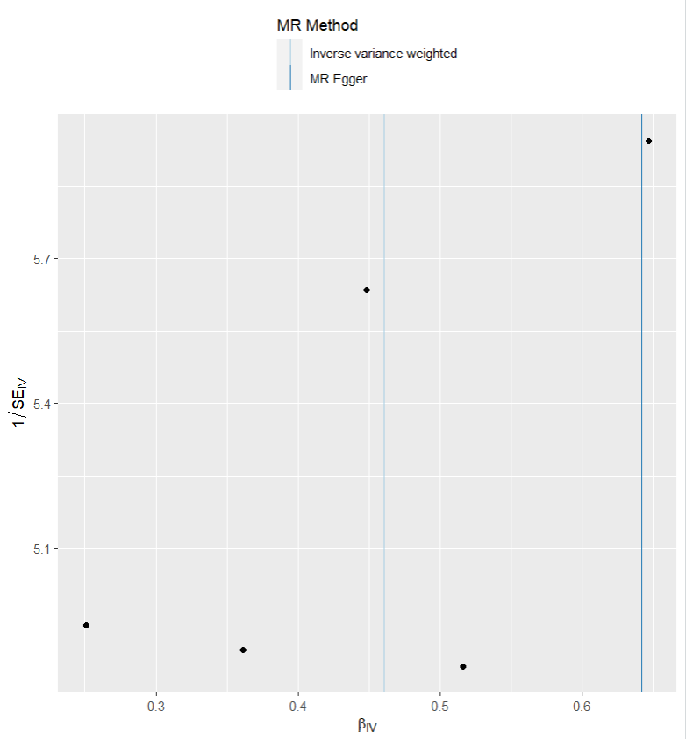
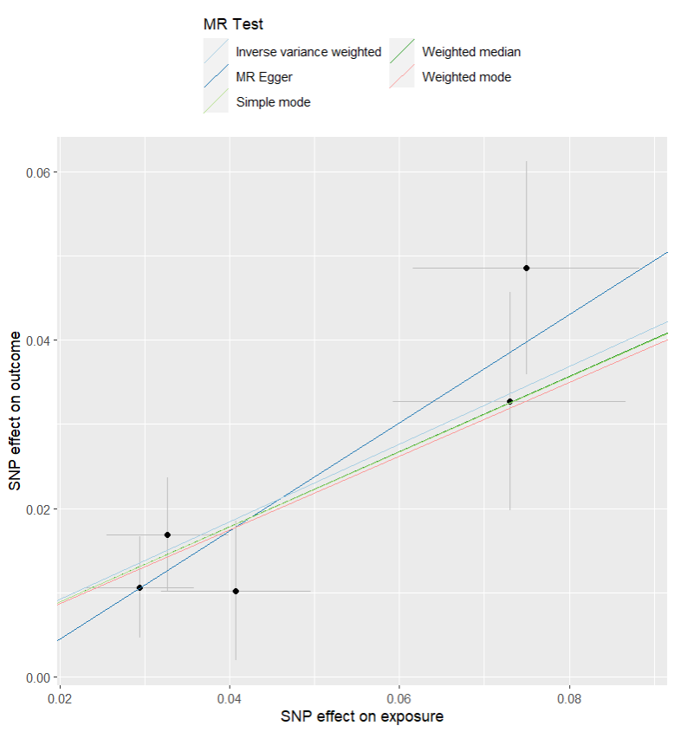
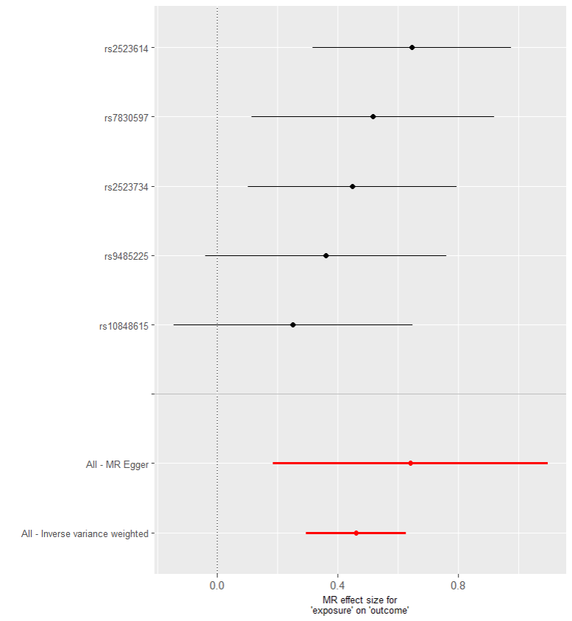
presso |  |  |  |  |  |  |  |  |  | 散點圖 |  |  | 森林圖 | 漏斗圖

heterogeneity
 | id.exposure | id.outcome | outcome | exposure | method | Q | Q_df | Q_val
1 | gJFZq1 | 4keUQt | outcome | exposure | MR Egger | 1.917432 | 3 | 0.5897195
2 | gJFZq1 | 4keUQt | outcome | exposure | Inverse variance weighted | 2.615082 | 4 | 0.6241537

pleiotropy
 | id.exposure | id.outcome | outcome | exposure | egger_interept | se | pval
1 | gJFZq1 | 4keUQt | outcome | exposure | -0.008287924 | 0.009922634 | 0.4648678

one exp IBS out 憂鬱
exposure_dat
outcome_dat
 | id.exposure | id.outcome | outcome | exposure | method | nsnp | b | se | pval | OR | OR 95% C.I. | Beta 95%C.I
1 | GH4YwA | Elw4YG | outcome | exposure | MR Egger | 40 | 0.18186280399 | 0.2439680285 | 0.46059380841 | 1.1994496229 | ( 0.743553519961879 , 1.93486999823881 ) | ( -0.296314531863789 , 0.660040139852064 )
2 | GH4YwA | Elw4YG | outcome | exposure | Weighted median | 40 | 0.16250104729 | 0.067943781086 | 0.016770607217 | 1.1764495505 | ( 1.02976563380797 , 1.34402770834174 ) | ( 0.0293312363581321 , 0.295670858214145 )
3 | GH4YwA | Elw4YG | outcome | exposure | Inverse variance weighted | 40 | 0.20439942487 | 0.052738981684 | 0.00010632727544 | 1.2267880653 | ( 1.10631095984316 , 1.36038511025259 ) | ( 0.101031020764751 , 0.307767828966478 )
4 | GH4YwA | Elw4YG | outcome | exposure | Simple mode | 40 | 0.085281562046 | 0.13247312795 | 0.52349582284 | 1.0890236513 | ( 0.839989599535879 , 1.41188952061472 ) | ( -0.174365768726335 , 0.344928892819184 )
5 | GH4YwA | Elw4YG | outcome | exposure | Weighted mode | 40 | 0.077555260151 | 0.12073458909 | 0.52439683357 | 1.0806419472 | ( 0.852924254420419 , 1.36915677106804 ) | ( -0.159084534471521 , 0.314195054774098 )
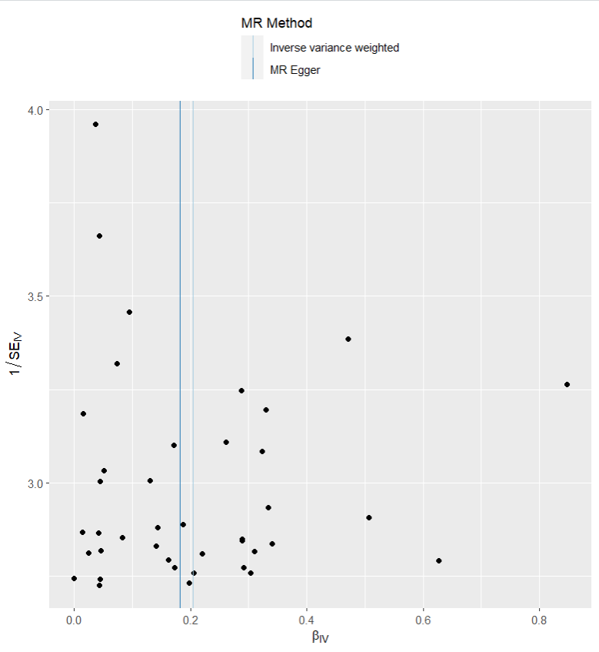
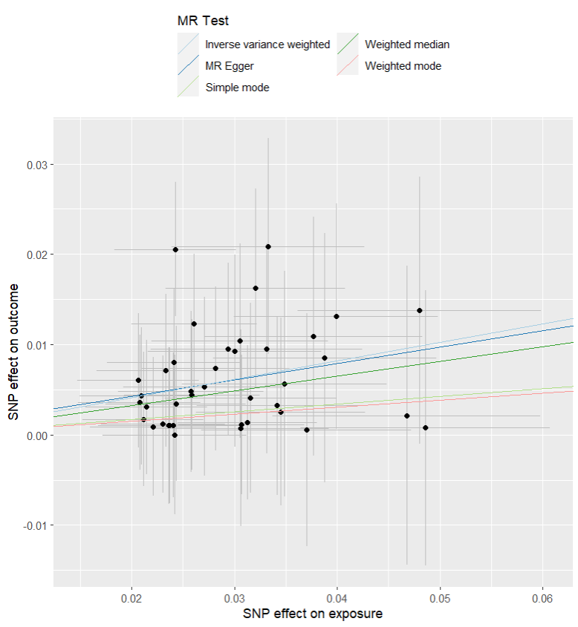
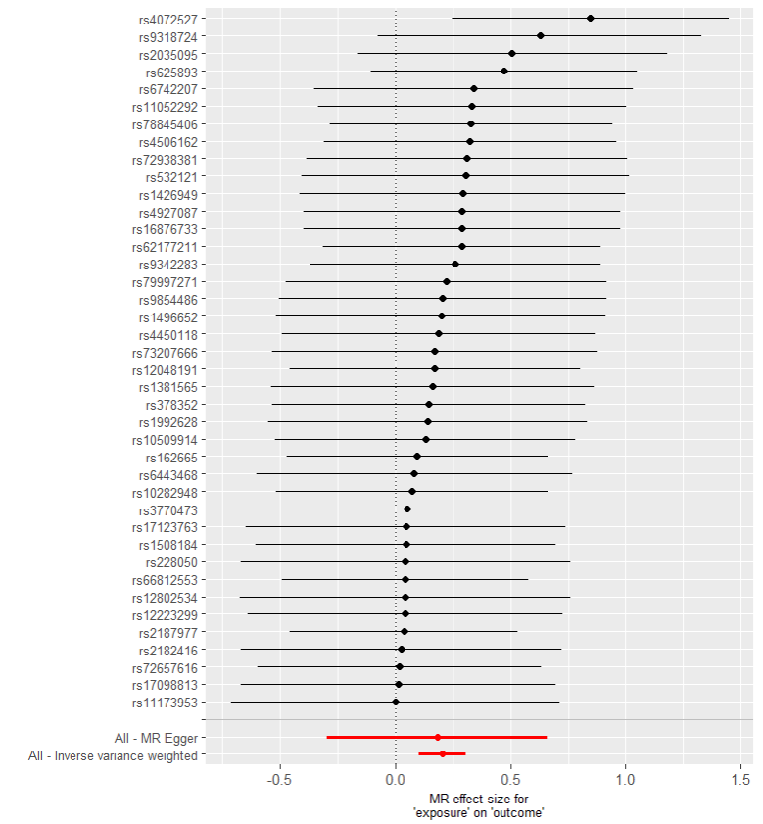
presso |  |  |  |  |  |  |  |  |  | 散點圖 |  |  | 森林圖 | 漏斗圖

heterogeneity
 | id.exposure | id.outcome | outcome | exposure | method | Q | Q_df | Q_val
1 | GH4YwA | Elw4YG | outcome | exposure | MR Egger | 12.26569 | 38 | 0.9999764
2 | GH4YwA | Elw4YG | outcome | exposure | Inverse variance weighted | 12.27464 | 39 | 0.9999869

pleiotropy
 | id.exposure | id.outcome | outcome | exposure | egger_interept | se | pval
1 | GH4YwA | Elw4YG | outcome | exposure | 0.0006408471 | 0.006773396 | 0.9251199

one exp IBS out 乾眼
exposure_dat
outcome_dat
 | id.exposure | id.outcome | outcome | exposure | method | nsnp | b | se | pval | OR | OR 95% C.I. | Beta 95%C.I
1 | LH7QC3 | 8gr8fq | outcome | exposure | MR Egger | 5 | 0.6278398802 | 0.34344487171 | 0.16498756998 | 1.8735590929 | ( 0.955699191823725 , 3.67293778691084 ) | ( -0.0453120683484011 , 1.30099182874441 )
2 | LH7QC3 | 8gr8fq | outcome | exposure | Weighted median | 5 | 0.51124523248 | 0.13250686294 | 0.00011419958563 | 1.6673661613 | ( 1.28599376973917 , 2.1618377795925 ) | ( 0.251531781121862 , 0.770958683836022 )
3 | LH7QC3 | 8gr8fq | outcome | exposure | Inverse variance weighted | 5 | 0.53702701866 | 0.092934698262 | 7.54E-09 | 1.7109127819 | ( 1.42600240719631 , 2.0527472691223 ) | ( 0.354875010066634 , 0.719179027255031 )
4 | LH7QC3 | 8gr8fq | outcome | exposure | Simple mode | 5 | 0.57427521035 | 0.18062053588 | 0.03355263211 | 1.7758429478 | ( 1.24639945642283 , 2.53018256616027 ) | ( 0.220258960016498 , 0.92829146067364 )
5 | LH7QC3 | 8gr8fq | outcome | exposure | Weighted mode | 5 | 0.57843501576 | 0.19010811698 | 0.038302200495 | 1.7832454948 | ( 1.2285358647295 , 2.58841812104797 ) | ( 0.205823106471967 , 0.951046925044945 )

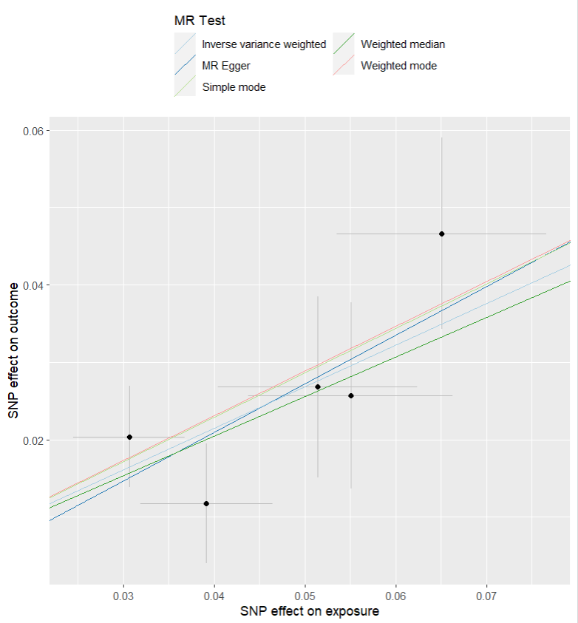
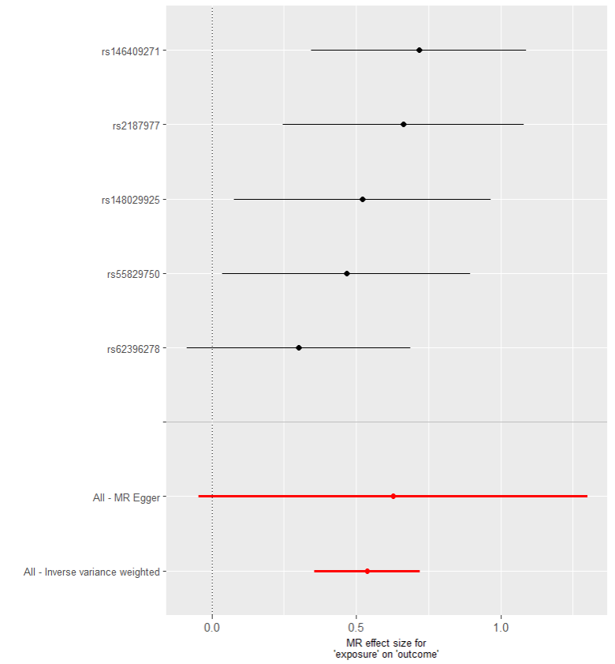
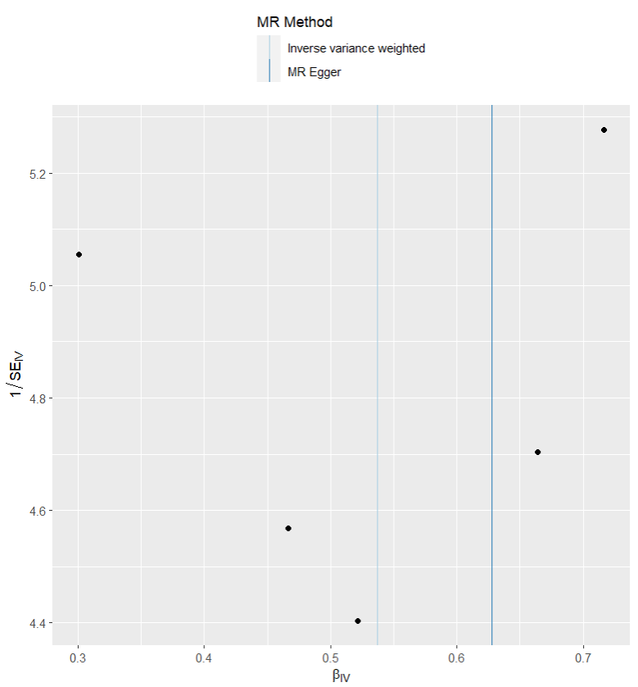
presso |  |  |  |  |  |  |  |  |  | 散點圖 |  |  | 森林圖 | 漏斗圖

heterogeneity
 | id.exposure | id.outcome | outcome | exposure | method | Q | Q_df | Q_val
1 | LH7QC3 | 8gr8fq | outcome | exposure | MR Egger | 2.713539 | 3 | 0.4379314
2 | LH7QC3 | 8gr8fq | outcome | exposure | Inverse variance weighted | 2.78898 | 4 | 0.5937365

pleiotropy
 | id.exposure | id.outcome | outcome | exposure | egger_interept | se | pval
1 | LH7QC3 | 8gr8fq | outcome | exposure | -0.004109697 | 0.01496261 | 0.8014028

two exp 憂鬱 out 乾眼
exposure_dat
outcome_dat
 | id.exposure | id.outcome | outcome | exposure | method | nsnp | b | se | pval | OR | OR 95% C.I. | Beta 95%C.I
1 | QK1IwJ | Awa4TC | outcome | exposure | MR Egger | 40 | 0.048000893897 | 0.24182211129 | 0.84371463758 | 1.0491715932 | ( 0.65313564576344 , 1.68534827193532 ) | ( -0.425970444228303 , 0.521972232022838 )
2 | QK1IwJ | Awa4TC | outcome | exposure | Weighted median | 40 | 0.19219935894 | 0.067787207326 | 0.0045777829633 | 1.2119120984 | ( 1.0611321801371 , 1.38411685343446 ) | ( 0.0593364325858878 , 0.325062285303621 )
3 | QK1IwJ | Awa4TC | outcome | exposure | Inverse variance weighted | 40 | 0.2186177988 | 0.050402538476 | 1.44E-05 | 1.2443555916 | ( 1.12730386700854 , 1.37356118757532 ) | ( 0.119828823390276 , 0.31740677421424 )
4 | QK1IwJ | Awa4TC | outcome | exposure | Simple mode | 40 | 0.20173977751 | 0.13424511564 | 0.14095277732 | 1.2235295768 | ( 0.940465184368636 , 1.59179164748342 ) | ( -0.0613806491414089 , 0.464860204161007 )
5 | QK1IwJ | Awa4TC | outcome | exposure | Weighted mode | 40 | 0.19234994013 | 0.12561712995 | 0.13378231281 | 1.2120946033 | ( 0.947565102556065 , 1.55047217694909 ) | ( -0.053859634564263 , 0.438559514830505 )

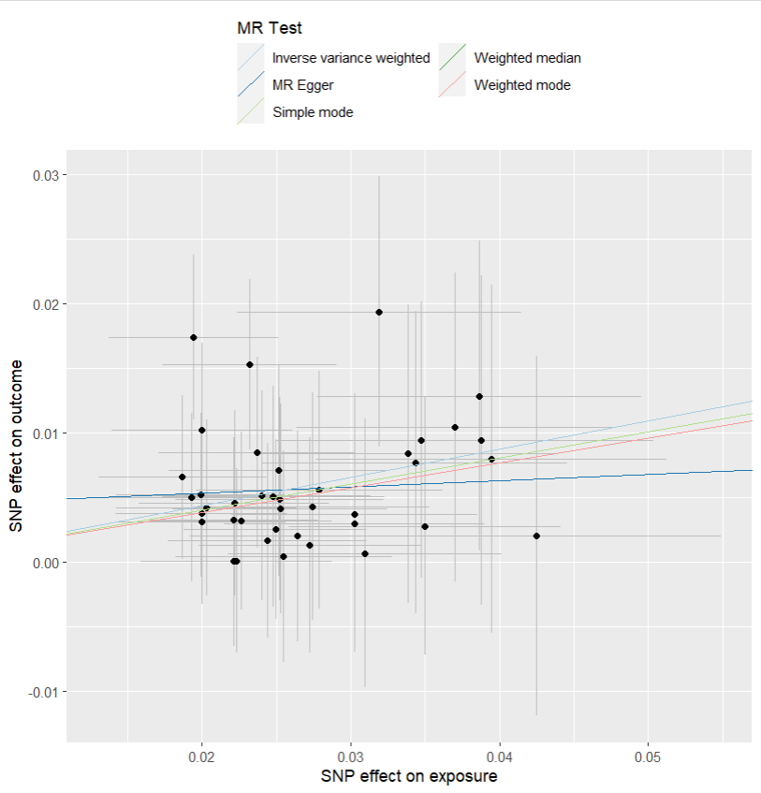
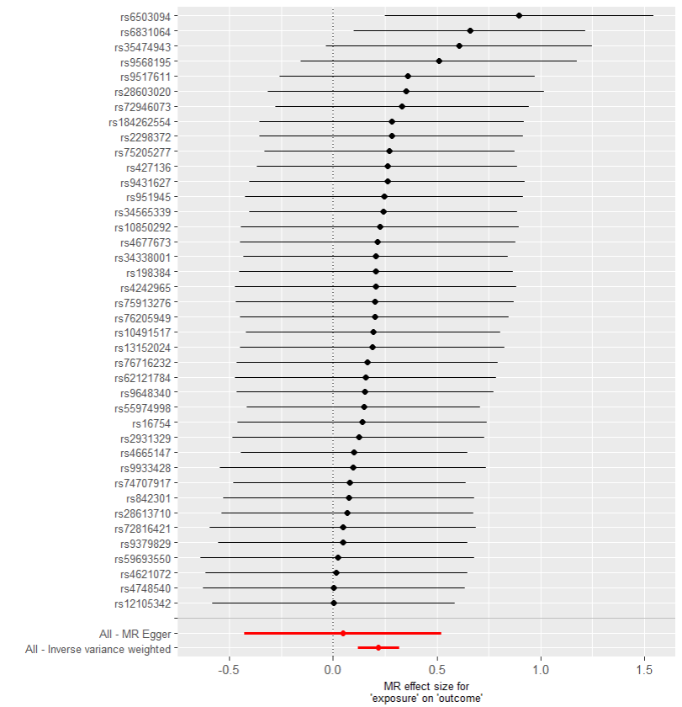
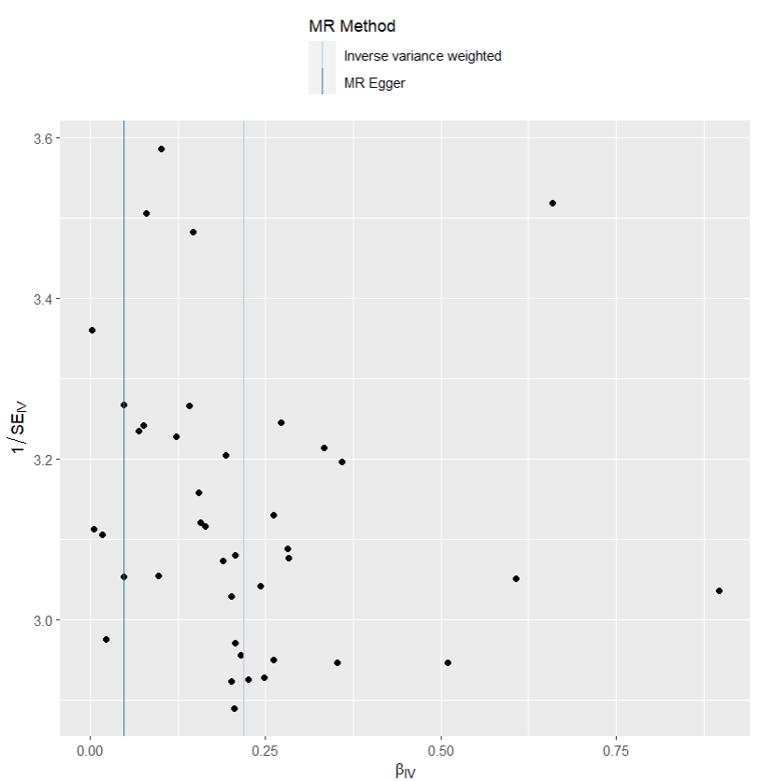
presso |  |  |  |  |  |  |  |  |  | 散點圖 |  |  | 森林圖 | 漏斗圖

heterogeneity
 | id.exposure | id.outcome | outcome | exposure | method | Q | Q_df | Q_val
1 | QK1IwJ | Awa4TC | outcome | exposure | MR Egger | 12.55383 | 38 | 0.999968
2 | QK1IwJ | Awa4TC | outcome | exposure | Inverse variance weighted | 13.07424 | 39 | 0.999969

pleiotropy
 | id.exposure | id.outcome | outcome | exposure | egger_interept | se | pval
1 | QK1IwJ | Awa4TC | outcome | exposure | 0.004377556 | 0.00606822 | 0.4750847

two exp 憂鬱 out IBS
exposure_dat
outcome_dat
 | id.exposure | id.outcome | outcome | exposure | method | nsnp | b | se | pval | OR | OR 95% C.I. | Beta 95%C.I
1 | Wnb2kw | Lm1g5h | outcome | exposure | MR Egger | 5 | 0.62688895622 | 0.96309871771 | 0.56151530399 | 1.8717783275 | ( 0.28343157853788 , 12.3611988656892 ) | ( -1.26078453048825 , 2.5145624429317 )
2 | Wnb2kw | Lm1g5h | outcome | exposure | Weighted median | 5 | 0.73361187404 | 0.19989630003 | 0.00024258629547 | 2.0825890891 | ( 1.40750006326422 , 3.08147575076242 ) | ( 0.341815125979645 , 1.12540862209256 )
3 | Wnb2kw | Lm1g5h | outcome | exposure | Inverse variance weighted | 5 | 0.65064600768 | 0.14067514975 | 3.74E-06 | 1.9167786829 | ( 1.45487896873007 , 2.5253238228959 ) | ( 0.37492271416017 , 0.926369301195865 )
4 | Wnb2kw | Lm1g5h | outcome | exposure | Simple mode | 5 | 0.82912717801 | 0.26311880072 | 0.034475838063 | 2.2913179545 | ( 1.3680882516899 , 3.83757258511707 ) | ( 0.313414328588807 , 1.34484002742292 )
5 | Wnb2kw | Lm1g5h | outcome | exposure | Weighted mode | 5 | 0.82043306111 | 0.27637378829 | 0.04120293036 | 2.2714833156 | ( 1.32146429485798 , 3.90448419478542 ) | ( 0.278740436050193 , 1.36212568616399 )

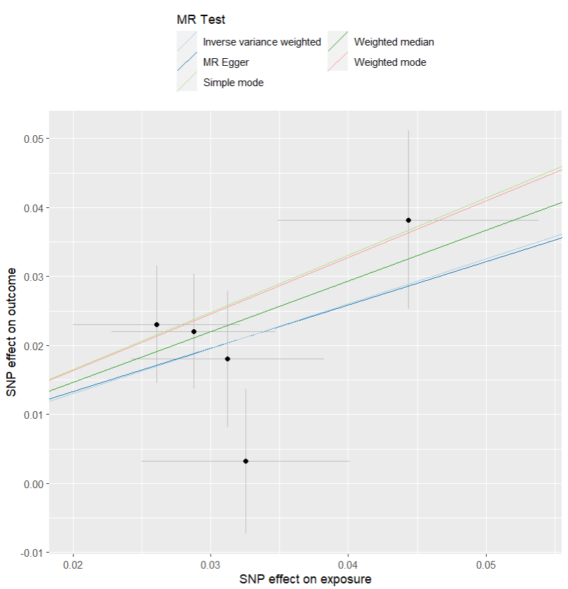
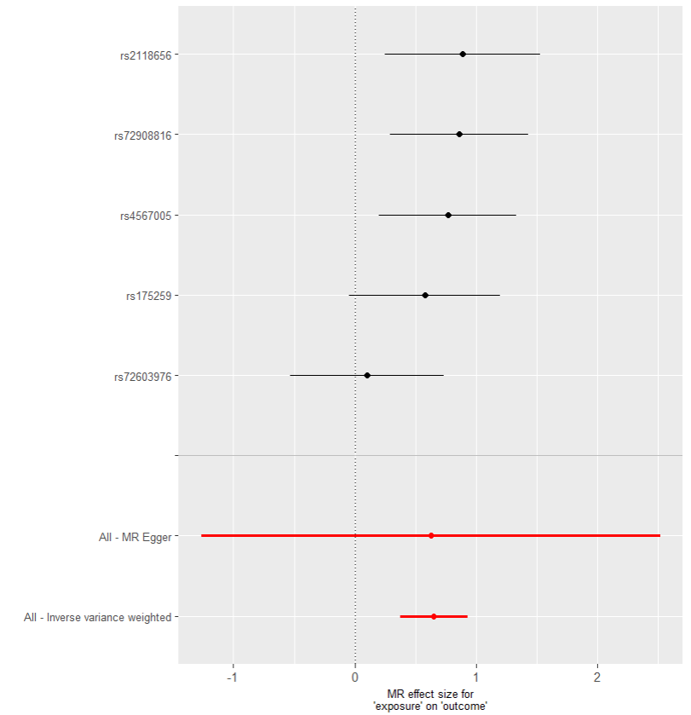
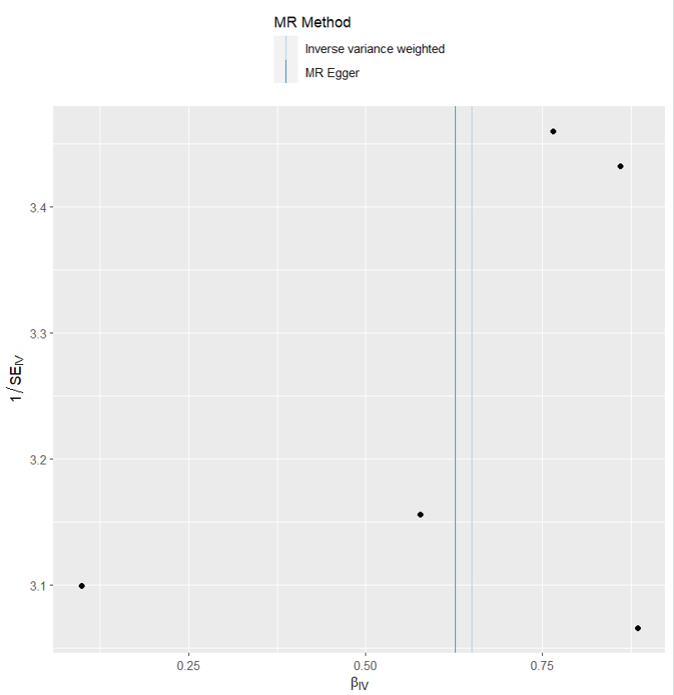
presso |  |  |  |  |  |  |  |  |  | 散點圖 |  |  | 森林圖 | 漏斗圖

heterogeneity
 | id.exposure | id.outcome | outcome | exposure | method | Q | Q_df | Q_val
1 | Wnb2kw | Lm1g5h | outcome | exposure | MR Egger | 4.172334 | 3 | 0.2434464
2 | Wnb2kw | Lm1g5h | outcome | exposure | Inverse variance weighted | 4.173205 | 4 | 0.3830723

pleiotropy
 | id.exposure | id.outcome | outcome | exposure | egger_interept | se | pval
1 | Wnb2kw | Lm1g5h | outcome | exposure | 0.0007563034 | 0.03022101 | 0.981606

two exp 乾眼 out 憂鬱
exposure_dat
outcome_dat
 | id.exposure | id.outcome | outcome | exposure | method | nsnp | b | se | pval | OR | OR 95% C.I. | Beta 95%C.I
1 | g0eZT5 | kkcTgs | outcome | exposure | MR Egger | 60 | 0.13538028653 | 0.12883005118 | 0.29768901142 | 1.144972119 | ( 0.889472566545722 , 1.47386350373072 ) | ( -0.117126613784432 , 0.387887186854235 )
2 | g0eZT5 | kkcTgs | outcome | exposure | Weighted median | 60 | 0.079279335465 | 0.042778211213 | 0.063844472695 | 1.0825066623 | ( 0.995444449629002 , 1.17718339225538 ) | ( -0.00456595851249424 , 0.163124629441595 )
3 | g0eZT5 | kkcTgs | outcome | exposure | Inverse variance weighted | 60 | 0.12812425746 | 0.03193734578 | 6.03E-05 | 1.1366942367 | ( 1.06772162918038 , 1.21012233183056 ) | ( 0.0655270597288601 , 0.190721455184736 )
4 | g0eZT5 | kkcTgs | outcome | exposure | Simple mode | 60 | 0.049401941885 | 0.091575521374 | 0.59159506188 | 1.0506425631 | ( 0.878019847711064 , 1.25720369345464 ) | ( -0.130086080009056 , 0.228889963778707 )
5 | g0eZT5 | kkcTgs | outcome | exposure | Weighted mode | 60 | 0.043495561744 | 0.08727465203 | 0.6200721519 | 1.0444553587 | ( 0.880238173666985 , 1.23930889279651 ) | ( -0.1275627562352 , 0.214553879723809 )

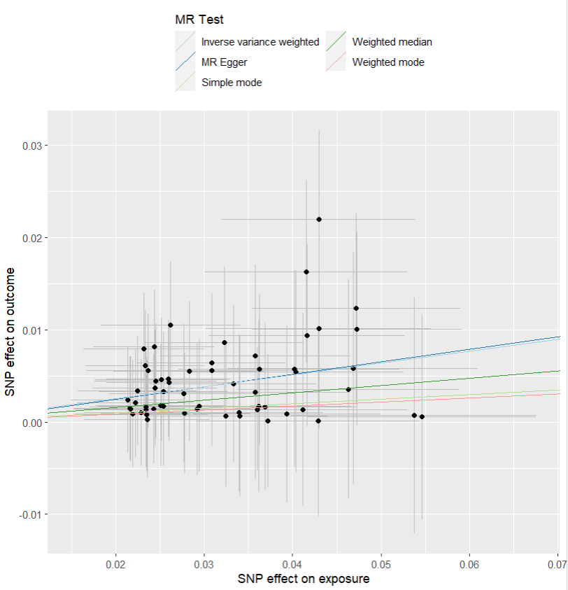
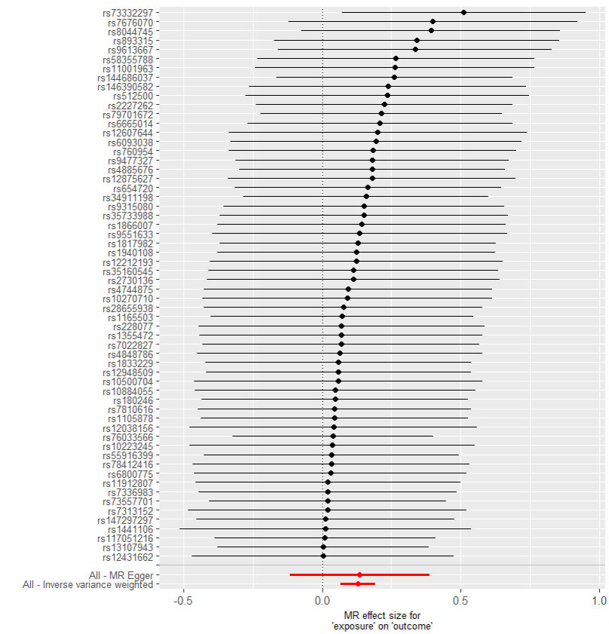
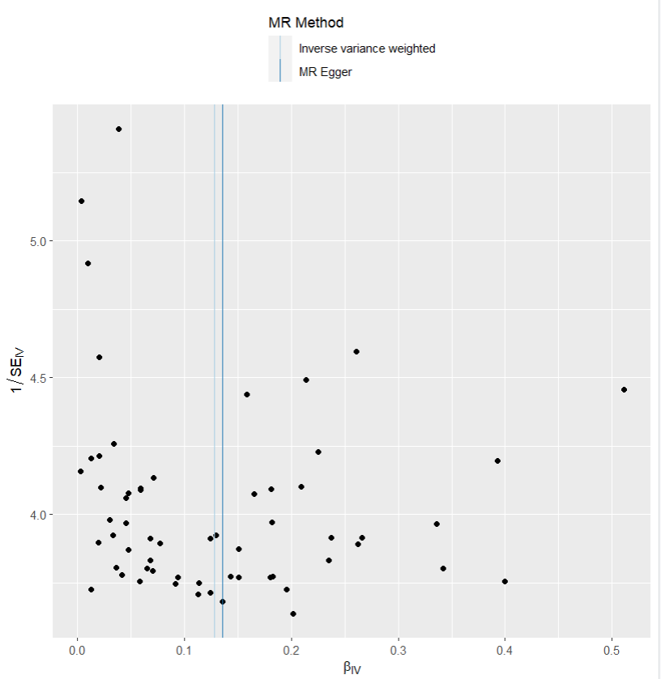
presso |  |  |  |  |  |  |  |  |  | 散點圖 |  |  | 森林圖 | 漏斗圖

heterogeneity
 | id.exposure | id.outcome | outcome | exposure | method | Q | Q_df | Q_val
1 | g0eZT5 | kkcTgs | outcome | exposure | MR Egger | 12.80137 | 58 | 1
2 | g0eZT5 | kkcTgs | outcome | exposure | Inverse variance weighted | 12.80475 | 59 | 1

pleiotropy
 | id.exposure | id.outcome | outcome | exposure | egger_interept | se | pval
1 | g0eZT5 | kkcTgs | outcome | exposure | -0.0002210473 | 0.003802163 | 0.9538391

two exp 乾眼 out IBS
exposure_dat
outcome_dat
 | id.exposure | id.outcome | outcome | exposure | method | nsnp | b | se | pval | OR | OR 95% C.I. | Beta 95%C.I
1 | CHB702 | YdKN2q | outcome | exposure | MR Egger | 5 | 0.33714286105 | 0.42167661214 | 0.48243397127 | 1.4009391891 | ( 0.613028838842974 , 3.20153064126017 ) | ( -0.489343298731689 , 1.16362902083836 )
2 | CHB702 | YdKN2q | outcome | exposure | Weighted median | 5 | 0.57022968321 | 0.16046270075 | 0.00037991180453 | 1.7686732393 | ( 1.2913946904685 , 2.42234620493839 ) | ( 0.255722789747927 , 0.884736576673913 )
3 | CHB702 | YdKN2q | outcome | exposure | Inverse variance weighted | 5 | 0.53993323954 | 0.12029889121 | 7.18E-06 | 1.7158923046 | ( 1.3554688547688 , 2.17215348817742 ) | ( 0.304147412760704 , 0.775719066323262 )
4 | CHB702 | YdKN2q | outcome | exposure | Simple mode | 5 | 0.59560073481 | 0.20740298317 | 0.045390447571 | 1.814120423 | ( 1.20815075364127 , 2.7240250433261 ) | ( 0.189090887786894 , 1.00211058183021 )
5 | CHB702 | YdKN2q | outcome | exposure | Weighted mode | 5 | 0.59294090635 | 0.20486108905 | 0.044368449724 | 1.8093015853 | ( 1.21095968314204 , 2.70328754310344 ) | ( 0.19141317181365 , 0.994468640882997 )

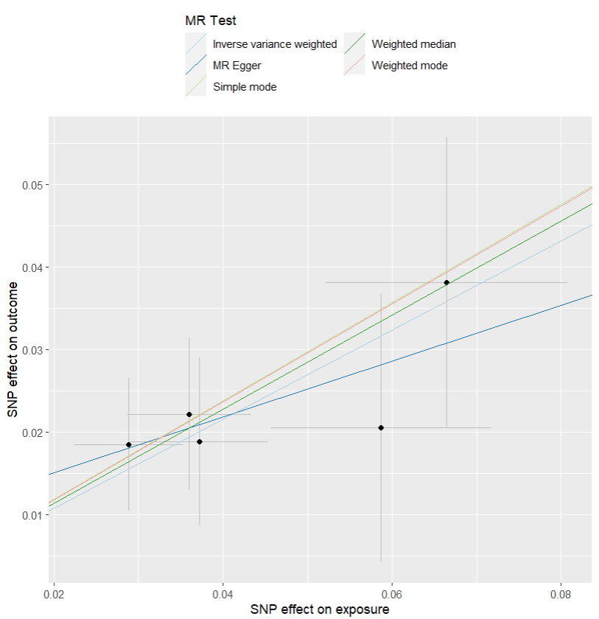
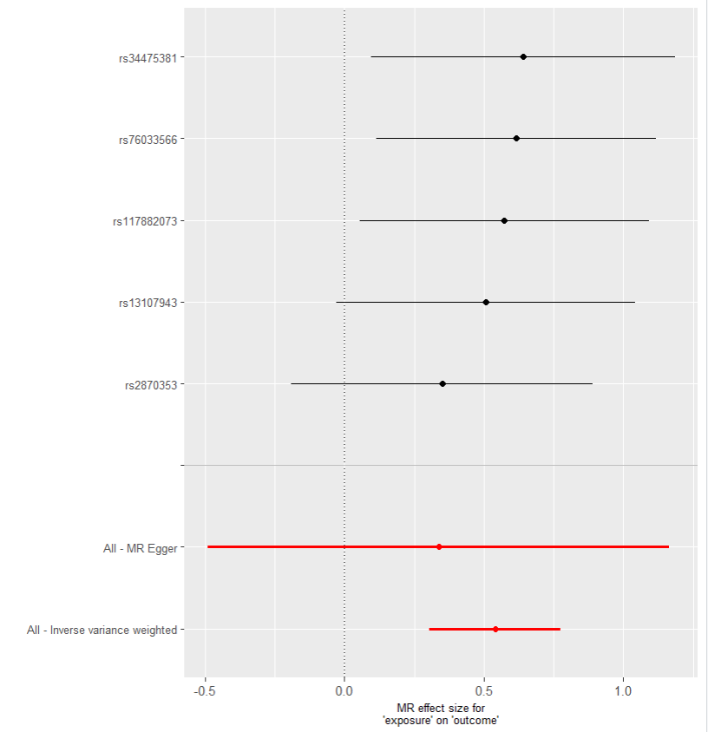
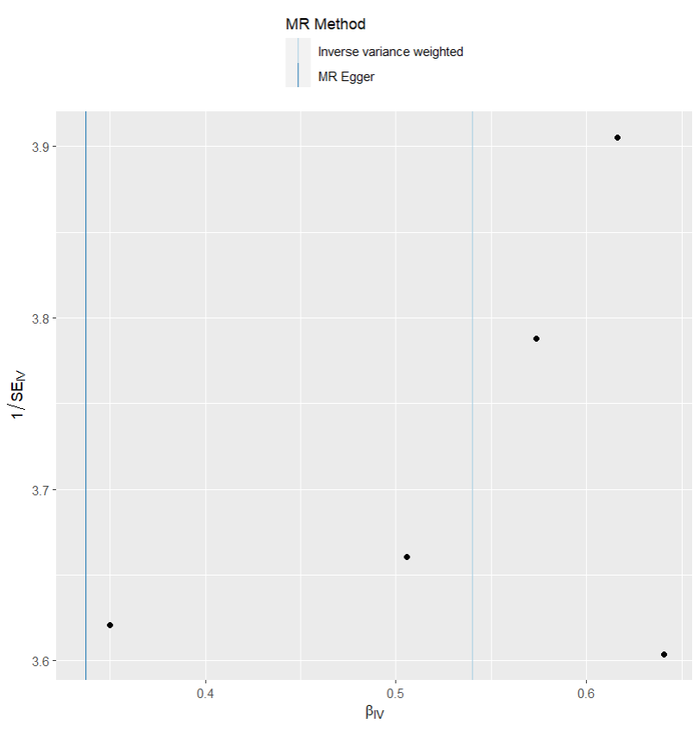
presso |  |  |  |  |  |  |  |  |  | 散點圖 |  |  | 森林圖 | 漏斗圖

heterogeneity
 | id.exposure | id.outcome | outcome | exposure | method | Q | Q_df | Q_val
1 | CHB702 | YdKN2q | outcome | exposure | MR Egger | 0.4734423 | 3 | 0.9246861
2 | CHB702 | YdKN2q | outcome | exposure | Inverse variance weighted | 0.7252123 | 4 | 0.9481837

pleiotropy
 | id.exposure | id.outcome | outcome | exposure | egger_interept | se | pval
1 | CHB702 | YdKN2q | outcome | exposure | 0.008372675 | 0.01668639 | 0.6503419

two exp IBS out 憂鬱
exposure_dat
outcome_dat
 | id.exposure | id.outcome | outcome | exposure | method | nsnp | b | se | pval | OR | OR 95% C.I. | Beta 95%C.I
1 | Skd9Ap | Uyp4mm | outcome | exposure | MR Egger | 5 | 0.10097863339 | 0.26458102486 | 0.72814554625 | 1.1062530046 | ( 0.658625510518213 , 1.85810554058631 ) | ( -0.417600175325695 , 0.619557442107953 )
2 | Skd9Ap | Uyp4mm | outcome | exposure | Weighted median | 5 | 0.36043910865 | 0.10094642544 | 0.00035616711291 | 1.4339589401 | ( 1.17654727931848 , 1.74768857833276 ) | ( 0.162584114793877 , 0.558294102512633 )
3 | Skd9Ap | Uyp4mm | outcome | exposure | Inverse variance weighted | 5 | 0.4054331147 | 0.071105323152 | 1.19E-08 | 1.4999520106 | ( 1.30482206304177 , 1.72426271595071 ) | ( 0.266066681318562 , 0.544799548074119 )
4 | Skd9Ap | Uyp4mm | outcome | exposure | Simple mode | 5 | 0.36718295965 | 0.13964119579 | 0.058218244653 | 1.4436620269 | ( 1.09799546835797 , 1.89814995402576 ) | ( 0.0934862159002877 , 0.640879703402919 )
5 | Skd9Ap | Uyp4mm | outcome | exposure | Weighted mode | 5 | 0.35961651966 | 0.12892365294 | 0.049343486594 | 1.4327798663 | ( 1.11285207833402 , 1.84468195297552 ) | ( 0.106926159897624 , 0.612306879421696 )

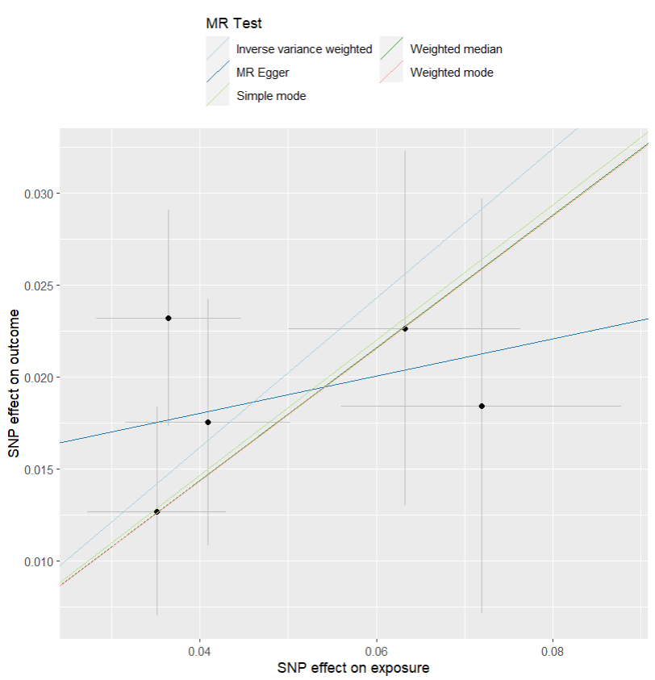
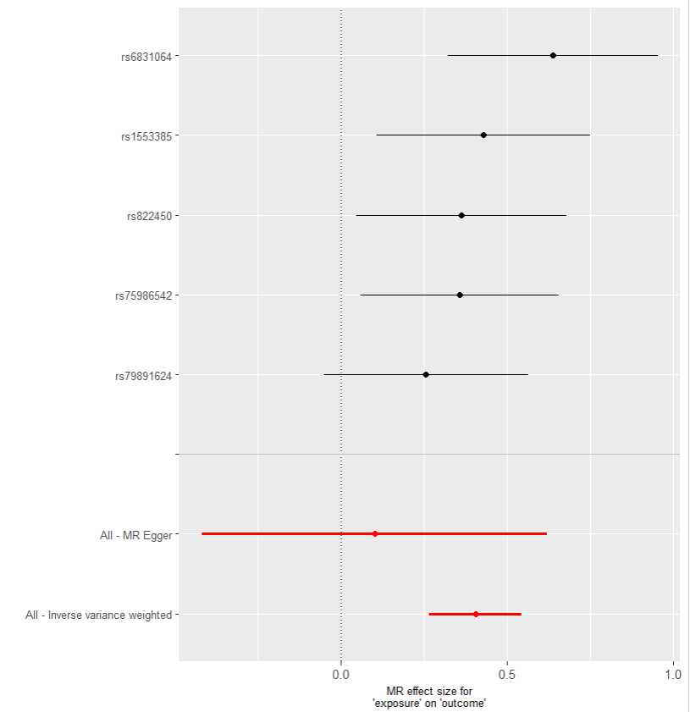
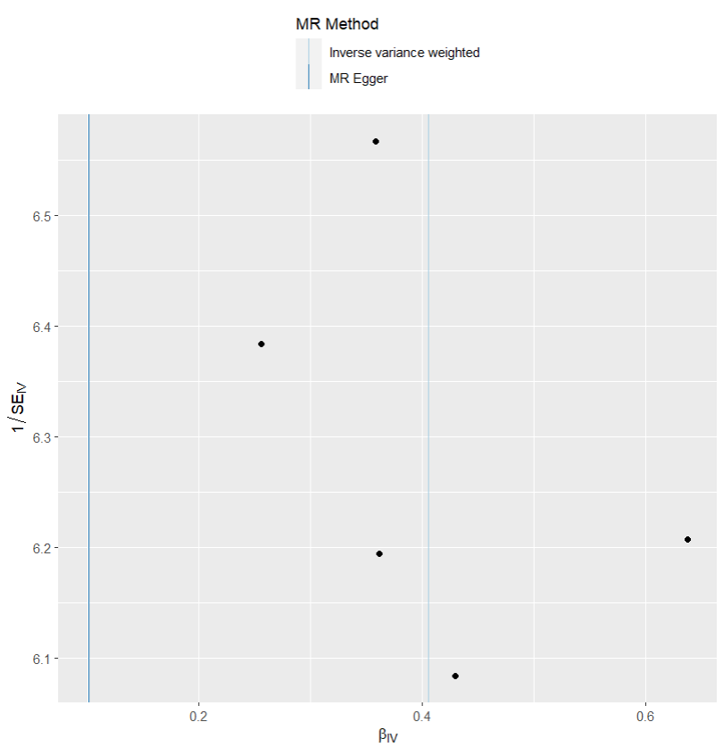
presso |  |  |  |  |  |  |  |  |  | 散點圖 |  |  | 森林圖 | 漏斗圖

heterogeneity
 | id.exposure | id.outcome | outcome | exposure | method | Q | Q_df | Q_val
1 | Skd9Ap | Uyp4mm | outcome | exposure | MR Egger | 1.74729 | 3 | 0.6264719
2 | Skd9Ap | Uyp4mm | outcome | exposure | Inverse variance weighted | 3.174489 | 4 | 0.5290612

pleiotropy
 | id.exposure | id.outcome | outcome | exposure | egger_interept | se | pval
1 | Skd9Ap | Uyp4mm | outcome | exposure | 0.01398558 | 0.0117068 | 0.3180613

two exp IBS out 乾眼
exposure_dat
outcome_dat
 | id.exposure | id.outcome | outcome | exposure | method | nsnp | b | se | pval | OR | OR 95% C.I. | Beta 95%C.I
1 | vR0zFc | Racv4x | outcome | exposure | MR Egger | 5 | 0.52213362175 | 0.29743229808 | 0.17744380522 | 1.6856202918 | ( 0.940979728176245 , 3.01952920238625 ) | ( -0.0608336824808329 , 1.10510092598458 )
2 | vR0zFc | Racv4x | outcome | exposure | Weighted median | 5 | 0.38006743697 | 0.10908261339 | 0.00049358012902 | 1.4623832048 | ( 1.18088660288594 , 1.8109822166152 ) | ( 0.16626551472709 , 0.593869359203806 )
3 | vR0zFc | Racv4x | outcome | exposure | Inverse variance weighted | 5 | 0.38352870586 | 0.079849517007 | 1.56E-06 | 1.4674536764 | ( 1.25485954819311 , 1.71606479417919 ) | ( 0.227023652530581 , 0.540033759198607 )
4 | vR0zFc | Racv4x | outcome | exposure | Simple mode | 5 | 0.45637419965 | 0.14398260753 | 0.033869219639 | 1.5783408489 | ( 1.19025585581171 , 2.09296162925718 ) | ( 0.17416828889699 , 0.738580110403876 )
5 | vR0zFc | Racv4x | outcome | exposure | Weighted mode | 5 | 0.29082299312 | 0.14996957349 | 0.12448983965 | 1.3375278114 | ( 0.996887483032492 , 1.79456626412325 ) | ( -0.00311737092307407 , 0.584763357155727 )

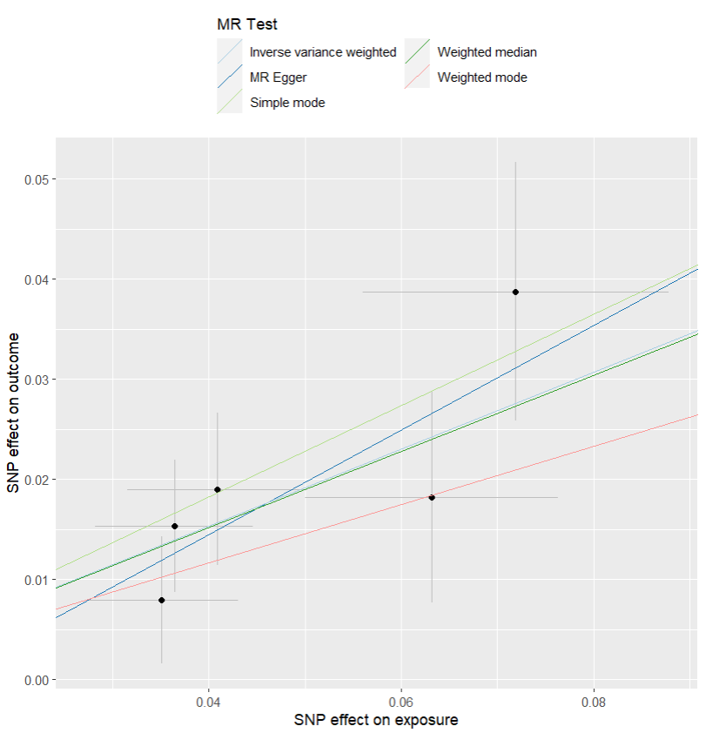
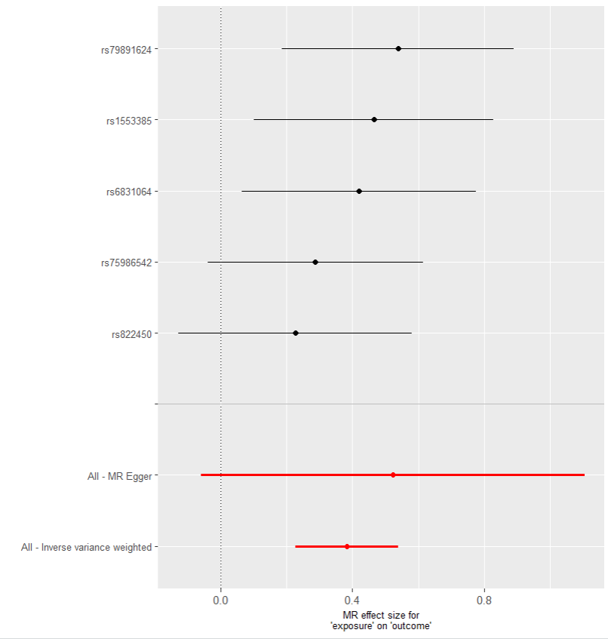
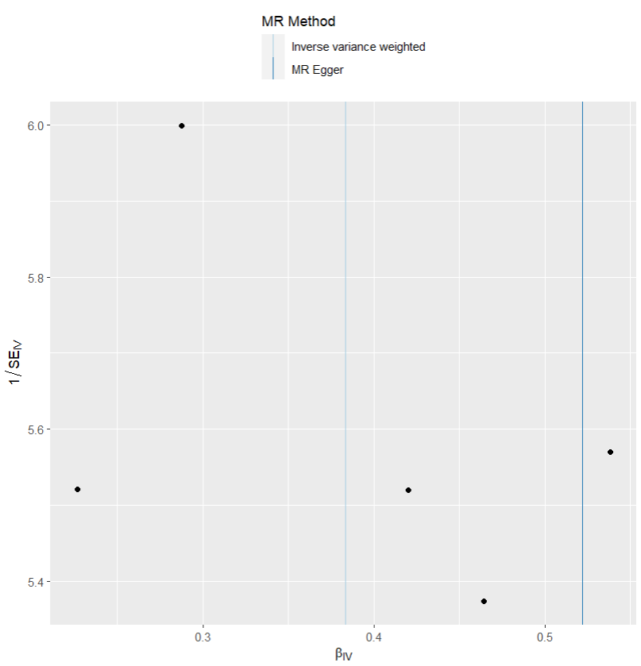
presso |  |  |  |  |  |  |  |  |  | 散點圖 |  |  | 森林圖 | 漏斗圖

heterogeneity
 | id.exposure | id.outcome | outcome | exposure | method | Q | Q_df | Q_val
1 | vR0zFc | Racv4x | outcome | exposure | MR Egger | 1.823664 | 3 | 0.6097989
2 | vR0zFc | Racv4x | outcome | exposure | Inverse variance weighted | 2.057692 | 4 | 0.7251485

pleiotropy
 | id.exposure | id.outcome | outcome | exposure | egger_interept | se | pval
1 | vR0zFc | Racv4x | outcome | exposure | -0.006370759 | 0.01316915 | 0.6616682

