two_adj exp 憂鬱 out 乾眼
exposure_dat
outcome_dat
 | id.exposure | id.outcome | outcome | exposure | method | nsnp | b | se | pval | OR | OR 95% C.I. | Beta 95%C.I
1 | mA0Dve | qcVegO | outcome | exposure | MR Egger | 39 | 0.19672924432 | 0.10832191122 | 0.077456260389 | 1.2174143742 | ( 0.984539064975491 , 1.50537222065985 ) | ( -0.0155817016744529 , 0.409040190319196 )
2 | mA0Dve | qcVegO | outcome | exposure | Weighted median | 39 | 0.095194379615 | 0.030624840663 | 0.0018810069478 | 1.0998726272 | ( 1.03579546000227 , 1.16791378482019 ) | ( 0.0351696919147011 , 0.155219067315341 )
3 | mA0Dve | qcVegO | outcome | exposure | Inverse variance weighted | 39 | 0.10927232606 | 0.023313594573 | 2.77E-06 | 1.1154660795 | ( 1.06564226241785 , 1.16761939565849 ) | ( 0.0635776806949392 , 0.154966971420736 )
4 | mA0Dve | qcVegO | outcome | exposure | Simple mode | 39 | 0.054227655154 | 0.058800691251 | 0.36222819189 | 1.055724916 | ( 0.94080282441708 , 1.18468511081573 ) | ( -0.0610216996982757 , 0.169477010005392 )
5 | mA0Dve | qcVegO | outcome | exposure | Weighted mode | 39 | 0.052887230809 | 0.061356152491 | 0.3941105122 | 1.0543107446 | ( 0.934848468994389 , 1.18903884762276 ) | ( -0.0673708280740836 , 0.17314528969195 )

presso |  |  |  |  |  |  |  |  |  | 散點圖 |  |  | 森林圖 | 漏斗圖
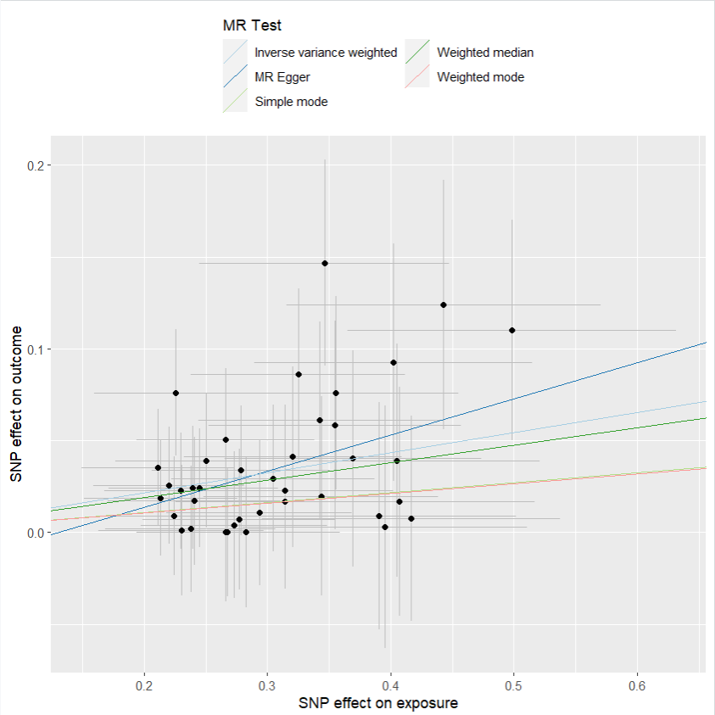
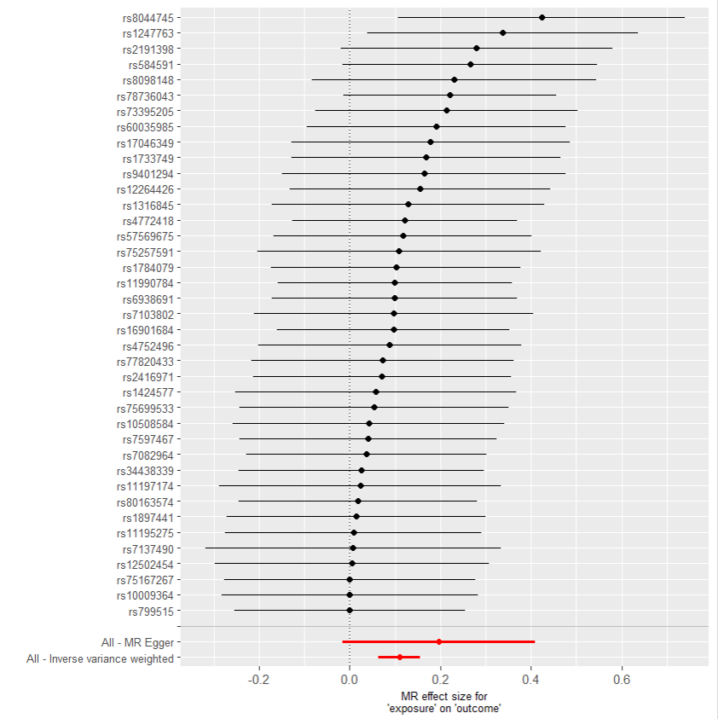
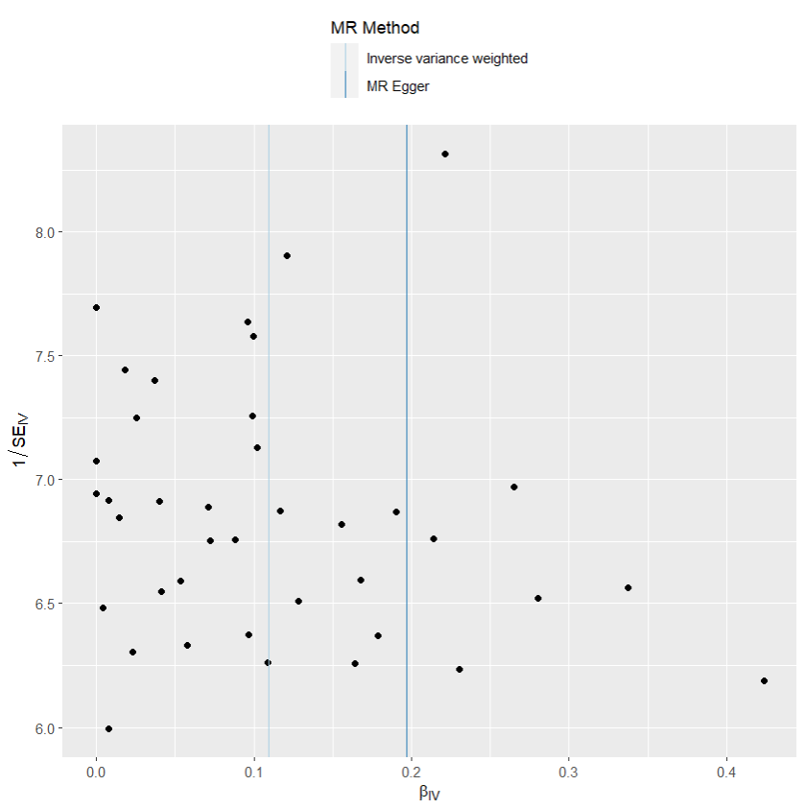

heterogeneity
 | id.exposure | id.outcome | outcome | exposure | method | Q | Q_df | Q_val
1 | mA0Dve | qcVegO | outcome | exposure | MR Egger | 16.47079 | 38 | 0.9985893
2 | mA0Dve | qcVegO | outcome | exposure | Inverse variance weighted | 17.15432 | 37 | 0.9985652

pleiotropy
 | id.exposure | id.outcome | outcome | exposure | egger_interept | se | pval
1 | mA0Dve | qcVegO | outcome | exposure | -0.0254523 | 0.03078578 | 0.4136759

two_adj exp 憂鬱 out IBS
exposure_dat
outcome_dat
 | id.exposure | id.outcome | outcome | exposure | method | nsnp | b | se | pval | OR | OR 95% C.I. | Beta 95%C.I
1 | UMoeBd | kDDTJe | outcome | exposure | MR Egger | 20 | 0.55703161936 | 0.27561948183 | 0.058407805811 | 1.7454835431 | ( 1.01695964410782 , 2.99590334488554 ) | ( 0.0168174349691848 , 1.09724580374789 )
2 | UMoeBd | kDDTJe | outcome | exposure | Weighted median | 20 | 0.21881645878 | 0.08244539676 | 0.0079525598884 | 1.2446028198 | ( 1.05889242643265 , 1.46288342460199 ) | ( 0.0572234811316442 , 0.380409436431177 )
3 | UMoeBd | kDDTJe | outcome | exposure | Inverse variance weighted | 20 | 0.24360469058 | 0.060320961349 | 5.38E-05 | 1.2758398793 | ( 1.13357415074931 , 1.43596022938268 ) | ( 0.12537560633734 , 0.361833774826544 )
4 | UMoeBd | kDDTJe | outcome | exposure | Simple mode | 20 | 0.19797907074 | 0.13789360178 | 0.1673367626 | 1.2189368821 | ( 0.930258858823733 , 1.59719749879907 ) | ( -0.0722923887437935 , 0.468250530214636 )
5 | UMoeBd | kDDTJe | outcome | exposure | Weighted mode | 20 | 0.1852325705 | 0.12666253247 | 0.15997381867 | 1.2034983058 | ( 0.938919067924064 , 1.5426336747449 ) | ( -0.063025993132649 , 0.433491134141349 )

presso |  |  |  |  |  |  |  |  |  | 散點圖 |  |  | 森林圖 | 漏斗圖
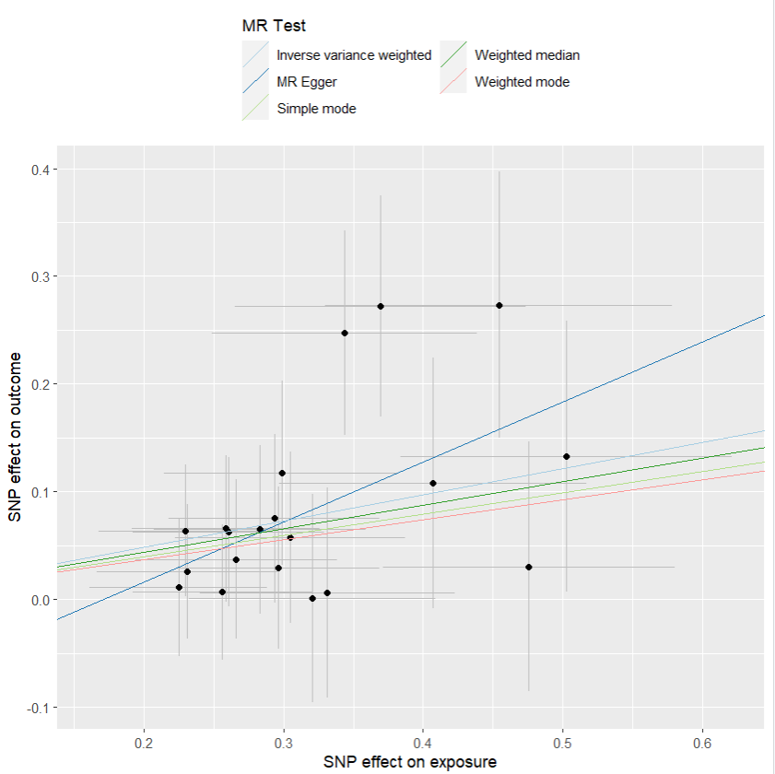
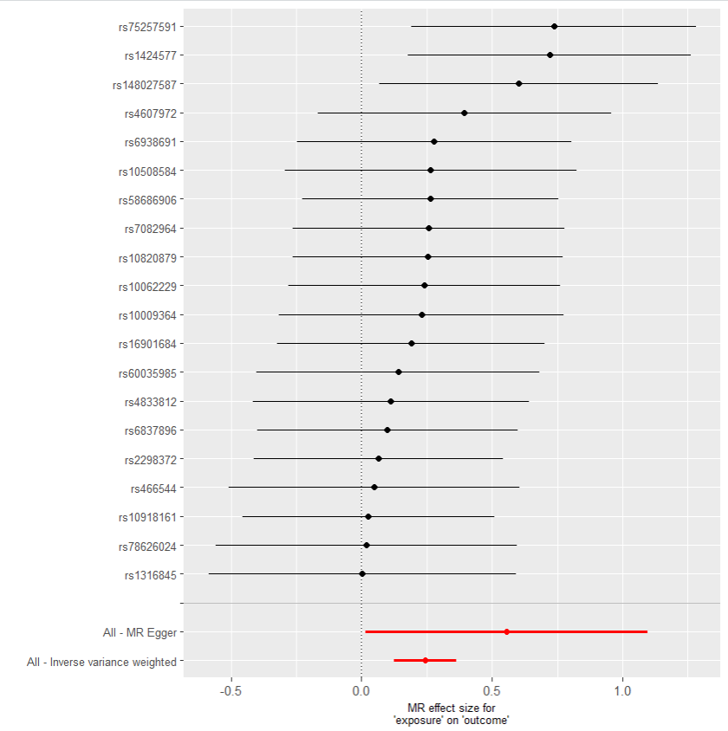
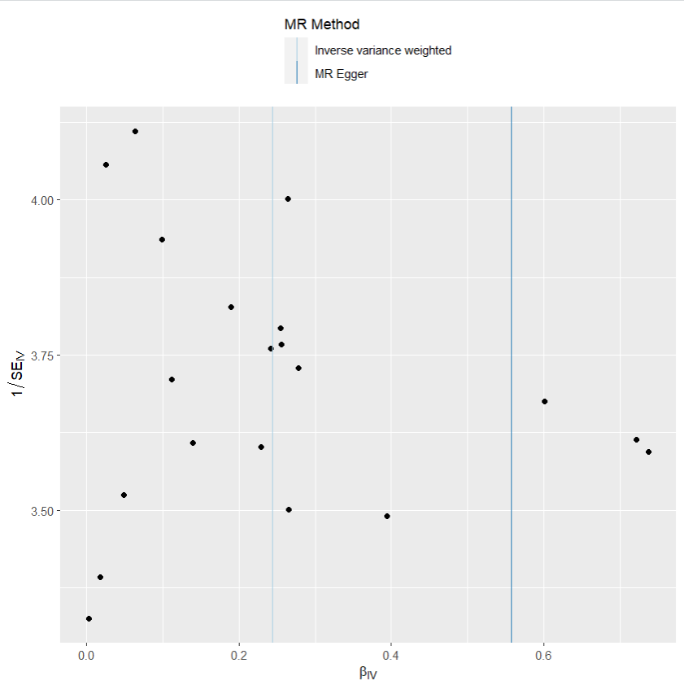

heterogeneity
 | id.exposure | id.outcome | outcome | exposure | method | Q | Q_df | Q_val
1 | UMoeBd | kDDTJe | outcome | exposure | MR Egger | 10.55896 | 18 | 0.9121273
2 | UMoeBd | kDDTJe | outcome | exposure | Inverse variance weighted | 11.91717 | 19 | 0.8891351

pleiotropy
 | id.exposure | id.outcome | outcome | exposure | egger_interept | se | pval
1 | UMoeBd | kDDTJe | outcome | exposure | -0.09535651 | 0.08182117 | 0.2590587

two_adj exp 乾眼 out 憂鬱
exposure_dat
outcome_dat
 | id.exposure | id.outcome | outcome | exposure | method | nsnp | b | se | pval | OR | OR 95% C.I. | Beta 95%C.I
1 | 9g3leS | mhGQ3H | outcome | exposure | MR Egger | 20 | 0.25533672592 | 0.44774196042 | 0.57554022744 | 1.2908962259 | ( 0.536742123632569 , 3.10468098683153 ) | ( -0.622237516513365 , 1.13291096834596 )
2 | 9g3leS | mhGQ3H | outcome | exposure | Weighted median | 20 | 0.36328220933 | 0.13238237402 | 0.0060660665213 | 1.4380416308 | ( 1.1093927086313 , 1.86405022828111 ) | ( 0.103812756264147 , 0.622751662403093 )
3 | 9g3leS | mhGQ3H | outcome | exposure | Inverse variance weighted | 20 | 0.37603478215 | 0.10301593393 | 0.00026197658534 | 1.456497793 | ( 1.19020260823589 , 1.7823736953559 ) | ( 0.17412355165277 , 0.577946012650398 )
4 | 9g3leS | mhGQ3H | outcome | exposure | Simple mode | 20 | 0.39572329476 | 0.226745557 | 0.097097307524 | 1.4854582266 | ( 0.952468734721823 , 2.31670191633577 ) | ( -0.0486979969590461 , 0.840144586477338 )
5 | 9g3leS | mhGQ3H | outcome | exposure | Weighted mode | 20 | 0.40873809688 | 0.22456290763 | 0.084527383122 | 1.5049175263 | ( 0.969082819132755 , 2.33703117646388 ) | ( -0.0314052020823545 , 0.84888139584595 )

presso |  |  |  |  |  |  |  |  |  | 散點圖 |  |  | 森林圖 | 漏斗圖
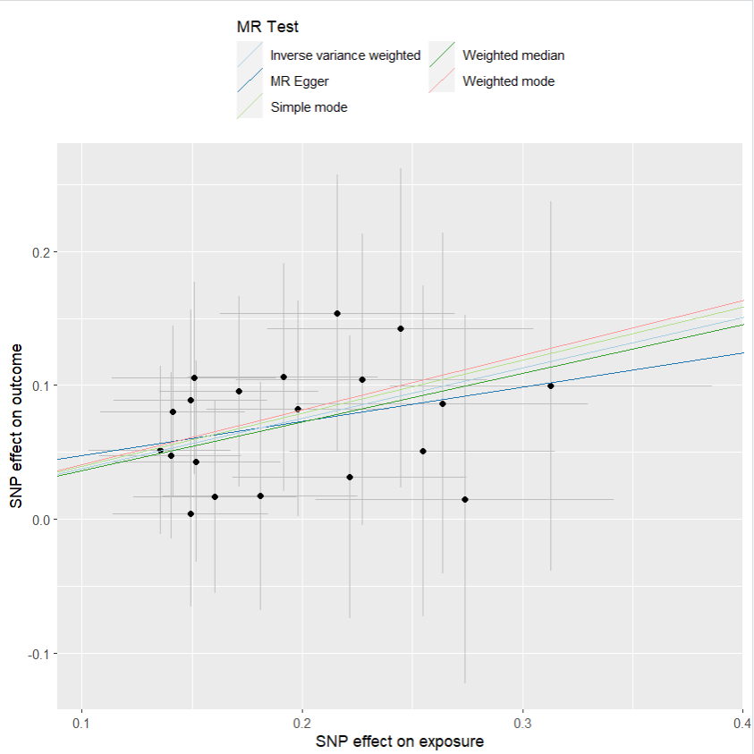
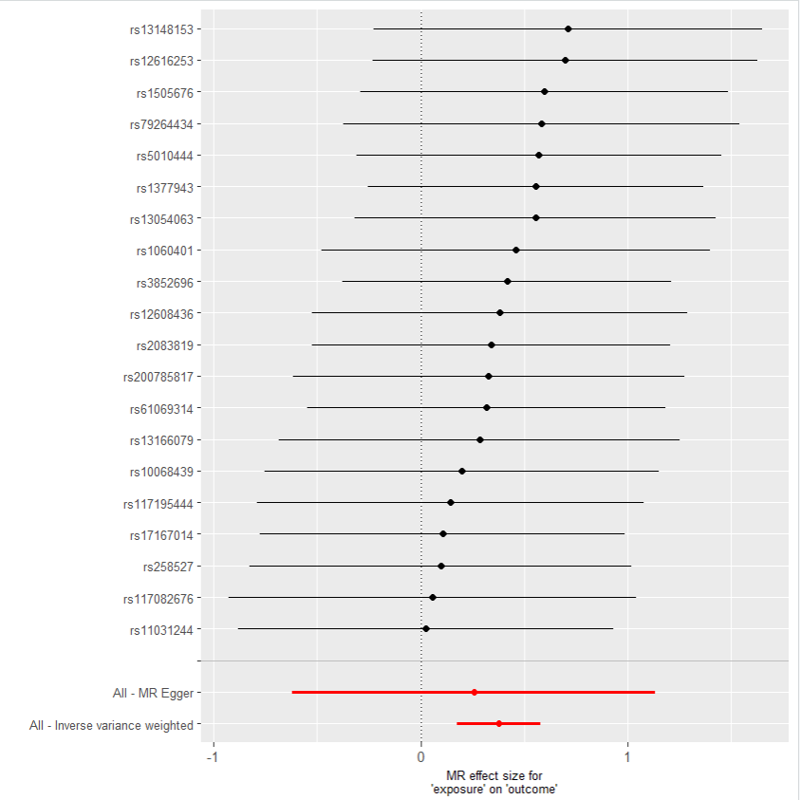
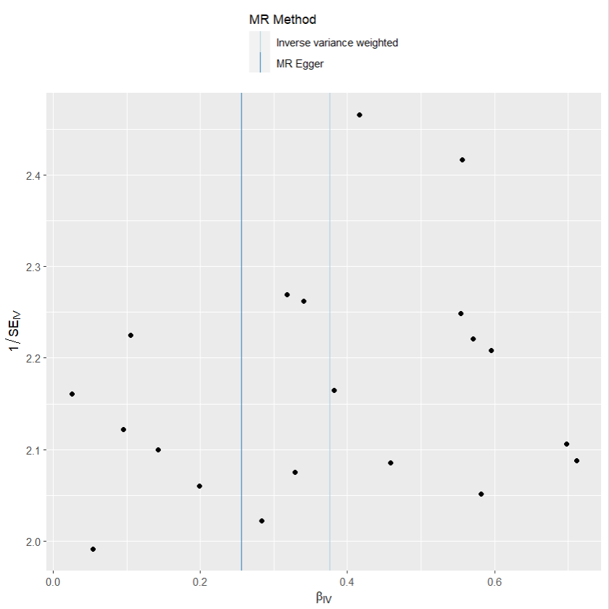

heterogeneity
 | id.exposure | id.outcome | outcome | exposure | method | Q | Q_df | Q_val
1 | 9g3leS | mhGQ3H | outcome | exposure | MR Egger | 4.007796 | 18 | 0.9997592
2 | 9g3leS | mhGQ3H | outcome | exposure | Inverse variance weighted | 4.084527 | 19 | 0.9998751

pleiotropy
 | id.exposure | id.outcome | outcome | exposure | egger_interept | se | pval
1 | 9g3leS | mhGQ3H | outcome | exposure | 0.02214673 | 0.07995153 | 0.7849346

two_adj exp 乾眼 out IBS
exposure_dat
outcome_dat
 | id.exposure | id.outcome | outcome | exposure | method | nsnp | b | se | pval | OR | OR 95% C.I. | Beta 95%C.I
1 | UJv9em | DnQ67k | outcome | exposure | MR Egger | 40 | 0.41200095513 | 0.30897275392 | 0.19032149238 | 1.5098358784 | ( 0.82399926376637 , 2.766512641425 ) | ( -0.19358564256048 , 1.01758755281062 )
2 | UJv9em | DnQ67k | outcome | exposure | Weighted median | 40 | 0.31587142094 | 0.099819249559 | 0.0015538493279 | 1.371453904 | ( 1.12775134709861 , 1.66781960912203 ) | ( 0.120225691806753 , 0.51151715007976 )
3 | UJv9em | DnQ67k | outcome | exposure | Inverse variance weighted | 40 | 0.36154932252 | 0.075330726556 | 1.59E-06 | 1.4355518253 | ( 1.23850015917975 , 1.66395541234009 ) | ( 0.213901098473512 , 0.509197546571317 )
4 | UJv9em | DnQ67k | outcome | exposure | Simple mode | 40 | 0.24054632622 | 0.19888670668 | 0.23376542793 | 1.2719438568 | ( 0.861335128250486 , 1.87829466349759 ) | ( -0.149271618867783 , 0.630364271298982 )
5 | UJv9em | DnQ67k | outcome | exposure | Weighted mode | 40 | 0.18937432185 | 0.17917114116 | 0.29703930375 | 1.2084932333 | ( 0.850610361514999 , 1.71695051094819 ) | ( -0.1618011148178 , 0.540549758522771 )

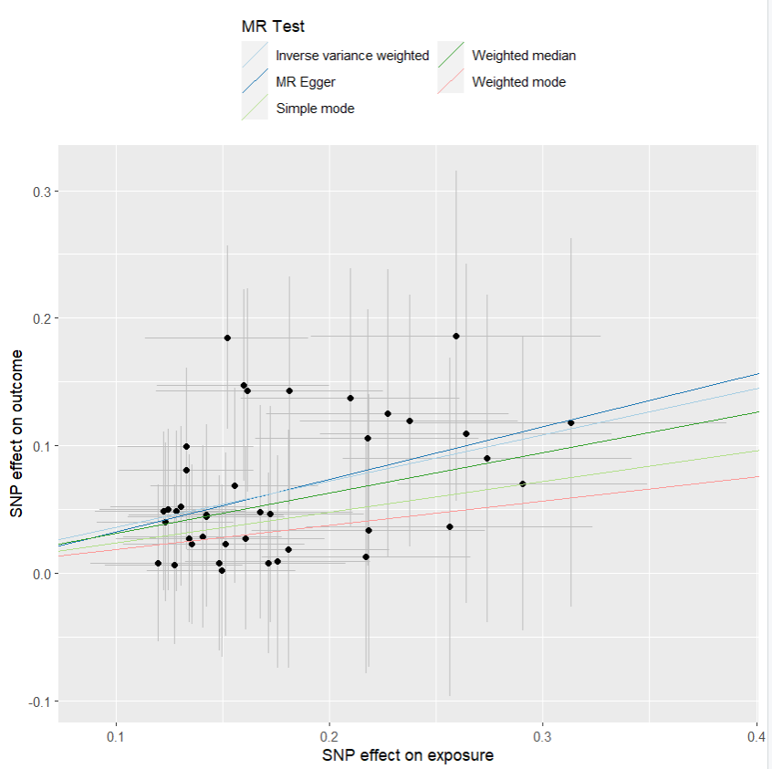
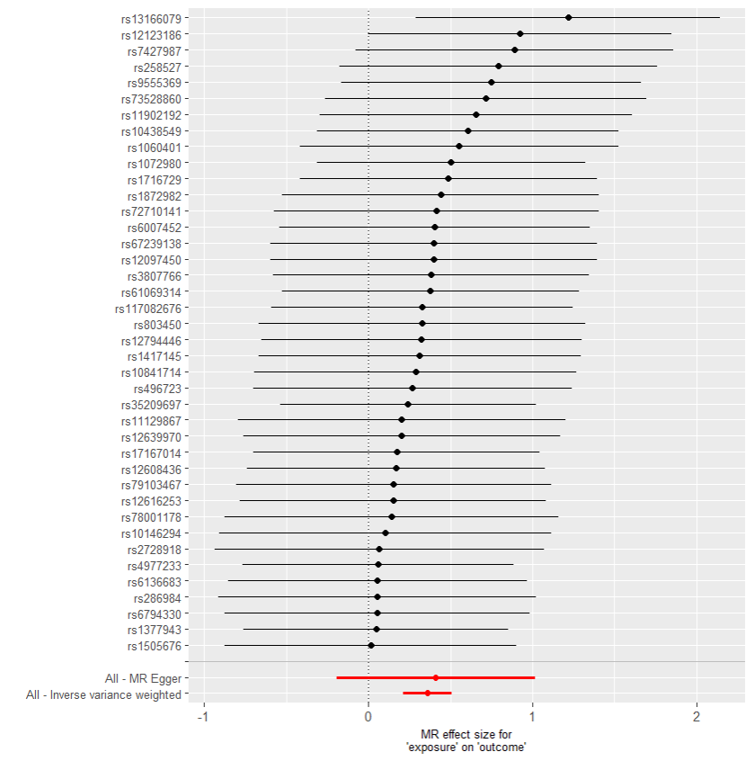
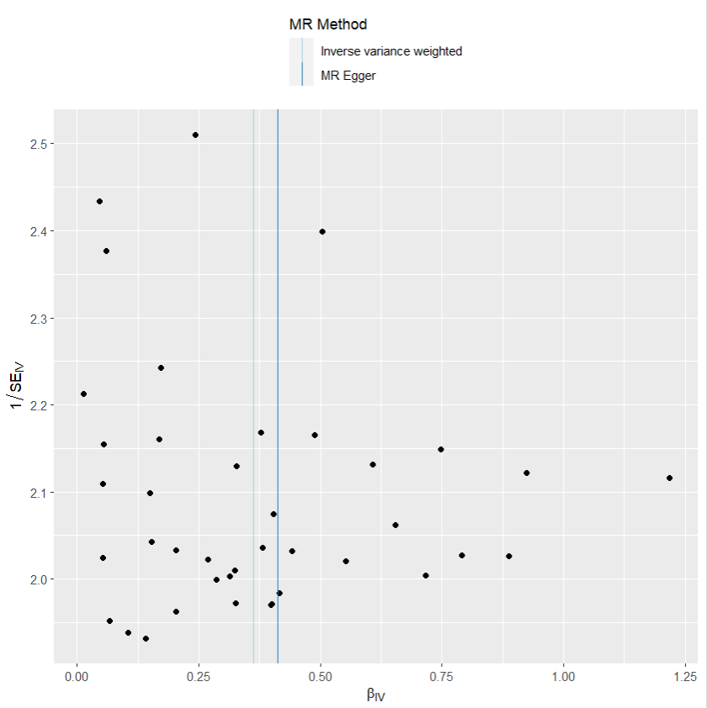
presso |  |  |  |  |  |  |  |  |  | 散點圖 |  |  | 森林圖 | 漏斗圖

heterogeneity
 | id.exposure | id.outcome | outcome | exposure | method | Q | Q_df | Q_val
1 | UJv9em | DnQ67k | outcome | exposure | MR Egger | 13.61674 | 38 | 0.9999084
2 | UJv9em | DnQ67k | outcome | exposure | Inverse variance weighted | 13.64509 | 39 | 0.9999454

pleiotropy
 | id.exposure | id.outcome | outcome | exposure | egger_interept | se | pval
1 | UJv9em | DnQ67k | outcome | exposure | -0.008424659 | 0.05003682 | 0.8671858

two_adj exp IBS out 憂鬱
exposure_dat
outcome_dat
 | id.exposure | id.outcome | outcome | exposure | method | nsnp | b | se | pval | OR | OR 95% C.I. | Beta 95%C.I
1 | K3v2hx | 6yqdh9 | outcome | exposure | MR Egger | 37 | 0.24906399978 | 0.15969807711 | 0.12785369585 | 1.2828241309 | ( 0.938057312257401 , 1.75430405939801 ) | ( -0.0639442313548366 , 0.562072230920577 )
2 | K3v2hx | 6yqdh9 | outcome | exposure | Weighted median | 37 | 0.16430061785 | 0.058429736444 | 0.004924446172 | 1.1785685606 | ( 1.05103809158144 , 1.32157327420306 ) | ( 0.0497783344173378 , 0.278822901276121 )
3 | K3v2hx | 6yqdh9 | outcome | exposure | Inverse variance weighted | 37 | 0.17682808304 | 0.042488045266 | 3.16E-05 | 1.1934259053 | ( 1.09806716806094 , 1.29706581978082 ) | ( 0.0935515143137399 , 0.260104651757419 )
4 | K3v2hx | 6yqdh9 | outcome | exposure | Simple mode | 37 | 0.15112649484 | 0.11211225286 | 0.18608225356 | 1.1631437805 | ( 0.93368746118082 , 1.44898963548673 ) | ( -0.0686135207558035 , 0.370866510439764 )
5 | K3v2hx | 6yqdh9 | outcome | exposure | Weighted mode | 37 | 0.18512408653 | 0.11490689463 | 0.11589693383 | 1.2033677526 | ( 0.96069967972756 , 1.50733260198152 ) | ( -0.0400934269405392 , 0.410341599991741 )

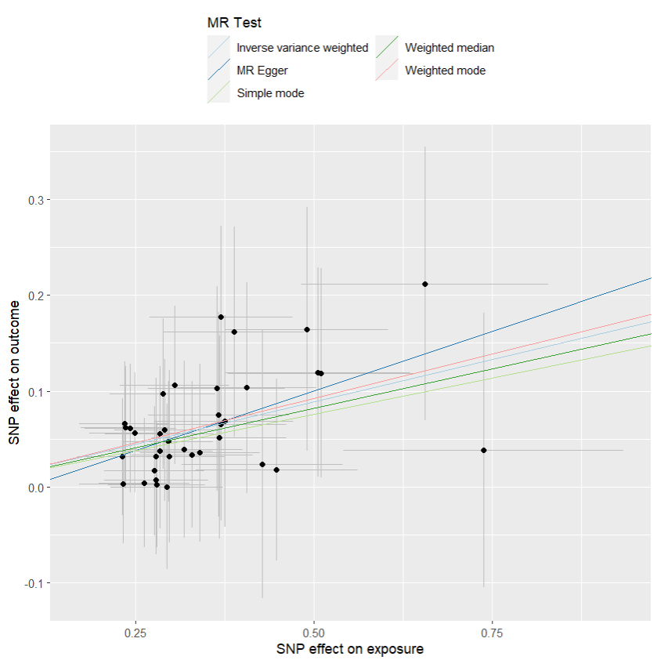
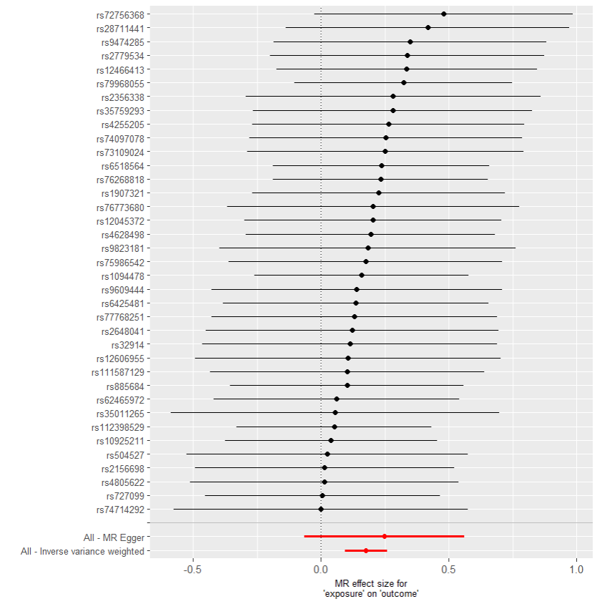
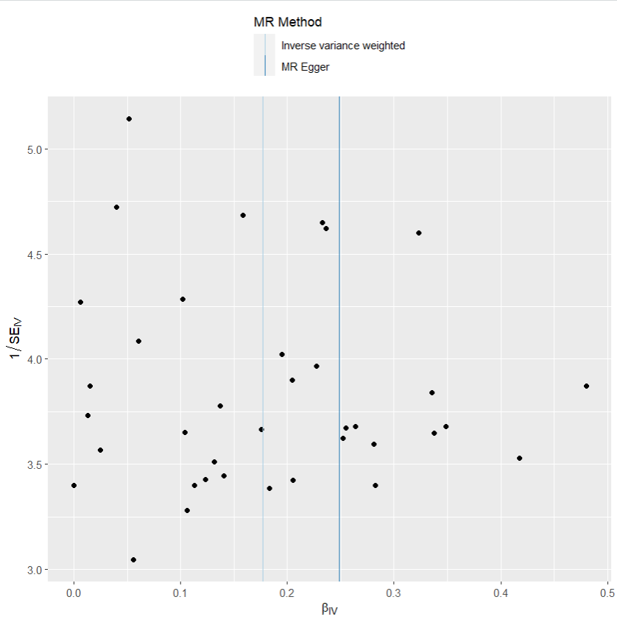
presso |  |  |  |  |  |  |  |  |  | 散點圖 |  |  | 森林圖 | 漏斗圖

heterogeneity
 | id.exposure | id.outcome | outcome | exposure | method | Q | Q_df | Q_val
1 | K3v2hx | 6yqdh9 | outcome | exposure | MR Egger | 7.711975 | 35 | 0.9999997
2 | K3v2hx | 6yqdh9 | outcome | exposure | Inverse variance weighted | 7.932162 | 36 | 0.9999998

pleiotropy
 | id.exposure | id.outcome | outcome | exposure | egger_interept | se | pval
1 | K3v2hx | 6yqdh9 | outcome | exposure | -0.02393101 | 0.0509995 | 0.6418081

two_adj exp IBS out 乾眼
exposure_dat
outcome_dat
 | id.exposure | id.outcome | outcome | exposure | method | nsnp | b | se | pval | OR | OR 95% C.I. | Beta 95%C.I
1 | wO9TFN | kwvmu7 | outcome | exposure | MR Egger | 19 | 0.009347217588 | 0.13097613032 | 0.94393948487 | 1.0093910393 | ( 0.780854850031756 , 1.30481391015306 ) | ( -0.247365997846779 , 0.266060433022792 )
2 | wO9TFN | kwvmu7 | outcome | exposure | Weighted median | 19 | 0.10172600337 | 0.04019155088 | 0.011372826338 | 1.107080094 | ( 1.02321595422781 , 1.1978178500406 ) | ( 0.0229505636431567 , 0.180501443092002 )
3 | wO9TFN | kwvmu7 | outcome | exposure | Inverse variance weighted | 19 | 0.11204259549 | 0.029788825198 | 0.00016908049127 | 1.1185605053 | ( 1.05512210345928 , 1.18581309200401 ) | ( 0.0536564981070107 , 0.170428692881226 )
4 | wO9TFN | kwvmu7 | outcome | exposure | Simple mode | 19 | 0.11854412886 | 0.070818365155 | 0.11143461406 | 1.1258565558 | ( 0.979943985264924 , 1.29349534588932 ) | ( -0.0202598668440293 , 0.257348124561958 )
5 | wO9TFN | kwvmu7 | outcome | exposure | Weighted mode | 19 | 0.11749095945 | 0.067591269775 | 0.099242076883 | 1.1246714623 | ( 0.985123830660392 , 1.28398670160788 ) | ( -0.014987929305204 , 0.24996984821093 )

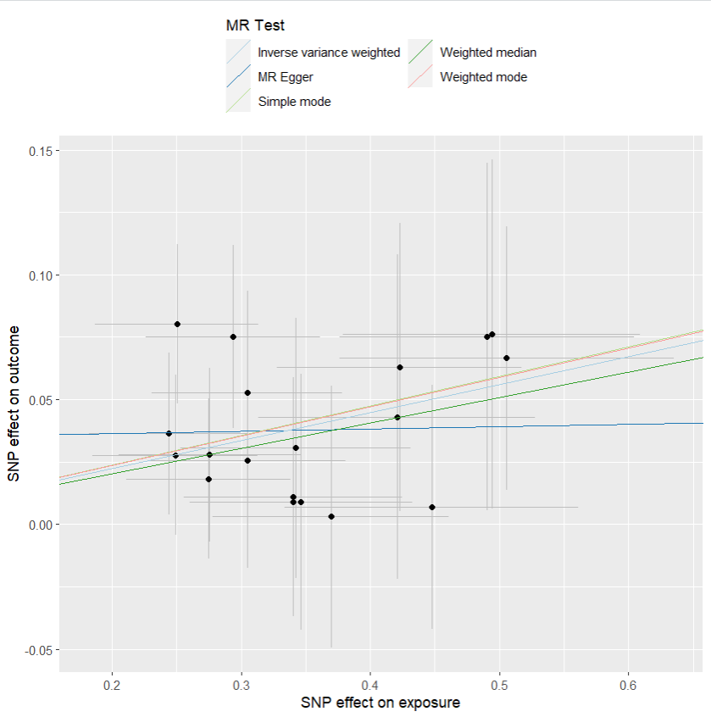
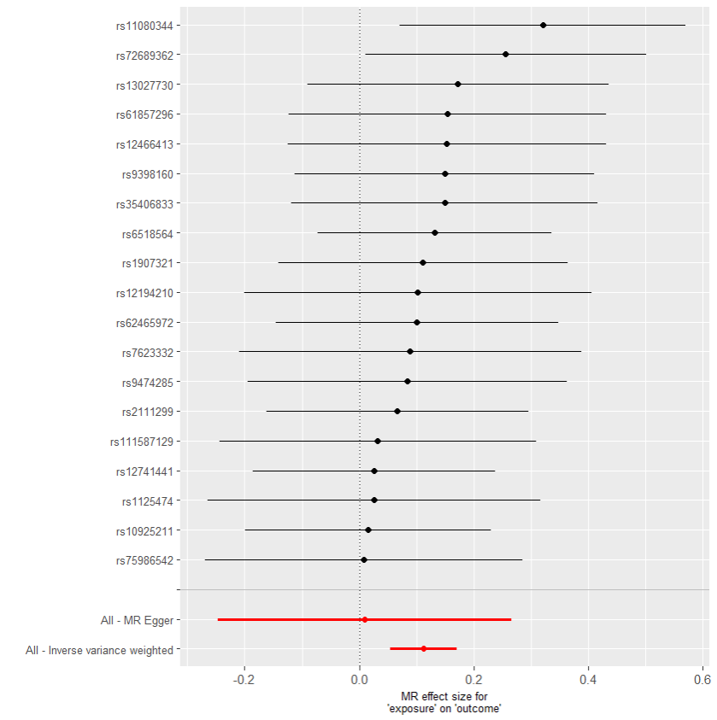
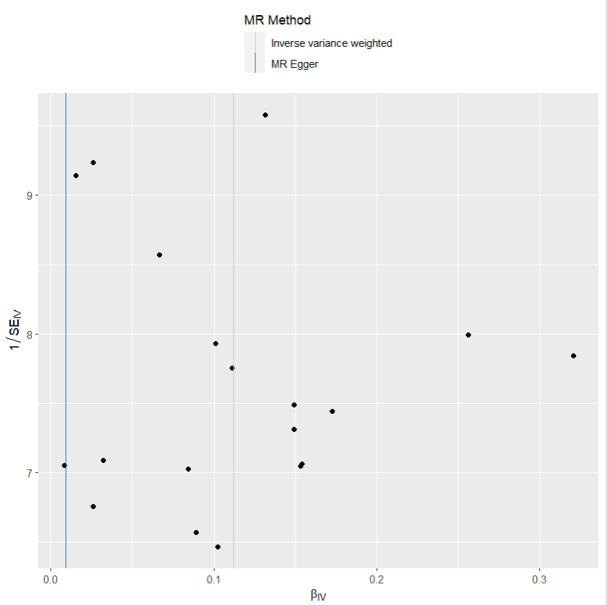
presso |  |  |  |  |  |  |  |  |  | 散點圖 |  |  | 森林圖 | 漏斗圖

heterogeneity
 | id.exposure | id.outcome | outcome | exposure | method | Q | Q_df | Q_val
1 | wO9TFN | kwvmu7 | outcome | exposure | MR Egger | 6.742912 | 17 | 0.98664
2 | wO9TFN | kwvmu7 | outcome | exposure | Inverse variance weighted | 7.391224 | 18 | 0.9863915

pleiotropy
 | id.exposure | id.outcome | outcome | exposure | egger_interept | se | pval
1 | wO9TFN | kwvmu7 | outcome | exposure | 0.03442414 | 0.04275342 | 0.4318348

two_cojo exp 憂鬱 out 乾眼
exposure_dat
outcome_dat
 | id.exposure | id.outcome | outcome | exposure | method | nsnp | b | se | pval | OR | OR 95% C.I. | Beta 95%C.I
1 | sZx9ec | UOgUOy | outcome | exposure | MR Egger | 39 | 0.19619856395 | 0.10832649342 | 0.078238020997 | 1.2167684877 | ( 0.984007890500812 , 1.50458707391265 ) | ( -0.0161213631603956 , 0.408518491061389 )
2 | sZx9ec | UOgUOy | outcome | exposure | Weighted median | 39 | 0.095177539522 | 0.030402682239 | 0.001744710366 | 1.0998541054 | ( 1.03622912481583 , 1.16738569117465 ) | ( 0.0355882823340101 , 0.154766796709399 )
3 | sZx9ec | UOgUOy | outcome | exposure | Inverse variance weighted | 39 | 0.10913751035 | 0.023314135376 | 2.85E-06 | 1.1153157072 | ( 1.06549747738079 , 1.16746323030888 ) | ( 0.0634418050087172 , 0.154833215682841 )
4 | sZx9ec | UOgUOy | outcome | exposure | Simple mode | 39 | 0.052835795696 | 0.058956395809 | 0.37579672963 | 1.0542565174 | ( 0.939207597988132 , 1.18339843817408 ) | ( -0.0627187400899497 , 0.168390331481049 )
5 | sZx9ec | UOgUOy | outcome | exposure | Weighted mode | 39 | 0.052835795696 | 0.062310659427 | 0.40178012194 | 1.0542565174 | ( 0.933053165117241 , 1.19120415227435 ) | ( -0.0692930967815832 , 0.174964688172682 )

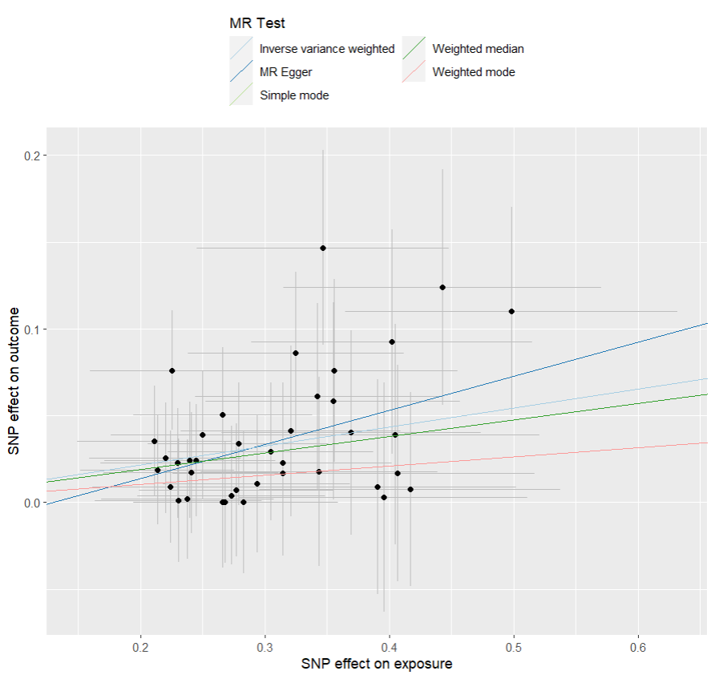
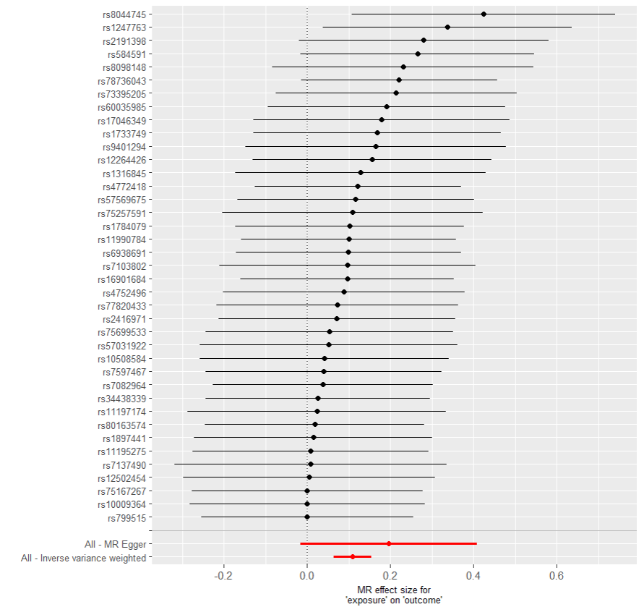
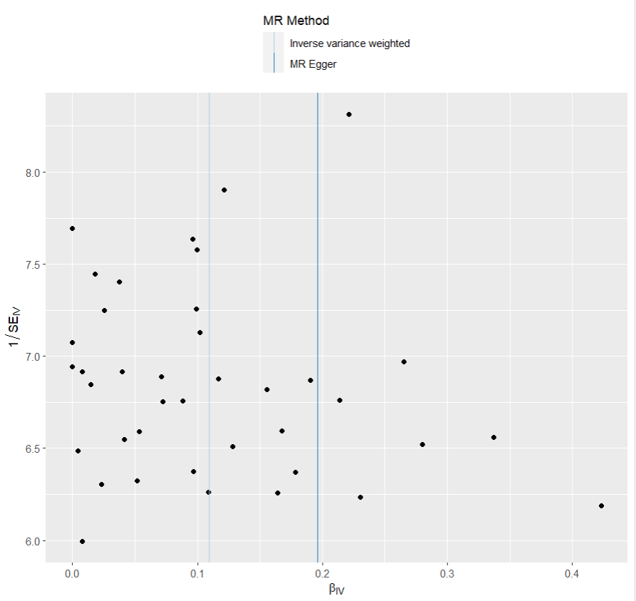
presso |  |  |  |  |  |  |  |  |  | 散點圖 |  |  | 森林圖 | 漏斗圖

heterogeneity
 | id.exposure | id.outcome | outcome | exposure | method | Q | Q_df | Q_val
1 | sZx9ec | UOgUOy | outcome | exposure | MR Egger | 16.4982 | 37 | 0.9985635
2 | sZx9ec | UOgUOy | outcome | exposure | Inverse variance weighted | 17.17549 | 38 | 0.9985454

pleiotropy
 | id.exposure | id.outcome | outcome | exposure | egger_interept | se | pval
1 | sZx9ec | UOgUOy | outcome | exposure | -0.02533671 | 0.03078665 | 0.4157937

two_cojo exp 憂鬱 out IBS
exposure_dat
outcome_dat
 | id.exposure | id.outcome | outcome | exposure | method | nsnp | b | se | pval | OR | OR 95% C.I. | Beta 95%C.I
1 | tIEVkK | QGPr3J | outcome | exposure | MR Egger | 15 | 0.58939109559 | 0.35327217298 | 0.11913339381 | 1.8028902933 | ( 0.902106799024953 , 3.60313591807364 ) | ( -0.103022363461843 , 1.28180455463858 )
2 | tIEVkK | QGPr3J | outcome | exposure | Weighted median | 15 | 0.23727610977 | 0.093382248406 | 0.011056362777 | 1.267791119 | ( 1.05574523652939 , 1.52242630675697 ) | ( 0.0542469028912491 , 0.42030531664358 )
3 | tIEVkK | QGPr3J | outcome | exposure | Inverse variance weighted | 15 | 0.2391463648 | 0.069566901532 | 0.00058679478273 | 1.2701644303 | ( 1.10826445517142 , 1.45571544100304 ) | ( 0.102795237798589 , 0.375497491802288 )
4 | tIEVkK | QGPr3J | outcome | exposure | Simple mode | 15 | 0.25103941157 | 0.14357915479 | 0.10227085766 | 1.2853607414 | ( 0.970080974780682 , 1.70310755342804 ) | ( -0.0303757318135572 , 0.532454554958238 )
5 | tIEVkK | QGPr3J | outcome | exposure | Weighted mode | 15 | 0.25103941157 | 0.14235408562 | 0.099620575405 | 1.2853607414 | ( 0.972413069428016 , 1.69902306697464 ) | ( -0.0279745962479145 , 0.530053419392595 )

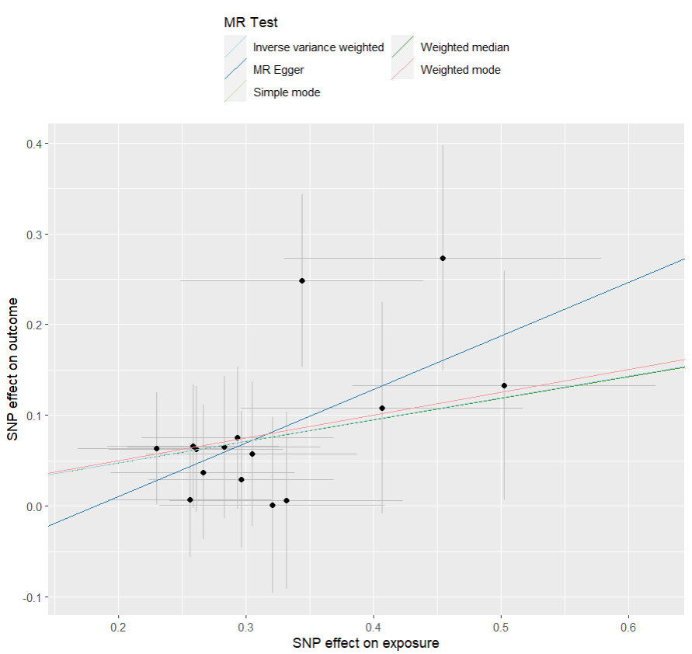
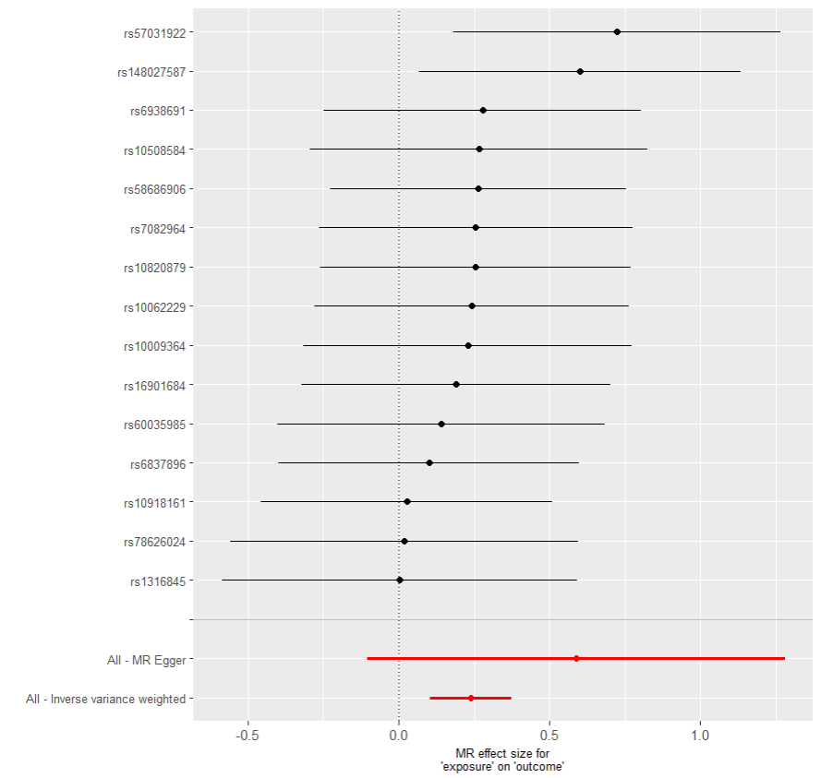
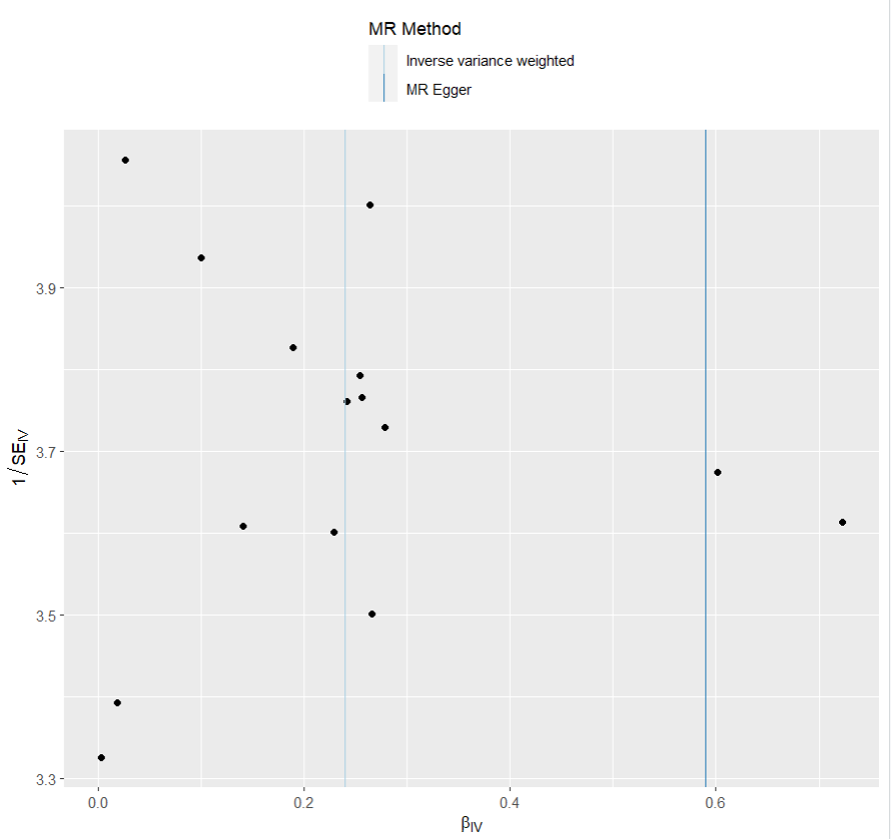
presso |  |  |  |  |  |  |  |  |  | 散點圖 |  |  | 森林圖 | 漏斗圖

heterogeneity
 | id.exposure | id.outcome | outcome | exposure | method | Q | Q_df | Q_val
1 | tIEVkK | QGPr3J | outcome | exposure | MR Egger | 6.242801 | 13 | 0.9368679
2 | tIEVkK | QGPr3J | outcome | exposure | Inverse variance weighted | 7.265389 | 14 | 0.9239963

pleiotropy
 | id.exposure | id.outcome | outcome | exposure | egger_interept | se | pval
1 | tIEVkK | QGPr3J | outcome | exposure | -0.1068761 | 0.1056891 | 0.330358

two_cojo exp 乾眼 out 憂鬱
exposure_dat
outcome_dat
 | id.exposure | id.outcome | outcome | exposure | method | nsnp | b | se | pval | OR | OR 95% C.I. | Beta 95%C.I
1 | NJUCh1 | q8HwCu | outcome | exposure | MR Egger | 20 | 0.24047775636 | 0.45185491553 | 0.60109480386 | 1.2718566428 | ( 0.524579715932034 , 3.083648243906 ) | ( -0.645157878076481 , 1.12611339079969 )
2 | NJUCh1 | q8HwCu | outcome | exposure | Weighted median | 20 | 0.3632750536 | 0.13697024771 | 0.0079964726074 | 1.4380313405 | ( 1.0994536428467 , 1.88087433231107 ) | ( 0.0948133680926428 , 0.631736739108377 )
3 | NJUCh1 | q8HwCu | outcome | exposure | Inverse variance weighted | 20 | 0.37491031927 | 0.10302872234 | 0.00027381435833 | 1.4548609358 | ( 1.18883522289202 , 1.78041523475101 ) | ( 0.17297402348928 , 0.57684661504893 )
4 | NJUCh1 | q8HwCu | outcome | exposure | Simple mode | 20 | 0.51305926138 | 0.23945616914 | 0.045309233424 | 1.6703935567 | ( 1.04469520170882 , 2.67084086327603 ) | ( 0.0437251698660159 , 0.982393352898023 )
5 | NJUCh1 | q8HwCu | outcome | exposure | Weighted mode | 20 | 0.44789348299 | 0.22668017733 | 0.0628723322 | 1.5650119864 | ( 1.00360682442034 , 2.44046020603618 ) | ( 0.00360033542756061 , 0.892186630551883 )

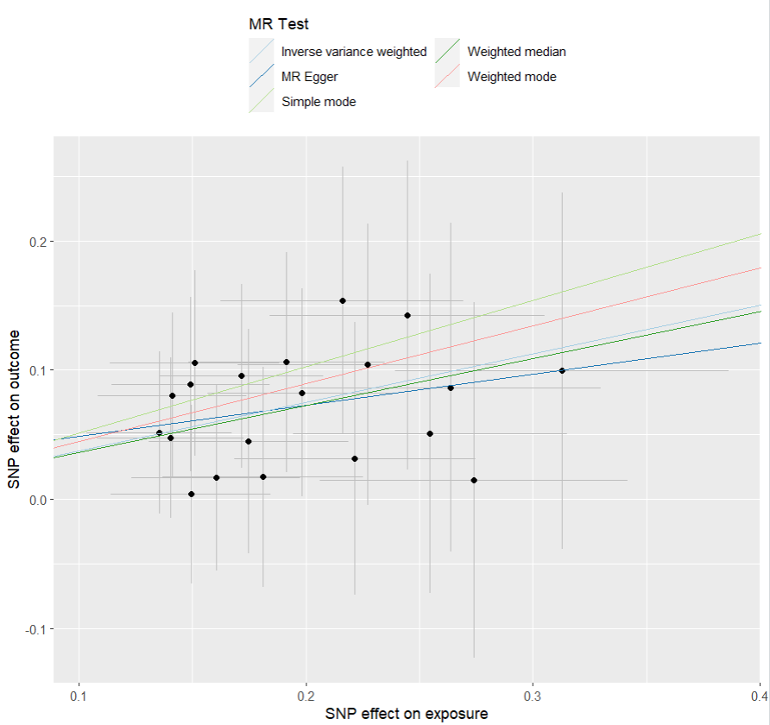
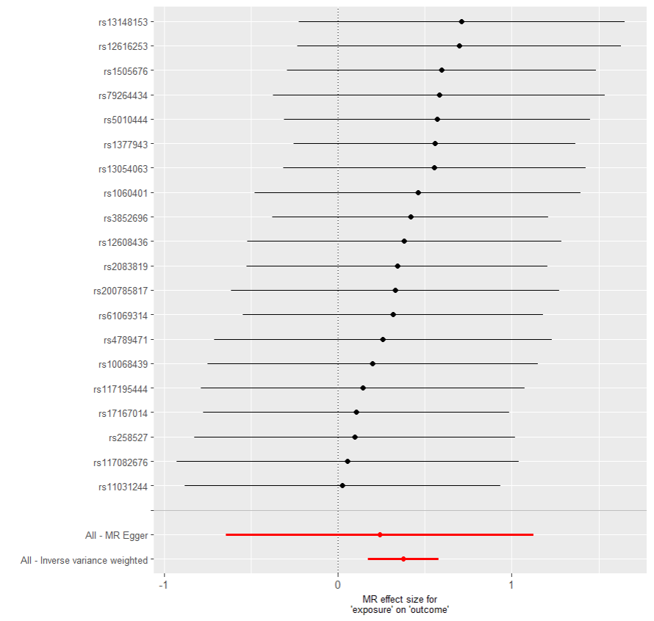
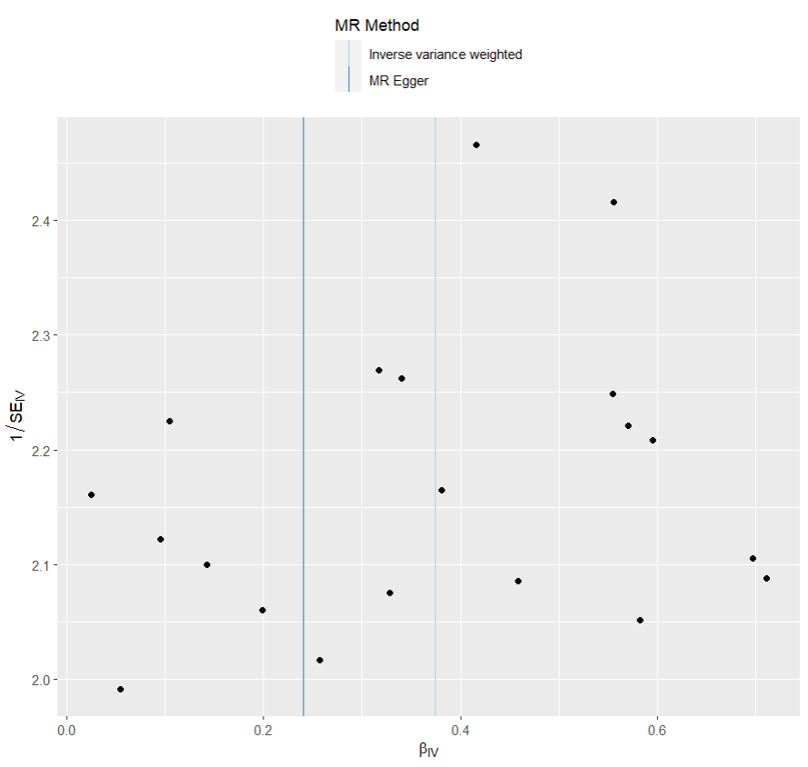
presso |  |  |  |  |  |  |  |  |  | 散點圖 |  |  | 森林圖 | 漏斗圖

heterogeneity
 | id.exposure | id.outcome | outcome | exposure | method | Q | Q_df | Q_val
1 | NJUCh1 | q8HwCu | outcome | exposure | MR Egger | 4.013414 | 18 | 0.9997567
2 | NJUCh1 | q8HwCu | outcome | exposure | Inverse variance weighted | 4.106782 | 19 | 0.9998697

pleiotropy
 | id.exposure | id.outcome | outcome | exposure | egger_interept | se | pval
1 | NJUCh1 | q8HwCu | outcome | exposure | 0.02483822 | 0.08128709 | 0.7634439

two_cojo exp 乾眼 out IBS
exposure_dat
outcome_dat
 | id.exposure | id.outcome | outcome | exposure | method | nsnp | b | se | pval | OR | OR 95% C.I. | Beta 95%C.I
1 | LqqYre | fkVlkW | outcome | exposure | MR Egger | 40 | 0.41199532907 | 0.30896910948 | 0.19032229836 | 1.509827384 | ( 0.8240005138134 , 2.7664773156065 ) | ( -0.193584125512908 , 1.01757478365008 )
2 | LqqYre | fkVlkW | outcome | exposure | Weighted median | 40 | 0.31585510442 | 0.10047936246 | 0.0016695047235 | 1.3714315269 | ( 1.12627480486108 , 1.66995161816557 ) | ( 0.118915553991846 , 0.512794654850653 )
3 | LqqYre | fkVlkW | outcome | exposure | Inverse variance weighted | 40 | 0.36153335288 | 0.075330253727 | 1.59E-06 | 1.4355289002 | ( 1.23848152868521 , 1.66392729774233 ) | ( 0.21388605557301 , 0.50918065018391 )
4 | LqqYre | fkVlkW | outcome | exposure | Simple mode | 40 | 0.2405463465 | 0.21185205528 | 0.26311889339 | 1.2719438826 | ( 0.839722598253201 , 1.92663772996454 ) | ( -0.174683681860833 , 0.655776374853845 )
5 | LqqYre | fkVlkW | outcome | exposure | Weighted mode | 40 | 0.18937435328 | 0.18357858038 | 0.30862815238 | 1.2084932712 | ( 0.843293968857202 , 1.73184682988769 ) | ( -0.170439664262522 , 0.549188370829884 )

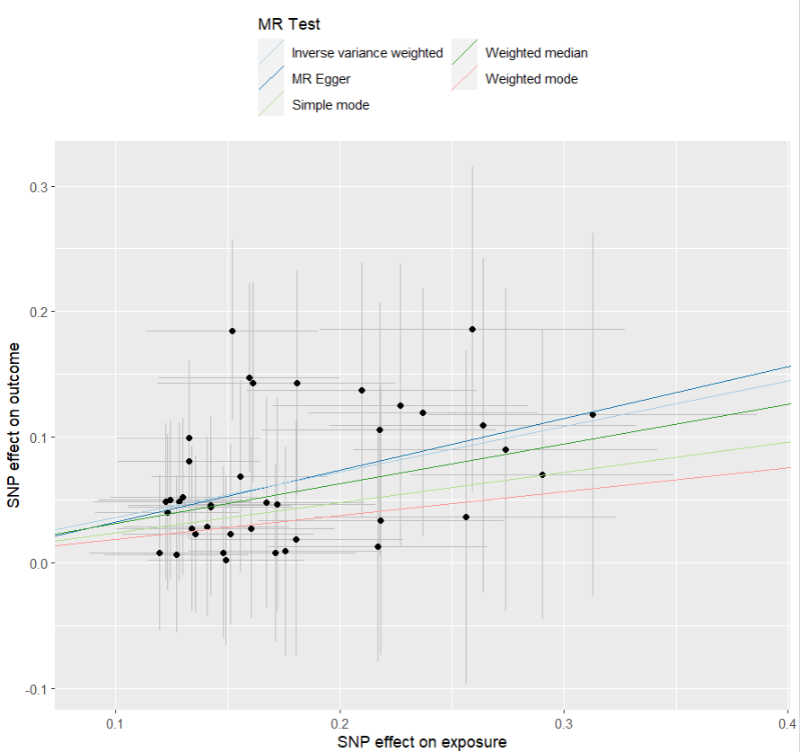
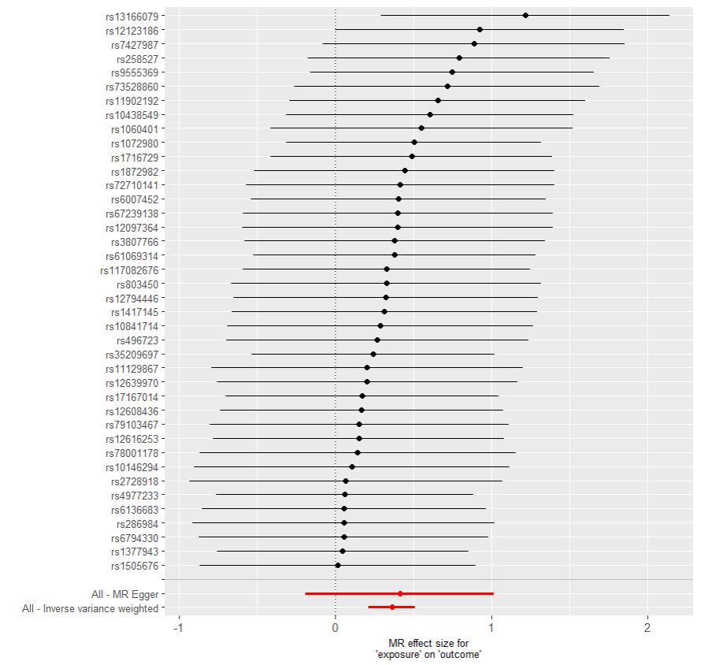
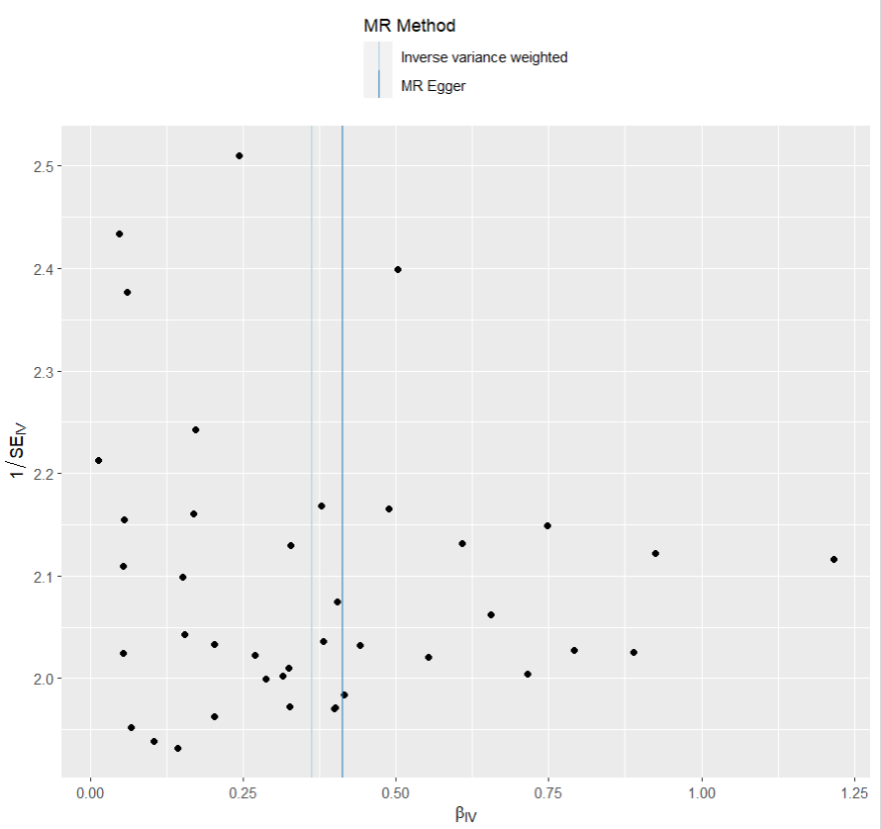
presso |  |  |  |  |  |  |  |  |  | 散點圖 |  |  | 森林圖 | 漏斗圖

heterogeneity
 | id.exposure | id.outcome | outcome | exposure | method | Q | Q_df | Q_val
1 | LqqYre | fkVlkW | outcome | exposure | MR Egger | 13.61562 | 38 | 0.9999085
2 | LqqYre | fkVlkW | outcome | exposure | Inverse variance weighted | 13.64398 | 39 | 0.9999454

pleiotropy
 | id.exposure | id.outcome | outcome | exposure | egger_interept | se | pval
1 | LqqYre | fkVlkW | outcome | exposure | -0.008426363 | 0.05003608 | 0.8671573

two_cojo exp IBS out 憂鬱
exposure_dat
outcome_dat
 | id.exposure | id.outcome | outcome | exposure | method | nsnp | b | se | pval | OR | OR 95% C.I. | Beta 95%C.I
1 | NiLlYm | y03BzX | outcome | exposure | MR Egger | 37 | 0.24248145496 | 0.15944099121 | 0.13728814288 | 1.274407615 | ( 0.932372479699153 , 1.74191624541507 ) | ( -0.0700228878083017 , 0.554985797719386 )
2 | NiLlYm | y03BzX | outcome | exposure | Weighted median | 37 | 0.16353824007 | 0.058139576707 | 0.0049103680328 | 1.1776703885 | ( 1.05083456231642 , 1.31981531035651 ) | ( 0.0495846697200309 , 0.277491810412487 )
3 | NiLlYm | y03BzX | outcome | exposure | Inverse variance weighted | 37 | 0.17853061862 | 0.042874886464 | 3.13E-05 | 1.195459486 | ( 1.09910459211643 , 1.30026149740723 ) | ( 0.0944958411537139 , 0.262565396090883 )
4 | NiLlYm | y03BzX | outcome | exposure | Simple mode | 37 | 0.1488438166 | 0.10977476519 | 0.18357521424 | 1.1604917255 | ( 0.935836288569252 , 1.43907760517441 ) | ( -0.0663147231770045 , 0.364002356384637 )
5 | NiLlYm | y03BzX | outcome | exposure | Weighted mode | 37 | 0.10446267922 | 0.11564688995 | 0.37237681628 | 1.1101139628 | ( 0.884966732491103 , 1.39254162343132 ) | ( -0.122205225086278 , 0.33113058352612 )

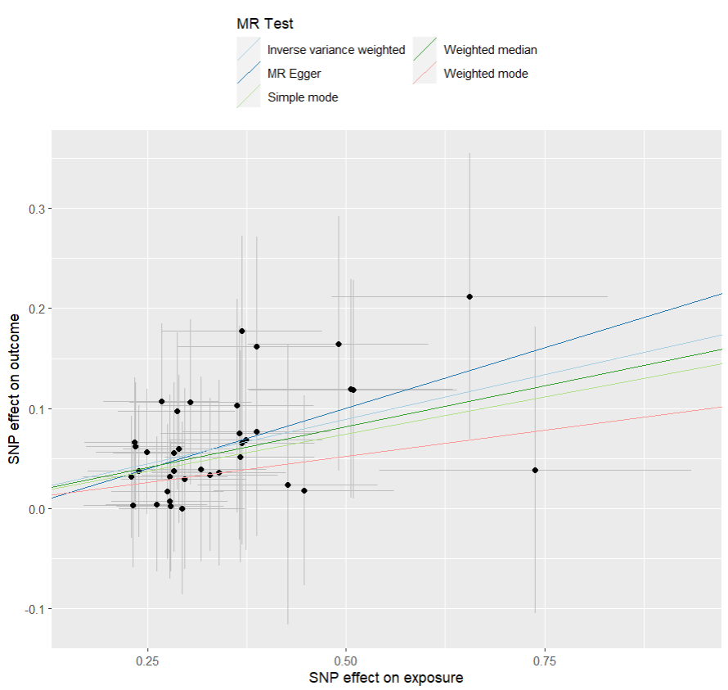
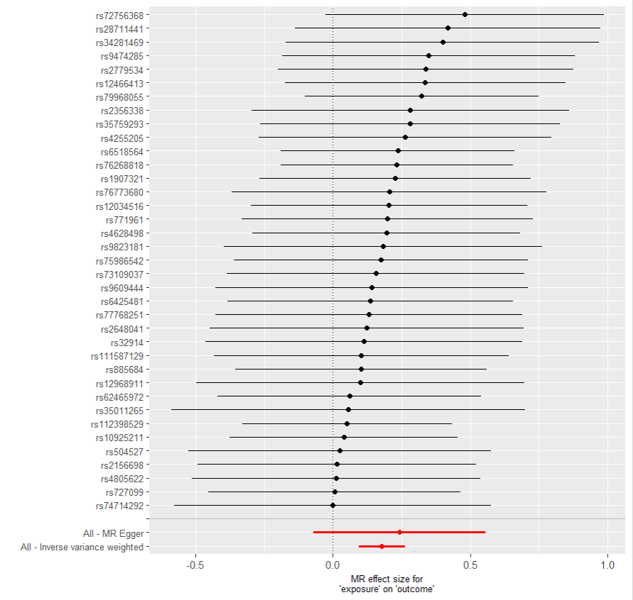
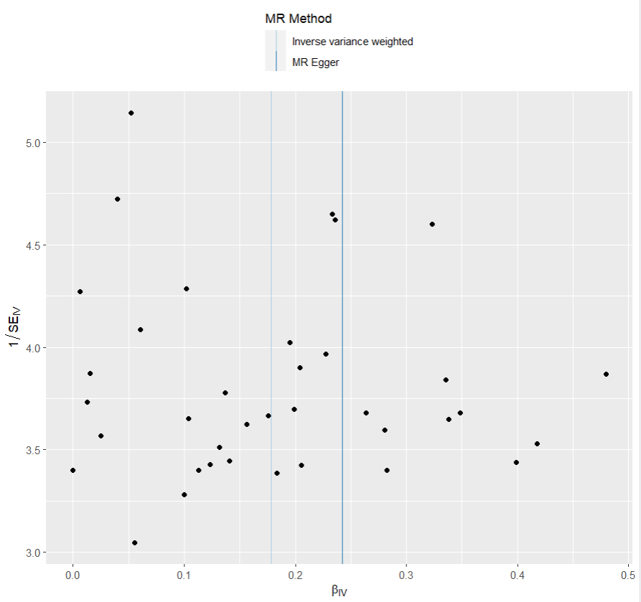
presso |  |  |  |  |  |  |  |  |  | 散點圖 |  |  | 森林圖 | 漏斗圖

heterogeneity
 | id.exposure | id.outcome | outcome | exposure | method | Q | Q_df | Q_val
1 | NiLlYm | y03BzX | outcome | exposure | MR Egger | 8.196872 | 35 | 0.9999993
2 | NiLlYm | y03BzX | outcome | exposure | Inverse variance weighted | 8.370288 | 36 | 0.9999995

pleiotropy
 | id.exposure | id.outcome | outcome | exposure | egger_interept | se | pval
1 | NiLlYm | y03BzX | outcome | exposure | -0.02115333 | 0.05079647 | 0.679636

two_cojo exp IBS out 乾眼
exposure_dat
outcome_dat
 | id.exposure | id.outcome | outcome | exposure | method | nsnp | b | se | pval | OR | OR 95% C.I. | Beta 95%C.I
1 | 66o8oh | Skfusg | outcome | exposure | MR Egger | 19 | 0.0093707292362 | 0.13097886666 | 0.94379989851 | 1.009414772 | ( 0.780869021446668 , 1.30485158702988 ) | ( -0.247347849420964 , 0.266089307893432 )
2 | 66o8oh | Skfusg | outcome | exposure | Weighted median | 19 | 0.10172460818 | 0.040651531971 | 0.012336977358 | 1.1070785494 | ( 1.02229245007013 , 1.19889657248179 ) | ( 0.0220476055145209 , 0.181401610841567 )
3 | 66o8oh | Skfusg | outcome | exposure | Inverse variance weighted | 19 | 0.11203065322 | 0.02978908005 | 0.00016937351738 | 1.1185471472 | ( 1.05510897593843 , 1.18579952310494 ) | ( 0.0536440563218704 , 0.170417250119471 )
4 | 66o8oh | Skfusg | outcome | exposure | Simple mode | 19 | 0.11854408232 | 0.069077016892 | 0.10330139149 | 1.1258565034 | ( 0.983294244176667 , 1.28908805649268 ) | ( -0.0168468707912459 , 0.253935035427244 )
5 | 66o8oh | Skfusg | outcome | exposure | Weighted mode | 19 | 0.11749091366 | 0.065931020954 | 0.091622276134 | 1.1246714108 | ( 0.988334686176248 , 1.27981522844218 ) | ( -0.0117338874069648 , 0.246715714732111 )

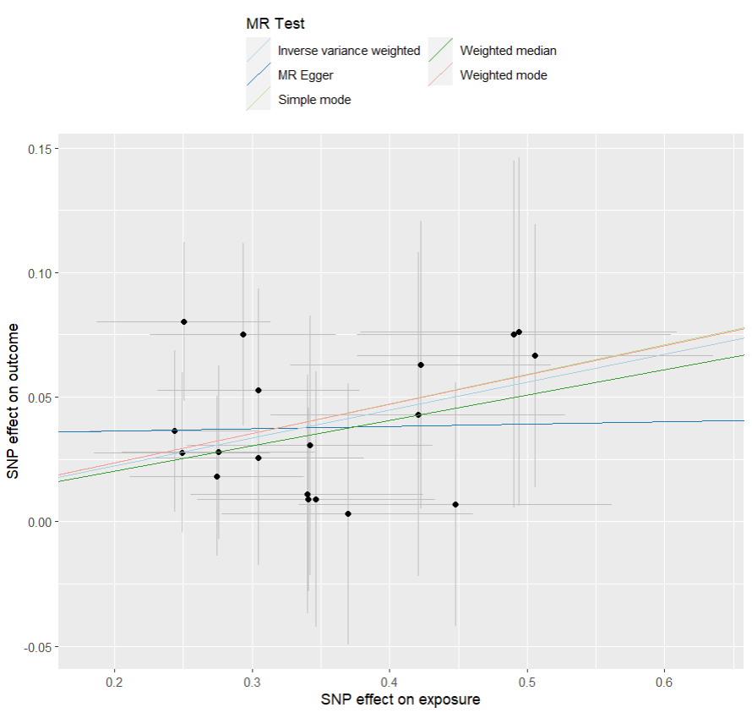
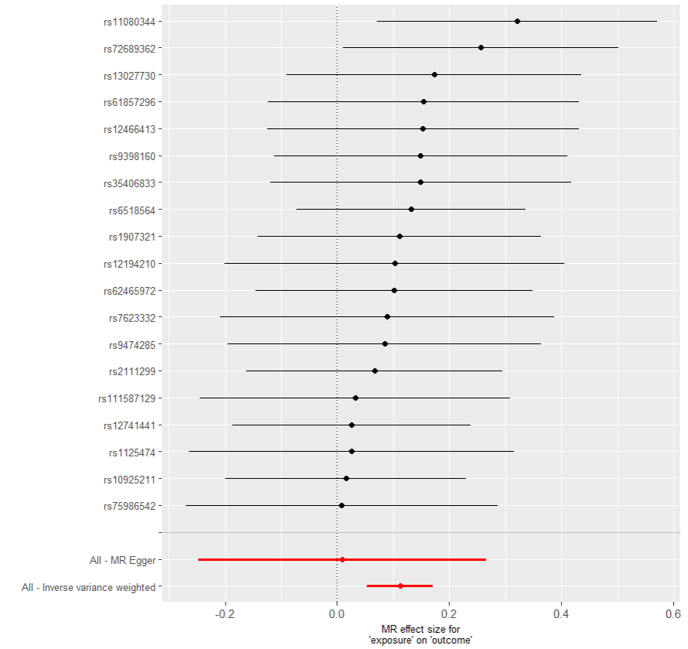

presso |  |  |  |  |  |  |  |  |  | 散點圖 |  |  | 森林圖 | 漏斗圖

heterogeneity
 | id.exposure | id.outcome | outcome | exposure | method | Q | Q_df | Q_val
1 | 66o8oh | Skfusg | outcome | exposure | MR Egger | 6.741784 | 17 | 0.9866525
2 | 66o8oh | Skfusg | outcome | exposure | Inverse variance weighted | 7.389621 | 18 | 0.9864086

pleiotropy
 | id.exposure | id.outcome | outcome | exposure | egger_interept | se | pval
1 | 66o8oh | Skfusg | outcome | exposure | 0.03441265 | 0.04275484 | 0.4320006

two_saige exp 憂鬱 out IBS
exposure_dat
outcome_dat
 | id.exposure | id.outcome | outcome | exposure | method | nsnp | b | se | pval | OR | OR 95% C.I. | Beta 95%C.I
1 | regq73 | eSMxEx | outcome | exposure | MR Egger | 20 | 0.55703161936 | 0.27561948183 | 0.058407805811 | 1.7454835431 | ( 1.01695964410782 , 2.99590334488554 ) | ( 0.0168174349691848 , 1.09724580374789 )
2 | regq73 | eSMxEx | outcome | exposure | Weighted median | 20 | 0.21881645878 | 0.082015446231 | 0.0076306339846 | 1.2446028198 | ( 1.0597851343863 , 1.46165116758495 ) | ( 0.0580661841677109 , 0.37956673339511 )
3 | regq73 | eSMxEx | outcome | exposure | Inverse variance weighted | 20 | 0.24360469058 | 0.060320961349 | 5.38E-05 | 1.2758398793 | ( 1.13357415074931 , 1.43596022938268 ) | ( 0.12537560633734 , 0.361833774826544 )
4 | regq73 | eSMxEx | outcome | exposure | Simple mode | 20 | 0.19797907074 | 0.1440644617 | 0.18536224529 | 1.2189368821 | ( 0.919075253025371 , 1.61663271604586 ) | ( -0.0843872742059243 , 0.480345415676766 )
5 | regq73 | eSMxEx | outcome | exposure | Weighted mode | 20 | 0.1852325705 | 0.13037124331 | 0.17157671656 | 1.2034983058 | ( 0.932118742426729 , 1.55388804678349 ) | ( -0.0702950663747431 , 0.440760207383443 )

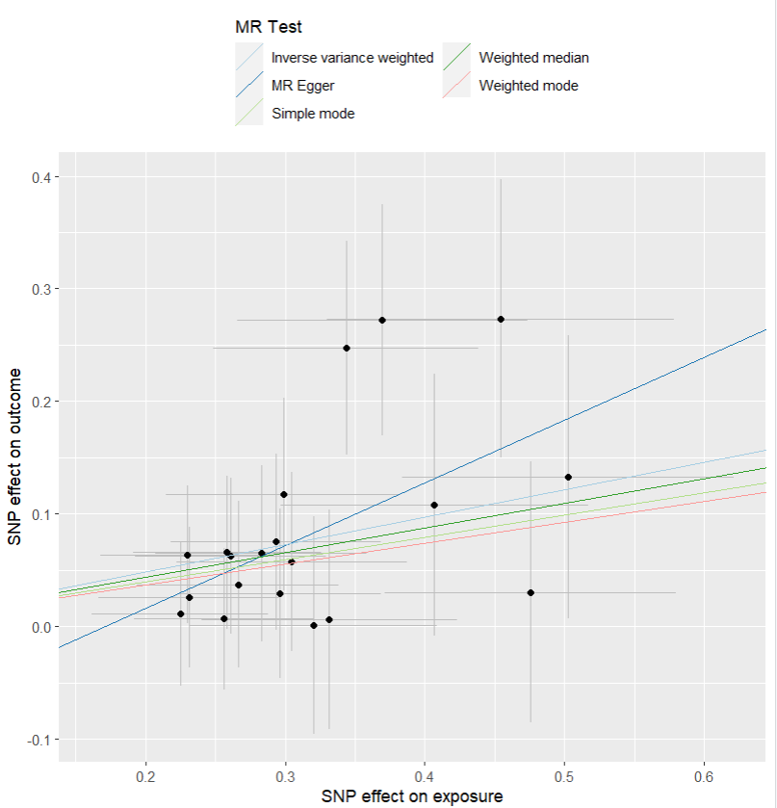
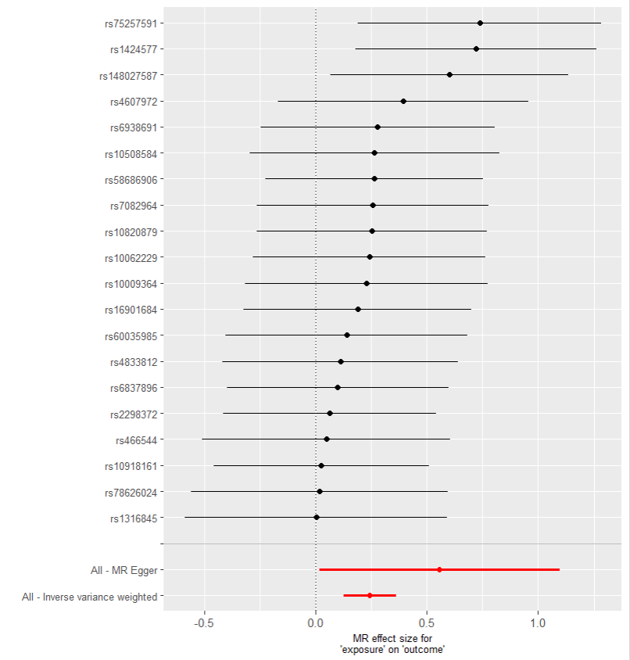
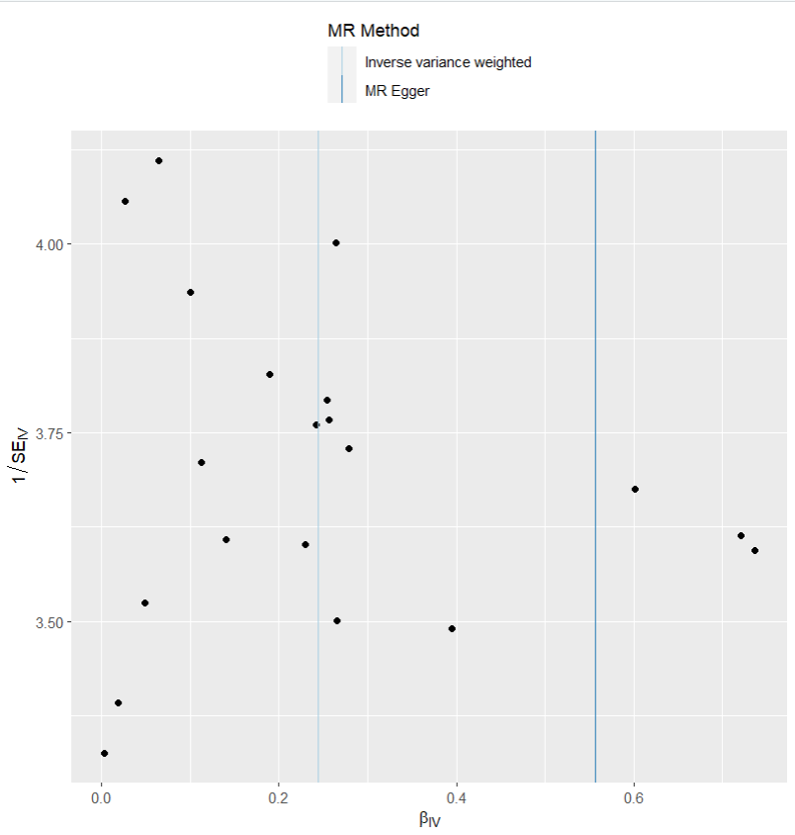
presso |  |  |  |  |  |  |  |  |  | 散點圖 |  |  | 森林圖 | 漏斗圖

heterogeneity
 | id.exposure | id.outcome | outcome | exposure | method | Q | Q_df | Q_val
1 | regq73 | eSMxEx | outcome | exposure | MR Egger | 10.55896 | 18 | 0.9121273
2 | regq73 | eSMxEx | outcome | exposure | Inverse variance weighted | 11.91717 | 19 | 0.8891351

pleiotropy
 | id.exposure | id.outcome | outcome | exposure | egger_interept | se | pval
1 | regq73 | eSMxEx | outcome | exposure | -0.09535651 | 0.08182117 | 0.2590587

two_saige exp 乾眼 out IBS
exposure_dat
outcome_dat
 | id.exposure | id.outcome | outcome | exposure | method | nsnp | b | se | pval | OR | OR 95% C.I. | Beta 95%C.I
1 | 1kMARw | QDbzMS | outcome | exposure | MR Egger | 40 | 0.41200095513 | 0.30897275392 | 0.19032149238 | 1.5098358784 | ( 0.82399926376637 , 2.766512641425 ) | ( -0.19358564256048 , 1.01758755281062 )
2 | 1kMARw | QDbzMS | outcome | exposure | Weighted median | 40 | 0.31587142094 | 0.099263896779 | 0.001461921277 | 1.371453904 | ( 1.12897956312663 , 1.66600518940827 ) | ( 0.121314183255797 , 0.510428658630716 )
3 | 1kMARw | QDbzMS | outcome | exposure | Inverse variance weighted | 40 | 0.36154932252 | 0.075330726556 | 1.59E-06 | 1.4355518253 | ( 1.23850015917975 , 1.66395541234009 ) | ( 0.213901098473512 , 0.509197546571317 )
4 | 1kMARw | QDbzMS | outcome | exposure | Simple mode | 40 | 0.24054632622 | 0.20717173128 | 0.25266037824 | 1.2719438568 | ( 0.847461162199815 , 1.90904462297288 ) | ( -0.165510267090492 , 0.646602919521691 )
5 | 1kMARw | QDbzMS | outcome | exposure | Weighted mode | 40 | 0.18937432185 | 0.21333669623 | 0.38015583257 | 1.2084932333 | ( 0.795514978162253 , 1.83586222121782 ) | ( -0.228765602767783 , 0.607514246472754 )

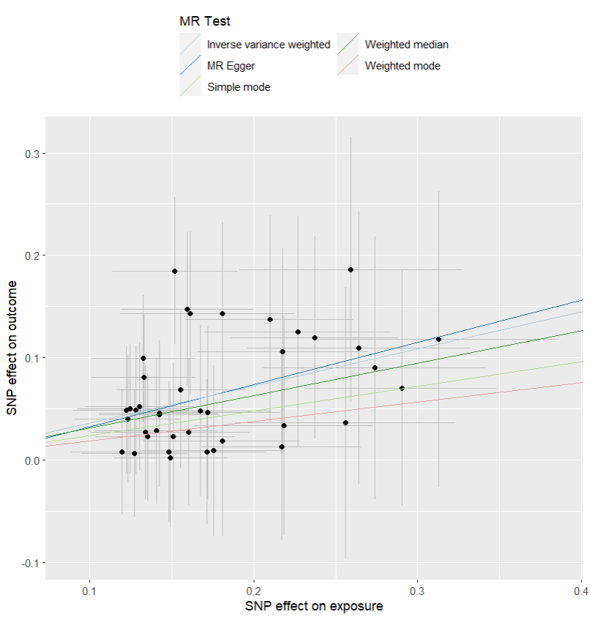
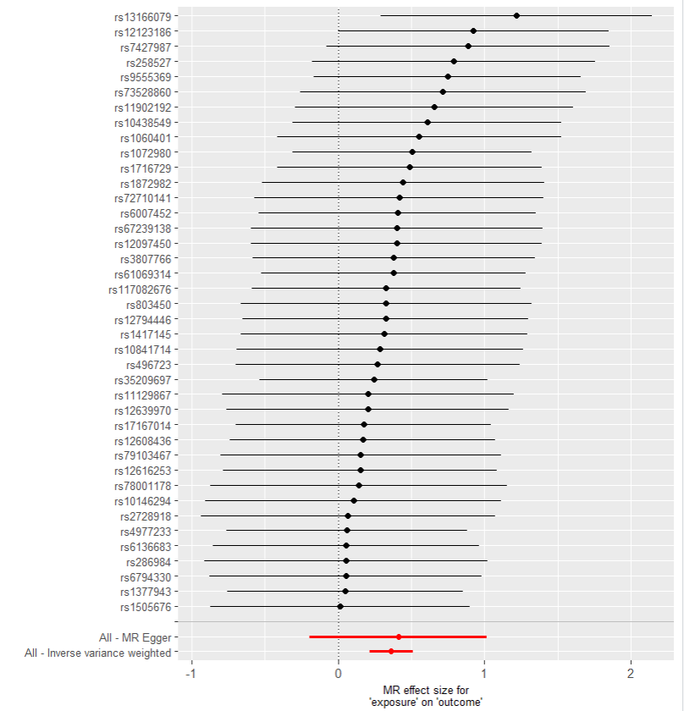

presso |  |  |  |  |  |  |  |  |  | 散點圖 |  |  | 森林圖 | 漏斗圖

heterogeneity
 | id.exposure | id.outcome | outcome | exposure | method | Q | Q_df | Q_val
1 | 1kMARw | QDbzMS | outcome | exposure | MR Egger | 13.61674 | 38 | 0.9999084
2 | 1kMARw | QDbzMS | outcome | exposure | Inverse variance weighted | 13.64509 | 39 | 0.9999454

pleiotropy
 | id.exposure | id.outcome | outcome | exposure | egger_interept | se | pval
1 | 1kMARw | QDbzMS | outcome | exposure | -0.008424659 | 0.05003682 | 0.8671858

two_saige exp IBS out 憂鬱
exposure_dat
outcome_dat
 | id.exposure | id.outcome | outcome | exposure | method | nsnp | b | se | pval | OR | OR 95% C.I. | Beta 95%C.I
1 | zKRDL2 | MJbOJl | outcome | exposure | MR Egger | 40 | 0.32726479164 | 0.20977425441 | 0.12703138005 | 1.3871687392 | ( 0.919529873136152 , 2.09263142759841 ) | ( -0.0838927470085647 , 0.738422330297227 )
2 | zKRDL2 | MJbOJl | outcome | exposure | Weighted median | 40 | 0.17505184283 | 0.063812729155 | 0.0060841396244 | 1.1913079758 | ( 1.0512489081503 , 1.35002726963145 ) | ( 0.0499788936840805 , 0.300124791973326 )
3 | zKRDL2 | MJbOJl | outcome | exposure | Inverse variance weighted | 40 | 0.2441955915 | 0.046379105103 | 1.40E-07 | 1.276593997 | ( 1.16566593939507 , 1.39807828137545 ) | ( 0.153292545502496 , 0.335098637505349 )
4 | zKRDL2 | MJbOJl | outcome | exposure | Simple mode | 40 | 0.10609921632 | 0.12218794859 | 0.39052694863 | 1.1119321929 | ( 0.875124459850468 , 1.41281984246649 ) | ( -0.133389162910542 , 0.345587595549854 )
5 | zKRDL2 | MJbOJl | outcome | exposure | Weighted mode | 40 | 0.10816678237 | 0.12518225587 | 0.39283048768 | 1.1142335644 | ( 0.871804184679524 , 1.42407716991719 ) | ( -0.137190439144028 , 0.353524003879011 )

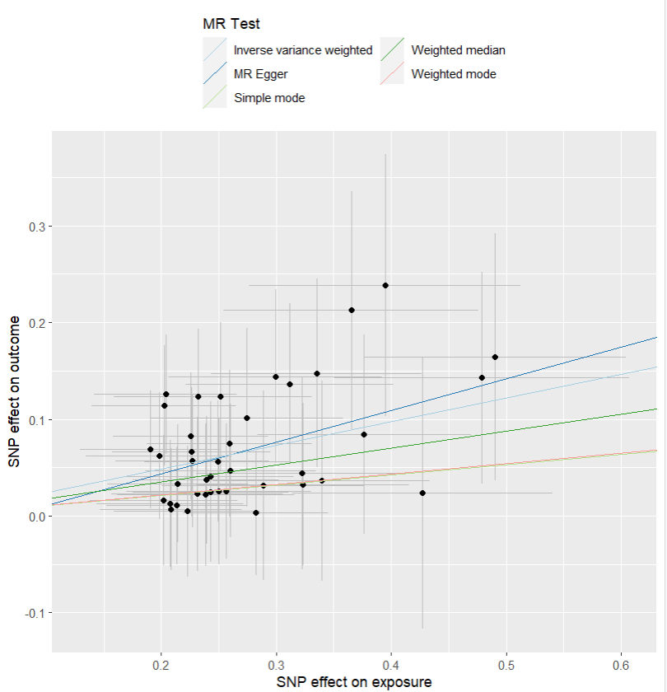
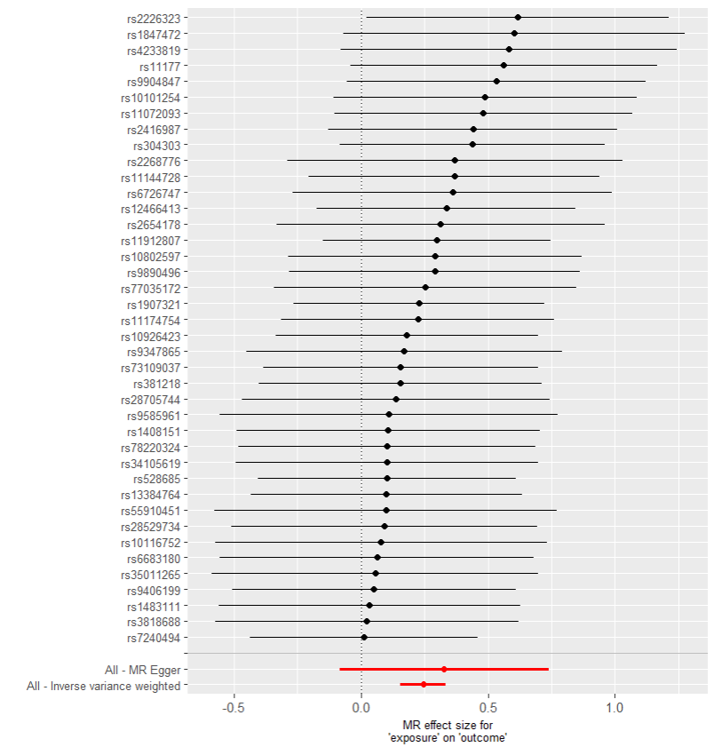
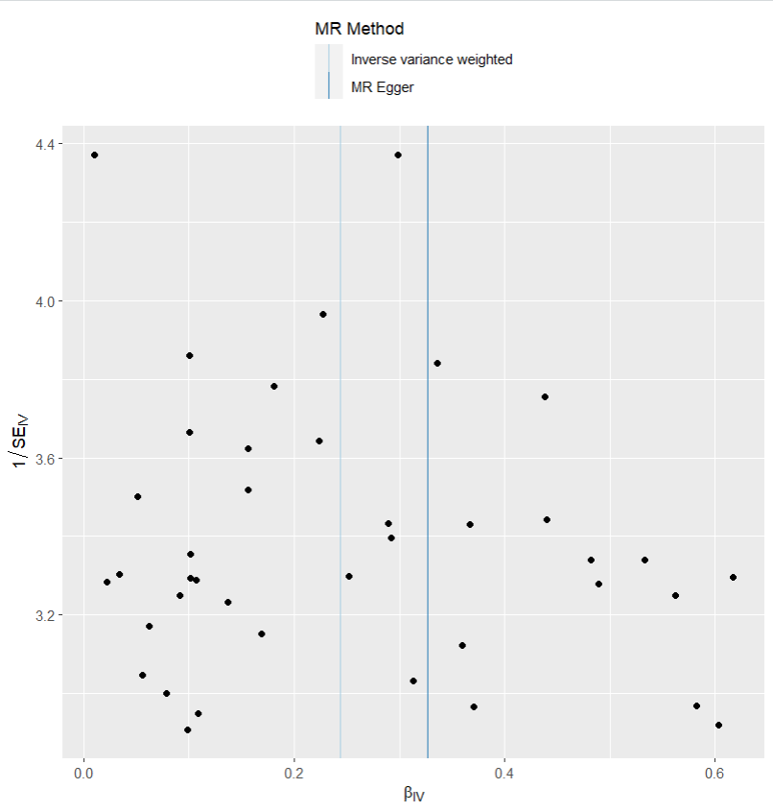
presso |  |  |  |  |  |  |  |  |  | 散點圖 |  |  | 森林圖 | 漏斗圖

heterogeneity
 | id.exposure | id.outcome | outcome | exposure | method | Q | Q_df | Q_val
1 | zKRDL2 | MJbOJl | outcome | exposure | MR Egger | 14.12359 | 38 | 0.9998551
2 | zKRDL2 | MJbOJl | outcome | exposure | Inverse variance weighted | 14.28846 | 39 | 0.9999006

pleiotropy
 | id.exposure | id.outcome | outcome | exposure | egger_interept | se | pval
1 | zKRDL2 | MJbOJl | outcome | exposure | -0.02185407 | 0.05382226 | 0.6869896

two_saige exp IBS out 乾眼
exposure_dat
outcome_dat
 | id.exposure | id.outcome | outcome | exposure | method | nsnp | b | se | pval | OR | OR 95% C.I. | Beta 95%C.I
1 | tMaPVN | KeZ0Lz | outcome | exposure | MR Egger | 10 | 0.14384433614 | 0.15110952504 | 0.36900759067 | 1.1547043488 | ( 0.858704575479495 , 1.55273672832779 ) | ( -0.152330332938373 , 0.440019005215974 )
2 | tMaPVN | KeZ0Lz | outcome | exposure | Weighted median | 10 | 0.13692881388 | 0.05615014724 | 0.014743504993 | 1.1467465132 | ( 1.0272389021702 , 1.28015748109152 ) | ( 0.0268745252868595 , 0.24698310246645 )
3 | tMaPVN | KeZ0Lz | outcome | exposure | Inverse variance weighted | 10 | 0.1554077511 | 0.041783485672 | 0.00019972961802 | 1.168134172 | ( 1.07628158025099 , 1.26782569622398 ) | ( 0.0735121191873734 , 0.237303383020298 )
4 | tMaPVN | KeZ0Lz | outcome | exposure | Simple mode | 10 | 0.10367133591 | 0.086066756656 | 0.25909798398 | 1.109235829 | ( 0.937049184048917 , 1.31306247879292 ) | ( -0.0650195071406174 , 0.272362178950858 )
5 | tMaPVN | KeZ0Lz | outcome | exposure | Weighted mode | 10 | 0.11485921794 | 0.085693483144 | 0.21298294603 | 1.121715509 | ( 0.948285170661987 , 1.32686424097503 ) | ( -0.0531000090276692 , 0.282818444898021 )

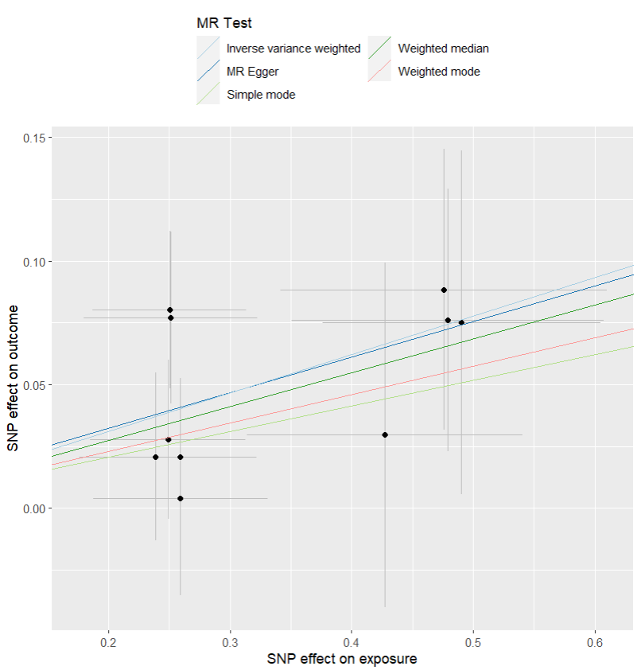
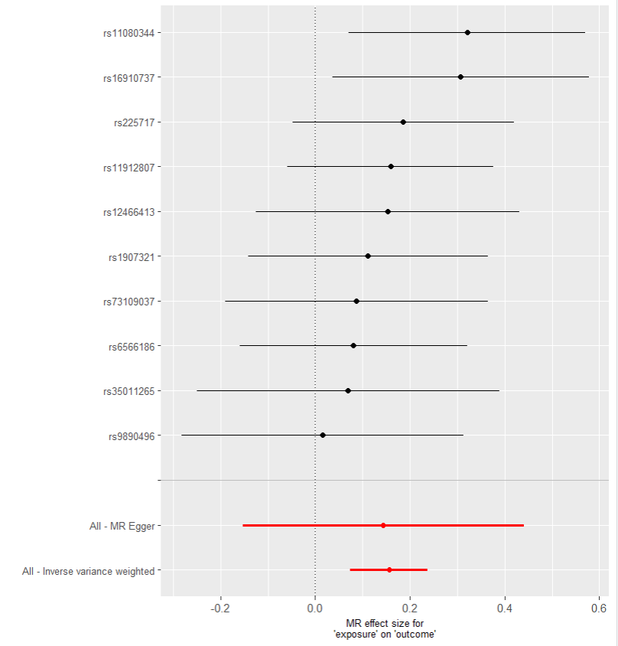
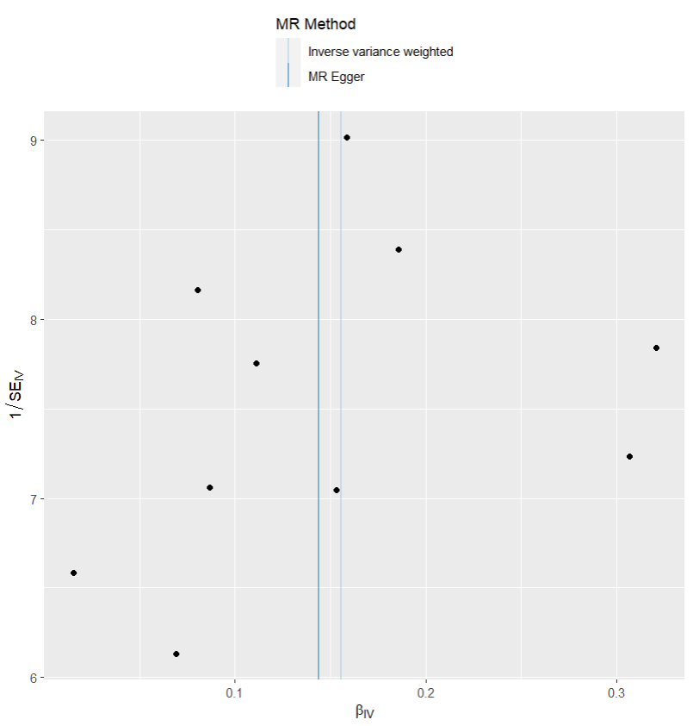
presso |  |  |  |  |  |  |  |  |  | 散點圖 |  |  | 森林圖 | 漏斗圖

heterogeneity
 | id.exposure | id.outcome | outcome | exposure | method | Q | Q_df | Q_val
1 | tMaPVN | KeZ0Lz | outcome | exposure | MR Egger | 4.798008 | 8 | 0.778931
2 | tMaPVN | KeZ0Lz | outcome | exposure | Inverse variance weighted | 4.804349 | 9 | 0.8510192

pleiotropy
 | id.exposure | id.outcome | outcome | exposure | egger_interept | se | pval
1 | tMaPVN | KeZ0Lz | outcome | exposure | 0.003608689 | 0.04531932 | 0.9384889

