Tabelle1
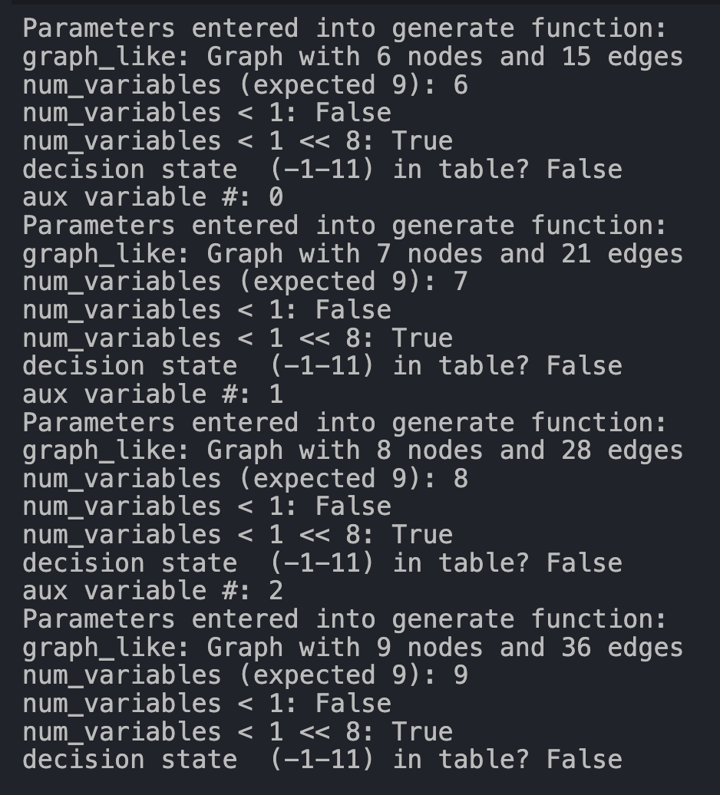
 |  | valid BQM | max nodes | max edges | direct | problem port | after changes in generation.py
Kiel | Emden | no | 9 | 36 | no | Bremerhaven | yes
Hamburg | Bremerhaven | yes | 6 | 15 | yes |  | yes
Hamburg | Emden | no | 9 | 36 | no | Bremerhaven | yes
Bremerhaven | Kiel | yes | 7 | 21 | yes |  | yes
Bremerhaven | Emden | yes | 7 | 21 | yes |  | yes
Brunsbüttel | Bremerhaven | yes | 7 | 21 | yes |  | yes
Brunsbüttel | Hamburg | no | 9 | 36 | yes | Bremerhaven | yes
Brunsbüttel | Kiel | no | 9 | 36 | yes | Bremerhaven | yes
Emden | Bremerhaven | yes | 7 | 21 | yes |  | yes
Hamburg | Brunsbüttel | no | 9 | 36 | yes | Bremerhaven | yes
Hamburg | Kiel | no | 9 | 36 | yes | Bremerhaven | yes
Kiel | Bremerhaven | yes | 7 | 21 | yes |  | yes

identified problem

too large graph if Bremerhaven is not departure or destination port

