Jones2009_3.3
Table 3.2 SCL and mass-at-age of individual turtles raised in captivity. These data were used in figures 3.2 & 3.3 to produce the length-mass relationships (when mass given) and the growth functions (length-at-age data).
turtle.id | age.yrs | scl.cm | mass.kg | source
1 | 0.20 | 13.29 | 0.34 | this study
2 | 0.43 | 20.69 | 1.28 | this study
3 | 1.25 | 46.45 | 11.54 | this study
4 | 0.60 | 24.65 | 2.36 | this study
5 | 1.31 | 48.40 | 13.04 | this study
6 | 0.60 | 24.06 | 2.20 | this study
7 | 1.93 | 69.00 | 34.84 | this study
8 | 0.33 | 15.01 | 0.58 | this study
9 | 0.68 | 28.38 | 3.42 | this study
10 | 0.26 | 14.62 | 0.46 | this study
11 | 0.18 | 11.57 | 0.26 | this study
12 | 1.37 | 55.40 | 20.36 | this study
13 | 0.81 | 34.74 | 5.44 | this study
14 | 0.24 | 12.05 | 0.30 | this study
15 | 0.35 | 16.00 | 0.70 | this study
16 | 0.33 | 17.15 | 0.75 | this study
17 | 0.91 | 35.13 | 5.58 | this study
18 | 0.33 | 13.69 | 0.37 | this study
19 | 0.33 | 14.95 | 0.46 | this study
20 | 0.51 | 19.87 | 1.20 | this study
A | 1.71 | 43.50 | 7.27 | Deraniyagala, 1939 | DATA USED FOR MODEL PARAMETER ESTIMATION: Based on the qualitative (visual) data analysis, we've decided to use data from Tables 3.2 and 3.3, combined with data from Zug et al (1986) presented in figure 3.2. This meant NOT using data in Table 3.1 (means of all individuals throughout growth in captivity -- means may be skewed, and some individuals over-represented in the dataset --eg, last 10 or so red stars in figures below all belong to the same individual). Instead, we use 1-point-per-turtle (presented in Table 3.2) for growth in captivity, combined with data from other studies of captive growth. This also meant removing some data from tL1 dataset (original D.coriacea entry) and reorganizing it, to reflect correctly wild vs captive individuals
C | 0.46 | 16.00 | - | Deraniyagala, 1939
1 | 0.08 | 5.40 | - | Bels et al., 1988
2 | 0.12 | 6.60 | - | Bels et al., 1988
3 | 0.12 | 7.80 | - | Bels et al., 1988
4 | 0.13 | 7.00 | - | Bels et al., 1988
5 | 0.16 | 7.80 | - | Bels et al., 1988
6 | 0.21 | 8.00 | - | Bels et al., 1988
7 | 0.22 | 8.10 | - | Bels et al., 1988
8 | 3.70 | 85.00 | 49.50 | Bels et al., 1988
9 | 0.12 | 8.10 | - | Bels et al., 1988
10 | 0.17 | 7.90 | - | Bels et al., 1988
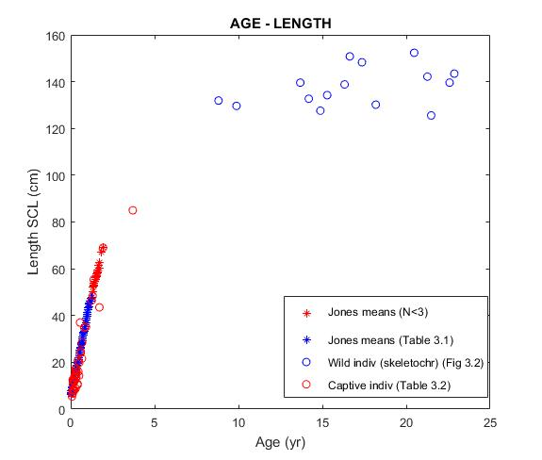
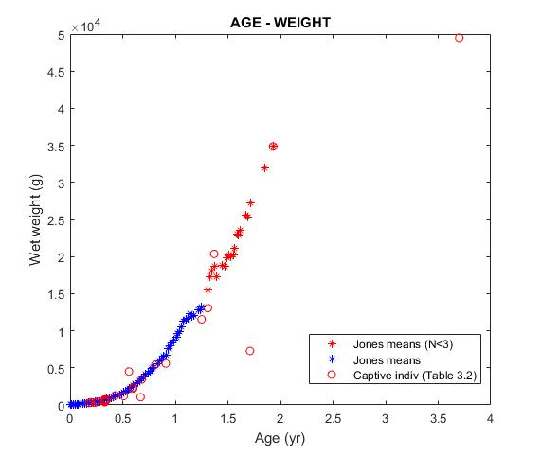
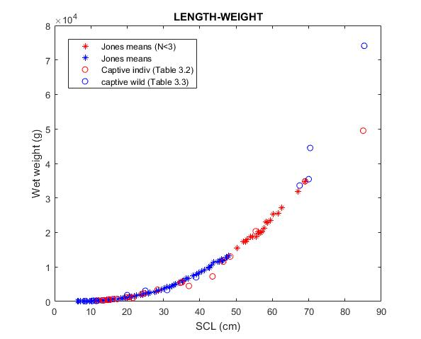
11 | 0.30 | 8.90 | - | Bels et al., 1988
12 | 0.41 | 10.40 | - | Bels et al., 1988
13 | 0.41 | 10.80 | - | Bels et al., 1988
14 | 0.50 | 14.30 | - | Bels et al., 1988
- | 0.22 | 13.20 | - | Frayr, 1970
- | 0.67 | 21.6 | 1.04 | Phillips, 1977
1 | 0.56 | 37.00 | 4.50 | Birkenmeier, 1970
2 | 0.27 | 17.00 | - | Birkenmeier, 1970
3 | 0.23 | 14.00 | - | Birkenmeier, 1970
4 | 0.19 | 12.00 | - | Birkenmeier, 1970
5 | 0.13 | 10.50 | - | Birkenmeier, 1970
6 | 0.12 | 12.50 | - | Birkenmeier, 1970
7 | 0.13 | 12.50 | - | Birkenmeier, 1970
8 | 0.13 | 12.00 | - | Birkenmeier, 1970
Table 3.3. wild turtles | Location | scl.cm | kg
Aug-93 | Am.Samoa | 39.00 | 7 | MTN(1996)
Sep-34 | Ceylon,India | 8.50 | 0.096 | Deraniyagala, 1939
2024-09-05 | Florida,USA | 10.40 | 0.19 | J.Wyneken (pers.comm)
2024-03-06 | Florida,USA | 25.00 | 3.1 | J.Wyneken (pers.comm)
Apr-98 | Hawaii,USA | 70.40 | 44.5 | NOAA (NMFS/PIFSC)
Apr-99 | Hawaii,USA | 85.30 | 74.1 | NOAA (NMFS/PIFSC)
2024-04-06 | Hawaii,USA | 70.00 | 35.45 | NOAA (NMFS/PIFSC)
2024-07-06 | Hawaii,USA | 67.50 | 33.6 | NOAA (NMFS/PIFSC)
2024-07-02 | W.Australia | 20.00 | 1.85 | MTN(2004)
1983 | W.Australia | 31.00 | 3.3 | MTN(2004)
Unknown | Unknown | 11.50 | 0.17 | M.Conti (pers.comm)

