Bug report
Bug ID | #bug_1 | #bug_2
Tester | Anna Popelkova | Anna Popelkova
Date (submitted) | 3/27/2022 | 3/27/2023
Title | Added the product in the basket by code | Added the product in the basket by item number
Bug description
URL | https://www.alza.at/Order1.htm#rfr=1 | https://www.alza.at/Order1.htm#rfr=1
Summary | After entering the product code, the search engine will find products with a different code | After entering the product item number, the search engine will find products with a different IN
Screenshot | 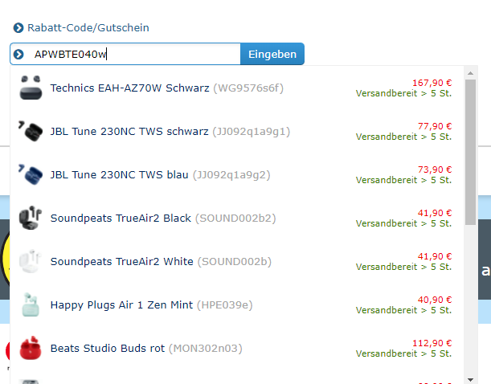 | 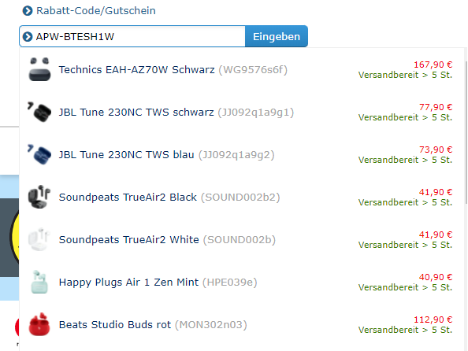
Platform | Microsoft Windows 10 Home Version 10.0.19043 Build 19043 | Microsoft Windows 10 Home Version 10.0.19043 Build 19043
Browser | Google Chrome Version 99.0.4844.82 | Google Chrome Version 99.0.4844.82
Administrative
Assigned To | xxx | xxx
Assigned At | 3/28/2022 | 3/28/2023
Priority | Minor | Minor
Severity | Low | Low
Notes

