Introduction
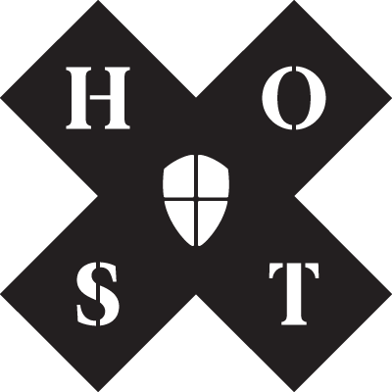

Welcome to the Content Planner!

In this document, you will find four alternative views to help inspire and plan your content.

Annual Snapshot: Overview of key calendar days and topics that [insert brand name] can use as a basis for content production
Monthly View: This view allows teams to collect ideas for discussion and approval for the upcoming month. There is also a strategic checklist to ensure content ideas fit against the strategy.
Week by Week: A fully detailed planner to help you map out what content should be produced, by whom and how it should be distributed
Ideas Tracker: A simple view to help you collect ideas and suggestions for future content production. These can be taken forward for discussion in the monthly view.

