Program 1a
Iterations | Execution Time- | Number of | threads
 | 1 | 2 | 4 | 8
10000 | 0.00108 | 0.00756 | 0.01042 | 0.01136
50000 | 0.00484 | 0.01265 | 0.01857 | 0.034119
100000 | 0.010088 | 0.03597 | 0.0476 | 0.0405
250000 | 0.02636 | 0.0933 | 0.10229 | 0.11087

Number of Threads vs Execution Time
Iterations vs Execution Time

Program 2
Input size | Execution time-Number of threads
 | 1 | 2 | 4 | 8
500 | 1.1136 | 0.5568 | 0.5402 | 0.5302
750 | 3.9107 | 1.9929 | 1.801 | 1.475
1000 | 12.69 | 5.699 | 5.523 | 5.526
1500 | 40.298 | 20.07 | 15.52 | 10.08
Input Size vs Execution Time
 | 1 thread | 2 threads | 4 threads | 8 threads
Number of Threads vs Execution Time

Program 3
Input size | Execution time
 | Cache Unfriendly | Cache Friendly Sieve | Cache Parallel Sieve
 |  |  | 1 | 2 | 4 | 8
25000000 | 0.6399 | 0.305 | 0.0010297 | 0.0010743 | 0.1595 | 0.0016467
Sieve Of Erathostenes
50000000 | 1.3251 | 0.60812 | 0.0089961 | 0.0059485 | 0.28302 | 0.0048757
75000000 | 2.004 | 0.9084 | 0.0821349 | 0.0527633 | 0.41095 | 0.0195864
100000000 | 2.7684 | 1.22813 | 0.797903 | 0.422097 | 0.55431 | 0.245255

Program 4
 |  |  | Image size | Scheduling
Chunk Size | Scheduling Type |  |  | 200x150 | 400x300 | 800x600 | 1600x1200
 | Dynamic | Guided | Default | 0.00097 | 0.001888 | 0.00676 | 0.025445
50 | 0.000824 | 0.001588 | Static | 0.000713 | 0.001904 | 0.006501 | 0.025573
100 | 0.001875 | 0.001884 | Dynamic | 0.000824 | 0.002056 | 0.007738 | 0.025754
150 | 0.001751 | 0.001774 | Guided | 0.000786 | 0.001899 | 0.006864 | 0.020828
200 | 0.002351 | 0.002932

Dynamic and Guided

Program 5
Input Size | Execution Time

 | 1 | 2 | 4 | 8
1000 | 0.000109 | 0.003 | 0.0035 | 0.00051
100000 | 0.0101 | 0.0152 | 0.0107 | 0.01103
200000 | 0.0206 | 0.0263 | 0.0236 | 0.02705
1000000 | 0.1055 | 0.0923 | 0.07322 | 0.0533
Number of Threads vs Execution Time

Input Size vs Execution Time

Program 6
File Size(KB) | Execution Time
 | 1 | 2 | 4 | 8
300 | 0.1106 | 0.1044 | 0.0938 | 0.0773
800 | 0.176 | 0.1784 | 0.1706 | 0.1668
1000 | 0.29122 | 0.3154 | 0.2322 | 0.2529
3000 | 0.6074 | 0.615 | 0.5039 | 0.5074

File Size vs Execution Time
Number of Threads vs Execution Time

Program7
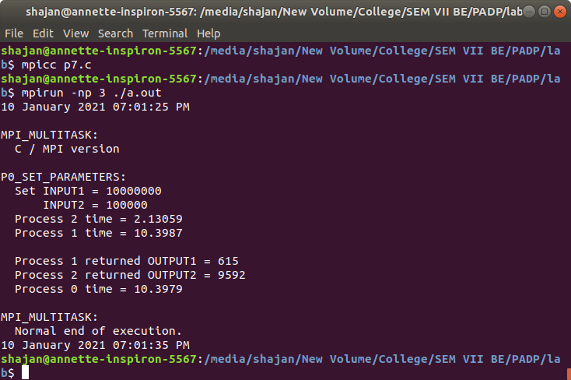

Program 8
MPI- QUADRATURE

Evaluations | Execution Time
 | 2 | 4 | 8
1000 | 5.50E-04 | 6.68E-04 | 1.96E-03
10000 | 8.08E-04 | 7.56E-04 | 9.43E-04
100000 | 0.003111 | 0.001608 | 0.001559
1000000 | 0.0255 | 0.009783 | 0.004566

Number of Processes vs Execution Time
Evaluations vs Execution Time

Program 9
MPI- VECTOR RING

Input Size | Execution Time
 | 2 | 4 | 8
100 | 5.27E-05 | 1.67E-05 | 6.29E-05
1000 | 1.07E-05 | 1.48E-05 | 6.76E-05
10000 | 0.00144792 | 0.00648172 | 0.0191429
Input Size vs Execution Time
100000 | 0.000243473 | 0.000421834 | 0.00155804
1000000 | 0.00261736 | 0.0060735 | 0.0139184
Number of Processes vs Execution Time

Program 1b
MPI -MONTE CARLO

Iterations | Execution Time
 | 3 | 5 | 9
10000 | 1.48E-03 | 8.57E-04 | 1.36E-02
100000 | 9.86E-03 | 7.58E-03 | 1.71E-02
1000000 | 0.105168 | 0.074548 | 0.065742
Iterations vs Execution Time
10000000 | 0.949605 | 0.67502 | 0.567609
Number of Processes vs Execution Time

