Contents
Full Site Audit

[client logo]

Overview

Performics full site audit provides a deeper understanding where [client] opportunities exist for improved organic search performance. The audit breaks down the website into 4 Pillars: Technical, Content, Authority & User Experience.

Contents

Dashboard

Dashboard
 |  |  | ACME Fireworks
Client Logo Here

Overview |  | Pillar Score Distribution

Technical | 100 | 0.0
Content | 100 | 0.0
Score |  |  |  |  |  |  | Issue by Difficulty | High | Mid | Low
100 |  |  |  |  |  |  | Technical | 0 | 0 | 0
 |  |  |  |  |  |  | Content | 0 | 0 | 0
 |  |  |  |  |  |  | Authority | 0 | 0 | 0
 |  |  |  |  |  |  | User Experience | 0 | 0 | 0

Score: By Pillar |  |  |  |  |  |  | Competitor Link Table | Domains | Links | Links/Domain
Technical | 100 |  |  |  |  |  | Client Name | - | - | #DIV/0!
Content | 100 |  |  |  |  |  | Competitor 1 | - | - | #DIV/0!
Authority | 100 |  |  |  |  |  | Competitor 2 | - | - | #DIV/0!
Authority | 100 | 0.0
Experience | 100 | 0.0
Experience | 100 |  |  |  |  |  | Competitor 3 | - | - | #DIV/0!

No. Issues By Pillar |  |  |  |  |  |  | Audit Summary
Technical | 0 |  |  |  |  |  | Comments - list the most pressing issues and try to cover them per pillar as a bulleted list.
Content | 0
Authority | 0
Experience | 0

Issues

Issue List by Pillars |  |  |  | Pillar | Impact | Difficulty
Technical: The Index
OK |  |  |  | Technical | High | Mid
OK |  |  |  | Technical | High | Mid
OK |  |  |  | Technical | High | Low
OK |  |  |  | Technical | Low | Mid
OK |  |  |  | Technical | High | High
OK |  |  |  | Technical | Mid | Mid
OK |  |  |  | Technical | Mid | High
OK |  |  |  | Technical | High | Mid
OK |  |  |  | Technical | Low | Mid
OK |  |  |  | Technical | Low | Low
OK |  |  |  | Technical | Low | High
OK |  |  |  | Technical | Mid | High
Technical: Crawler Directives
OK |  |  |  | Technical | High | Low
OK |  |  |  | Technical | Mid | Low
OK |  |  |  | Technical | High | Low
OK |  |  |  | Technical | Mid | Low
OK |  |  |  | Technical | High | Low
OK |  |  |  | Technical | High | Low
OK |  |  |  | Technical | High | Low
OK |  |  |  | Technical | High | Low
OK |  |  |  | Technical | Low | Mid
OK |  |  |  | Technical | Mid | Mid
OK |  |  |  | Technical | High | Mid
OK |  |  |  | Technical | High | Low
OK |  |  |  | Technical | High | Low
OK |  |  |  | Technical | High | Mid
OK |  |  |  | Technical | High | Mid
OK |  |  |  | Technical | High | High
Technical: URL Structures
OK |  |  |  | Technical | High | Low
OK |  |  |  | Technical | High | Low
OK |  |  |  | Technical | Mid | Mid
OK |  |  |  | Technical | Low | Low
OK |  |  |  | Technical | High | Mid
OK |  |  |  | Technical | High | Mid
OK |  |  |  | Technical | Mid | Low
OK |  |  |  | Technical | High | High
OK |  |  |  | Technical | High | Low
OK |  |  |  | Technical | High | High
OK |  |  |  | Technical | High | High
OK |  |  |  | Technical | High | High
OK |  |  |  | Technical | High | High
OK |  |  |  | Technical | High | High
Technical: Coding & Loading Times
OK |  |  |  | Technical | Mid | High
OK |  |  |  | Technical | Mid | High
OK |  |  |  | Technical | Mid | Low
OK |  |  |  | Technical | Mid | High
OK |  |  |  | Technical | High | High
OK |  |  |  | Technical | High | Mid
OK |  |  |  | Technical | High | High
OK |  |  |  | Technical | High | High
OK |  |  |  | Technical | High | Mid
OK |  |  |  | Technical | Mid | Mid
OK |  |  |  | Technical | High | Low
OK |  |  |  | Technical | High | High
OK |  |  |  | Technical | High | High
Content: META Data
OK |  |  |  | Content | High | Low
OK |  |  |  | Content | High | Low
OK |  |  |  | Content | High | Low
OK |  |  |  | Content | Mid | Low
OK |  |  |  | Content | High | Low
OK |  |  |  | Content | High | Low
OK |  |  |  | Content | Mid | Low
OK |  |  |  | Content | Mid | Low
OK |  |  |  | Content | High | Mid
OK |  |  |  | Content | High | Low
OK |  |  |  | Content | High | Low
OK |  |  |  | Content | High | Mid
OK |  |  |  | Content | Mid | Low
OK |  |  |  | Content | Low | Mid
OK |  |  |  | Content | High | Mid
OK |  |  |  | Content | Mid | Low
OK |  |  |  | Content | Low | Mid
OK |  |  |  | Content | High | High
OK |  |  |  | Content | High | Low
OK |  |  |  | Content | High | Mid
OK |  |  |  | Content | High | Low
OK |  |  |  | Content | Low | Low
Content: Multimedia
OK |  |  |  | Content | High | High
OK |  |  |  | Content | High | Mid
OK |  |  |  | Content | Low | High
OK |  |  |  | Content | High | Low
OK |  |  |  | Content | High | Low
OK |  |  |  | Content | Low | Low
Content: Body Copy
OK |  |  |  | Content | High | High
OK |  |  |  | Content | High | Low
OK |  |  |  | Content | Mid | Low
OK |  |  |  | Content | High | Mid
OK |  |  |  | Content | High | Low
OK |  |  |  | Content | High | High
OK |  |  |  | Content | High | Mid
OK |  |  |  | Content | Mid | Low
OK |  |  |  | Content | Mid | Low
Authority: External Links
OK |  |  |  | Authority | High | High
OK |  |  |  | Authority | Mid | High
OK |  |  |  | Authority | Mid | High
OK |  |  |  | Authority | Mid | High
OK |  |  |  | Authority | Low | High
OK |  |  |  | Authority | High | High
OK |  |  |  | Authority | High | High
OK |  |  |  | Authority | High | High
Authority: Social
OK |  |  |  | Authority | High | Low
OK |  |  |  | Authority | High | Low
OK |  |  |  | Authority | High | Low
OK |  |  |  | Authority | High | Low
OK |  |  |  | Authority | High | Low
OK |  |  |  | Authority | High | Low
OK |  |  |  | Authority | High | High
OK |  |  |  | Authority | Mid | Low
OK |  |  |  | Authority | Mid | Mid
OK |  |  |  | Authority | Mid | High
OK |  |  |  | Authority | High | High
OK |  |  |  | Authority | Mid | Low
OK |  |  |  | Authority | Mid | Mid
OK |  |  |  | Authority | Mid | High
OK |  |  |  | Authority | High | High
OK |  |  |  | Authority | Mid | Low
OK |  |  |  | Authority | Mid | Mid
OK |  |  |  | Authority | Mid | High
OK |  |  |  | Authority | High | High
OK |  |  |  | Authority | Mid | Low
OK |  |  |  | Authority | Mid | Mid
OK |  |  |  | Authority | Mid | High
OK |  |  |  | Authority | High | High
OK |  |  |  | Authority | Mid | Low
OK |  |  |  | Authority | Mid | Mid
OK |  |  |  | Authority | Mid | High
Local SEO
OK |  |  |  | Local | High | High
OK |  |  |  | Local | High | Low
OK |  |  |  | Local | High | Mid
OK |  |  |  | Local | Mid | High
OK |  |  |  | Local | Mid | High
OK |  |  |  | Local | High | High
OK |  |  |  | Local | High | Mid
OK |  |  |  | Local | Mid | Mid
User Experience: UX
OK |  |  |  | Experience | High | Mid
OK |  |  |  | Experience | High | Low
OK |  |  |  | Experience | Low | Low
OK |  |  |  | Experience | High | Mid
OK |  |  |  | Experience | High | High
OK |  |  |  | Experience | Mid | Mid
OK |  |  |  | Experience | Mid | Low
OK |  |  |  | Experience | Mid | Mid
OK |  |  |  | Experience | High | High
OK |  |  |  | Experience | Mid | High

Link Metrics
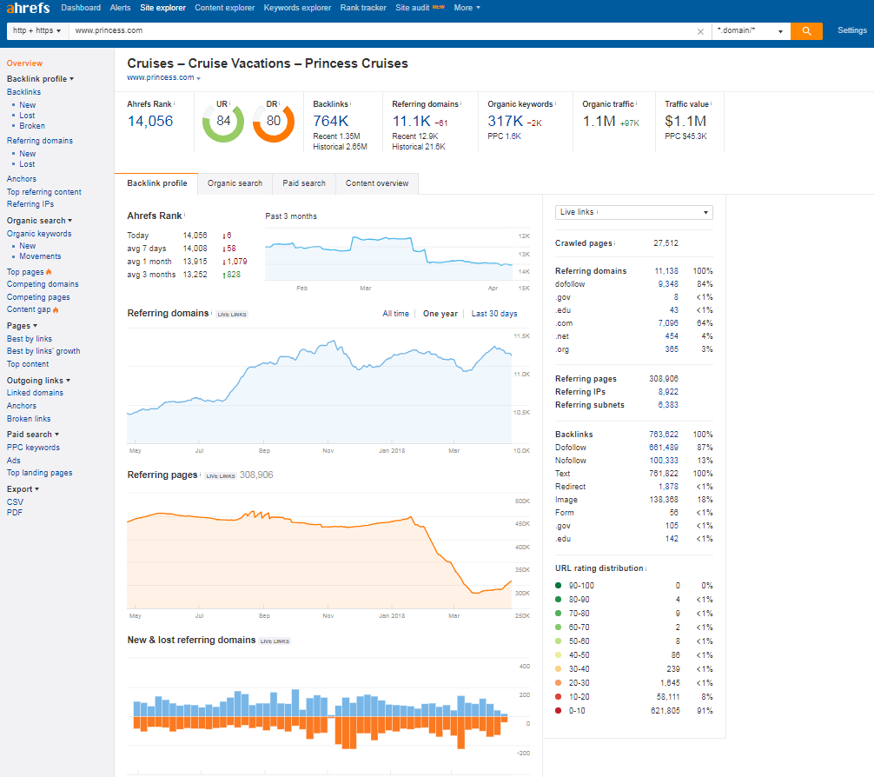
AHREFs (Compare Link Metrics) - Paste AHREF Output below each - see example to the right
 | URL Rating | Domain Rating |  | URL Rating | Domain Rating |  | URL Rating | Domain Rating |  | URL Rating | Domain Rating
Client Name |  |  | Competitor 1 |  |  | Competitor 2 |  |  | Competitor 3
PASTE HERE WITH CRAWLED PAGES CELL

Simply copy and paste this portion of the results and it should autofill the dashboard tab.

URL rating distribution |  |  | URL rating distribution |  |  | URL rating distribution |  |  | URL rating distribution

gears
Yes | Low
No | Mid
N/A | High
 | N/A

 |  | Pillars | Weight Total | Negative Total | Score |  | Low Difficulty | Mid Difficulty | High Difficulty | Index Figures |  |  | Crawl Figures
 |  | Technical: Google's Index | 25 | 0 | 100% |  | 0 | 0 | 0 | Total URLs | 0 |  | URLs | 0
 |  | Technical: Crawler Directives | 43 | 0 | 100% |  | 0 | 0 | 0 | 200 HTTP Response | 0 |  | 200 HTTP Response | 0
 |  | Technical: URL Formats | 42 | 0 | 100% |  | 0 | 0 | 0 | 301 HTTP Response | 0 |  | 301 HTTP Response | 0
 |  | Technical: Coding & Loading Times | 34 | 0 | 100% |  | 0 | 0 | 0 | 302 HTTP Response | 0 |  | 302 HTTP Response | 0
 |  | Content: META Data | 55 | 0 | 100% |  | 0 | 0 | 0 | 400 HTTP Response | 0 |  | 400 HTTP Response | 0
 |  | Content: Multimedia | 24 | 0 | 100% |  | 0 | 0 | 0 | 403 HTTP Response | 0 |  | 403 HTTP Response | 0
 |  | Content: Body Copy | 24 | 0 | 100% |  | 0 | 0 | 0 | 404 HTTP Response | 0 |  | 404 HTTP Response | 0
 |  | Authority: Links | 19 | 0 | 100% |  | 0 | 0 | 0 | 429 HTTP Response | 0 |  | 429 HTTP Response | 0
 |  | Authority: Social | 63 | 0 | 100% |  | 0 | 0 | 0 | 500 HTTP Response | 0 |  | 500 HTTP Response | 0
 |  | Experience: UX | 29 | 0 | 100% |  | 0 | 0 | 0 | 503 HTTP Response | 0 |  | 503 HTTP Response | 0
 |  | Local SEO | 16 | 0 | 100% |  | 0 | 0 | 0

 |  | For dashboard | Perfect Score | Negative Score | % | # Issues | Low Difficulty | Mid Difficulty | High Difficulty | For Graphs
 |  | Technical | 144 | 0 | 100% | 0 | 0 | 0 | 0 | Technical | 100 | 0.0
 |  | Content | 103 | 0 | 100% | 0 | 0 | 0 | 0 | Content | 100 | 0.0
 |  | Authority | 82 | 0 | 100% | 0 | 0 | 0 | 0 | Authority | 100 | 0.0
 |  | Experience | 29 | 0 | 100% | 0 | 0 | 0 | 0 | Experience | 100 | 0.0

 |  | Totals | 374 | 0 | 100%
 |  |  |  |  |  |  |  |  |  | Connect these graphs to the deck to save time / your sanity
 |  | Adjusted for Dashboard | 100 | 100 |  |  |  |  |  | PPT > File > Related Documents > Edit Links to Files

Instructions
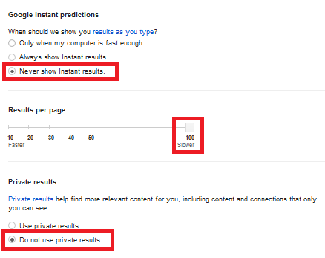
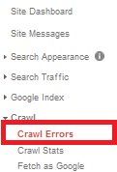
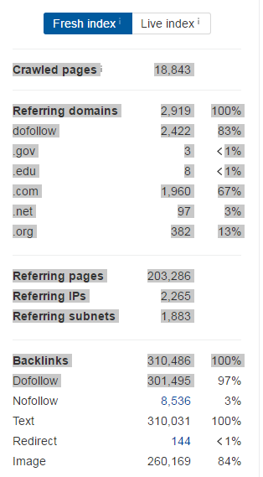
Instructions
FYI: You Can Print this Page Out!
Downloadable Firefox Tools:
- Firebug: https://getfirebug.com/ - Used to look at server responses and code
- Link Checker: https://addons.mozilla.org/en-US/firefox/addon/linkchecker/ - A Firefox extension that checks a page for links. This is a
great way to quickly see whether or not a page has broken links.
- User-agent Switcher: https://addons.mozilla.org/en-US/firefox/addon/user-agent-switcher/ - Allows you to emulate different environments, including different search engine bots and mobile devices
Downloadable Chrome Tools:
- Redirect Checker - https://chrome.google.com/webstore/detail/redirect-path/aomidfkchockcldhbkggjokdkkebmdll?hl=en
- Link Clump - https://chrome.google.com/webstore/detail/linkclump/lfpjkncokllnfokkgpkobnkbkmelfefj?hl=en - scrapes links off of pages, be sure to adjust settings so as to copy links and anchor text to clipboard
- User Agent switcher: https://chrome.google.com/webstore/detail/user-agent-switcher-for-c/djflhoibgkdhkhhcedjiklpkjnoahfmg?hl=en-US
Web-based Tools:
- AHREFS: https://ahrefs.com - A tool that analyzes the link and social profile of the site
Google Index
Looking at Google's index is one way to understand how Google in accessing the site. One major difference between analyzing the
Google index for the domain vs other site-only crawl tools is that index-based analysis can reveal legacy issues that may not be found by doing a crawl on the current version of the site. These pages may not accessible by users on the active site but they are still crawlable by search engines which can create a whole host of issues including duplicate content, internal broken links, and the possibility that these pages could outrank more up-to-date pages.
1. Adjust your search settings to "Never Show Instant Results" and update the "Results per page" to 100 (see screen shot to the right).
2. Return to the search page and in the search box, type "site:www.example.com" to get a sample of URLs available in Google's index.
If you are running the analysis on a subdomain or subfolder, type that instead.
3. Using the link clump extension, scrape all the links off as many pages as possible and stick them in columns A&B in the "SERP Scrape" tab.
4. Paste just the URLs in "CrawlCrunch" tab in column A.
5. Paste the URLs in screaming frog and paste results in "SERP Crawl" tab, starting in column A.
Google Search Console
If you have access to the clients webmaster tool information, a summary of the data can be applied to the score.
1. Go into the Crawl errors section of GSC by going to Crawl > Crawl Errors. Grab the number of Crawl Errors by each type, if there is
no data for that type, type 0. Make sure you take all of the data from Desktop, Smartphone, and Feature phone crawl errors and add
them together.
2. Enter the figures on the "CrawlCrunch & Link Metrics Tab columns I&J.
ScreamingFrog Site-wide Crawl
Crawl tests are great to understand what is happening on the current site. The ScreamingFrog Crawl collects a lot of data and returns a robust dataset that can allow us to easily analyze different elements of the current site.
1. Change the Mode from List to Spider. Run the crawl using the root URL. Subdomains must be run separately. If you are running an
analysis of a subdomain or subfolder, simply run the crawl using that URL.
2. Copy the raw crawl data into the "Crawl" tab.
3. From the original output file from SF, filter out everything from column B Content that is not: "text/html"
4. Paste the resulting "cleaned" crawl data into the "CrawlCrunch & Link Metrics" columns L - AR.
5. Go back to the ScreamingFrog program and go to Reports > Crawl Overview. Paste this raw data in the "CrawlCrunch" tab BD - BH columns.
6. Save the ScreamingFrog crawl by going to File > Save into your client's folder (locally on your PC - you may need this again later)
AHREFs
Is a tool that gives us a snapshot of the link data for the site.
1. We use the summary information on the right column by simply copying with your mouse cursor (see screen shot to the right).
2. Link Metrics tab, we paste into the columns starting at B (Client)
and the three competitor columns.
Before You Begin
Have the account manager determine the following before attempting the audit:
1. Provide up to three competitors
2. Define the domain for the audit in the questionaire tab.
3. How the brand uses their name: e.g. "philosophy", "LiftMaster", etc. - in the Quesionnaire tab.
4. What social media channels should be examined or included as necessary for the brand - those not included should be scored "N/A".
The Questionnaire Tab
The Questionnaire walks you through the audit points and process forcing you to consider many points of the website. Many questions have a tool tip aimed to help you determine if the answer is "Yes" or "No". Note that the audit is designed for every "Yes" answer to take points away from a theoretical perfect score. If the question does not apply. score it "N/A" and the weights will drop out and not impact the overall score negatively or positively.
Depending the answers to these questions, the dashboard will populate the solution. I find it easier for later documentation to record different issues I discover during the audit into seperate tabs. For example, if I find that there are URLs that need to be restricted, I like to make a list of those URLs in a seperate tab in the audit document so I can refer back to them later. Same thing goes for URLs with redirect issues. You do not need to spend much time generating these tabs but a nice sample is a good idea.
The Dashboard Issues Section
This portion will auto-fill with the questionnaire answers in a hidden column. You will need to sort out the "OK" statements out of the column in the "Issues" table below the overview.
Where Does Everything on the Dashboard Come From?
The Dashboard is driven by the data that is input from everywhere else in this workbook. Except the Audit summary box - you need to fill that out. Simply list the most impactful problems of the site - twelve issues at most.
PowerPoint Deck
Be sure to use the pillars that are auto created in the "gears" tab. This audit should drive the amount of slides needed. For example, if there are 4 issues in the "Google's Index" portion that can be consolidated into one slide, do so. If it takes more than one, so be it. Use the additional slide's "Rationale" as the subtitle of the next slide.
The deck should be high-level, whereas the details to all the issues should remain and reside in this audit spreadsheet. Consult with the client and account manager to be sure what the audience expectations.
When finished, hide all tabs except for the Dashboard before delivering to the client.
That's all, folks!

