Cover
Tech Site Audit

[Client Logo]

Overview

This technical site audit provides a deeper understanding where [client] opportunities exist for improved organic search performance.

Contents

Summary

Instructions
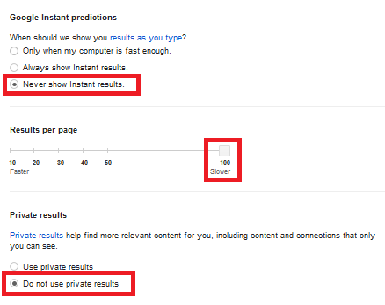
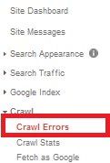
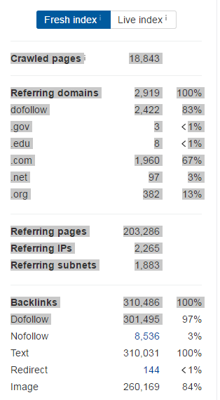
Tech Audit Instructions
FYI: You Can Print this Page Out!
Downloadable Firefox Tools:
- SEO Quake: http://www.seoquake.com/ - Used to download the URLs in Google's index
- Firebug: https://getfirebug.com/ - Used to look at server responses and code
- Link Checker: https://addons.mozilla.org/en-US/firefox/addon/linkchecker/ - A Firefox extension that checks a page for links. This is a
great way to quickly see whether or not a page has broken links.
- Web developer toolbar: http://chrispederick.com/work/web-developer/ - Allows you to turn off different web elements, including
JavaScript
- User-agent Switcher: https://addons.mozilla.org/en-US/firefox/addon/user-agent-switcher/ - Allows you to emulate different environments, including different search engine bots and mobile devices
Downloadable Chrome Tools:
- Redirect Checker - https://chrome.google.com/webstore/detail/redirect-path/aomidfkchockcldhbkggjokdkkebmdll?hl=en
- Link Clump - https://chrome.google.com/webstore/detail/linkclump/lfpjkncokllnfokkgpkobnkbkmelfefj?hl=en - scrapes links off of pages, be sure to adjust settings so as to copy links and anchor text to clipboard
- User Agent switcher: https://chrome.google.com/webstore/detail/user-agent-switcher-for-c/djflhoibgkdhkhhcedjiklpkjnoahfmg?hl=en-US
Web-based Tools:
- AHREFS: https://ahrefs.com - A tool that analyzes the link and social profile of the site
- Google Search Console: https://www.google.com/webmasters/tools/ - Lets you see error and crawl information directly from Google
How This Document is Designed
This document is designed to walk you through the audit process, leveraging exports from ScreamingFrog, Google, and AHREFs to aid in your analysis. Examples include a list of legacy URLs, URLs that should be restricted, a list of 302 URLs, etc... This can help you later on to generate deliverables.
Google Index
Looking at Google's index is one way to understand how Google in accessing the site. One major difference between analyzing the
Google index for the domain vs other site-only crawl tools is that index-based analysis can reveal legacy issues that may not be found by doing a crawl on the current version of the site. These pages may not accessible by users on the active site but they are still crawlable by search engines which can create a whole host of issues including duplicate content, internal broken links, and the possibility that these pages could outrank more up-to-date pages.
1. Adjust your search settings to "Never Show Instant Results" and update the "Results per page" to 100 (see screen shot to the right).
2. Return to the search page and in the search box, type "site:www.example.com" to get a sample of URLs available in Google's index.
If you are running the analysis on a subdomain or subfolder, type that instead.
3. Using the link clump extension, scrape all the links off as many pages as possible and stick them in columns A&B in the "SERP Scrape" tab.
4. Paste just the URLs in "CrawlCrunch" tab in column A.
5. Paste the URLs in screaming frog and paste results in "SERP Crawl" tab, starting in column A.
Google Search Console
If you have access to the clients webmaster tool information, a summary of the data can be applied to the score.
1. Go into the Crawl errors section of GSC by going to Crawl > Crawl Errors. Grab the number of Crawl Errors by each type, if there is
no data for that type, type 0. Make sure you take all of the data from Desktop, Smartphone, and Feature phone crawl errors and add
them together.
2. Enter the figures on the "CrawlCrunch & Link Metrics Tab columns I&J.
ScreamingFrog Site-wide Crawl
Crawl tests are great to understand what is happening on the current site. The ScreamingFrog Crawl collects a lot of data and returns a robust dataset that can allow us to easily analyze different elements of the current site.
1. Change the Mode from List to Spider. Run the crawl using the root URL. Subdomains must be run separately. If you are running an
analysis of a subdomain or subfolder, simply run the crawl using that URL.
2. Copy the raw crawl data into the "Crawl" tab.
3. From the original output file from SF, filter out everything from column B Content that is not: "text/html"
4. Paste the resulting "cleaned" crawl data into the "CrawlCrunch & Link Metrics" columns L - AR. You may have to adjust formulas to accomodate any shifts (additional columns from multiple header tags, etc.) in the export.
5. Go back to the ScreamingFrog program and go to Reports > Crawl Overview. Paste this raw data in the "CrawlCrunch" tab BD - BH columns.
6. Save the ScreamingFrog crawl by going to File > Save into your client's folder (locally on your PC - you may need this again later)
7. For the XML sitemap QA, simply insert a new column B in the "Crawl" tab and vlookup XML list against the crawl URLs found.
AHREFs
Is a tool that gives us a snapshot of the link data for the site.
1. We use the summary information on the right column by simply copying with your mouse cursor (see screen shot to the right).
2. For the CrawlCrunch & Link Metrics tab, we paste into the columns starting at BJ (Client)
and the three competitor columns.
Before You Begin
Have the account manager determine the following before attempting the audit:
1. Define the domain for the audit in the questionaire tab.
2. How the brand uses their name: e.g. "philosophy", "LiftMaster", etc. - in the Quesionnaire tab
That's all, folks!

