Sheet1
Jiaqing Mo

CSC 477 Final Report | Assignment 3 extension

 | Iris original | Iris PCA | Social security | Social security PCA | Unemployment | Unemployment PCA
dbscan #1 | 4 | 4 | 6 | 3 | 2 | 1
dbscan #2 | 2 | 2 | 1 | 2 | 2 | 2
kmean #1 | 3 | 3 | 3 | 3 | 3 | 3
kmean #2 | 4 | 4 | 4 | 4 | 4 | 4
mean shift #1 | 3 | 2 | 4 | 5 | 5 | 5
mean shift #2 | 8 | 9 | 3 | 3 | 3 | 3
mini batch #1 | 3 | 3 | 3 | 3 | 3 | 4
mini batch #2 | 2 | 2 | 2 | 2 | 2 | 2
Affinity #1 | 2 | 3 | 53 | 52 | 83 | 83
Affinity #2 | 4 | 4 | 71 | 48 | 84 | 82
Spectral #1 | 4 | 4 | 4 | 4 | 4 | 4
Spectral #2 | 3 | 3 | 3 | 3 | 3 | 3
Ward hiearchical #1 | 10 | 10 | 8 | 8 | 10 | 10
Ward hiearchical #2 | 7 | 9 | 8 | 7 | 7 | 7
Gaussian mixtures #1 | 5 | 5 | 6 | 6 | 5 | 5
Gaussian mixtures #2 | 4 | 4 | 4 | 4 | 4 | 4
Birch #1 | 4 | 4 | 4 | 4 | 4 | 4
Birch #2 | 3 | 2 | 3 | 3 | 3 | 3

 | Sex Offenders | Sex Offenders PCA | Diabetes | Diabetes PCA | Death Cause | Death Cause PCA
dbscan #1 | 3 | 3 | 3 | 3 | 3 | 3
dbscan #2 | 2 | 2 | 2 | 2 | 2 | 2
kmean #1 | 3 | 3 | 3 | 3 | 3 | 3
kmean #2 | 4 | 4 | 4 | 4 | 4 | 4
mean shift #1 | 5 | 5 | 5 | 5 | 5 | 5
mean shift #2 | 3 | 3 | 3 | 3 | 3 | 3
mini batch #1 | 3 | 3 | 3 | 3 | 3 | 3
mini batch #2 | 2 | 2 | 2 | 2 | 2 | 2
Affinity #1 | 54 | 34 | 3 | 3 | 4 | 3
Affinity #2 | 43 | 21 | 2 | 2 | 2 | 2
Spectral #1 | 4 | 4 | 4 | 4 | 4 | 4
Spectral #2 | 3 | 3 | 3 | 3 | 3 | 3
Ward hiearchical #1 | 10 | 9 | 8 | 8 | 8 | 8
Ward hiearchical #2 | 7 | 7 | 7 | 7 | 7 | 7
Gaussian mixtures #1 | 6 | 5 | 5 | 5 | 6 | 5
Gaussian mixtures #2 | 4 | 4 | 4 | 4 | 3 | 4
Birch #1 | 4 | 4 | 4 | 4 | 4 | 4
Birch #2 | 5 | 3 | 4 | 3 | 3 | 3

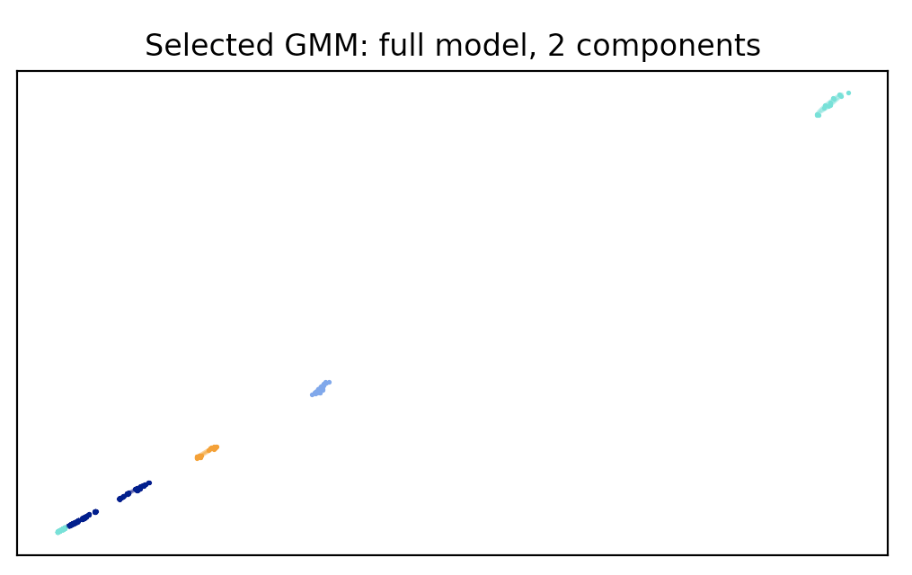
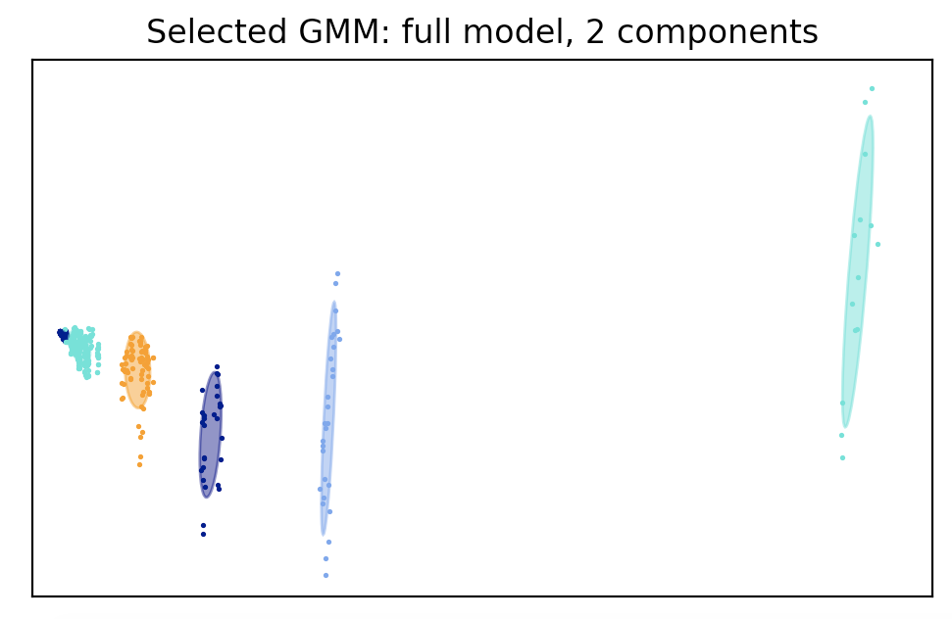

 | Unemployment Gaussian Cluster |  |  |  | Unemployment Gaussian Cluster PCA

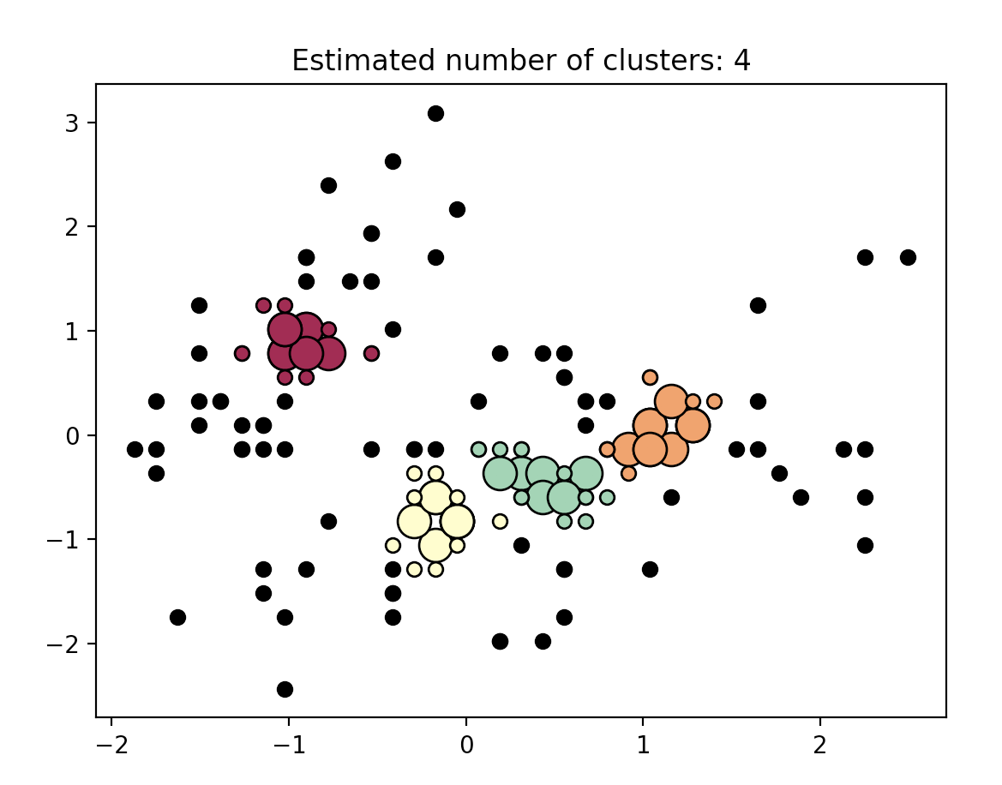
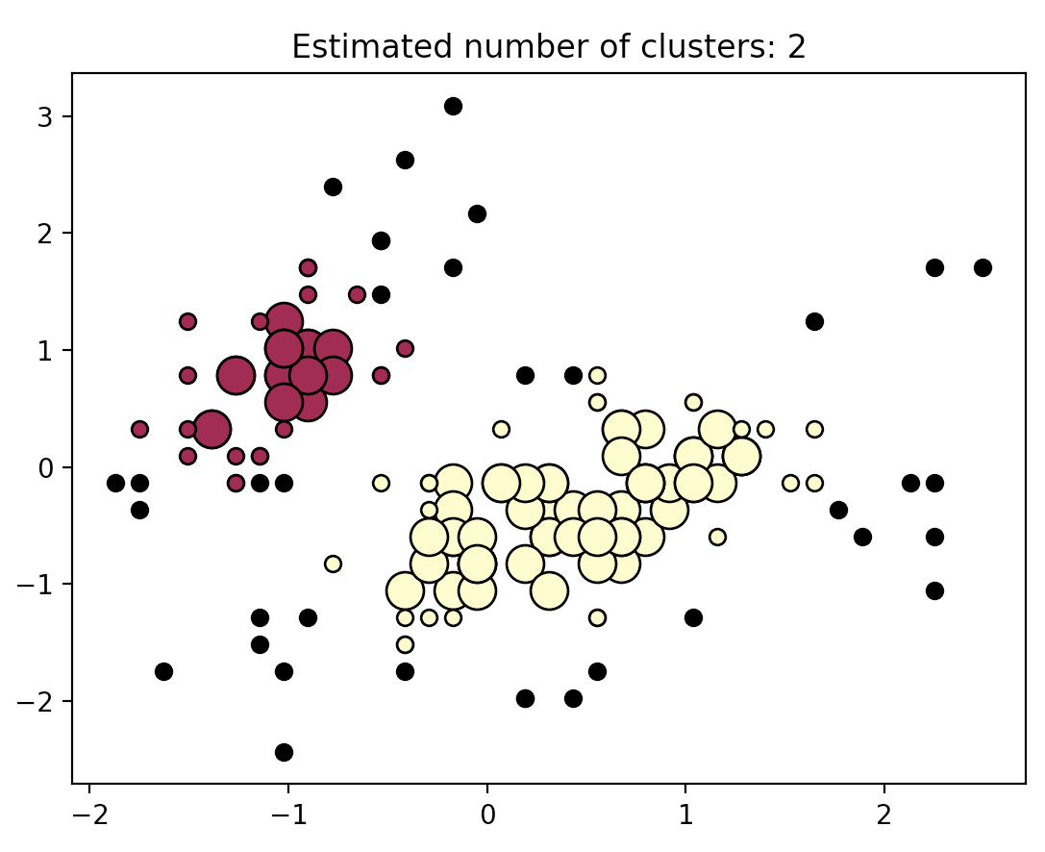

 | Iris DB Scan Original |  |  |  | Iris DB Scan Original (Adjusted)
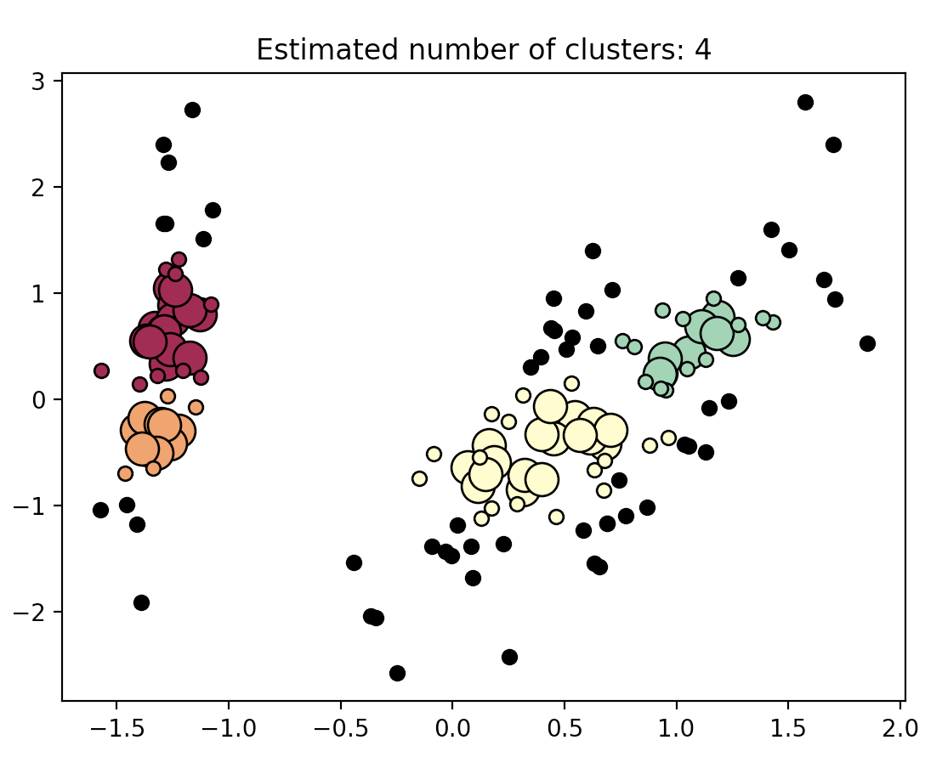
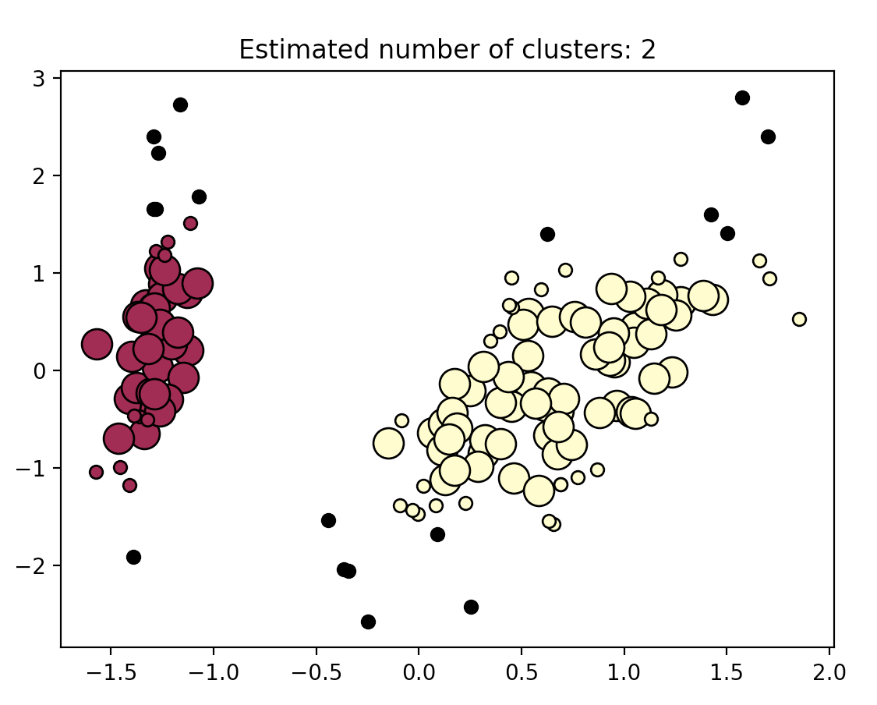

 | Iris DB Scan PCA |  |  |  | Iris DB Scan PCA (Adjusted)

