CH32V203F6P6_Pin_Definitions
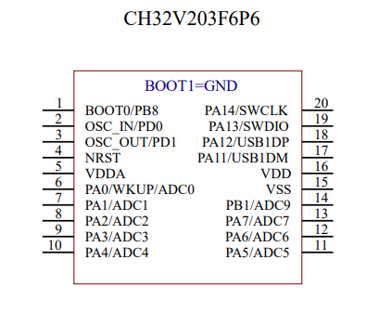
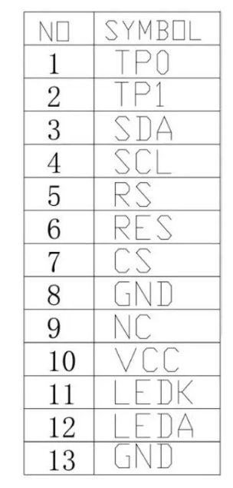
No. | Pin type | Function | Used | 2nd Function | No. | Function | Used
1 | P | BOOT0/PB8 | BT0 | BUZZER | 1 | TP0 | -
2 | I/A | OSC_IN/PD0 | - |  | 2 | TP1 | -
3 | O/A | OSC_OUT/PD1 | DISP_RST |  | 3 | SDA | SPI1_MOSI
4 | I | NRST | RST |  | 4 | SCL | SPI1_SCK
5 | P | VDDA | PWR |  | 5 | RS | DISP_DC
6 | I/O/A | PA0/WKUP/ADC0 | TOUCHKEY_1 |  | 6 | RES | DISP_RST
7 | I/O/A | PA1/ADC1 | TOUCHKEY_2 |  | 7 | CS | SPI1_CS
8 | I/O/A | PA2/ADC2 | TOUCHKEY_3 |  | 8 | GND | GND
9 | I/O/A | PA3/ADC3 | TOUCHKEY_4 |  | 9 | NC | -
10 | I/O/A | PA4/ADC4 | SPI1_CS |  | 10 | VCC | PWR
11 | I/O/A | PA5/ADC5 | SPI1_SCK |  | 11 | LEDK | GND
12 | I/O/A | PA6/ADC6 | TOUCHKEY_6 |  | 12 | LEDA | DISP_BL
13 | I/O/A | PA7/ADC7 | SPI1_MOSI |  | 13 | GND | GND
14 | I/O/A | PB1/ADC9 | TOUCHKEY_5
15 | P | VSS | PWR
16 | P | VDD | PWR
17 | I/O/A | PA11/USB1DM | DISP_DC
18 | I/O/A | PA12/USB1DP | DISP_BL
19 | I/O | PA13/SWDIO | PROG
20 | I/O | PA14/SWCLK | PROG

