Tools statistics
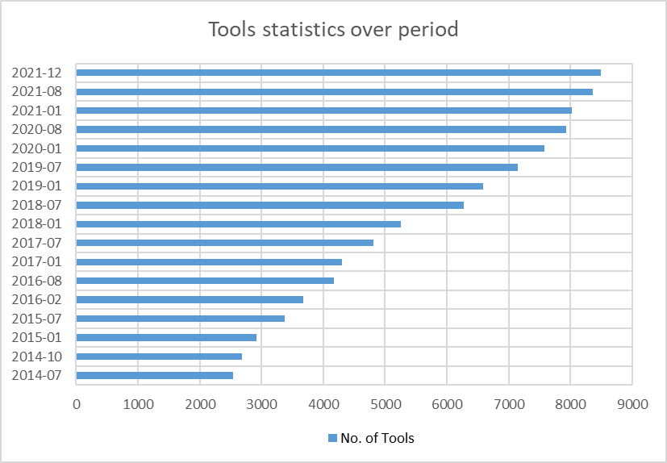
Tools Info
SL | Year-Month | No of tools
1 | 2014-07 | 2538
2 | 2014-10 | 2684
3 | 2015-01 | 2914
4 | 2015-07 | 3374
5 | 2016-02 | 3676
6 | 2016-08 | 4167
7 | 2017-01 | 4300
8 | 2017-07 | 4807
9 | 2018-01 | 5257
10 | 2018-07 | 6272
11 | 2019-01 | 6585
12 | 2019-07 | 7154
13 | 2020-01 | 7584
14 | 2020-08 | 7937
15 | 2021-01 | 8028
16 | 2021-08 | 8362
17 | 2021-12 | 8496

