UAT Defects
SL # | Reporting Date | Com | Bug Description | Priority | Status | Closure Date | Reproduction Steps | Notes | Image
1 | 1-Feb-24 | Page Header | a) Provide a login button on the header menu bar which should lead to the following url: https://www.anodiam.com/login | 5 | Open |  | 1. Visit: https://sites.google.com/view/anodiam 2. Watch the brower tab's header. | A Login/Register button to be designed inhouse.
2 | 1-Feb-24 | Page Header | The favicon / "anodiam" logo of the browser tab is not a transparent png. Four corners of the logo show white pixels. | 4 | Open |  | 1. Visit: https://sites.google.com/view/anodiam 2. Watch the brower tab's header. | A transparent png file named "Web Tab Logo.png" has been already emailed to Anttech for the purpose of usage in this favicon / logo. This .png file will be emailed again. Screen shot attached in file: "DefectImages.docx": Image-1. | 
3 | 1-Feb-24 | Page Header | The browser tab header reads "Home" for home page. It should read "Anodiam" for Home page. | 4 | Open |  | 1. Visit: https://sites.google.com/view/anodiam 2. Watch the brower tab's header. | Screen shot attached in file: "DefectImages.docx": Image-1.
4 | 1-Feb-24 | Page Header | The Main icon of the website is not proper | 5 | Open |  | 1. Visit: https://sites.google.com/view/anodiam | The Icon of the website should be the Image-3 from file: "DefectImages.docx" and NOT Image-2. The catch line at the bottom of Image-2 is not clearly readable. Screen shot attached in file: "DefectImages.docx": Image-3.
5 | 1-Feb-24 | Page Header | Menu names to be changed. We need only four pages: 1> Home 2> Featured Courses 3> Free Materials 4> Contact Us | 5 | Open |  | 1. Visit: https://sites.google.com/view/anodiam | Anodiam's business site needs only four of the following pages: 1> Home 2> Featured Courses 3> Free Materials 4> Contact Us
6 | 1-Feb-24 | Page Header | The color of the menu bar should be Dark Blue (RGB = 2, 60, 97), not black or the existing color | 3 | Open |  | 1. Visit: https://sites.google.com/view/anodiam | Screen shot attached in file: "DefectImages.docx": Image-4.
7 | 1-Feb-24 | Home Page: Page Header | The word anodiam should be removed from the header. We will give you a new background image. N.B. – The replacement image will be mailed. | 5 | Open |  | 1. Visit: https://sites.google.com/view/anodiam
8 | 1-Feb-24 | Home Page: Body | Delete the section as it is not required. | 5 | Open |  | 1. Visit: https://sites.google.com/view/anodiam | Screen shot attached in file: "DefectImages.docx": Image-7.
9 | 1-Feb-24 | About Us Page | USE THIS SAME FONT STYLE (Font should be Oxygen) FOR WRITING ALL PAGE HEADERS, NO UNDERLINES, NO BOLD | 5 | Open |  | 1. Visit: https://sites.google.com/view/anodiam | Screen shot attached in file: "DefectImages.docx": Image-8.
10 | 1-Feb-24 | All Pages | The tooltip text is moving up and down while scrolling for all buttons. We have no need for tooltip, remove them. | 5 | Open |  | 1. Visit: https://sites.google.com/view/anodiam. 2. Place the cursor on any button. | Screen shot attached in file: "DefectImages.docx": Image-9.
11 | 1-Feb-24 | Home Page: Body | We do not need this part on home page, remove it. | 4 | Open |  | 1. Visit: https://sites.google.com/view/anodiam 2. Inspect the body. | Screen shot attached in file: "DefectImages.docx": Image-10. | 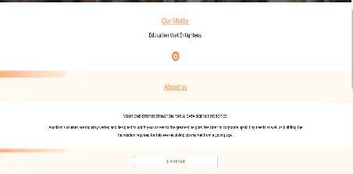
12 | 1-Feb-24 | Home Page | We need to reconsider this and finalize the contents. | 5 | Open |  | 1. Visit: https://sites.google.com/view/anodiam
13 | 1-Feb-24 | About Us Page | To be deleted. |  | Open |  | 1. Visit: https://sites.google.com/view/anodiam
14 | 1-Feb-24 | Courses Page: Contents | We need to transform the courses to clickable cards. Which should lead to: https://www.anodiam.com/login | 5 | Open |  | 1. Visit: https://sites.google.com/view/anodiam 2. Inspect the contents. | Screen shot attached in file: "DefectImages.docx": Image-11. | 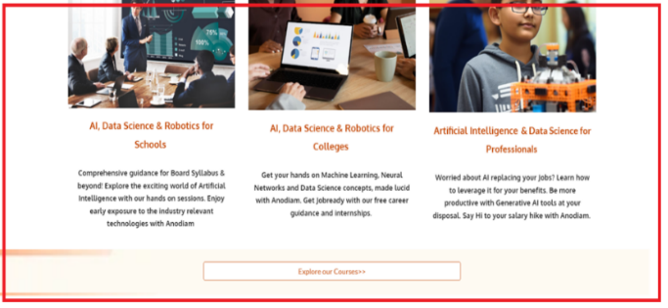
15 | 1-Feb-24 | Courses Page: Header | a) Remove the underline from Courses. Do not bold it out. Font should be oxygen. | 5 | Open |  | 1. Visit: https://sites.google.com/view/anodiam 2. Go to Course page. | Screen shot attached in file: "DefectImages.docx": Image-12. | 
16 | 1-Feb-24 | Courses Page: Body | Make the para spacing uniform (Write the course name like “AI & Data Science For Professionals) | 5 | Open |  | 1. Visit: https://sites.google.com/view/anodiam 2. Go to Course page. | Screen shot attached in file: "DefectImages.docx": Image-13. | 
17 | 1-Feb-24 | Courses Page: Images | All course images are to be changed. | 5 | Open |  | 1. Visit: https://sites.google.com/view/anodiam 2. Go to Course page. | Screen shot attached in file: "DefectImages.docx": Image-13.
18 | 1-Feb-24 | Courses Page: Body | Numberings 1,2,3 marked in red vertical rectangle to be deleted. |  | Open |  | 1. Visit: https://sites.google.com/view/anodiam 2. Go to Course page. | Screen shot attached in file: "DefectImages.docx": Image-14.
19 | 1-Feb-24 | Courses Page: Body | Delete the part (“Discounts are live….”) marked in red horizontal rectangle. | 5 | Open |  | 1. Visit: https://sites.google.com/view/anodiam 2. Go to Course page. | Screen shot attached in file: "DefectImages.docx": Image-14.
20 | 1-Feb-24 | Gallery Page: Header | Name should be changed to: "Free Materials" | 5 | Open |  | 1. Visit: https://sites.google.com/view/anodiam 2. Go to Galley page.
21 | 1-Feb-24 | Gallery Page: Content | Contents should be youtube videos. | 5 | Open |  | 1. Visit: https://sites.google.com/view/anodiam 2. Go to Galley page.
22 | 1-Feb-24 | Contact us page: Header | Contact Us page header to be written in normal case, brand font (Oxygen) | 5 | Open |  | 1. Visit: https://sites.google.com/view/anodiam 2. Go to Conatct Us page. | Screen shot attached in file: "DefectImages.docx": Image-15. | 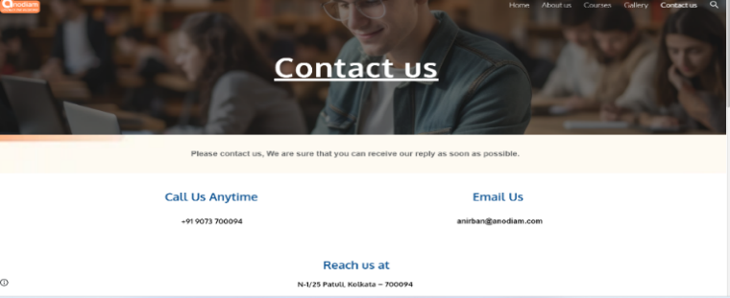
23 | 1-Feb-24 | Contact us page: Contents | Call Us Anytime, Email Us, Reach Us at sections are to be removed. | 5 | Open |  | 1. Visit: https://sites.google.com/view/anodiam 2. Go to Conatct Us page. | Screen shot attached in file: "DefectImages.docx": Image-15.
24 | 1-Feb-24 | Contact us page: Contents | Only this part to be kept. Visit Us should be changed to Locate Us. | 4 | Open |  | 1. Visit: https://sites.google.com/view/anodiam 2. Go to Conatct Us page. | Screen shot attached in file: "DefectImages.docx": Image-16.
25 | 1-Feb-24 |  | a) Delete the quick link part which is marked in red square as it is not required. b) Give icons for address, mobile no. and email ID. Also turn them into hyperlinks so that clicking on them leads to the respective stuff. |  | Open |  | 1. Visit: https://sites.google.com/view/anodiam 2. Scroll down to footer. | Screen shot attached in file: "DefectImages.docx": Image-17. | 
26 | 1-Feb-24 |  | c) Replace our app icon with playstore’s icon. d) Find a better theme color and design for the footer. |  | Open |  | 1. Visit: https://sites.google.com/view/anodiam 2. Scroll down to footer. | Screen shot attached in file: "DefectImages.docx": Image-17.
27 | 1-Feb-24 |  | e) Only two columns. Contacts & Follow Us. Youtube Icon to be included. f) Whatsapp icon looks smaller than the rest. Keep all of them uniformly sized. |  | Open |  | 1. Visit: https://sites.google.com/view/anodiam 2. Scroll down to footer. | Screen shot attached in file: "DefectImages.docx": Image-17.
 | 1-Feb-24 |  | g) No need for the map icon at bottom marked in red h) Adress should be: N-1/25 Patuli, Kolkata - 700094 |  | Open |  | 1. Visit: https://sites.google.com/view/anodiam 2. Scroll down to footer. | Screen shot attached in file: "DefectImages.docx": Image-17.

