Sheet 1
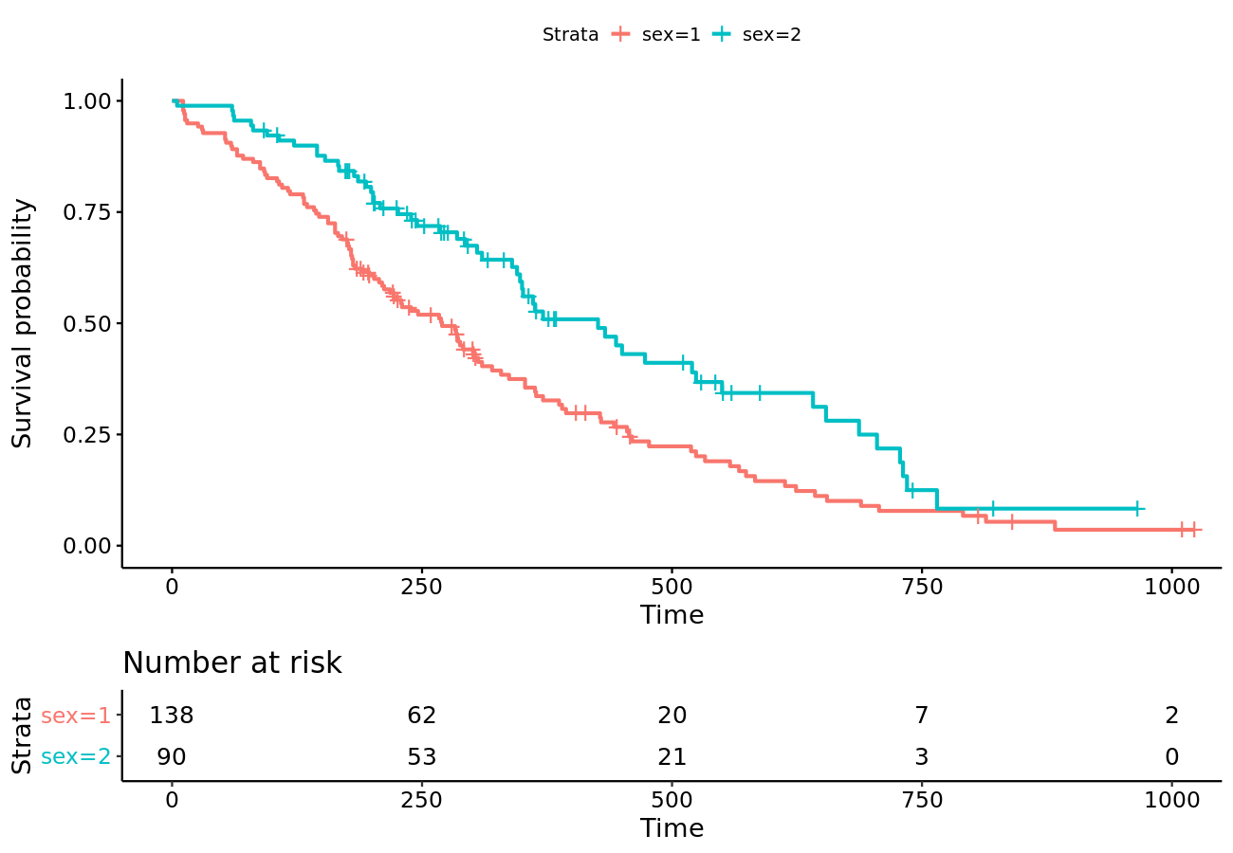
Table 1: Time to event analysis of ...

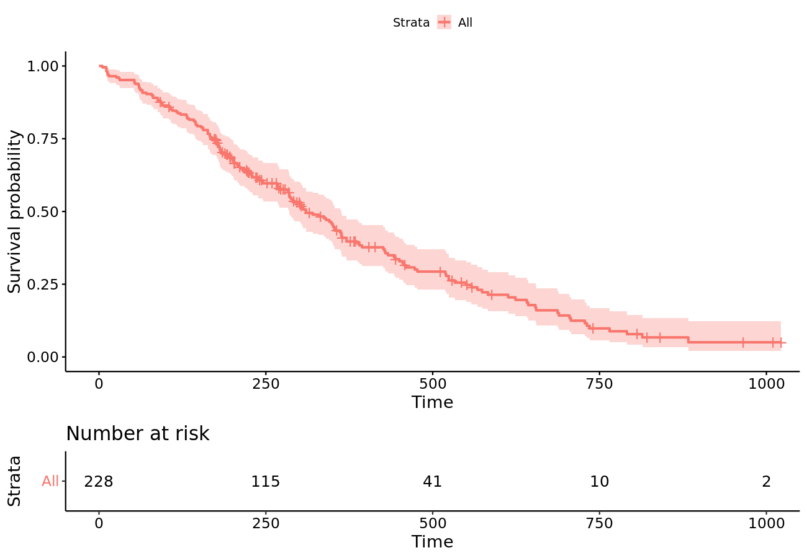
 | statistic | overall | 1 | 2
1 | Descriptive statistics
2 | Number of patients at risk | 228 | 138 | 90
3 | Count(%) of patients with event | 165 (72.37) | 112 (81.16) | 53 (58.89)
4 | Median survival (95% CI) | 310 (285, 363) | 270 (212, 310) | 426 (348, 550)
5 | Mean (SE) | 376.27 (19.71) | 326.08 (22.91) | 455.9 (32.92)
6 | Kaplan-Meier estimates
7 | 0 | 1 (1, 1) | 1 (1, 1) | 1 (1, 1)
8 | 40 | 0.95 (0.92, 0.98) | 0.93 (0.89, 0.97) | 0.99 (0.97, 1)
9 | 80 | 0.9 (0.86, 0.94) | 0.87 (0.82, 0.93) | 0.94 (0.9, 0.99)
10 | 120 | 0.84 (0.79, 0.89) | 0.79 (0.72, 0.86) | 0.91 (0.85, 0.97)
11 | 160 | 0.78 (0.73, 0.84) | 0.72 (0.65, 0.8) | 0.87 (0.8, 0.94)
12 | 200 | 0.68 (0.62, 0.74) | 0.61 (0.53, 0.69) | 0.79 (0.71, 0.88)
13 | P.values
14 | sex | 0.001

