analysis_sheet
Answer these questions

1. What days of the week have the fewest visitors?

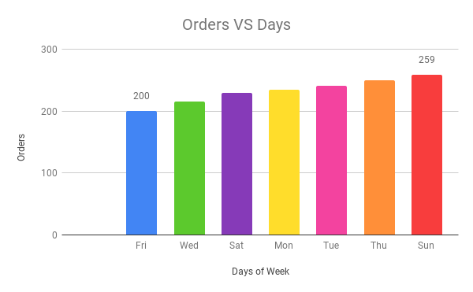

Friday has the fewest visitors.

2. The average peak and quiet hours?
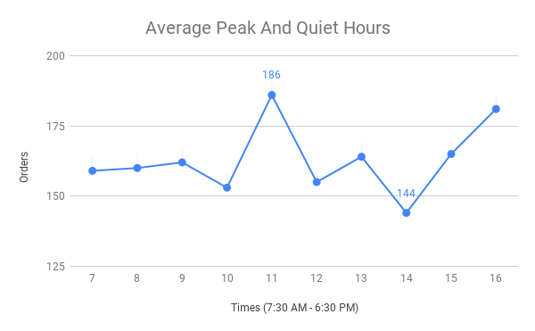

The peak hour is 11 AM
The quiet hour is 14 PM

3. The highest/ lowest sales volumes in peak hours or quiet hours?
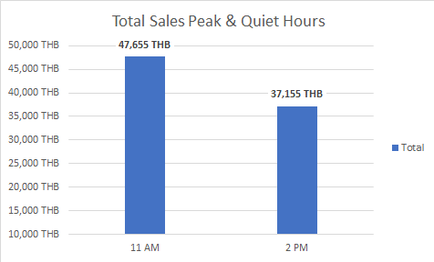

Total sales at peak hour is 47,655 THB
Total sales at quiet hour is 37,155 THB

4. What is the average basket size? The average number of drinks per basket?

Average drink per order | 2 cups
Average basket size | 248.65 THB

5. What time of the day do customers tend to spend more?

11:00:00

6. What type of drink should we use to create the promotion?
Popular Menu

Menus | Counts
Pour-over normal | 578
Pour-over special | 433
Latte | 336
Americano | 301
Cappucino | 298
Flat white | 295
Mocha | 160
Coffee beans special 200 | 157
Espresso shot | 147
Coffee beans 200 | 144
Macchiato | 140

