Sheet1
 |  | BARANGAY VOLUNTEER WORKERS (BVW) ALLOWANCE

AGENCY: LAGUNA CLIMATE CHANGE ADAPTATION OFFICE
We acknowledge receipt of the sum shown opposite our names as full compensation for services rendered for the period stated. |  |  |  |  |  |  | Period: | DECEMBER,2020
NAME OF BVW's |  | PERIOD OF SERVICE | MONTHLY RATE OF PAY | AMOUNT PAID | NO. | SIGNATURE OR THUMBMARK | COMMUNITY TAX
 |  |  |  |  |  |  | CT NUMBER | DATE ISSUED | PLACE ISSUED
CALAMBA CITY, LAGUNA

 | SUB-TOTAL
 | TOTAL
CERTIFIED: |  | Noted By: | Approved for Payment: |  |  | Certification:
Each person whose name appears on this roll |  |  |  |  |  | Each person whose name appeared on the above roll
had rendered services for the time stated. |  |  |  |  |  | has been paid in the amount stated opposite his name.
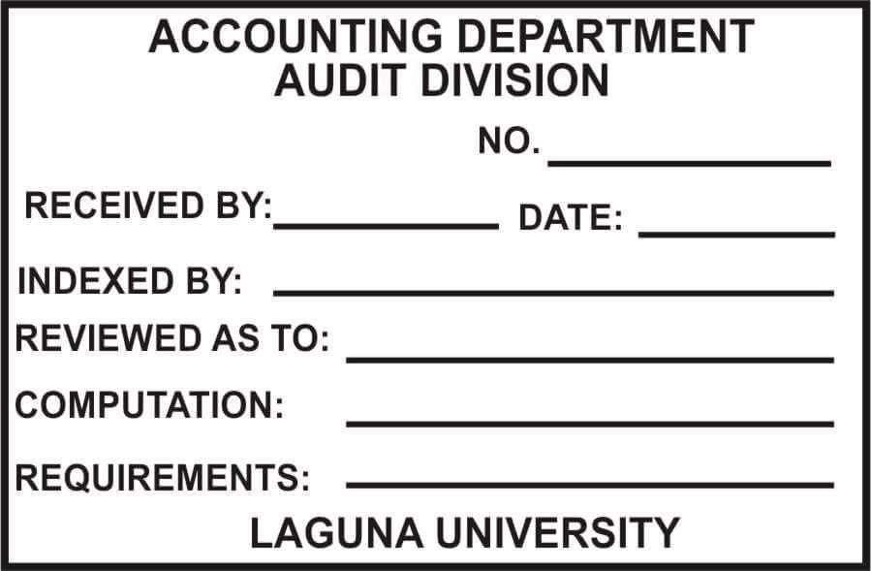
General Fund

HENRY B. HALAWIG |  | ATTY.DULCE H. REBANAL | HON. RAMIL L. HERNANDEZ
Head / LCCAO |  | Provincial Administrator | Governor
 |  |  |  |  |  | Name & Signature of Disbursing Officer

Certified: Funds available in the amount of P________________

EVELYN T. VILLANUEVA
Provincial Accountant

