Sheet1
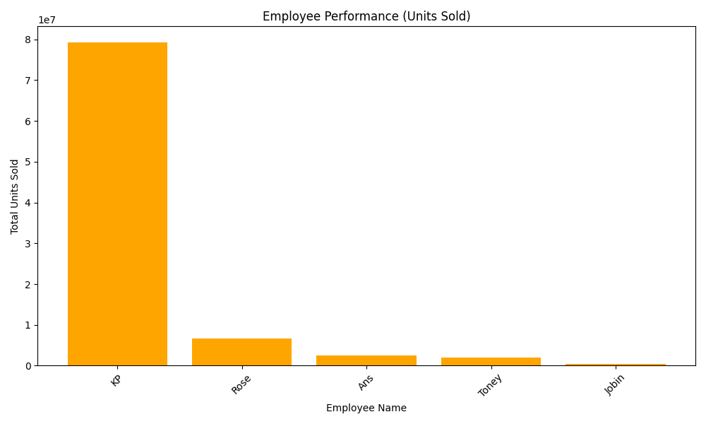
Name | Total_Units_Sold | Total_Cost | Total_Commission
KP | 79231209 | 559921656 | 56209376.13
Rose | 6585312 | 163118087 | 25066870.25
Ans | 2482512 | 100320262 | 16326804.45
Toney | 2055856 | 71146237 | 13406407.33
Jobin | 398638 | 19239932 | 2516513.7

