Sheet1
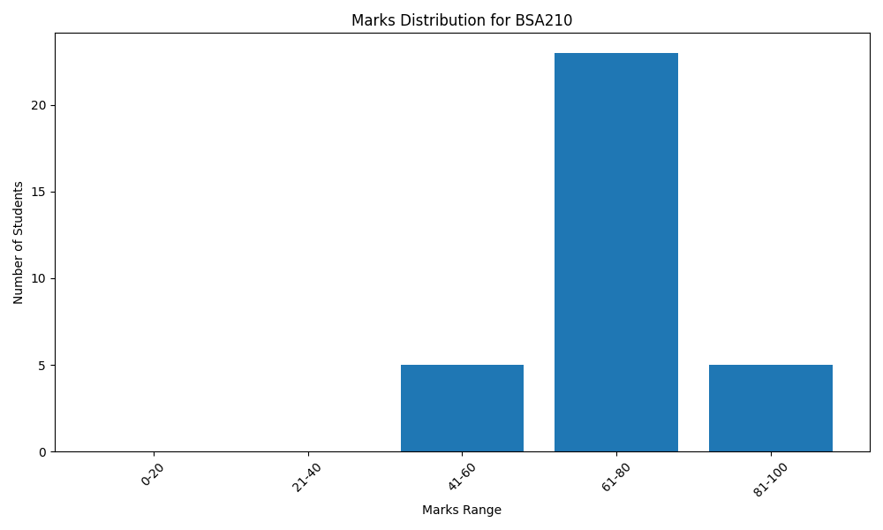
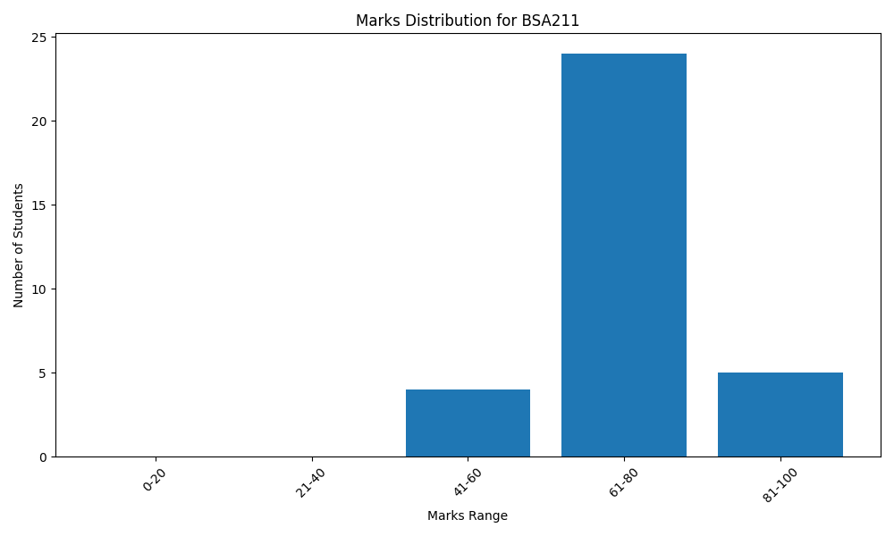
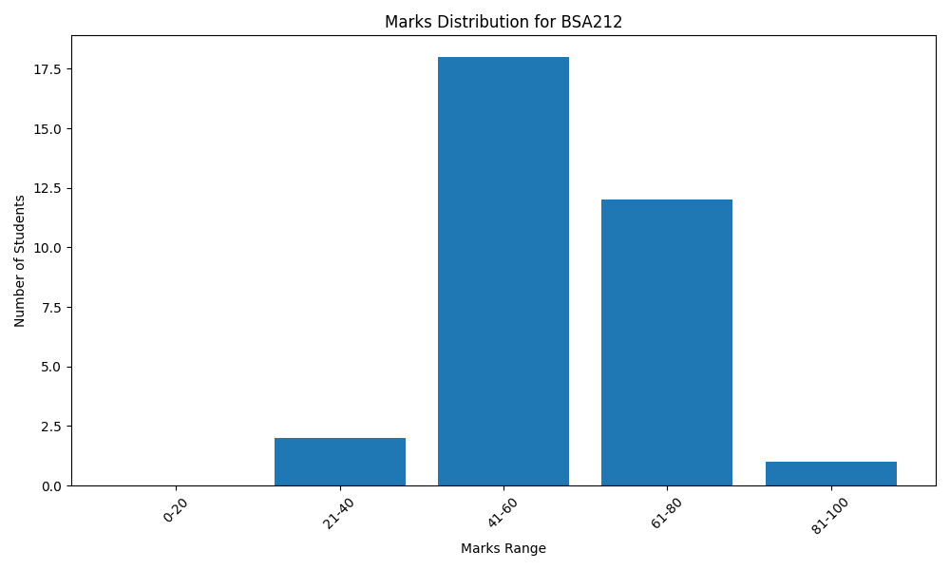
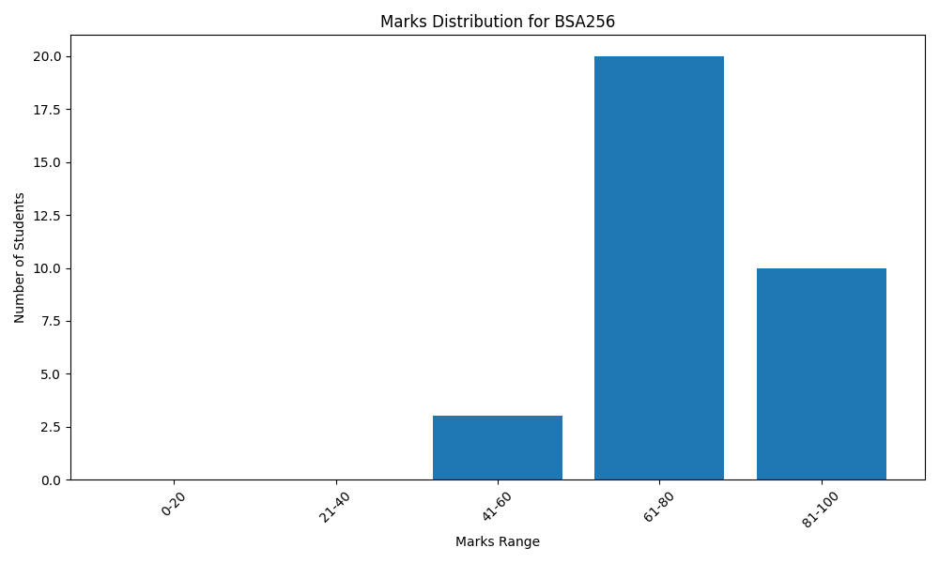
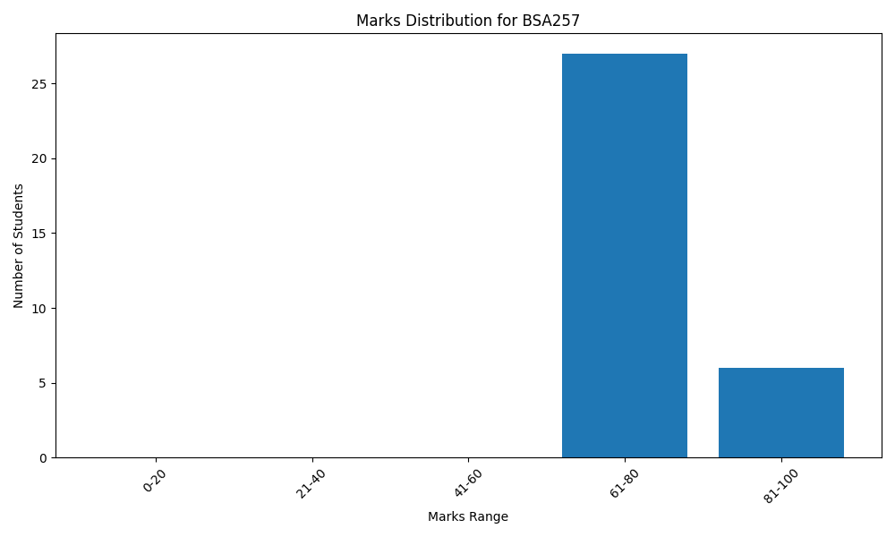
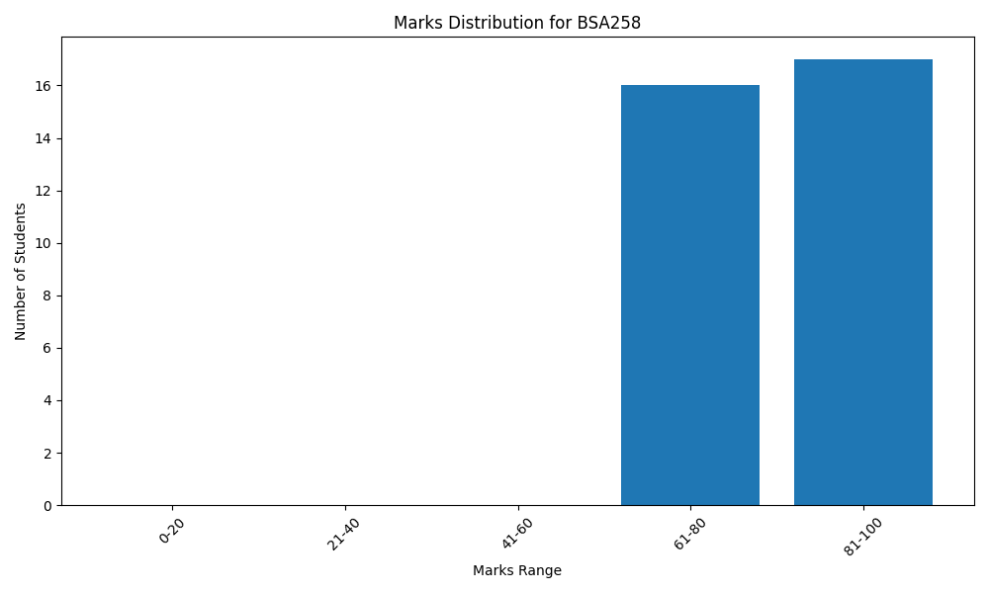
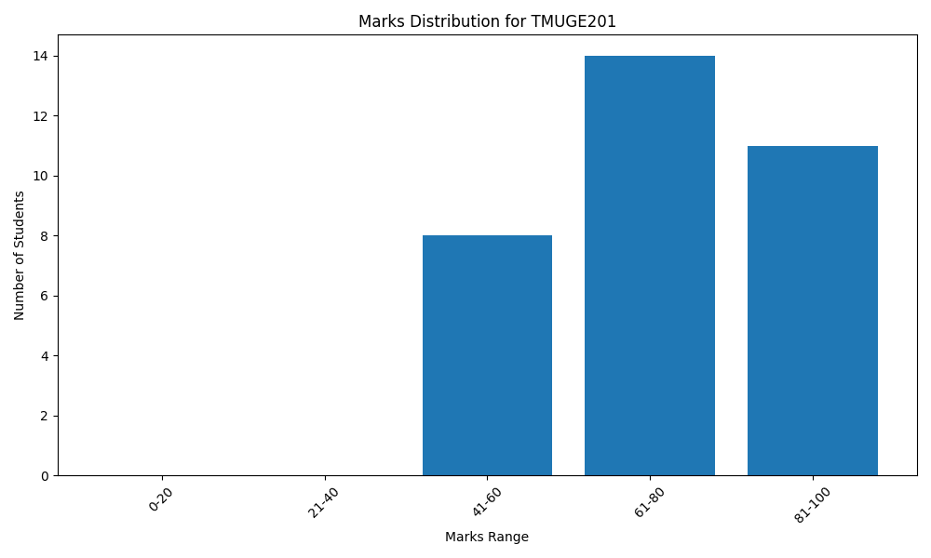
Marks Distribution Tables

Subject: BSA210

Range | Number of Students

0-20 | 0
21-40 | 0
41-60 | 5
61-80 | 23
81-100 | 5

Subject: BSA211

Range | Number of Students

0-20 | 0
21-40 | 0
41-60 | 4
61-80 | 24
81-100 | 5

Subject: BSA212

Range | Number of Students

0-20 | 0
21-40 | 2
41-60 | 18
61-80 | 12
81-100 | 1

Subject: BSA256

Range | Number of Students

0-20 | 0
21-40 | 0
41-60 | 3
61-80 | 20
81-100 | 10

Subject: BSA257

Range | Number of Students

0-20 | 0
21-40 | 0
41-60 | 0
61-80 | 27
81-100 | 6

Subject: BSA258

Range | Number of Students

0-20 | 0
21-40 | 0
41-60 | 0
61-80 | 16
81-100 | 17

Subject: TMUGE201

Range | Number of Students

0-20 | 0
21-40 | 0
41-60 | 8
61-80 | 14
81-100 | 11

Marks Distribution Graphs

