Course Averages
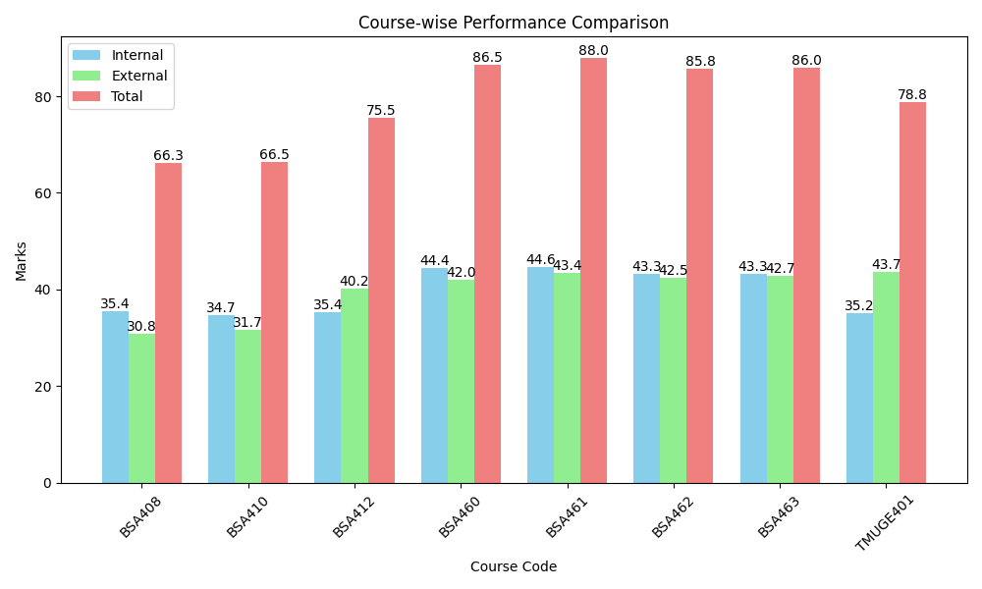
Course_Code | T_Average | I_Average | E_Average | Faculty_Name
BSA408 | 66.26 | 35.42 | 30.84
BSA410 | 66.47 | 34.74 | 31.74
BSA412 | 75.53 | 35.37 | 40.16
BSA460 | 86.47 | 44.42 | 42.05
BSA461 | 87.95 | 44.58 | 43.37
BSA462 | 85.79 | 43.32 | 42.47
BSA463 | 86 | 43.26 | 42.74
TMUGE401 | 78.84 | 35.16 | 43.68

