Data
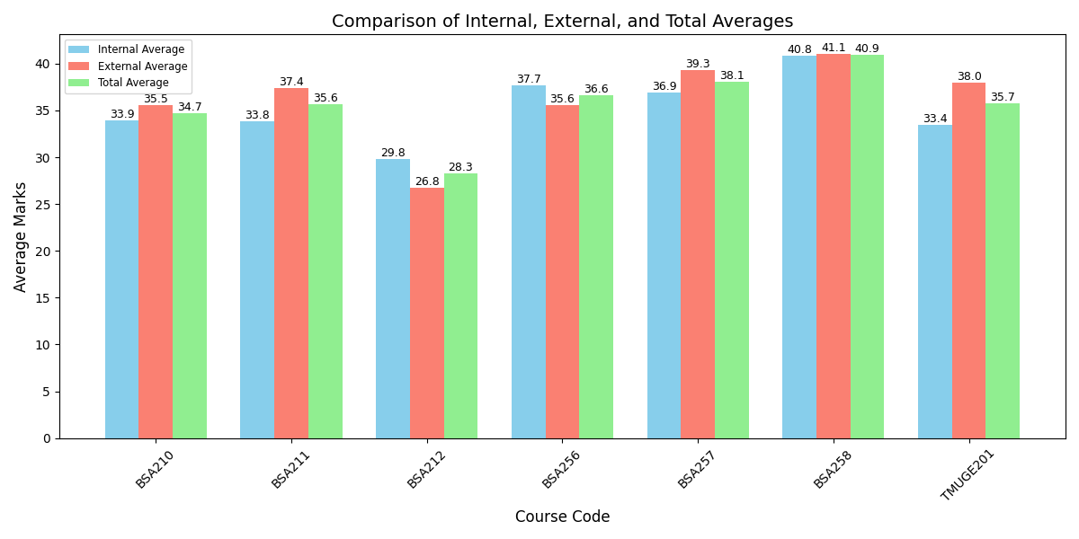
Course_Code | Internal_Average | External_Average | Total_Average | Faculty_Name
BSA210 | 33.94 | 35.52 | 34.73
BSA211 | 33.82 | 37.42 | 35.62
BSA212 | 29.82 | 26.76 | 28.29
BSA256 | 37.67 | 35.58 | 36.62
BSA257 | 36.88 | 39.3 | 38.09
BSA258 | 40.82 | 41.06 | 40.94
TMUGE201 | 33.42 | 38 | 35.71

