Sheet1
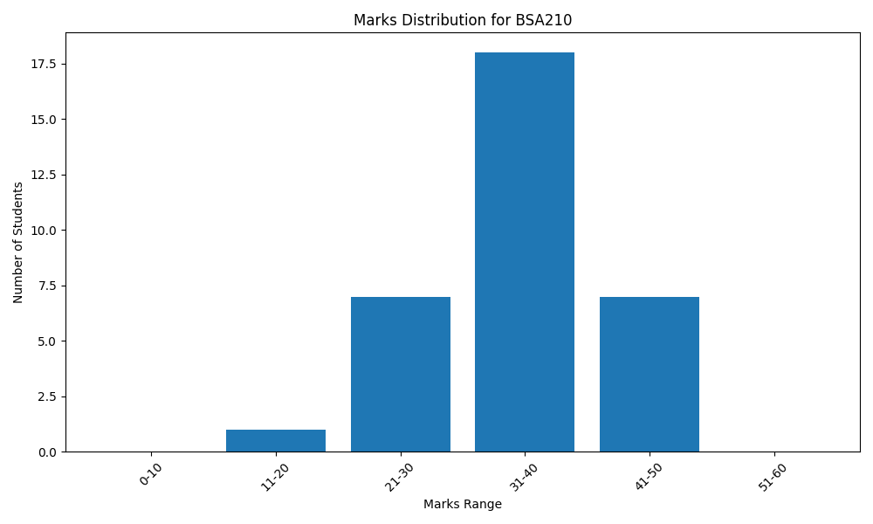
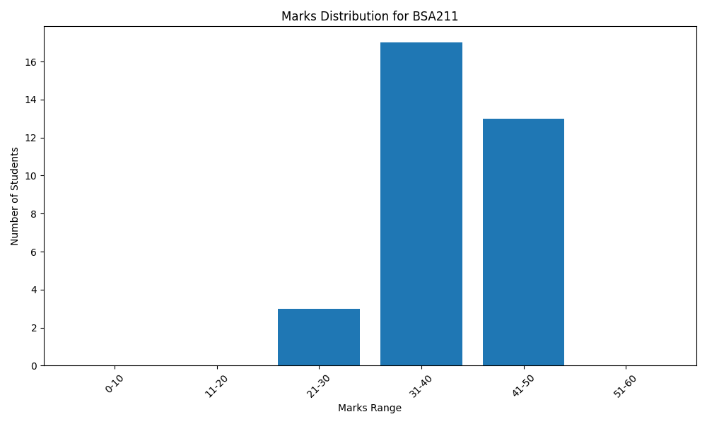
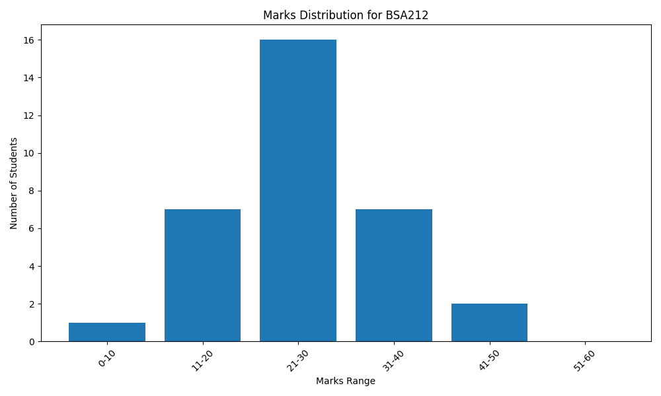
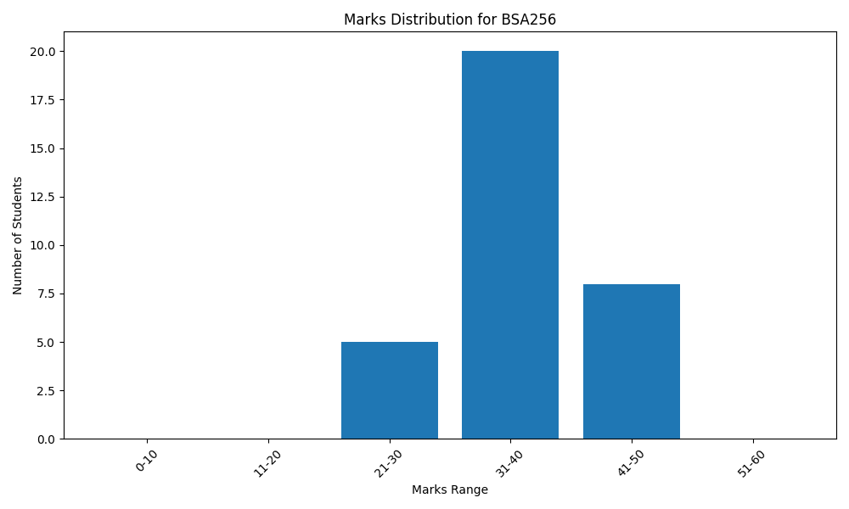
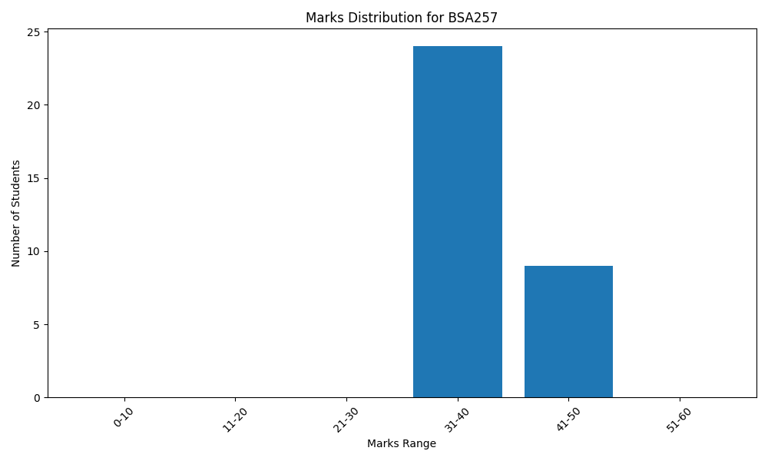
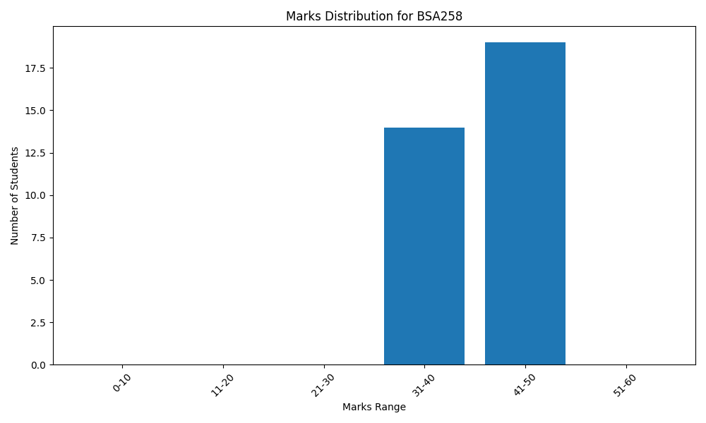
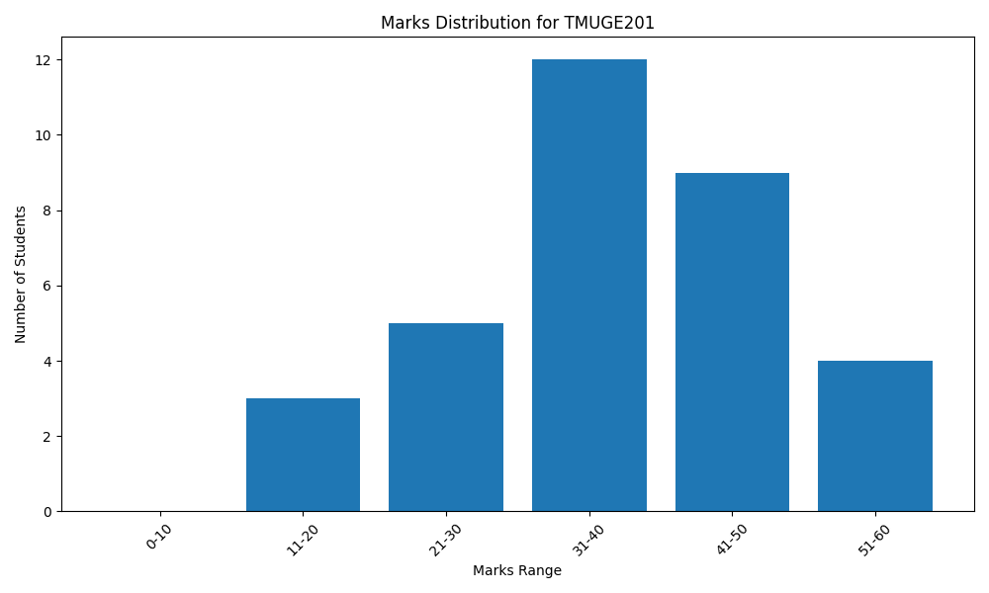
Marks Distribution Tables

Subject: BSA210

Range | Number of Students

0-10 | 0
11-20 | 1
21-30 | 7
31-40 | 18
41-50 | 7
51-60 | 0

Subject: BSA211

Range | Number of Students

0-10 | 0
11-20 | 0
21-30 | 3
31-40 | 17
41-50 | 13
51-60 | 0

Subject: BSA212

Range | Number of Students

0-10 | 1
11-20 | 7
21-30 | 16
31-40 | 7
41-50 | 2
51-60 | 0

Subject: BSA256

Range | Number of Students

0-10 | 0
11-20 | 0
21-30 | 5
31-40 | 20
41-50 | 8
51-60 | 0

Subject: BSA257

Range | Number of Students

0-10 | 0
11-20 | 0
21-30 | 0
31-40 | 24
41-50 | 9
51-60 | 0

Subject: BSA258

Range | Number of Students

0-10 | 0
11-20 | 0
21-30 | 0
31-40 | 14
41-50 | 19
51-60 | 0

Subject: TMUGE201

Range | Number of Students

0-10 | 0
11-20 | 3
21-30 | 5
31-40 | 12
41-50 | 9
51-60 | 4

Marks Distribution Graphs

