Data
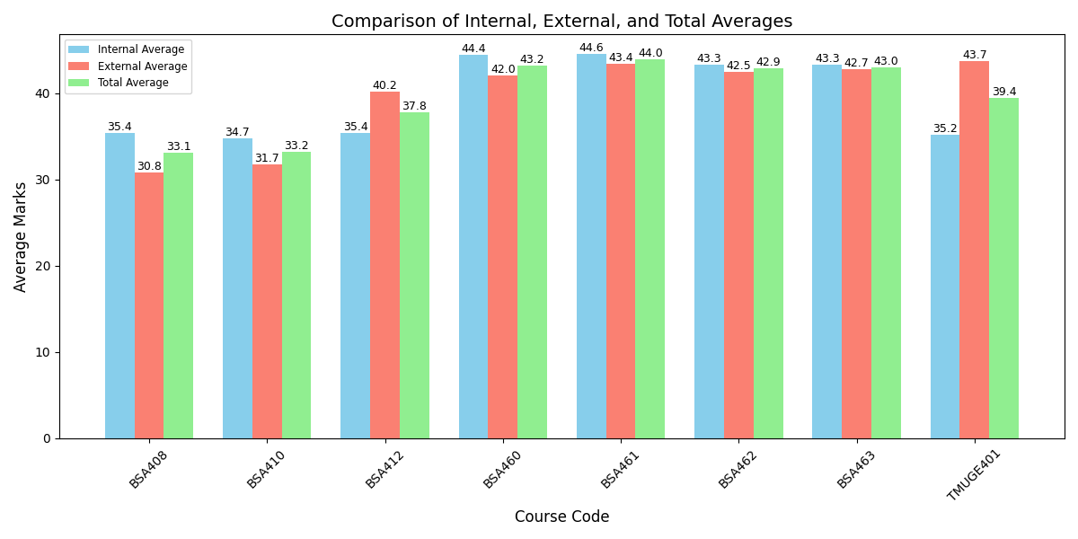
Course_Code | Internal_Average | External_Average | Total_Average | Faculty_Name
BSA408 | 35.42 | 30.84 | 33.13
BSA410 | 34.74 | 31.74 | 33.24
BSA412 | 35.37 | 40.16 | 37.76
BSA460 | 44.42 | 42.05 | 43.24
BSA461 | 44.58 | 43.37 | 43.97
BSA462 | 43.32 | 42.47 | 42.9
BSA463 | 43.26 | 42.74 | 43
TMUGE401 | 35.16 | 43.68 | 39.42

