Course Averages
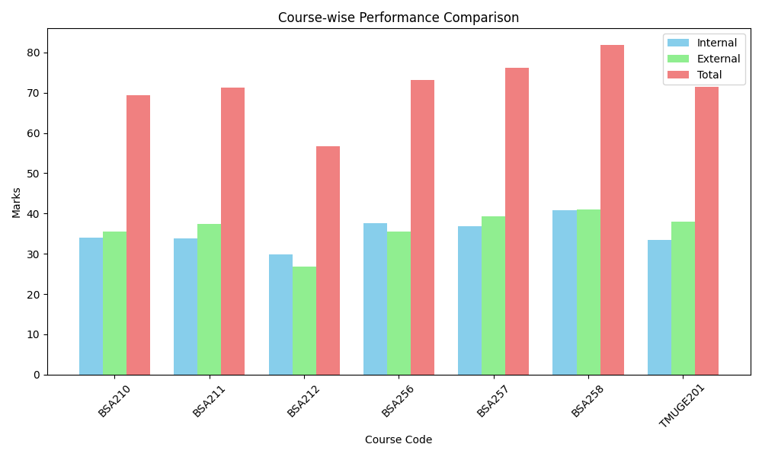
Course_Code | T_Average | I_Average | E_Average | Faculty_Name
BSA210 | 69.48 | 33.94 | 35.52
BSA211 | 71.24 | 33.82 | 37.42
BSA212 | 56.7 | 29.82 | 26.76
BSA256 | 73.24 | 37.67 | 35.58
BSA257 | 76.18 | 36.88 | 39.3
BSA258 | 81.88 | 40.82 | 41.06
TMUGE201 | 71.52 | 33.42 | 38

