Sheet1
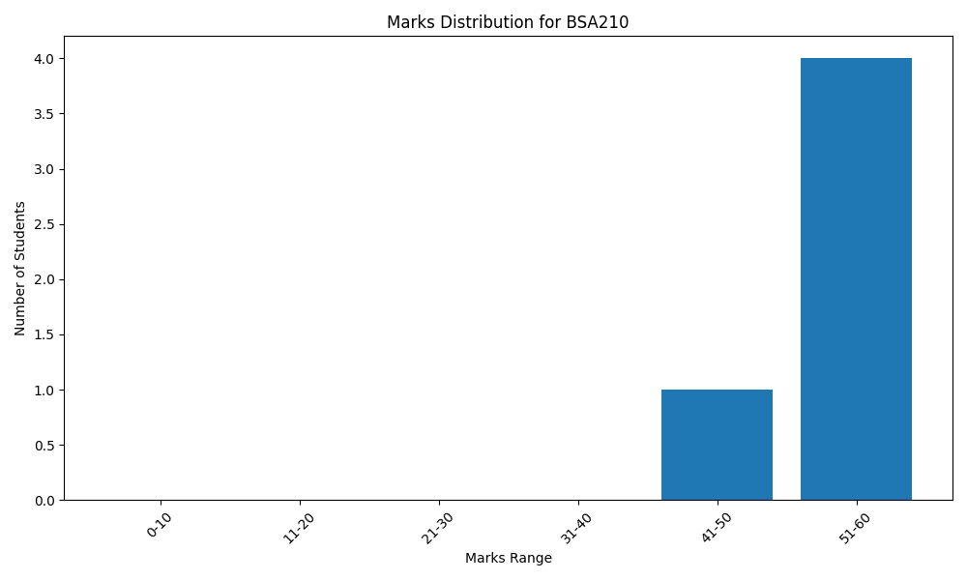
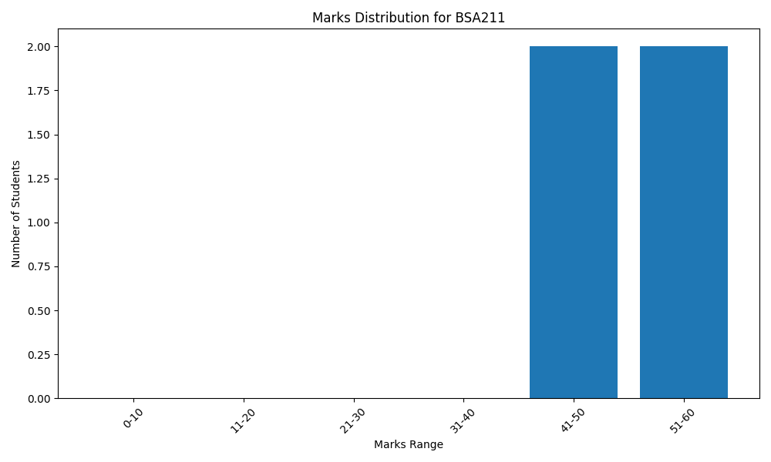
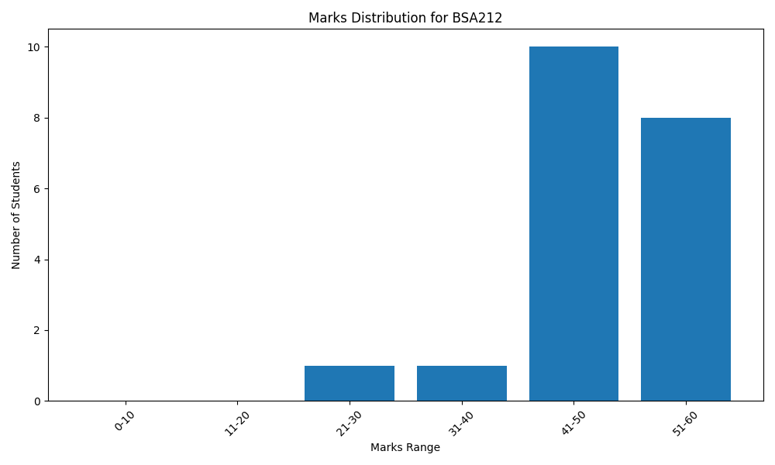
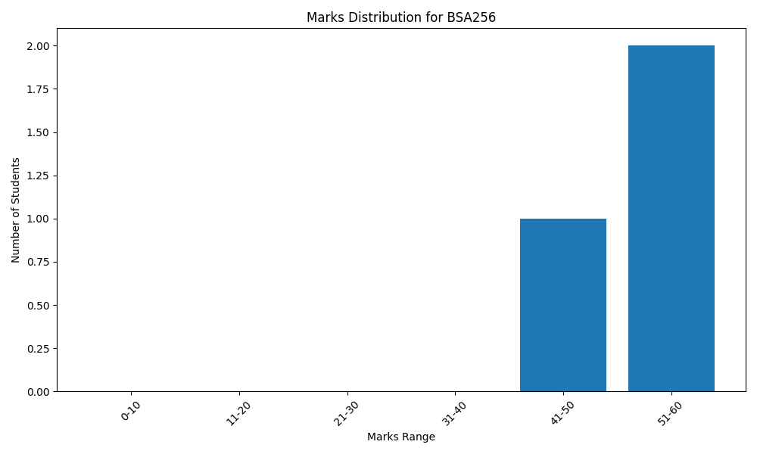
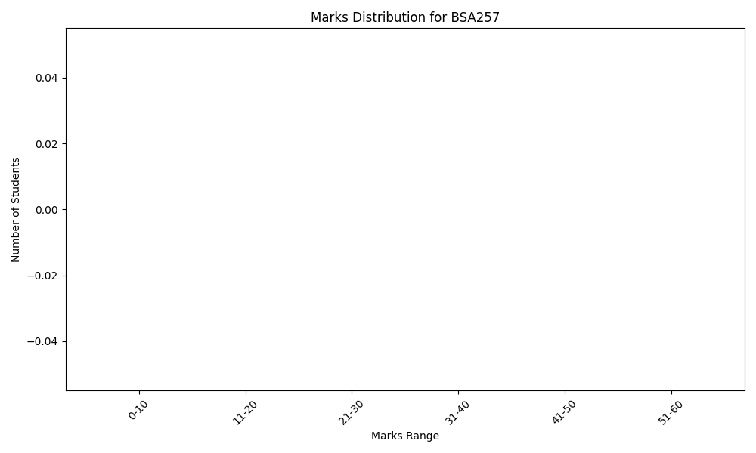


Marks Distribution Tables

Subject: BSA210

Range | Number of Students

0-10 | 0
11-20 | 0
21-30 | 0
31-40 | 0
41-50 | 1
51-60 | 4

Subject: BSA211

Range | Number of Students

0-10 | 0
11-20 | 0
21-30 | 0
31-40 | 0
41-50 | 2
51-60 | 2

Subject: BSA212

Range | Number of Students

0-10 | 0
11-20 | 0
21-30 | 1
31-40 | 1
41-50 | 10
51-60 | 8

Subject: BSA256

Range | Number of Students

0-10 | 0
11-20 | 0
21-30 | 0
31-40 | 0
41-50 | 1
51-60 | 2

Subject: BSA257

Range | Number of Students

0-10 | 0
11-20 | 0
21-30 | 0
31-40 | 0
41-50 | 0
51-60 | 0

Subject: BSA258

Range | Number of Students

0-10 | 0
11-20 | 0
21-30 | 0
31-40 | 0
41-50 | 0
51-60 | 0

Subject: TMUGE201

Range | Number of Students

0-10 | 0
11-20 | 0
21-30 | 0
31-40 | 0
41-50 | 4
51-60 | 4

Marks Distribution Graphs

