Data
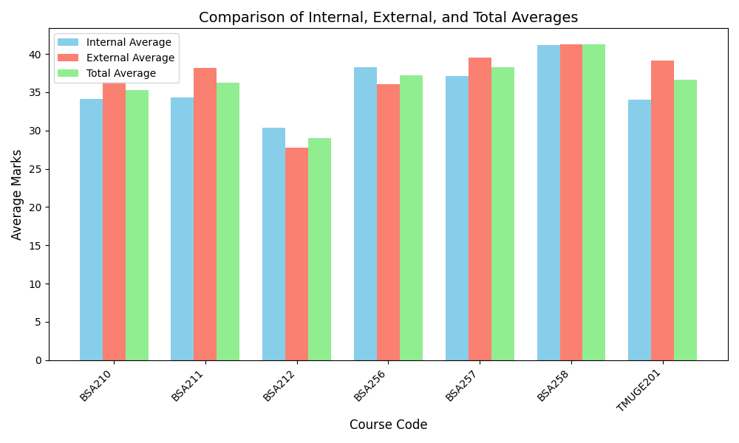
Course_Code | Internal_Average | External_Average | Total_Average | Faculty_Name
BSA210 | 34.13 | 36.39 | 35.26
BSA211 | 34.35 | 38.13 | 36.24
BSA212 | 30.39 | 27.74 | 29.06
BSA256 | 38.29 | 36.1 | 37.2
BSA257 | 37.13 | 39.48 | 38.3
BSA258 | 41.16 | 41.29 | 41.22
TMUGE201 | 34.03 | 39.19 | 36.61

