solver
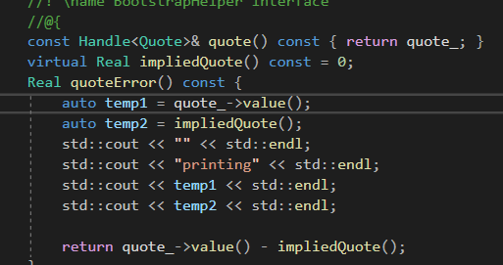

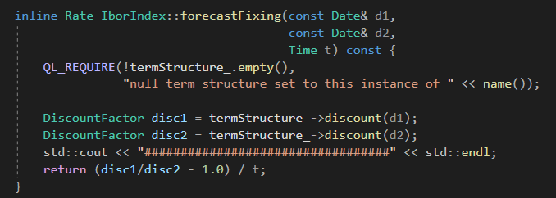

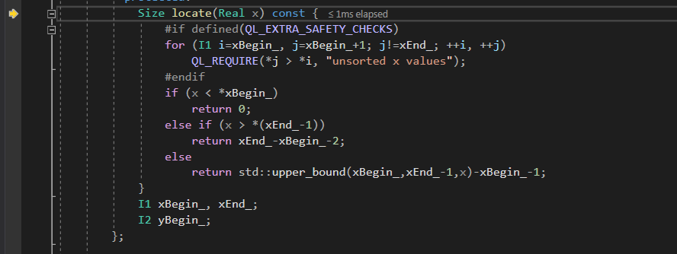
 |  |  | second df

i=0
yBegin_[i] is -1
x is 0.0109589041… | 0.01095890411 | 0.013698630137
xBegin_[i] is 0 | 0.25753424658
s_[i] is 0
Thus the result is
-1

FixingDays
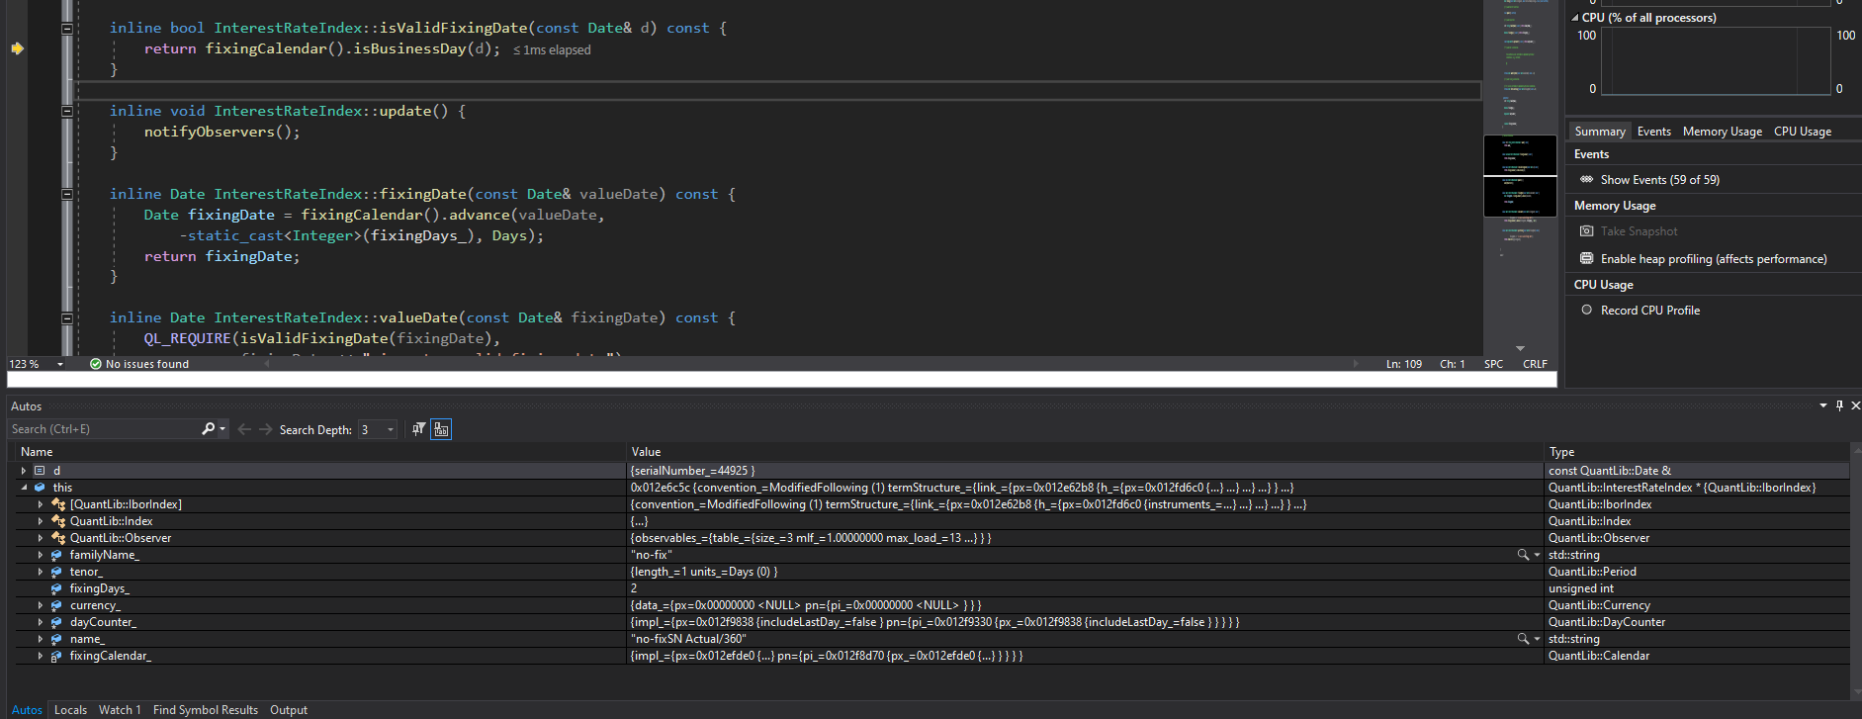
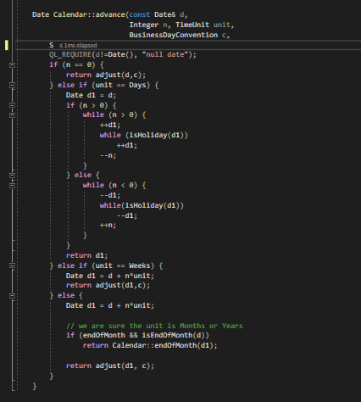

FixingDate is first set to the reference date, then it is used to find the valueDate

FixingDays21
