PROJECT
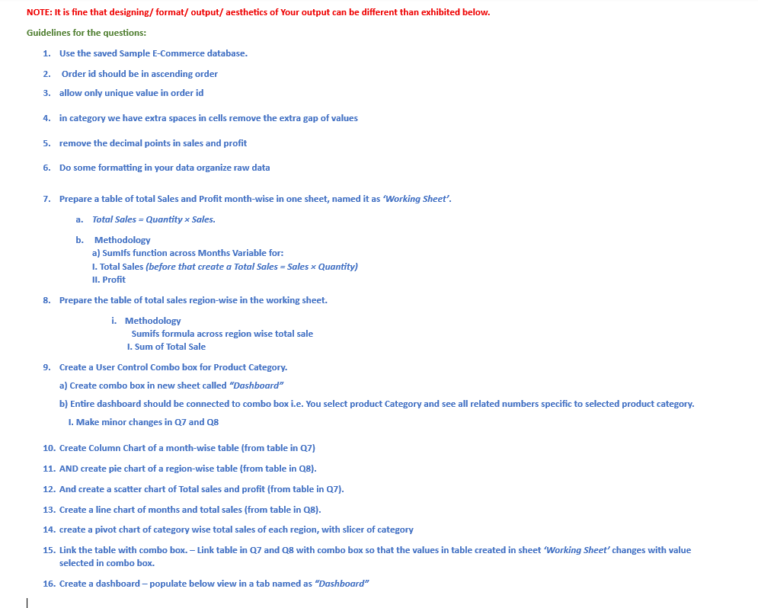

Dashboard
 | Total profit
51483 | 2221
30915 | 1238
22690 | 963
32742 | 2288
26664 | 1359
35815 | 1705
63765 | 2185
37186 | 1296
18666 | 1050
28351 | 2307
20240 | 1684
61351 | 1488
 | Total sales
January | 51483
February | 30915
March | 22690
April | 32742
May | 26664
June | 35815
July | 63765
August | 37186
September | 18666
October | 28351
November | 20240
December | 61351

 | Total sales | Total profit
January | 51483 | 2221
February | 30915 | 1238
March | 22690 | 963
April | 32742 | 2288
May | 26664 | 1359
June | 35815 | 1705
July | 63765 | 2185
August | 37186 | 1296
September | 18666 | 1050
October | 28351 | 2307
November | 20240 | 1684
December | 61351 | 1488
 | Total sales
East | 88407
North | 80368
South | 154602
West | 106492

