MIBC Case Comp
MIBC Case Comp
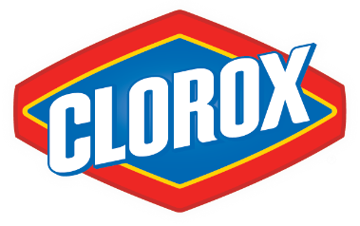
Team: | Anshul Rana
 | Linh Phan
 | Nick Platt

Model Year: | 2020
Current Share Price: | $202.88 | (as of 12/08/2020)

Football Field
Valuation Method | Q1 | Median - Q1 | Q3 - Median | Q3 | Median
52 Week High/Low | 169.05 | 34.16 | 11.65 | 214.86 | 203.21
Comps (EV/EBITDA) | 161.89 | 37.20 | 64.65 | 263.74 | 199.09
DCF (Multiple) | 234.41 | 9.72 | 9.63 | 253.77 | 244.14
DCF (Perpetuity) | 249.33 | 23.32 | 27.87 | 300.52 | 272.65

Precedent Transactions (EV/EBITDA) | 121.16 | 26.64 | 14.85 | 162.65 | 147.80

Football Field

