DASHBOARD

 | Total
northeast | 4343668.5833
northwest | 4035711.9965
southeast | 5363689.7633
southwest | 4012754.6476
 | female | male
northeast | 161 | 163
northwest | 164 | 161
southeast | 175 | 189
southwest | 162 | 163
 | no | yes
18 | 57 | 12
19 | 50 | 18
20 | 20 | 9
21 | 26 | 2
22 | 22 | 6
23 | 21 | 7
24 | 22 | 6
25 | 23 | 5
26 | 25 | 3
27 | 19 | 9
28 | 25 | 3
29 | 21 | 6
30 | 18 | 9
31 | 22 | 5
32 | 21 | 5
33 | 20 | 6
34 | 21 | 5
35 | 20 | 5
36 | 19 | 6
37 | 16 | 9
38 | 23 | 2
39 | 19 | 6
40 | 22 | 5
41 | 25 | 2
42 | 19 | 8
43 | 15 | 12
44 | 21 | 6
45 | 24 | 5
46 | 24 | 5
47 | 19 | 10
48 | 24 | 5
49 | 24 | 4
50 | 25 | 4
51 | 23 | 6
52 | 23 | 6
53 | 23 | 5
54 | 23 | 5
55 | 24 | 2
56 | 22 | 4
57 | 22 | 4
58 | 24 | 1
59 | 21 | 4
60 | 18 | 5
61 | 17 | 6
62 | 19 | 4
63 | 18 | 5
64 | 15 | 7

 | Total
female | 8321061.1946
male | 9434763.7961
 | no | yes
female | 547 | 115
male | 517 | 159
 | Total
female | 711
male | 754
 | Total
female | 662
male | 676

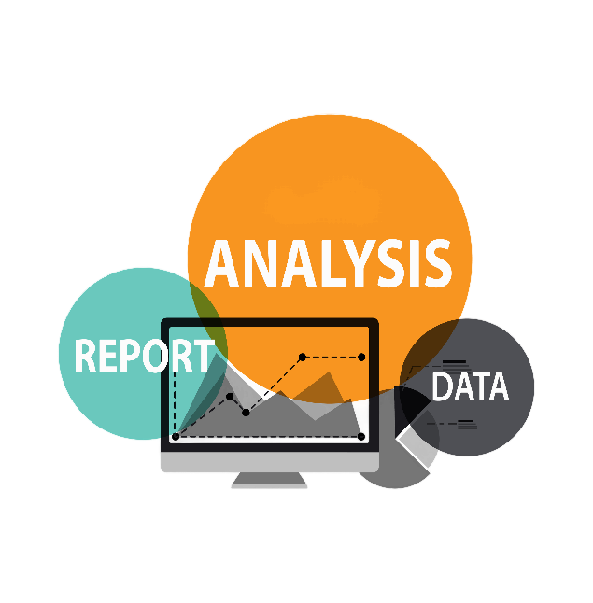

 | Total
18 | 488949.01139
19 | 662857.83475
20 | 294631.23435
21 | 132453.00123
22 | 280362.11845
23 | 347754.96111
24 | 298144.44694
25 | 275474.2287
26 | 171747.10864
27 | 341171.6482
28 | 253937.2518
29 | 281614.28563
30 | 343415.97967
31 | 275318.47548
32 | 239727.80756
33 | 321139.85767
34 | 301951.73114
35 | 282679.55078
36 | 305111.90345
37 | 450497.79693
38 | 202568.34185
39 | 294456.07363
40 | 317850.78537
41 | 260651.13254
42 | 352648.04406
43 | 520216.52364
44 | 428203.70785
45 | 430075.79583
46 | 415935.12852
47 | 511965.9882
48 | 424342.51291
49 | 355488.1754
50 | 454227.09572
51 | 454785.42015
52 | 529431.82186
53 | 448586.06114
54 | 525239.30131
55 | 420278.1827
56 | 390663.41175
57 | 427626.8165
58 | 346973.20279
59 | 472396.73829
60 | 505526.62567
61 | 506562.525
62 | 440768.70119
63 | 457354.9646
64 | 512061.67842
 | no | yes
northeast | 257 | 67
northwest | 267 | 58
southeast | 273 | 91
southwest | 267 | 58

