Summary
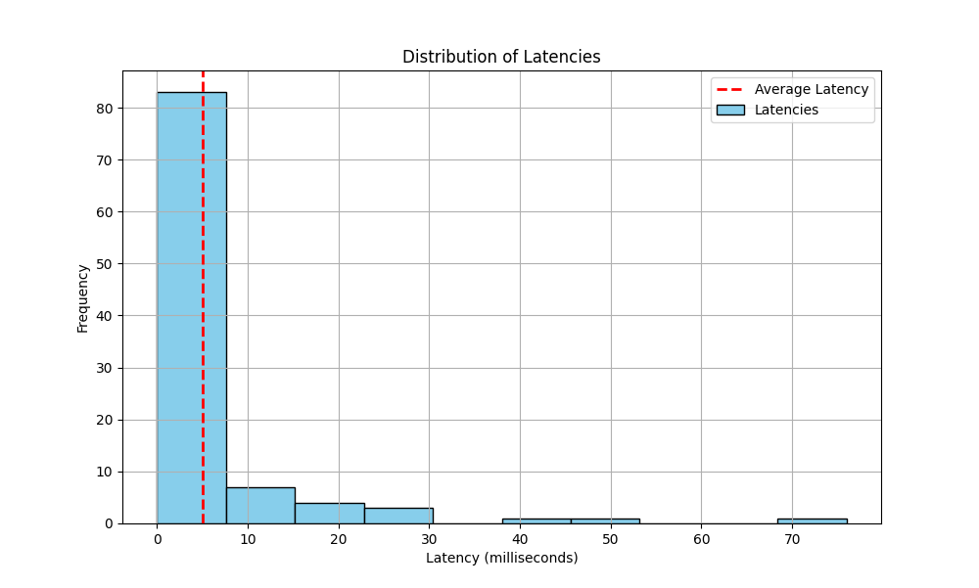
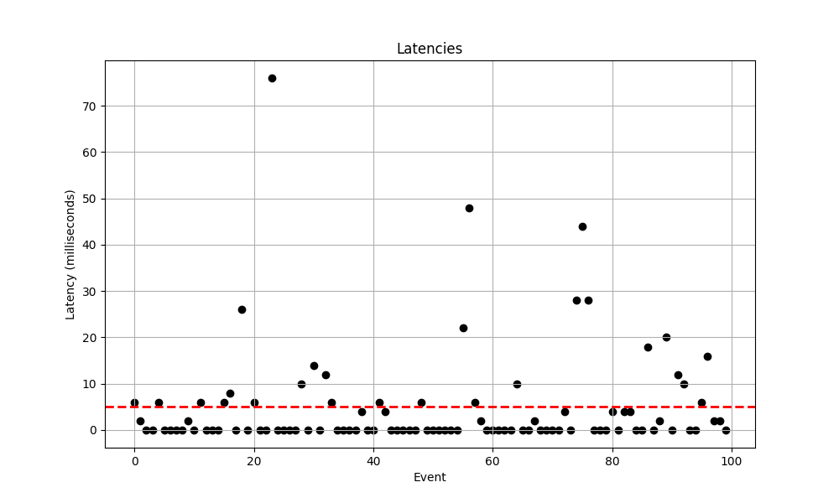
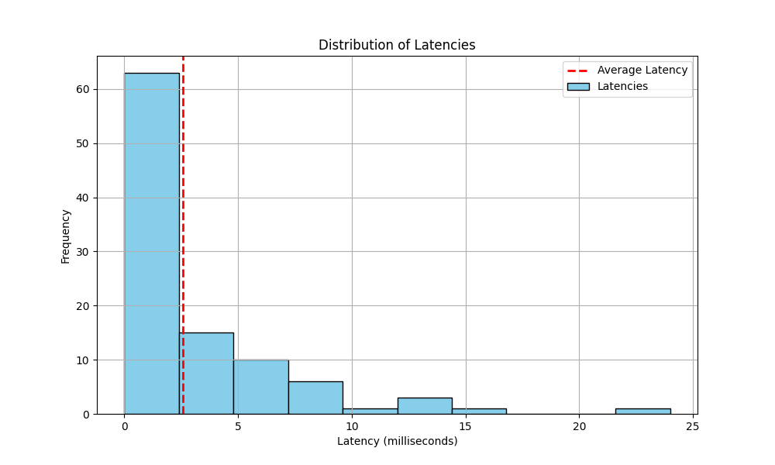
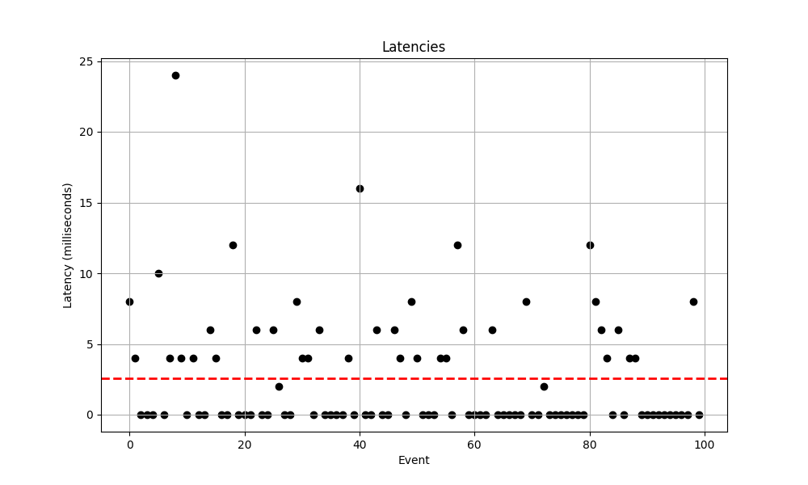
 |  | <40% |  | <10% |  | Histogram of Latency Distributions | Scatterplot of the Latencies
Trial | Date | Mean Latency | 95% Confidance Intervals | Mean Latency | 95% Confidance Intervals | 10-51-49 | 10-51-49
10-51-49 | 2024-03-29 | 2.58 | (2.5791800994799754, 2.5808199005200247) | 2.5 | (2.499179944280292, 2.500820055719708)
10-59-19 | 2024-03-29 | 5.86 | (5.85828613193739, 5.861713868062611) | 9.2 | (9.197379752761577, 9.202620247238421)
10-24-46 | 2024-03-22 | 5 | (4.997765413288609, 5.002234586711391) | 5.22 | (5.217806079200246, 5.222193920799754)
Total |  | 4.48 | (3.500744015, 5.459255985) | 5.06 | (4.440430886, 6.839569114)

 |  |  |  |  |  | 10-59-19 | 10-59-19
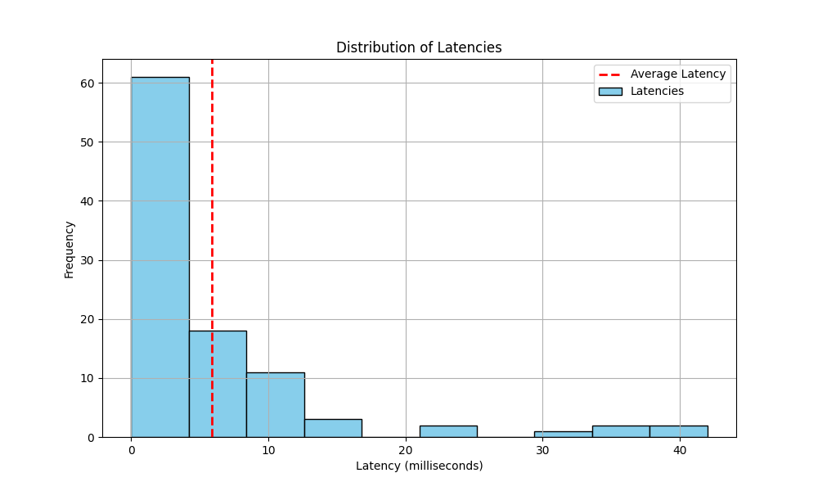
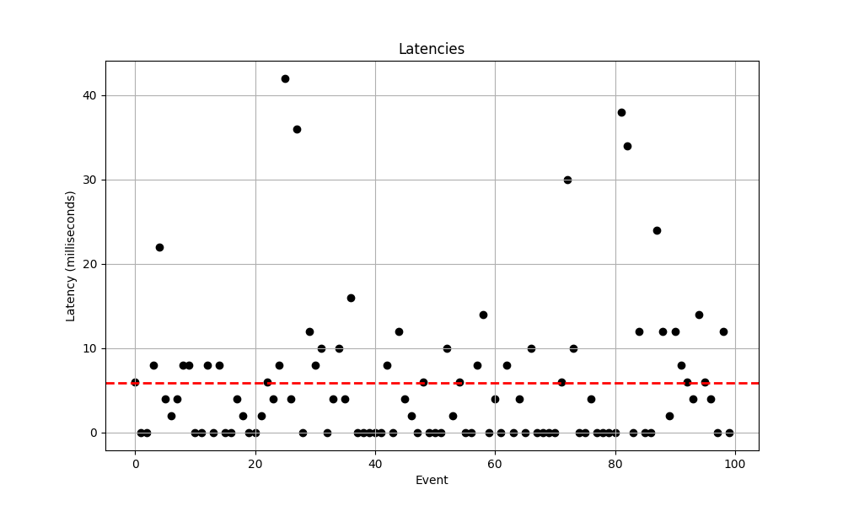

 |  |  |  |  |  | 10-24-46 | 10-24-46

Sheet1
84%
66%
91%
94%
95%
100%
6 | 6
4 | 2
0 | 0
0 | 0
4 | 6
0 | 0
0 | 0
0 | 0
0 | 0
2 | 2
0 | 0
6 | 6
0 | 0
0 | 0
0 | 0
6 | 6
8 | 8
0 | 0
28 | 26
0 | 0
6 | 6
0 | 0
0 | 0
76 | 76
0 | 0
0 | 0
0 | 0
0 | 0
12 | 10
0 | 0
14 | 14
89%
71%
93%
95%
96%
100%
0 | 0
12 | 12
6 | 6
0 | 0
0 | 0
0 | 0
0 | 0
4 | 4
0 | 0
0 | 0
4 | 6
4 | 4
0 | 0
0 | 0
0 | 0
0 | 0
0 | 0
6 | 6
0 | 0
0 | 0
0 | 0
0 | 0
0 | 0 | 71% | 89% | 93% | 95% | 96% | 100%
0 | 0
32 | 22
32 | 48
0 | 6
2 | 2
0 | 0
0 | 0
0 | 0
0 | 0
0 | 0
10 | 10
0 | 0
0 | 0
0 | 2
0 | 0
0 | 0
0 | 0
0 | 0
4 | 4
0 | 0
28 | 28
44 | 44
28 | 28
0 | 0
0 | 0
10 | 0
4 | 4
0 | 0
4 | 4
14 | 4
0 | 0
0 | 0
18 | 18
0 | 0
12 | 2
20 | 20
0 | 0
12 | 12
10 | 10
2 | 0
2 | 0
6 | 6
16 | 16
2 | 2
2 | 2
0 | 0
8 | 8
4 | 4
0 | 0
0 | 0
0 | 0
10 | 10
0 | 0
4 | 4
24 | 24
4 | 4
0 | 0
4 | 4
0 | 0
0 | 0
6 | 6
10 | 4
8 | 0
0 | 0
12 | 12
0 | 0
0 | 0
0 | 0
6 | 6
0 | 0
0 | 0
6 | 6
2 | 2
0 | 0
0 | 0
8 | 8
4 | 4
4 | 4
0 | 0
6 | 6
0 | 0
0 | 0
0 | 0
0 | 0
4 | 4
0 | 0
16 | 16
0 | 0
0 | 0
6 | 6
0 | 0
0 | 0
0 | 6
0 | 4
0 | 0
0 | 8
4 | 4
0 | 0
0 | 0
0 | 0
4 | 4
4 | 4
0 | 0
12 | 12
6 | 6
0 | 0
0 | 0
0 | 0
0 | 0
6 | 6
0 | 0
0 | 0
0 | 0
0 | 0
0 | 0
6 | 8
0 | 0
0 | 0
2 | 2
0 | 0
0 | 0
0 | 0
0 | 0
0 | 0
0 | 0
0 | 0
10 | 12
8 | 8
6 | 6
4 | 4
0 | 0
6 | 6
0 | 0
4 | 4
4 | 4
0 | 0
0 | 0
0 | 0
0 | 0
0 | 0
0 | 0
0 | 0
0 | 0
0 | 0
8 | 8
0 | 0
6 | 6
0 | 0
2 | 0
10 | 8
38 | 22
16 | 4
4 | 2
4 | 4
8 | 8
8 | 8
0 | 0
0 | 0
8 | 8
0 | 0
14 | 8
0 | 0
0 | 0
4 | 4
2 | 2
0 | 0
0 | 0
4 | 2
30 | 6
6 | 4
10 | 8
56 | 42
8 | 4
36 | 36
2 | 0
14 | 12
10 | 8
10 | 10
18 | 0
8 | 4
12 | 10
12 | 4
18 | 16
18 | 0
0 | 0
0 | 0
0 | 0
0 | 0
8 | 8
18 | 0
12 | 12
4 | 4
4 | 2
0 | 0
6 | 6
0 | 0
0 | 0
0 | 0
10 | 10
2 | 2
6 | 6
2 | 0
0 | 0
8 | 8
14 | 14
0 | 0
4 | 4
0 | 0
10 | 8
0 | 0
4 | 4
0 | 0
10 | 10
2 | 0
0 | 0
0 | 0
0 | 0
8 | 6
30 | 30
12 | 10
0 | 0
0 | 0
4 | 4
2 | 0
0 | 0
0 | 0
0 | 0
38 | 38
76 | 34
2 | 0
14 | 12
10 | 0
2 | 0
66 | 24
12 | 12
18 | 2
12 | 12
10 | 8
8 | 6
22 | 4
16 | 14
6 | 6
6 | 4
12 | 0
14 | 12
0 | 0

