Summary
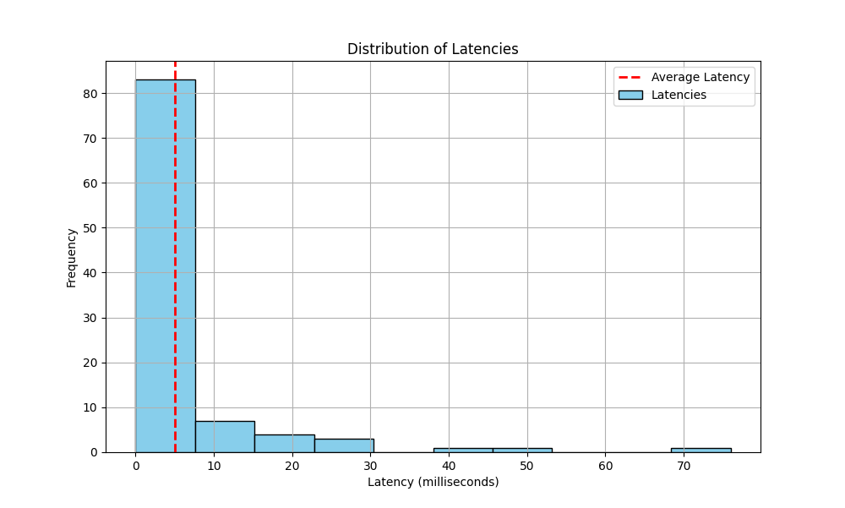
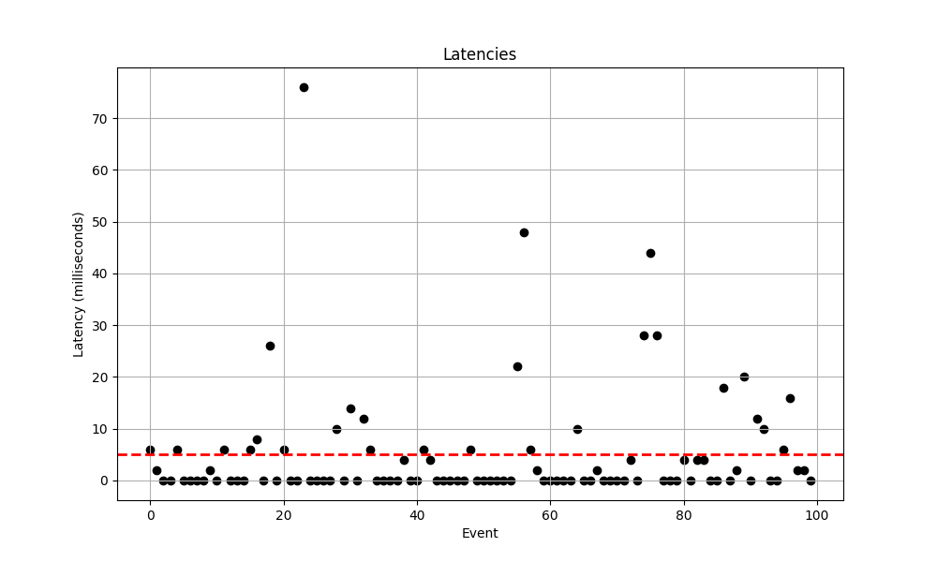
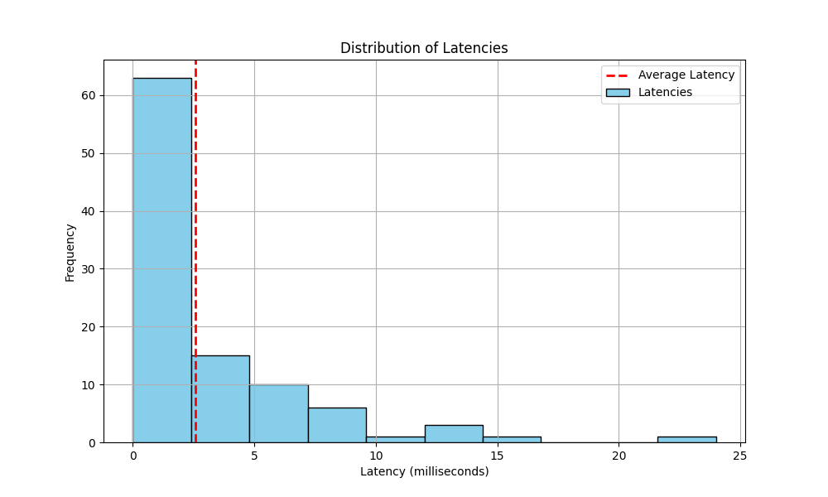
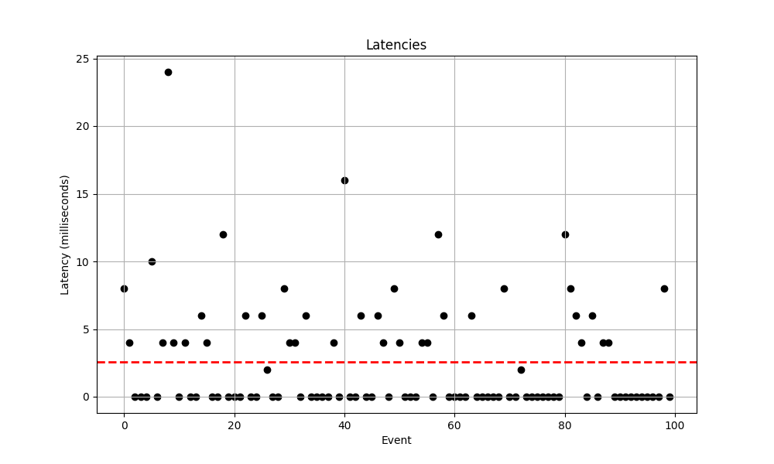
 |  | <40% |  | <10% |  | Histogram of Latency Distributions | Scatterplot of the Latencies
Trial | Date | Mean Latency | 95% Confidance Intervals | Mean Latency | 95% Confidance Intervals | 10-51-49 | 10-51-49
10-51-49 | 2024-03-29 | 2.58 | (2.5791800994799754, 2.5808199005200247) | 2.5 | (2.499179944280292, 2.500820055719708)
10-59-19 | 2024-03-29 | 5.86 | (5.85828613193739, 5.861713868062611) | 9.2 | (9.197379752761577, 9.202620247238421)
10-24-46 | 2024-03-22 | 5 | (4.997765413288609, 5.002234586711391) | 5.22 | (5.217806079200246, 5.222193920799754)
Total |  | 4.48 | (3.500744015, 5.459255985) | 5.06 | (4.440430886, 6.839569114)

 |  |  |  |  |  | 10-59-19 | 10-59-19
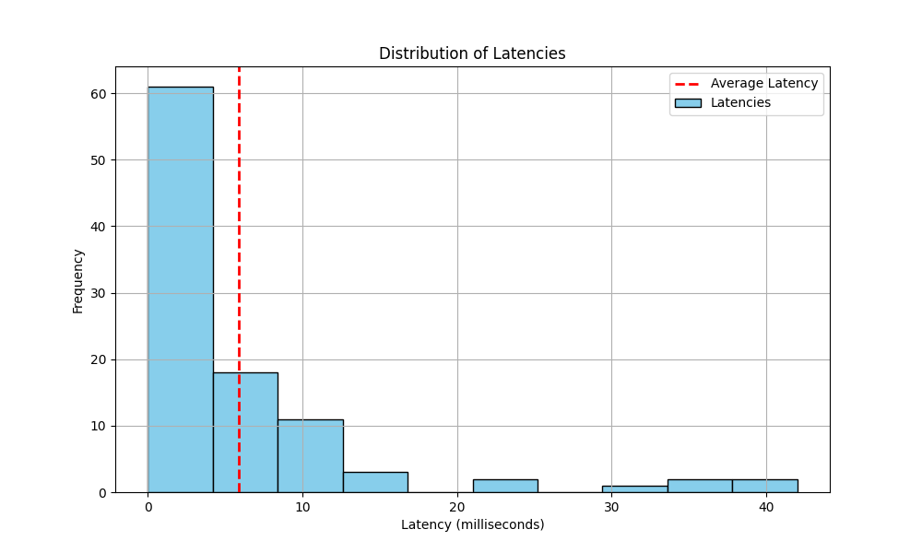
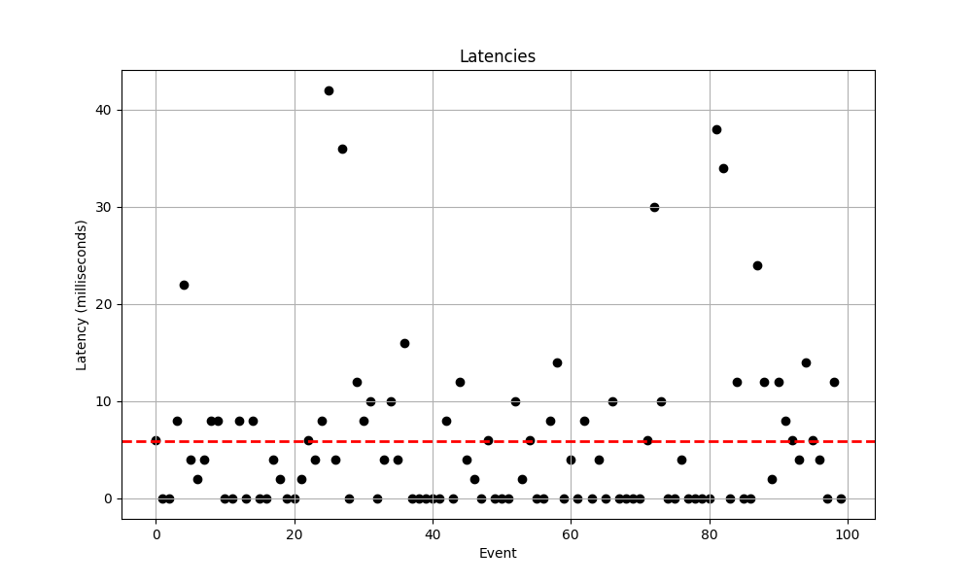

 |  |  |  |  |  | 10-24-46 | 10-24-46

