Sheet1
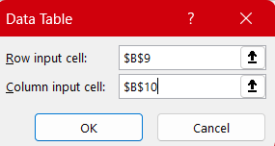
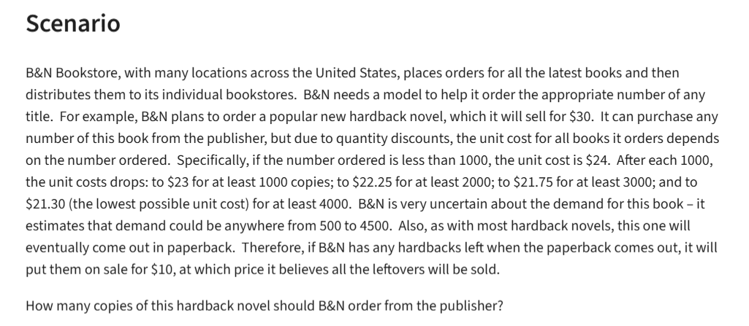
BN Bookstore

 |  |  | at least
Regular Price | $30.00 |  | Ordeded | Unit Cost
Sale Price | $10.00 |  | 0 | 24
 |  |  | 1000 | 23
 |  |  | 2000 | 22.25
 |  |  | 3000 | 21.75
Demand | 3000 | (500-4500) | 4000 | 21.3
Order | 4000
 |  |  |  |  | Demand
Surplus | 1000 | =MAX(B10-B9,0) |  | $14,800.00 | 500 | 1000 | 1500 | 2000 | 2500 | 3000 | 3500 | 4000 | 4500
Method 2: | 1000 | =IF(B9>B10,0, B10-B9) | Order | 500 | $3,000.00 | $3,000.00 | $3,000.00 | $3,000.00 | $3,000.00 | $3,000.00 | $3,000.00 | $3,000.00 | $3,000.00
 |  |  |  | 1000 | $-3,000.00 | $7,000.00 | $7,000.00 | $7,000.00 | $7,000.00 | $7,000.00 | $7,000.00 | $7,000.00 | $7,000.00
Costs: | $85,200.00 | =VLOOKUP(B10, D4:E9,2,TRUE)*B10 |  | 1500 | $-9,500.00 | $500.00 | $10,500.00 | $10,500.00 | $10,500.00 | $10,500.00 | $10,500.00 | $10,500.00 | $10,500.00
 |  |  |  | 2000 | $-14,500.00 | $-4,500.00 | $5,500.00 | $15,500.00 | $15,500.00 | $15,500.00 | $15,500.00 | $15,500.00 | $15,500.00
 |  |  |  | 2500 | $-20,625.00 | $-10,625.00 | $-625.00 | $9,375.00 | $19,375.00 | $19,375.00 | $19,375.00 | $19,375.00 | $19,375.00
Revenue | $100,000.00 | =MIN(B9:B10)*B4+B12*B5 |  | 3000 | $-25,250.00 | $-15,250.00 | $-5,250.00 | $4,750.00 | $14,750.00 | $24,750.00 | $24,750.00 | $24,750.00 | $24,750.00
 |  |  |  | 3500 | $-31,125.00 | $-21,125.00 | $-11,125.00 | $-1,125.00 | $8,875.00 | $18,875.00 | $28,875.00 | $28,875.00 | $28,875.00
 |  |  |  | 4000 | $-35,200.00 | $-25,200.00 | $-15,200.00 | $-5,200.00 | $4,800.00 | $14,800.00 | $24,800.00 | $34,800.00 | $34,800.00
Profit | $14,800.00 | =B18-B15 |  | 4500 | $-40,850.00 | $-30,850.00 | $-20,850.00 | $-10,850.00 | $-850.00 | $9,150.00 | $19,150.00 | $29,150.00 | $39,150.00

 |  |  |  |  | What if Analysis

