Sheet1
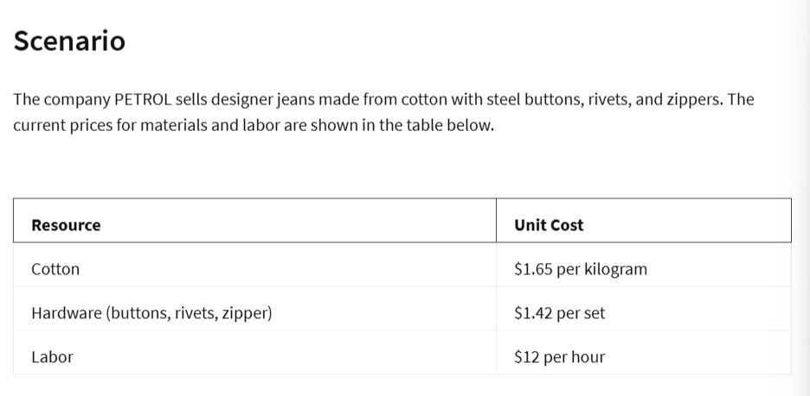
PETROL Jeans Cost and Profit

Resource | Unit Cost | Amount per Pair of Jeans | Cost per Pair of Jeans
Cotton | $1.65 | 1.2 | $1.98
Hardware | $1.42 | 1 | $1.42
Labor | $12.00 | 4.5 | $54.00

Total Cost per Pair of Jeans | $57.40
Revenue | $150.00
Profit | $92.60

Cost increase per year for:
Cotton: | 2%
Hardware: | 3%
Labor | 2.50%

Projected Cost over the years
Year | Cotton | Hardware | Labor | Cost
0 | $1.98 | $1.42 | $54.00 | $57.40
1 | $2.02 | $1.46 | $55.35 | $58.83
2 | $2.06 | $1.51 | $56.73 | $60.30
3 | $2.10 | $1.55 | $58.15 | $61.80
4 | $2.14 | $1.60 | $59.61 | $63.35
5 | $2.19 | $1.65 | $61.10 | $64.93

