Sheet1
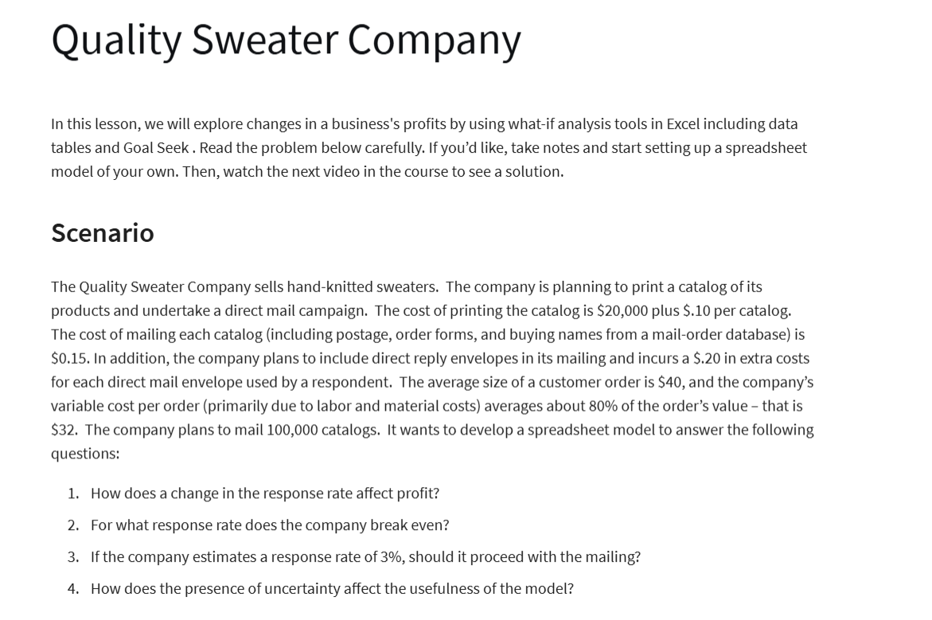
Quality Sweater Company
 |  |  | a) Data Table
Inputs: |  |  | Pick your response rate
Cost: |  |  | Response Rate: | Profit:
Printing: | $20,000.00 |  |  | $-
Variable: |  |  | 3% | -21600
Printing: | $0.10 | per catalog | 3.50% | -17700
Mailing | $0.15 | per catalog | 4% | -13800
Reply envelopes | $0.20 | per order | 4.50% | -9900
Labour & Materials | $32.00 | per order | 5% | -6000
Total Costs | $230,769.23 | =B5+(B7+B8)*B13+(B9+B10)*B15 | 5.50% | -2100
 |  |  | 6% | 1800
Catalogs Ordered: | 100000.00 |  | 6.50% | 5700
Respone Rate: | 6% |  | 7% | 9600
Total Orders: | 5769.23 | =B14*B13 | 7.50% | 13500
 |  |  | 8% | 17400
Revenue:
Quality Sweater Co.: Response Time vs Profit
Average Customer Order | $40.00
Total Revenue | $230,769.23 | =B15*B18
Total Profits: | $-

