Sheet1
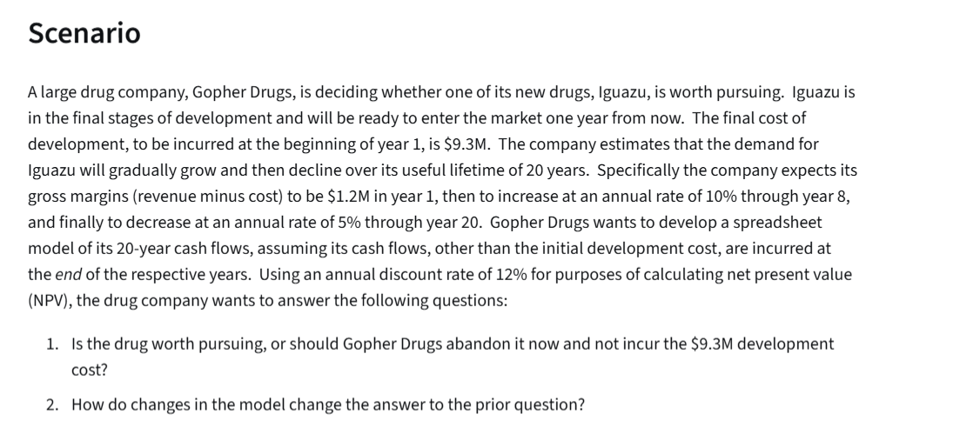
Gopher Drugs
 |  |  | Cash Flows:
Development Cost | 9.3 | millions | End of Year | Gross Margin($m)
Lifetime | 20 | years | 1 | $1.2
Year One Margin | 1.2 | millions | 2 | $1.3 | =IF(E5<=$B$6, F4+F4*$B$7, F4-F4*$B$8)
Increase through year | 8 |  | 3 | $1.5
Rate of Increase | 10% |  | 4 | $1.6
Rate of Decrease | 5% |  | 5 | $1.8
Discount Rate | 12% |  | 6 | $1.9
 |  |  | 7 | $2.1
Net Present Value | $12.60 | =NPV(B9,F4:F23) | 8 | $2.3
Development Cost | $9.30 |  | 9 | $2.2
Net Present Value(m) | $3.30 | =B11-B12 | 10 | $2.1
 |  |  | 11 | $2.0
 |  |  | 12 | $1.9
 |  |  | 13 | $1.8
 |  |  | 14 | $1.7
 |  |  | 15 | $1.6
 |  |  | 16 | $1.6
 |  |  | 17 | $1.5
 |  |  | 18 | $1.4
 |  |  | 19 | $1.3
 |  |  | 20 | $1.3

