Sheet1
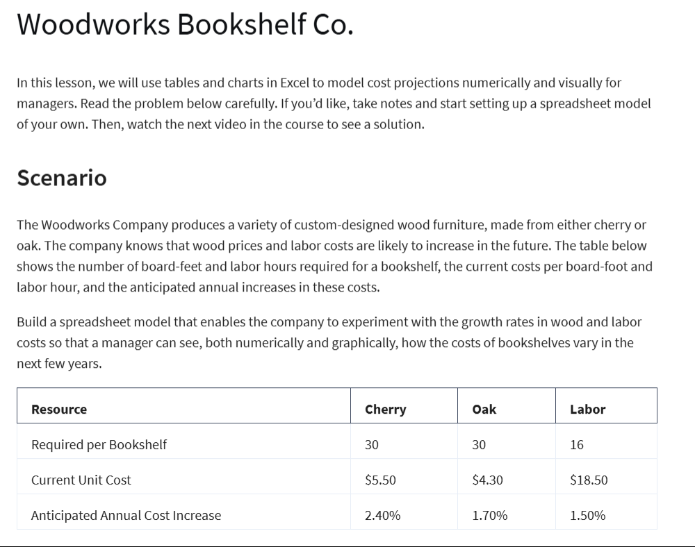
Woodworks Bookshelf Co.

Cost: | Cherry | Oak
Unit Cost: | $5.50 | $4.30
Board Feet: | 30 | 30
Materials Cost: | $165 | $129

Labor Reqd. | 16 | 16
Labor Rate: | $18.50 | $18.50
Labor Cost: | $296.00 | $296.00

Total Cost: | $461.00 | $425.00

Cost Increases: | 2.40% | 1.70% | 1.50%

Year | Cherry | Oak | Labor | Total Cherry | Total Oak
0 | $165 | $129 | $296.00 | $461.00 | $425.00
1 | $169.0 | $130.02 | $300.44 | $469.40 | $430.46
2 | $173.0 | $131.03 | $304.95 | $477.96 | $435.98
3 | $177.2 | $132.05 | $309.52 | $486.69 | $441.57
4 | $181.4 | $133.07 | $314.16 | $495.58 | $447.23
5 | $185.8 | $134.08 | $318.88 | $504.65 | $452.96

Woodworks BookShelf Co. Projection
 | Oak | Labor | Total Cherry | Total Oak
0 | $129.00 | $296.00 | $461.00 | $425.00
1 | $130.02 | $300.44 | $469.40 | $430.46
2 | $131.03 | $304.95 | $477.96 | $435.98
3 | $132.05 | $309.52 | $486.69 | $441.57
4 | $133.07 | $314.16 | $495.58 | $447.23
5 | $134.08 | $318.88 | $504.65 | $452.96

