Sheet1
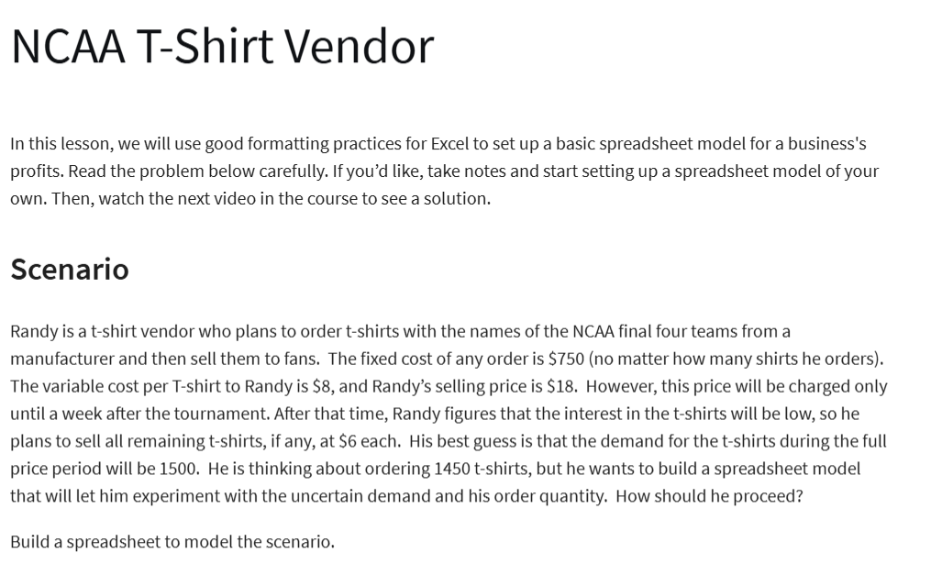
NCAA T-Shirt Vendor

Gn:
Costs:
Fixed: | $750.00
Variable: | $8.00 | per shirt
Revenue:
Full Price: | $18.00 | per shirt
Reduced Price: | $6.00 | per shirt

No. of Shirts Ordered: | 1650
Demand | 1500
No. of Shirts Sold (FP): | 1500 | =MIN(B12,B13)
No.of Shirt Sold Reduced (RP): | 150 | =MAX(B12-B13,0)

Total Cost: | $13,950.00 | =B5+B6*B12
Total Revenue: | $27,900.00 | =B14*B8+B15*B9
Total Profit: | -13950 | =B17-B18

