Sheet1
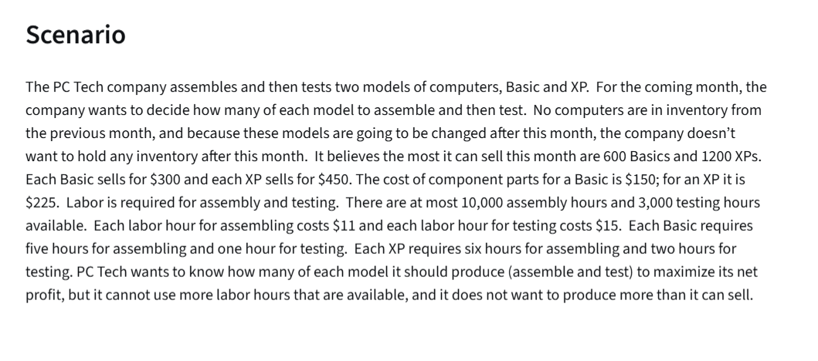
PC TECH COMPANY
 | Basic | XPs
Variables | 560 | 1200 | <=Dummy variables

Objectives |  |  | Total
Revenue | 300 | 450 | 708000 |  | $11 | for assembly
Costs |  |  |  |  | $15 | labour
Parts | $150 | $225 | 354000 | =SUMPRODUCT($B$3:$C$3,B8:C8)
Labour per Assembly | 5 | 6 | $110,000 | =SUMPRODUCT(B9:C9,B3:C3)*F6
Labour per Testing | 1 | 2 | $44,400 | =SUMPRODUCT(B3:C3,B10:C10)*F7
Profit |  |  | $199,600 | =D6-D8-D9-D10

Constraints |  |  | LHS | Sign | RHS
At most 600 basics | 1 |  | 560 | <= | 600
At most 1200 XPs |  | 1 | 1200 | <= | 1200
Assembly Hours | 5 | 6 | 10000 | <= | 10000
Testing Hours | 1 | 2 | 2960 | <= | 3000

SUMMARY:
Produce 560 Basic Computers and 1200 XP Computers for Max Net Profit of $199,600

