Ab1
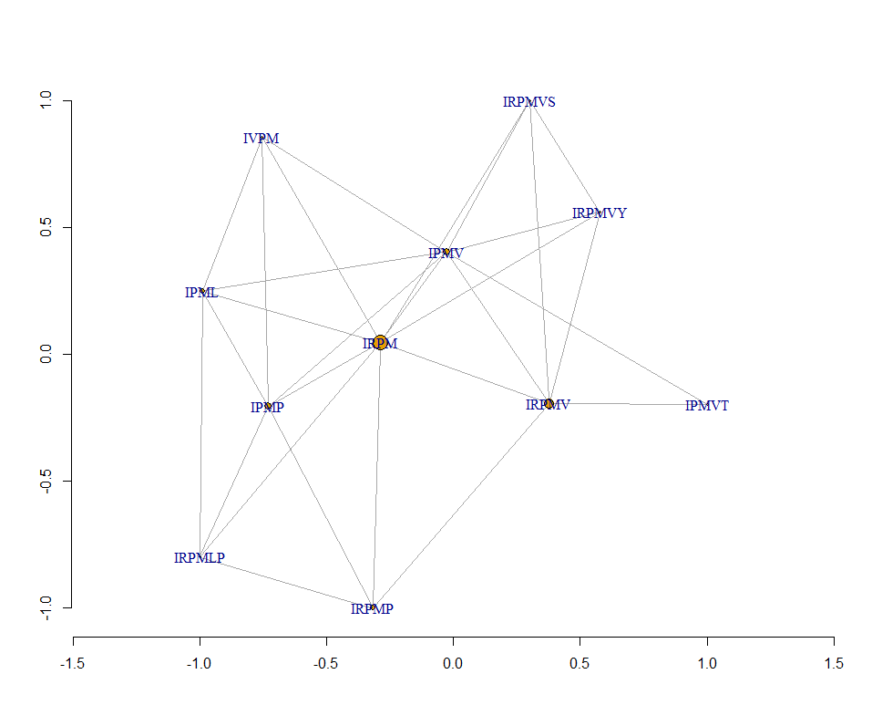
 | IRPMLPG | IRPMLPA | IRPMVYV | IRPMVDP | IRPMVST | IRPMVYS | IVPMVTL | IVPMMPE | HMSEYPW | CMTCLVK | MPHWWYP
IRPMLPG | 0 | IRPMLP | IRPM | IRPMP | IRPM | IRPM | IPML | IPMP | 0 | 0 | 0
IRPMLPA | IRPMLP | 0 | IRPM | IRPMP | IRPM | IRPM | IPML | IPMP | 0 | 0 | 0
IRPMVYV | IRPM | IRPM | 0 | IRPMV | IRPMV | IRPMVY | IPMV | 0 | 0 | 0 | 0
IRPMVDP | IRPMP | IRPMP | IRPMV | 0 | IRPMV | IRPMV | IPMV | IPMP | 0 | 0 | 0
IRPMVST | IRPM | IRPM | IRPMV | IRPMV | 0 | IRPMVS | IPMVT | 0 | 0 | 0 | 0
IRPMVYS | IRPM | IRPM | IRPMVY | IRPMV | IRPMVS | 0 | IPMV | 0 | 0 | 0 | 0
IVPMVTL | IPML | IPML | IPMV | IPMV | IPMVT | IPMV | 0 | IVPM | 0 | 0 | 0
IVPMMPE | IPMP | IPMP | 0 | IPMP | 0 | 0 | IVPM | 0 | 0 | 0 | 0
HMSEYPW | 0 | 0 | 0 | 0 | 0 | 0 | 0 | 0 | 0 | 0 | 0
CMTCLVK | 0 | 0 | 0 | 0 | 0 | 0 | 0 | 0 | 0 | 0 | 0
MPHWWYP | 0 | 0 | 0 | 0 | 0 | 0 | 0 | 0 | 0 | 0 | 0

Ab2
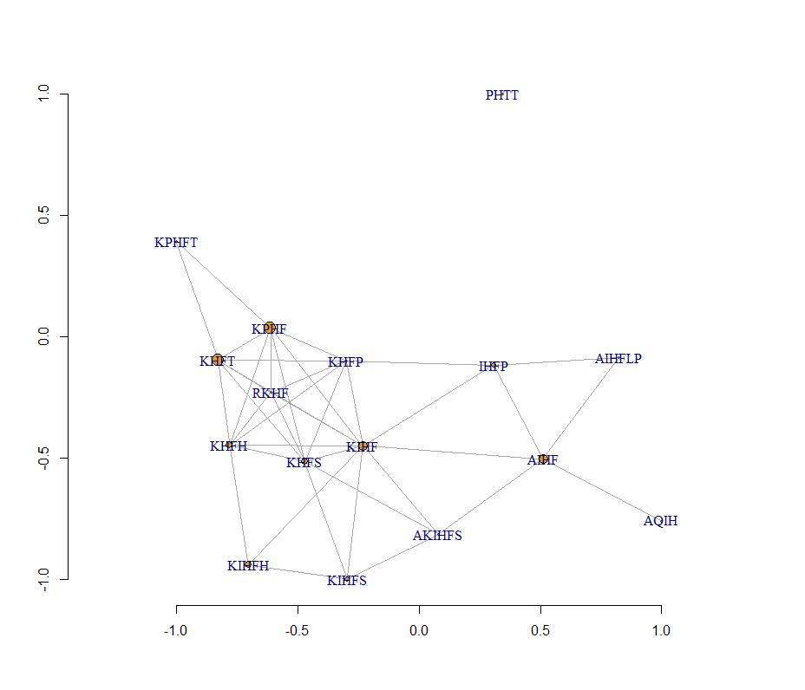
 | SKIHFHT | HKPHFPS | VNKPHFH | AKIHFHS | RKIHFHP | AKIHFYS | GKPHFTT | RKPHFTG | DKIHFKS | LKLHFNT | AQIHFLP | AYIHFLP | ALQIHTM | DNPHYTT | SEIHLMG | SFHIYFL
SKIHFHT | 0 | 0 | KHFH | KIHFH | KIHFH | KIHF | KHFT | KHFT | KIHF | KHFT | 0 | 0 | 0 | 0 | 0 | 0
HKPHFPS | 0 | 0 | KPHF | KHFS | KHFP | KHFS | KPHF | KPHF | KHFS | 0 | 0 | 0 | 0 | 0 | 0 | 0
VNKPHFH | KHFH | KPHF | 0 | KHFH | KHFH | 0 | KPHF | KPHF | 0 | 0 | 0 | 0 | 0 | 0 | 0 | 0
AKIHFHS | KIHFH | KHFS | KHFH | 0 | KIHFH | AKIHFS | 0 | 0 | KIHFS | 0 | AIHF | AIHF | 0 | 0 | 0 | 0
RKIHFHP | KIHFH | KHFP | KHFH | KIHFH | 0 | KIHF | 0 | RKHF | KIHF | 0 | IHFP | IHFP | 0 | 0 | 0 | 0
AKIHFYS | KIHF | KHFS | 0 | AKIHFS | KIHF | 0 | 0 | 0 | KIHFS | 0 | AIHF | AIHF | 0 | 0 | 0 | 0
GKPHFTT | KHFT | KPHF | KPHF | 0 | 0 | 0 | 0 | KPHFT | 0 | KHFT | 0 | 0 | 0 | PHTT | 0 | 0
RKPHFTG | KHFT | KPHF | KPHF | 0 | RKHF | 0 | KPHFT | 0 | 0 | KHFT | 0 | 0 | 0 | 0 | 0 | 0
DKIHFKS | KIHF | KHFS | 0 | KIHFS | KIHF | KIHFS | 0 | 0 | 0 | 0 | 0 | 0 | 0 | 0 | 0 | 0
LKLHFNT | KHFT | 0 | 0 | 0 | 0 | 0 | KHFT | KHFT | 0 | 0 | 0 | 0 | 0 | 0 | 0 | 0
AQIHFLP | 0 | 0 | 0 | AIHF | IHFP | AIHF | 0 | 0 | 0 | 0 | 0 | AIHFLP | AQIH | 0 | 0 | 0
AYIHFLP | 0 | 0 | 0 | AIHF | IHFP | AIHF | 0 | 0 | 0 | 0 | AIHFLP | 0 | 0 | 0 | 0 | 0
ALQIHTM | 0 | 0 | 0 | 0 | 0 | 0 | 0 | 0 | 0 | 0 | AQIH | 0 | 0 | 0 | 0 | 0
DNPHYTT | 0 | 0 | 0 | 0 | 0 | 0 | PHTT | 0 | 0 | 0 | 0 | 0 | 0 | 0 | 0 | 0
SEIHLMG | 0 | 0 | 0 | 0 | 0 | 0 | 0 | 0 | 0 | 0 | 0 | 0 | 0 | 0 | 0 | 0
SFHIYFL | 0 | 0 | 0 | 0 | 0 | 0 | 0 | 0 | 0 | 0 | 0 | 0 | 0 | 0 | 0 | 0

Ab3
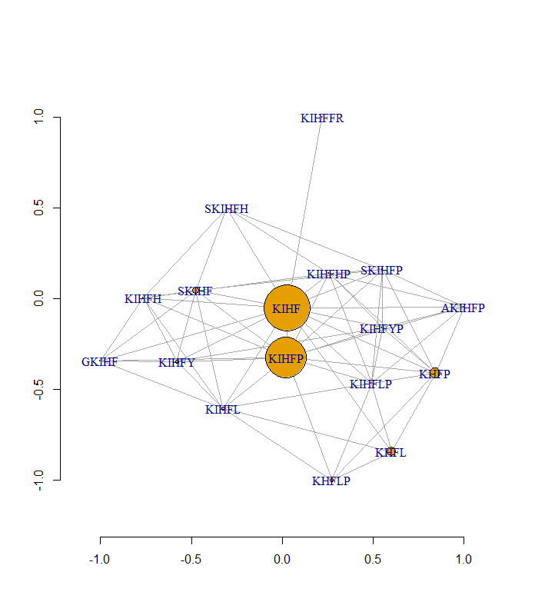
 | CKIHFFR | AKIHFPP | GKIHFFR | HKIHFLP | NKIHFYP | DKIHFYP | SKIHFPE | AKIHFLP | GKIHFHP | SKIHFLS | SKIHFHP | SKIHFYH | RKLHFLP | EKPHFLV | GYKPTFS | RYYPYFP
CKIHFFR | 0 | KIHF | KIHFFR | KIHF | KIHF | KIHF | KIHF | KIHF | KIHF | KIHF | KIHF | KIHF | 0 | 0 | 0 | 0
AKIHFPP | KIHF | 0 | KIHF | KIHFP | KIHFP | KIHFP | KIHFP | AKIHFP | KIHFP | KIHF | KIHFP | KIHF | KHFP | 0 | 0 | 0
GKIHFFR | KIHFFR | KIHF | 0 | KIHF | KIHF | KIHF | KIHF | KIHF | GKIHF | KIHF | KIHF | KIHF | 0 | 0 | 0 | 0
HKIHFLP | KIHF | KIHFP | KIHF | 0 | KIHFP | KIHFP | KIHFP | KIHFLP | KIHFP | KIHFL | KIHFP | KIHF | KHFLP | KHFL | 0 | 0
NKIHFYP | KIHF | KIHFP | KIHF | KIHFP | 0 | KIHFYP | KIHFP | KIHFP | KIHFP | KIHF | KIHFP | KIHFY | KHFP | 0 | 0 | 0
DKIHFYP | KIHF | KIHFP | KIHF | KIHFP | KIHFYP | 0 | KIHFP | KIHFP | KIHFP | KIHF | KIHFP | KIHFY | KHFP | 0 | 0 | 0
SKIHFPE | KIHF | KIHFP | KIHF | KIHFP | KIHFP | KIHFP | 0 | KIHFP | KIHFP | SKIHF | SKIHFP | SKIHF | KHFP | 0 | 0 | 0
AKIHFLP | KIHF | AKIHFP | KIHF | KIHFLP | KIHFP | KIHFP | KIHFP | 0 | KIHFP | KIHFL | KIHFP | KIHF | KHFLP | KHFL | 0 | 0
GKIHFHP | KIHF | KIHFP | GKIHF | KIHFP | KIHFP | KIHFP | KIHFP | KIHFP | 0 | KIHF | KIHFHP | KIHFH | KHFP | 0 | 0 | 0
SKIHFLS | KIHF | KIHF | KIHF | KIHFL | KIHF | KIHF | SKIHF | KIHFL | KIHF | 0 | SKIHF | SKIHF | KHFL | KHFL | 0 | 0
SKIHFHP | KIHF | KIHFP | KIHF | KIHFP | KIHFP | KIHFP | SKIHFP | KIHFP | KIHFHP | SKIHF | 0 | SKIHFH | KHFP | 0 | 0 | 0
SKIHFYH | KIHF | KIHF | KIHF | KIHF | KIHFY | KIHFY | SKIHF | KIHF | KIHFH | SKIHF | SKIHFH | 0 | 0 | 0 | 0 | 0
RKLHFLP | 0 | KHFP | 0 | KHFLP | KHFP | KHFP | KHFP | KHFLP | KHFP | KHFL | KHFP | 0 | 0 | KHFL | 0 | 0
EKPHFLV | 0 | 0 | 0 | KHFL | 0 | 0 | 0 | KHFL | 0 | KHFL | 0 | 0 | KHFL | 0 | 0 | 0
GYKPTFS | 0 | 0 | 0 | 0 | 0 | 0 | 0 | 0 | 0 | 0 | 0 | 0 | 0 | 0 | 0 | 0
RYYPYFP | 0 | 0 | 0 | 0 | 0 | 0 | 0 | 0 | 0 | 0 | 0 | 0 | 0 | 0 | 0 | 0

Ab4
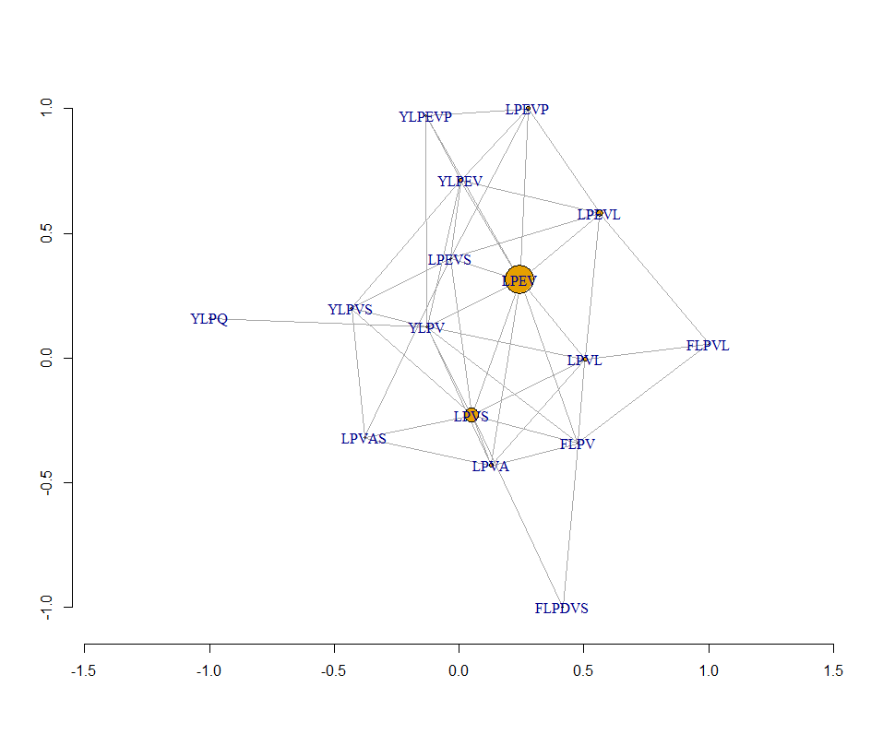
 | LTLPEVA | HLPEVSP | APLPEVL | FLPEVLL | YLPEVIS | YLPEVQP | YLPEVLP | FLPDVLS | YLPQVAS | FLPDVAS | LTDVRTP | TTNDFTR
LTLPEVA | 0 | LPEV | LPEV | LPEV | LPEV | LPEV | LPEV | 0 | LPVA | LPVA | 0 | 0
HLPEVSP | LPEV | 0 | LPEV | LPEV | LPEVS | LPEVP | LPEVP | LPVS | LPVS | LPVS | 0 | 0
APLPEVL | LPEV | LPEV | 0 | LPEVL | LPEV | LPEV | LPEVL | LPVL | 0 | 0 | 0 | 0
FLPEVLL | LPEV | LPEV | LPEVL | 0 | LPEV | LPEV | LPEVL | FLPVL | 0 | FLPV | 0 | 0
YLPEVIS | LPEV | LPEVS | LPEV | LPEV | 0 | YLPEV | YLPEV | LPVS | YLPVS | LPVS | 0 | 0
YLPEVQP | LPEV | LPEVP | LPEV | LPEV | YLPEV | 0 | YLPEVP | 0 | YLPQ | 0 | 0 | 0
YLPEVLP | LPEV | LPEVP | LPEVL | LPEVL | YLPEV | YLPEVP | 0 | LPVL | YLPV | 0 | 0 | 0
FLPDVLS | 0 | LPVS | LPVL | FLPVL | LPVS | 0 | LPVL | 0 | LPVS | FLPDVS | 0 | 0
YLPQVAS | LPVA | LPVS | 0 | 0 | YLPVS | YLPQ | YLPV | LPVS | 0 | LPVAS | 0 | 0
FLPDVAS | LPVA | LPVS | 0 | FLPV | LPVS | 0 | 0 | FLPDVS | LPVAS | 0 | 0 | 0
LTDVRTP | 0 | 0 | 0 | 0 | 0 | 0 | 0 | 0 | 0 | 0 | 0 | 0
TTNDFTR | 0 | 0 | 0 | 0 | 0 | 0 | 0 | 0 | 0 | 0 | 0 | 0

Ab5
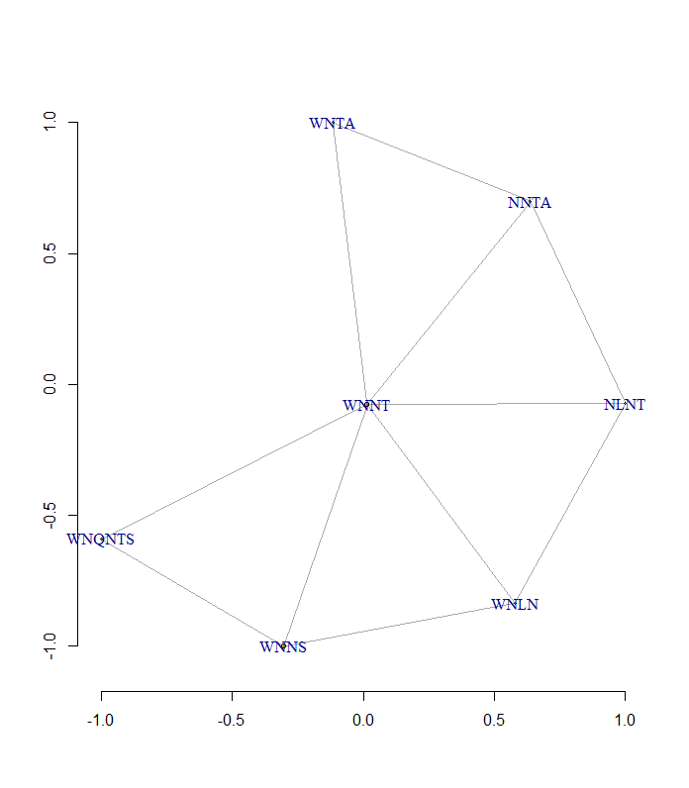
 | WNQNTAS | WNLNTTN | WNQNTVS | AWNFNSQ | FNLNTAM | WNLNHIF | WNFTARE | GWSLSTV | WRDNAIA | WGENTIW | WTYTTFE
WNQNTAS | 0 | WNNT | WNQNTS | WNNS | NNTA | 0 | WNTA | 0 | 0 | 0 | 0
WNLNTTN | WNNT | 0 | WNNT | 0 | NLNT | WNLN | 0 | 0 | 0 | 0 | 0
WNQNTVS | WNQNTS | WNNT | 0 | WNNS | 0 | 0 | 0 | 0 | 0 | 0 | 0
AWNFNSQ | WNNS | 0 | WNNS | 0 | 0 | 0 | 0 | 0 | 0 | 0 | 0
FNLNTAM | NNTA | NLNT | 0 | 0 | 0 | 0 | 0 | 0 | 0 | 0 | 0
WNLNHIF | 0 | WNLN | 0 | 0 | 0 | 0 | 0 | 0 | 0 | 0 | 0
WNFTARE | WNTA | 0 | 0 | 0 | 0 | 0 | 0 | 0 | 0 | 0 | 0
GWSLSTV | 0 | 0 | 0 | 0 | 0 | 0 | 0 | 0 | 0 | 0 | 0
WRDNAIA | 0 | 0 | 0 | 0 | 0 | 0 | 0 | 0 | 0 | 0 | 0
WGENTIW | 0 | 0 | 0 | 0 | 0 | 0 | 0 | 0 | 0 | 0 | 0
WTYTTFE | 0 | 0 | 0 | 0 | 0 | 0 | 0 | 0 | 0 | 0 | 0

