左右手坐标系
+Y
+Y
+Z
-Z

-X
O
+X
-X
O
+X

-Z
+Z

-Y
-Y

笛卡尔坐标系
+Y
+Y
-Z

+X
x-axis
Origin (0, 0)
x-axis
-X
+X
-X
+X
y-axis
y-axis
Origin (0, 0)

-Y
+Z
-Y
+Y
+Y
+Y

-Z

x
(x, y)
x

y

y
-X
z
+X

-X
+X

+Z
-Y
-Y

相机坐标系
Far Clip Plane


+Y
+Z
+Y
+Z

+X
+X
Near Clip Plane
Origin
(0, 0, 0)
Origin
(0, 0, 0)

向量
+Y
-Z
+Y
-Z
Head
x

y
前移4单位
[x, y]
第三步，前移4单位
Tail
上移2单位
-X
+X
第二步，上移2单位
右移5单位
-X
+X
第一步，右移5单位
[4, 4]
[0, 5]
+Z
+Z
-Y
-Y

[-4, -4]
[0, -5]
[9, 0]
[-9, 0]

+Y

-X
+X

-Y

逆时针方向
顺时针方向

矩阵
+Y
+Y
+Y

-X
+X

-X
+X
-X
+X

-Y
-Y
-Y

+Y
+Y


-X
+X
-X
+X

-Y
-Y

+Y
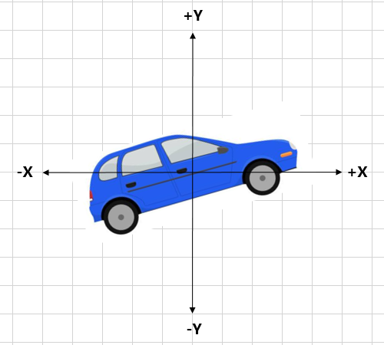

-X
+X

-Y

+Y
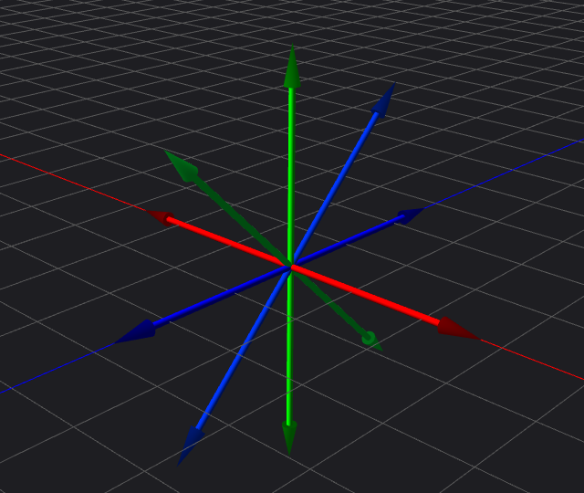

-X
+X

-Y

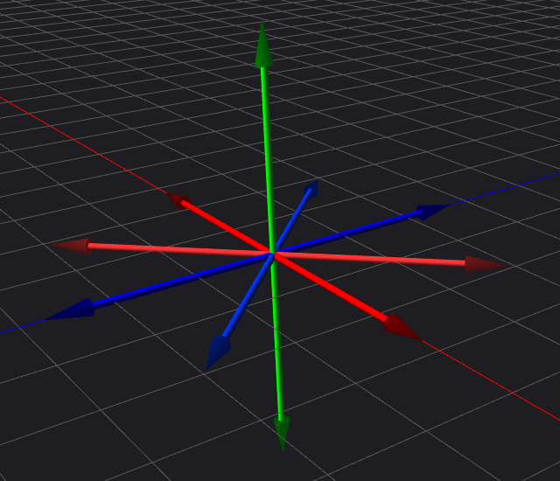
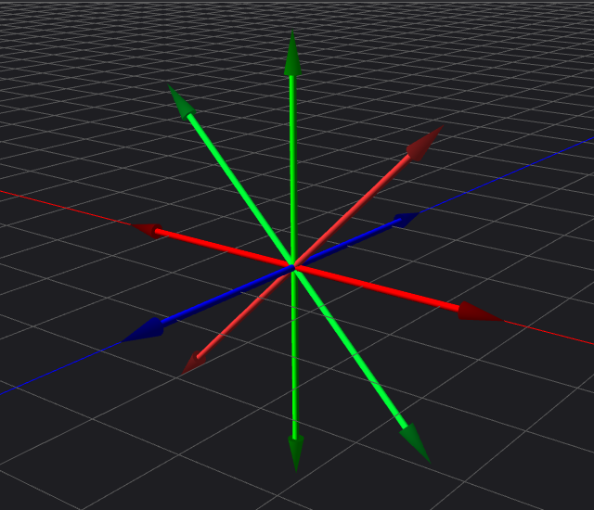

+Y
+Y
+Y



-X
+X
-X
+X
-Y
-Y
-X
+X
+Y
+Y
-Y


-X
+X
-X
+X
-Y
-Y

Reflected about y-axis
+Y
+Y
Original
S

+Y
-X
+X

-X
+X
-Y
Reflected about x-axis
and y-axis
-Y
Reflected about x-axis
-X
+X
-Y

+Y
+Y

Projection
Plane
d
d

-Z
+Z
-Z
+Z
Center of projection (the origin)
Projection
Plane

-Y
-Y

四元数
0°
0°
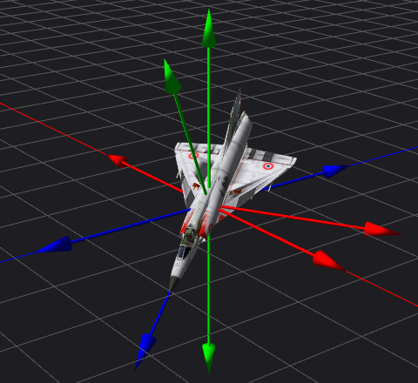
A=270°

B=45°

-90°
+90°
-90°
+90°

+270°
-270°
+270°
-270°

A=-170°
B=170°

+Y
Im
Im

1
i
q = -1+2i
2i

i
p = 2+i
-2
-X
-1
1
+X
-1
1
Re
-1
1
2
Re

r = -2-i
-i

-2i
-1
-i
s = 1-2i

-Y

几何图元
+Y

t=1/4
t=1
y
y=ax+b
x
t=1/2
t=0

t=1
t=0
-X
+X

t=3/4
-Y

+Y
+Y

distance(p, q) = distance(p, r)
q

d
-X
+X
-X
+X
p

-Y
-Y
+Y

Normal
Normal

Front
Side
-Z
-X
C
+X
r
+Z
Front
Side
Front
Side

Back
Side

-Y

(0, 1, 0)
(-0.2, 0.6, 0.6)

(0.5, 0.5, 0)

height
(0, 0, 1)
(1/3, 1/3, 1/3)

base
(0.75, 0, 0.25)
(1, 0, 0)

(-1, 1, 1)
(0, 1, 0)
(-1, 0, 2)
(0, 0, 1)

(0, -1, 2)
(1, 0, 0)
(0, -1, 3)
(1, -1, 1)
(1, -2, 2)

A

P

B
C

A

r
r'
O
a
B
C
c
b
D

