Sheet1
also called Ugräsana Brahmacharyäsana. Paschima literally means the west. It implies the back of the whole body from the head to the heels. The anterior or eastern aspect is the front of the body from the face down to the toes.. In this äsana the back of the whole body is intensely stretched, hence the name. llgrä means formidable, powerful and noble. Brahmacharya means religious study, self-restraint and celibacy. | This äsana tones the abdominal organs and keeps them free from sluggishness. It also tones the kidneys, rejuvenates the whole spine and improves the digestion. In Paschimottänäsana the spine is kept straight and horizontal and the heart is at a lower level than the spine. A good stay in this pose massages the heart, the spinal column and the abdominal organs, which feel refreshed and the mind is rested. Due to the extra stretch given to the pelvic region more oxygenated blood is brought there and the gonad glands absorb the required nutrition from the blood. This increases vitality, helps to cure impotency and leads to sex control. Hence, this äsana was called Brahmacharyäsana. Brahmacharya means celibacy and a Brahmachäri is one who has controlled the sex appetite. | Beginner | Students with an injury at the knees, hips, pelvis, shoulders, rib cage, spine, or who have undergone any recent hipsStudents with spinal disorders like slipped discs, sciatica, SI-joint instability, or advanced cervical and lumbar spondylitis, hernia, diarrhea, ulcer, or hypertension need to avoid this pose as there is a deep lengthening of the spine. Heart patients, who have undergone any recent heart surgeries need to avoid this pose as well. or abdominal surgery should avoid this pose.students suffering from asthma or any respiratory disorders should take the practice slow and follow it under the guidance of a competent teacher. Pregnant women should avoid this pose, as abdominal pressure is not advisable for them. | BKS IYENGAR (Foreward by Yehudi Menuhin) The Ilustrated Light On Yoga- an easy to follow version of the classic introduction to yoga | Sit on the floor with the legs stretched straight in front. Place the palms on the floor by the side of the hips. Take a few deep breaths. Exhale, extend the hands and catch the toes. Hold the right big toe betvveen the right thumb and the index and middle fingers and likewise the left big toe. Extend the spine and try to keep the back concave. To start with the back will be like a hump. | Sit on the floor with the legs stretched straight in front. Place the palms on the floor by the side of the hips. Take a few deep breaths. Exhale, extend the hands and catch the toes. Hold the right big toe betvveen the right thumb and the index and middle fingers and likewise the left big toe. Extend the spine and try to keep the back concave. Grip the right palm with the left hand or the left palm with the right hand beyond the outstretched feet exhale and rest the chin on the shins beyond the knees. Inhale, raise the head from the knees and relax. | deep breathing | https://youtu.be/T8sgVyF4Ux4 |  | Paschimottänäsana
Supta means lying down and kova angle. It is a variation of Haläsana the left toe with in which the legs are spread apart. | This pose tones the legs and helps to contract the abdominal organs. | Intermediate | Someone suffering from severe sciatica. Although this yoga pose does bring relief to the nerve, but in severe cases, this yoga pose is not easy to do and may bring discomfort. For someone suffering from lower back pain, going into supine position would be a challenge. So make sure there is support for the same. | BKS IYENGAR (Foreward by Yehudi Menuhin) The Ilustrated Light On Yoga- an easy to follow version of the classic introduction to yoga | stretch the legs straight and spread the legs as far apart as you can. Pull the trunk up and tighten the knees.Hold the right toe with the right hand and the left toe with the left one. Keep the heels up. | From Karnapidäsana, stretch the legs straight and spread the legs as far apart as you can. Stay in the pose from 20 to 30 apart as you can. seconds with normal breathing. Pull the trunk up and tighten the knees. Hold the right toe with the right hand and the left toe with the left one. Keep the heels up. After gripping the toes, move the dorsal region of the spine still further up and extend the hamstring muscles.Stay in the pose from 20 to 30 seconds with normal breathing. | normal breathing. | https://youtu.be/LWoGOOdWOQ |  | Supta Koväsana
In Halasana both the legs rest behind the head. In this pose they rest sideways on one side of and in line with the head. This is the lateral plough pose. | In this asana, the spine moves laterally and becomes more elastic. The colon, which is inverted during the movements, is exercised properly and elimination will be complete. People suffering from acute or chronic constipation which is the mother of several diseases derive great benefit from this asana. If rubbish is dumped outside our house we feel sick. How much more so when waste matter which creates toxins is allowed to accumulate in our own system? If this waste matter is not eliminated, diseases will enter the body like thieves and rob us of health. If the bowels do not move freely, the mind becomes dull and one feels heavy and irritable. This äsana helps us keep the bowels free and thereby win the prize of health | Advanced | Students with any kind of injury of the joints, muscles, ligaments, tissues, or even recovering from an injury should avoid the practice of Side Plough Pose. Those who have a history of arthritis, osteoporosis, suffering from blood pressure, has a history of heart related issues, asthma (severe), lung issues (severe), spondylosis (of the neck especially), etc., should also refrain from this practice. Conditions related to vertigo, epilepsy, glaucoma, severe ear infections, edema, etc., are also contraindicated, hence best to avoid this practice. Students with back injuries, cervical vertebrae and slipped disc, severe back pain, severe sciatica, etc should avoid this supine twist pose - Side Plough Pose. | BKS IYENGAR (Foreward by Yehudi Menuhin) The Ilustrated Light On Yoga- an easy to follow version of the classic introduction to yoga | Place the palms on the back of the ribs.Move both the legs as far as you can to the left.Tighten both knees, raise the trunk up with the help of the palms and stretch the legs. | Do Supta Konasana and come back to Halāsana. Place the palms on the back of the ribs.Move both the legs as far as you can to the left.Tighten both knees, raise the trunk up with the help of the palms and stretch the legs. Remain in this position for half a minute with normal breathing. Exhale, move the legs to the right until they are in line with the head and hold the pose for half a minute. Do not disturb the position of the chest and trunk when the legs are moved. The chest and trunk should remain as in Sarvangasana or Halasana. | normal breathing. | https://youtu.be/zOZumZ_lD1c |  | Päréva Haläsana
Pinda means embryo or foetus. In this variation of Sarvangasana which is a continuation of the earlier posture, the bent crossed legs are brought down until they rest on the head. The posture resembles that of an embryo in the womb, hence the name. | Pindasana is a intermediate level yoga pose that is performed in supine position. Pindasana additionally involves inversion, Stretch, Balance.Need Pindasana benefits? Please sign-up to request benefits of Pindasana and we will notify you as soon as your request has been completed. | Advanced | Pindasana is a intermediate level yoga pose that is performed in supine position. Pindasana additionally involves inversion, Stretch, Balance.Need Pindasana contraindications? Please sign-up to request contraindications of Pindasana and we will notify you as soon as your request has been completed. | BKS IYENGAR (Foreward by Yehudi Menuhin) The Ilustrated Light On Yoga- an easy to follow version of the classic introduction to yoga | bend and lower the crossed legs from the hips towards the head. Rest the legs over the head. | From Urdhva Padmasana in Sarvangasana, exhale, bend and lower the crossed legs from the hips towards the head. Rest the legs over the head. Remain in this position from 20 to 30 seconds with normal breathing and go back to Urdhva Padmasana in Sarvangasana. | normal breathing. | https://youtu.be/c-Ijz9zaxdA | 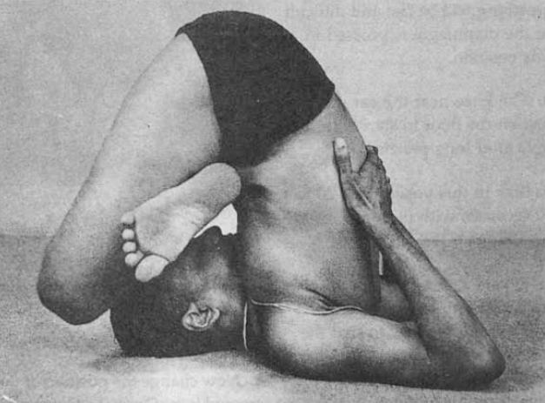 | Pindasana in Sarvangasana
Jatara means the stomach, the belly. Parivartana means turning or rolling about, turning round. | This asana is good for reducing excess fat. It tones and eradicates sluggishness of the liver, spleen and pancreas. It also cures gastritis and strengthens the intestines. By its regular practice all the abdominal organs are kept in trim. It helps to relieve sprains and catches in the lower back and the hip region. | Beginner | Students with an injury of the hips, spine, shoulders, neck, knees, ankles, or rib cage should avoid the practice of this supine twist.Students recovering from an abdominal surgery, hip replacement surgery, suffering from a herniated disc, etc., should take care and avoid this practice. Women who are pregnant, or those post pregnancy should take in slow and practice under guidance, or avoid the same to stay away from complications.Students with arthritis of the hips or back, should practice the same with support and under the guidance of a yoga teacher. Students with fibromyalgia or any bone related issues should avoid this practice completely. | BKS IYENGAR (Foreward by Yehudi Menuhin) The Ilustrated Light On Yoga- an easy to follow version of the classic introduction to yoga | Lie flat on the back on the floor. raise both legs together. Stretch out both arms sideways in line with the shoulders | Lie flat on the back on the floor. Exhale, raise both legs together until they are perpendicular to the floor. They should remain poker stiff, so do not bend them at the knees. Stretch out both arms sideways in line with the shoulders, so that the body resembles a cross. Remain in this position for a few breaths. Then exhale, and move both the legs sideways down towards the floor to the left until the toes of the left foot almost touch the finger-tips of the outstretched left hand. Try and keep the back well on the floor. In the initial stages, the right shoulder will be lifted off the floor. Both legs hould go together, the knees being kept tight throughout. | normal breathing. | https://youtu.be/fP1lADBhgIU | 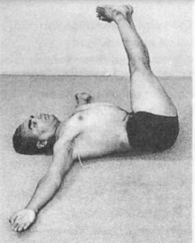 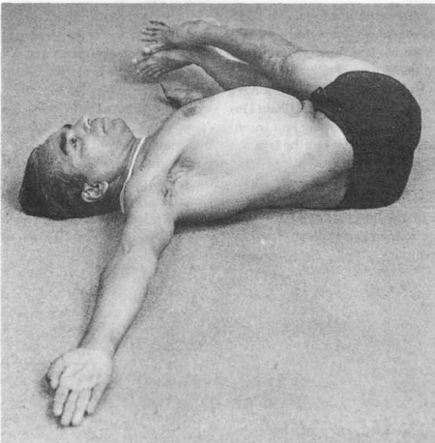 | Jatara Parivartanasana
Supta means lying down. Pada is the foot. Angustha means the big toe. Hence the name. | The legs will develop properly by the practice of this asana. Persons suffering from sciatica and paralysis of the legs will derive great benefit from it. The blood is made to circulate in the legs and hips where the nerves are rejuvenated. The pose removes stiffness in the hip joints. and prevents hernia. It can be practised by both men and women. | Intermediate | Mainly to be avoided by athletes when there is an injury at the hamstrings and quadriceps, as there would be deep extension of these muscles during the practice of this pose. if one has generally weak legs and hips, best to do this pose with support or with the guidance of an expert yoga teacher. It is also better to go slow with the pose.While this pose is still supine, and brings less pressure at the entire back, yet the shoulders are stretched to hold the big toe with your hand, and hence any kind of uneasiness around the shoulders will make it worse with this deep stretch. | BKS IYENGAR (Foreward by Yehudi Menuhin) The Ilustrated Light On Yoga- an easy to follow version of the classic introduction to yoga | Lie flat on the back, stretch both legs and keep the knees tight.raise the left leg from the floor until it is perpendicular. Raise the left arm and catch the left big toe between the thumb and the fore and middle fingers. | Keep the right leg stretched fully on the floor and rest the right hand on the right thigh. Raise the left arm and catch the left big toe between the thumb and the fore and middle fingers. Take 3 or 4 deep breaths. Exhale, raise the head and trunk from the floor, bend the left arm at the elbow and pull the left leg towards the head without bending it at the knee. Pull the leg down, lift the head and trunk up together and rest the chin on the left knee. Stay in this position for about 20 seconds, keeping the right leg fully stretched straight along the floor while breathing normally. Take a few deep inhalations and then repeat on the right, substituting the word 'left' for the word 'right'. | Deep breathing | https://youtu.be/a_N-UwCZhZQ |  | Supta Padangusthasana
Bharadvaja was the father of Drona, the military preceptor of the Kauravas and Pandavas, who fought the great war described in the Mahabharata. This asana is dedicated to Bharadvaja. | This simple asana works on the dorsal and lumbar regions of the spine. People with very stiff backs find the other lateral twisting positions extremely difficult. This pose helps to make the back supple. People with arthritis will find it very beneficial. | Beginner | Avoid when there is injury at the hips. Injury at the hips will aggravate the pain and give discomfort. Alignment of the spine is very important and hence not to be done without guidance. This results in misalignment of the spine. Any kind of injury to the neck or with severe cervical pain.In the pose the Anahata Chakra is said to be activated with the gentle twist, and hence anyone who is just recovering from a cardiac condition, should go slow or take support from an expert, as the breathing plays a great role with the twist. Anyone suffering from blood pressure should go slow or better still take help from an expert during practice. | BKS IYENGAR (Foreward by Yehudi Menuhin) The Ilustrated Light On Yoga- an easy to follow version of the classic introduction to yoga | Sit on the floor with the legs stretched straight in front. Flex the knees, move the legs back and bring both feet to the right side beside the hip. Rest the buttocks on the floor, turn the trunk about 45 degrees to the left, straighten the right arm and place the right hand on the outer side of the left thigh near the left knee. | Insert the right hand underneath the left knee, the palm touching the floor. Exhale, turn the left arm from the shoulder behind the back, bend the left elbow and with the left hand clasp the right upper arm above the right elbow, Turn the neck to the right and gaze over the right shoulder. Hold the position for half a minute with deep breathing. Loosen the hand grip, straighten the legs and repeat the pose on the other side. | normal breathing. | https://youtu.be/PneqOh9TvzI |  | Bharadvajāsana
The prefix ud attached to verbs and nouns, means upwards or superiority in rank. It also means blowing or expanding. It conveys the sense of pre-eminence and power. Jaya means conquest, victory, triumph or success. Looked at from another viewpoint it implies restraint or curbing. Ujjayi is the process in which the lungs are fully expanded and the chest puffed out like that of a proud conqueror. | This type of pranayama aerates the lungs, removes phlegm, gives endurance, soothes the nerves and tones the entire Ystem. Ujjayi without Kumbhaka, done in a reclining position, is ideal for persons suffering from high blood. pressure or coronary troubles. | Intermediate | Students who have a history of heart related issues, a migraine, blood pressure, or any other ailment, then they should keep the yoga teacher updated on the same. Ujjayi Pranayama should not be practiced by pregnant women and women during their menstruation, because this type of breathing puts strain on the abdominal organs while also bringing a change in the body temperature, and this may not be safe.Do not practice this pranayama if you are constantly feeling tired, anxious and panicking because exertion can be harmful for the lungs and the heart.Beginners should not practice this breathing for more than five minutes a day. | BKS IYENGAR (Foreward by Yehudi Menuhin) The Ilustrated Light On Yoga- an easy to follow version of the classic introduction to yoga | Sit up tall with your shoulders relaxed away from your ears and close your eyes. begin to inhale and exhale through your mouth | To prepare, become aware of your breath without trying to control it at all. The begin to inhale and exhale through your mouth if you have been breathing through your nose.Bring your awareness to your throat. On your exhales, begin to tone the back of your throat (your glottis or soft palate), slightly constricting the passage of air. Imagine that you are fogging up a pair of glasses. You should hear a soft hissing sound.Once you are comfortable with the exhale, begin to apply the same contraction of the throat to the inhales. When you are able to control the throat on both the inhale and the exhale, close the mouth and begin breathing through the nose. | Deep breathing | https://youtu.be/lauML9IhigM | 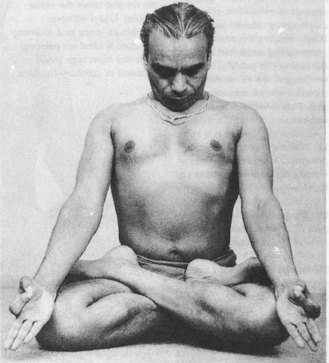 | Ujjayi Pranayama
Sarya is the sun. Bhedana is derived from the root bhid meaning to pierce, to break or pass through. In Sarya Bhedana Pranayama, the breath is inhaled through the right nostril. In other words the prana passes through the Pingala or Sürya nadi. A kumbhaka is then performed and the breath is then exhaled through the left nostril which is the path of the Ida nadi | By reason of the pressure on the nostrils, in this Pranayama the lungs have to work more than in the case of Ujjayi. In Sürya Bhedana they filled more slowly, steadily, and fuller than in Ujjayi. Sürya Bhedana increases, digestive power, soothes and invigorates the nerves, and cleans the sinuses. | Intermediate | Students with shoulder, wrist, fingers and hand injuries and surgery need to avoid this pose. Students who cannot sit in a seated yoga pose for long with an erect spine can sit on a cushion, chair and support the back with a wall. Any student who finds it difficult to have breath and body awareness needs to avoid this pose. Students with acidity, stomach and mouth ulcers need to avoid this practice due to the heat created by it. Also, students with high blood pressure, migraine, vertigo and epilepsy need to avoid this practice as it creates a vigor that they can't handle. Teens and kids need to avoid this pose as they are already energetic and hyperactive and this practice may make them restless and irritated with their hormonal fluctuations. | BKS IYENGAR (Foreward by Yehudi Menuhin) The Ilustrated Light On Yoga- an easy to follow version of the classic introduction to yoga | align in Sukhasana. place the left hand on the left knee in Jnana Mudra and the right hand in Vishnu Mudra, placing the right thumb gently against the right nostril and the ring finger against the left nostril. Lock your chin and come to Chin Lock along with Root Lock | Firstly align in Sukhasana, Lotus Pose (Padmasana) or Swastikasana as per your convenience. Stay here for 5 breaths creating an inclination for the Pranayama. Now place the left hand on the left knee in Jnana Mudra and the right hand in Vishnu Mudra, placing the right thumb gently against the right nostril and the ring finger against the left nostril. Begin Surya Bhedana Pranayama by taking a deep breath in from the right nostril. Lock your chin and come to Chin Lock (Jalandhara Bandha), along with Root Lock (Mula Bandha).Then gently lift your head up and unlock the bandhas. Release your ring and little finger from the left nostril.Feel the warm air coming out through the left nostril while exhaling. | Deep breathing | https://youtu.be/nSZ6cSYhrUo | 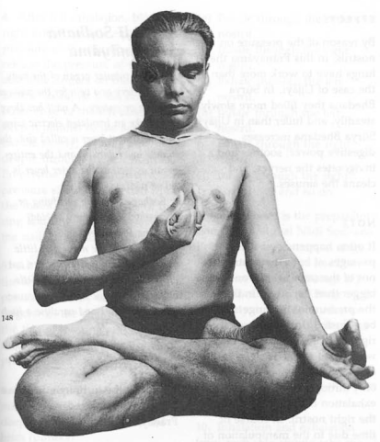 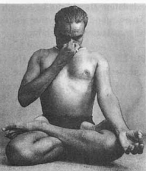 | Sürya Bhedana Pranayama
Nadi is a tubular organ of the body like an artery or a vein for the passage of prana or energy. A nadi has three layers like an insulated electric wire. The innermost layer is called sira, the middle layer damant and the entire organ as well as the outer layer is called nadi | The blood receives a larger supply of oxygen in Nāḍī Śodhana than in normal breathing, so that one feels refreshed and the nerves are calmed and purified. The mind becomes still and lucid | Beginner | This practice is best to be avoided by someone suffering from Hypertension. Avoid if suffering from any infection and wait to heal completely before resuming practice. Not to be done in full stomach, as this could lead to problems related to digestion which further puts pressure on the internal organs like the stomach. Best to take guidance from an yoga teacher when suffering from migraine. As wrong practice could aggravate the problems. | BKS IYENGAR (Foreward by Yehudi Menuhin) The Ilustrated Light On Yoga- an easy to follow version of the classic introduction to yoga | sit in Siddhasana, Sukhasana, or Padmasana. Bring the arms stretched out and place the outer wrists on the knees and keep the spine straight expanding the entire back upwards. With the right hand, bring the thumb, little and ring finger together at the tip. Fold the middle and the index finger towards the palm. Place the thumb at the soft part of the right nostril and the ring and little finger at the soft part of the left nostril without closing the passage at the nostrils. | exhale completely with both the nostril and soon after the exhalation, close the right nostril by putting pressure at the soft part of the right nostril, blocking the passage of air. Inhale slowly and deeply through the left nostril making sure the right is still blocked and watch the flow of the breath. Fill in to the maximum with inhalation for about 2 seconds. Once the inhalation is done, close the left nostril. Hold the breath within Kumbhak for about 8 seconds. Slowly opening the left nostril control the breath and slowly exhale the entire energy for about 4 seconds. Continue this pattern of switching the inhalation and exhalation with alternative nostrils for about 10 cycles and watch the flow of the energy constantly keeping the spine straight. The ratio of inhaling-holding-exhaling is 2:8:4 | Deep breathing | https://www.artofliving.org/in-en/yoga/breathing-techniques/alternate-nostril-breathing-nadi-shodhan | 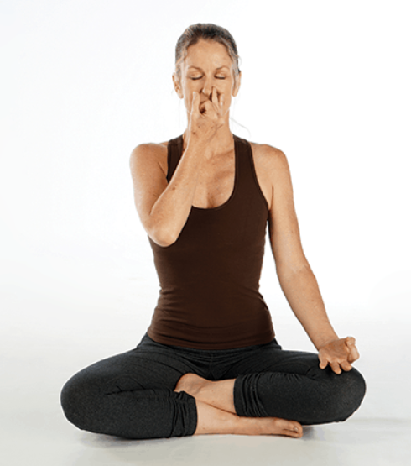 | Nädi Sodhana Pranayama
In Viloma Pranayama inhalation or exhalation is not one uninterrupted continuous process, but is interrupted by several pauses. For instance, if continuous inhalation to fill the lungs or continuous exhalation to expel the air were to take 15 seconds in each case, in Viloma there would be a pause of about 2 seconds after every third second of inhalation or of exhalation. The process of inhalation or of exhalation is thus lengthened to 25 seconds. The technique given below is in two | Viloma Pranayama in the first stage helps those suffering from low blood pressure. In the second stage it benefits persons suffering from high blood pressure. | Intermediate | Students suffering from blood pressure that is high, should take advice from their doctors if holding the breath is safe. Pregnant women should avoid Viloma Pranayama as this involves holding of the breath while also pulling the belly in. This may not be safe for the fetus. Students with heart issues irrespective of the age should avoid this practice, unless they are completely comfortable with breath awareness, Nadi Shodhana, Ujjayi Pranayama, and Bhramari Pranayama, since all these involve taking deep long breaths along with long exhalations. And over time they can be introduced to Viloma Pranayama. | BKS IYENGAR (Foreward by Yehudi Menuhin) The Ilustrated Light On Yoga- an easy to follow version of the classic introduction to yoga | Seated in Sukhasana (Easy Pose), cross the legs and extend the spine upwards. | Take a few rounds of breathing closing the eyes. Let the flow of breathing be normal and easy. Now, take a deep inhalation feeling the coolness at the tips of the nostrils and down to the back of the throat, pause for a few seconds. Inhale again going deeper as the lungs get filled, pause for a few seconds. Inhale again going deeper as the lungs get filled more, pause for a few seconds. Fill now completely into both the lungs and the abdomen, pause and hold the inhaled air- Antara Kumbhaka (Internal Retention). Exhale out completely, in a controlled way and in a most relaxing way. After complete exhalation, relax. Repeat this again, going upto 6-8 rounds with interrupted inhalation and complete uninterrupted exhalation and relax. | normal breathing. | https://www.youtube.com/watch?v=RUFzLVf5wL4 | 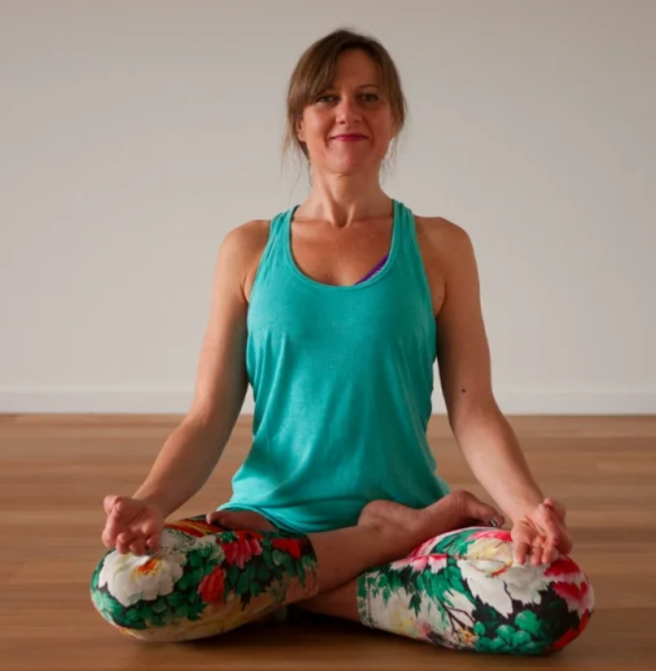 | Viloma Pranayama

