Sheet1
Description | Benefits | Level | Contraindications | Source | Instructions | Balancing Posture | Breathing | Video Link | Image | Yogasana
ltfhifa means extended, stretched. Trikorga (tri = three; koua = angle) is a triangle. This standing äsana is the extended triangle pose. | This äsana tones up the leg muscles, removes stiffness in the legs and hips, corrects any minor deformity in the legs and allows them to develop evenly. It relieves backaches and neck sprains, strengthens the ankles and develops the chest. | Beginners level pose | Avoid doing this pose if you are suffering from low or high Blood Pressure.Any kind of neck injury,back injury and weak digestive system peeps are advisable to avoid this asana | BKS IYENGAR (Foreward by Yehudi Menuhin) The Ilustrated Light On Yoga- an easy to follow version of the classic introduction to yoga | Turn the right foot sideways 90 degrees to the right. Turn the left foot slightly to the right, keeping the left leg stretched from the inside and tightened at the knee.4. Exhale, bend the trunk sideways to the right, bringing the right palm near the right angle. If possible, the right palm should rest completely on the floor. Stretch the left arm up bringing it in line with the right shoulder and extend the trunk. The back of the legs, the back of the chest and the hips should be in line. Gaze at the thumb of the outstretched left hand. Keep the right knee locked tight by pulling up the knee-cap and keep the right knee facing the toes. | Stand in Tädäsana.Inhale deeply and with a jump spread apart the legs sideways 3 to 31/2 feet. Raise the arms sideways, in line with the shoulders, palms facing down. Keep the arms parallel to the floor. | Breathing deeply and evenly | https://youtu.be/uQMpU8CPJYw | 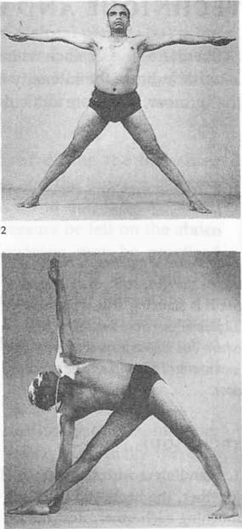 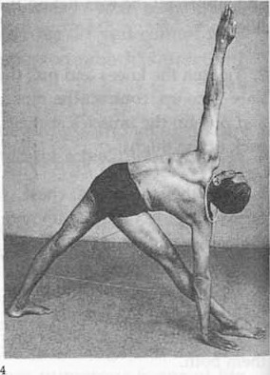 | Utthita Trikouäsana
PärSva means side or flank. Kova is an angle. This is the extended lateral angle pose. | This asana tones up the ankles, knees and thighs. It corrects defects in the calves and thighs, develops the chest and reduces fat round the waist and hips and relieves sciatic and arthritic pains. It also increases peristaltic activity and aids elimination. | Beginners level pose | People suffering from High Blood Pressure,suffering from migraines,with weak nervous system or weak joints,Injured hips or injured leg should not attempt this pose | BKS IYENGAR (Foreward by Yehudi Menuhin) The Ilustrated Light On Yoga- an easy to follow version of the classic introduction to yoga | While exhaling slowly, turn the right foot sideways 90 degrees to the right, and the left foot slightly to the right, keeping the left leg stretched out and tightened at the knee. Bend the right leg at the knee until the thigh and the calf form a right angle and the right thigh is parallel to the floor.Tighten the loins and stretch the hamstrings. The chest, the hips and the legs should be in a line and in order to achieve this, move the chest up and back. Stretch every part of the body, concentrating on the back portion of the whole body, specially the spine. Stretch the spine until all the vertebrae and ribs move and there is a feeling that even the skin is being stretched and pulled. | Stand in Tädäsana.Take a deep inhalation and with a jump spread the legs apart sideways 4 to 41/2 feet. Raise the arms sideways, in line with the shoulders, palms facing down. Keep the head up. | Breathing deeply and evenly | https://youtu.be/giYwBNN52XI | 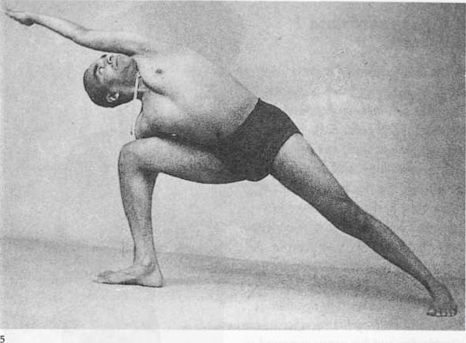 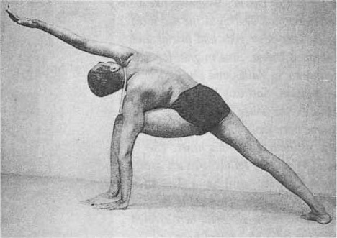 | Utthita Pärévakoväsana
Pärgva means side or flank. Uttäna (ut = intense, and tän = to extend, stretch, lengthen) means an intense stretch. The name implies a pose in which the side of the chest is stretched intensely. | This äsana relieves stiffness in the legs and hip muscles and makes the hip joints and spine elastic. While the head is resting on the knees, the abdominal organs are contracted and toned. The wrists move freely and any stiffness there disappears. The posture also corrects round and drooping shoulders. In the correct pose, the shoulders are drawn well back and this makes deep breathing easier. | Intermediate level pose | Any injury at any part of the leg and the hips will make going into the pose difficult.Stiffness around the neck, weak lower back and Blood Pressure patients should avoid doing this pose.Women in their later stages of pregnancy should completely avoid attempting this yoga pose. | BKS IYENGAR (Foreward by Yehudi Menuhin) The Ilustrated Light On Yoga- an easy to follow version of the classic introduction to yoga | Inhale and turn the trunk to the right. Turn the right foot 90 degrees sideways to the right keeping the toes and heel in a line with the trunk; turn the left foot with the leg 75 to 80 degrees to the right and keep the left foot stretched out and the leg tightened at the knee. Throw the head back. Exhale, bend the trunk forward and rest the head on the right knee. Stretch the back and gradually extend the neck until the nose, then the lips and lastly the chin touch and then rest beyond the right knee. Tighten both the legs by pulling the knee-caps up. | Stand in Tädäsana. Inhale deeply and stretch the body forward. Join the palms behind the back and draw the shoulders and elbows back.Exhale, turn the wrists and bring both palms up above the middle of the back of the chest, the fingers at the level of the shoulder-blades. You are doing 'namaste' (the Indian gesture of respect by.folding the hands) with your hands behind your back. | Normal breathing | https://youtu.be/_m19RdGhsEc | 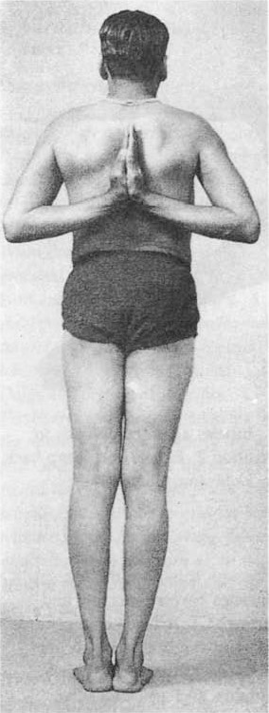 | Pärévöttänäsana
Prasürita means expanded, spread, extended. Päda means a foot. The pose is one where the expanded legs are stretched intensely. | In this pose the hamstring and abductor muscles are fully developed, while blood is made to flow to the trunk and the head. People who cannot do Sirsäsana can benefit from this pose, which increases digestive powers.All these standing poses help to reduce the body weight | Beginners level standing pose | People with tight Hamstrings, weak ankles, and knees need to avoid this pose. Since there is a blood rush to the brain, Anybody having high blood pressure, vertigo, and migraine should avoid this pose. | BKS IYENGAR (Foreward by Yehudi Menuhin) The Ilustrated Light On Yoga- an easy to follow version of the classic introduction to yoga | Tighten the legs by drawing up the knee-caps. Exhale, and place the palms on the floor in line with the shoulders between the feet. Lean forward and down.The hands are placed down for extra support.Keep the spine straight in the lower areaPoint the feet forward or slightly out.Exhale, bend the elbows and rest the crown of the head on the floor, keeping the weight of the body on the legs. Do not throw the body weight on the head. Both feet, both palms and the head should be in a straight line. Inhale and raise the head up, keeping the back concave.Exhale and stand.Jump back to Tädäsana. | Stand in Tädäsana.Inhale, place the hands on the waist and spread the legs apart 41/2 to 5 feet. Keep the head well up by making the back concave | Breathing deeply and evenly. | https://youtu.be/pJGvClXXffM |  | Prasärita Pädottänäsana
galabhli means a locust. The pose resembles that of a locust resting on the ground, hence the name. | The pose aids digestion and relieves gastric troubles and flatulence. Since the spine is stretched back it becomes elastic and the pose relieves pain in the sacral and lumbar regions. In my experience, persons suffering from slipped discs have benefited by regular practice of this äsana without recourse to enforced rest or surgical treatment. The bladder and the prostate gland also benefit from the exercise and remain healthy. | `Beginners level pose | People with injuries at the ankles, knees, hips, pelvis, rib cage, or shoulders must be discouraged from the practice of this pose .People with severe sciatica may be in discomfort when they get into this pose since it tightens the entire body from the hip to the feet. Someone with significant problems with menstruation or with a prolapsed uterus should avoid this practice as the pressure on the abdomen can prove to be harmful. | BKS IYENGAR (Foreward by Yehudi Menuhin) The Ilustrated Light On Yoga- an easy to follow version of the classic introduction to yoga | Contract the buttocks and stretch the thigh muscles. Keep both legs fully extended and straight, touching at the thighs, knees and ankles. Do not bear the weight of the body on the hands but stretch them back to exercise the upper portion of the back muscles Stay in the position as long as you can with normal breathing.6. In the beginning it is difficult to lift the chest and the legs off the floor, but this becomes easier as the abdominal muscles grow stronger. | Lie full length on the floor on the stomach, face downwards. Stretch the arms back. Exhale, lift the head, chest and legs off the floor simultaneously as high as possible. The hands should not be placed and the ribs should not rest on the floor. Only the abdominal front portion of the body rests on the floor and bears the weight of the body. | Normal breathing. | https://youtu.be/RN6x-hOJw_8 | 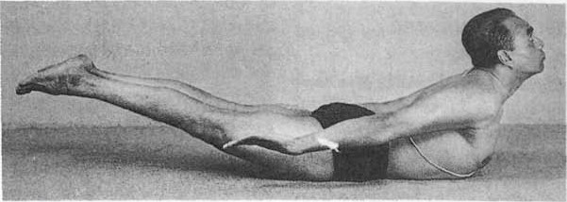 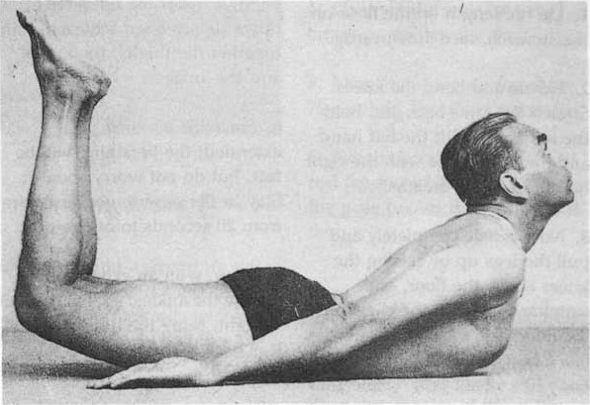 | galabhäsana or salabhasana
Dhanu means a bow. The hands here are used like a bowstring to pull the head, trunk and legs up and the posture resembles a bent bow. | In this posture the spine is stretched back. Elderly people do not normally do this, so their spines get rigid. This äsana brings back elasticity to the spine and tones the abdominal organs. In my experience, persons suffering from slipped discs have obtained relief by the regular practice of Dhanuräsana and Salabhäsana without being forced to rest or to undergo surgical treatment. | Beginners level pose | Patients suffering from pressure, either Low or High,any kind of neck injury,back pain or back injury,ulcers in stomach or someone with Hernia should avoid this pose. Women who are pregnant should avoid this. | BKS IYENGAR (Foreward by Yehudi Menuhin) The Ilustrated Light On Yoga- an easy to follow version of the classic introduction to yoga | Now exhale completely and pull the legs up by raising the knees above the floor, and simultaneously lift the chest off the floor. The arms and hands act like a bow-string to tauten the body like a bent bow. Lift up the head and pull it as far back as possible. Do not rest either the ribs or the pelvic bones on the floor. Only the abdomen bears the weight of the body on the floor. While raising the legs do not join them at the knees, f" then the legs will not be lifted high enough. After the full stretch upwards has been achieved, join together the thighs, the knees and the ankles. Stay in the pose to your capacity from 20 seconds to one minute. Then, with an exhalation, release the ankles, stretch the legs straight, bring the head and the legs back to the floor and relax. | Lie full length on the floor on the stomach, face downwards. Exhale and bend the knees. Stretch the arms back and hold the left ankle with the left hand and the right ankle with the right hand. Take two breaths. | Breathing will be fast | https://youtu.be/cFLYxGbKk6U | 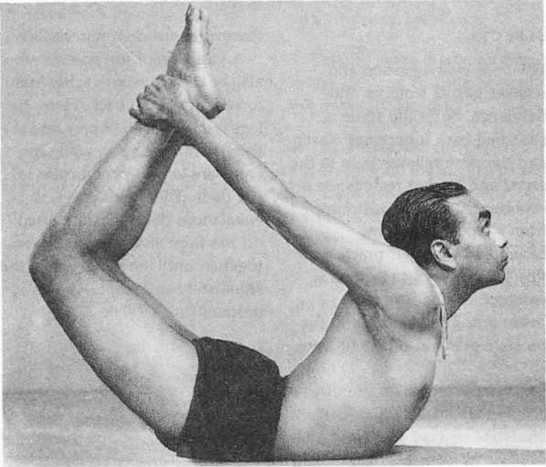 | Dhanuräsana
Chatur means four. Aitga means a limb or a part thereof. Danda means a staff. Lie flat on the floor, face down and take the weight of the body on the palms and toes, exhale and keep the body parallel to the floor, stiff as a staff. The four limbs supporting the body are the hands and feet. The pose is similar to dips in western gymnastics. | The pose strengthens the arms and the wrists develop mobility and the abdominal organs. | Beginners level pose | The person should lower the body Chaturanga Dandasana from Phalakasana, by bending the arms at the elbows. The alignment should be such that the elbows are pointed up, and the arms are close to the chest. If the student spreads their elbows away from the body, then there would be additional strain in the wrists, elbows, shoulders and chest. Hence, this action should be done with care, having all the awareness, including breath, to hold the pose longer, if required. | BKS IYENGAR (Foreward by Yehudi Menuhin) The Ilustrated Light On Yoga- an easy to follow version of the classic introduction to yoga | With an exhalation, raise the whole body a few inches above the floor, balancing it on the hands and the toes. Keep the body stiff as a staff, parallel to the floor from head to heel and the knees taut. Stay for some time with normal breathing. Then gradually extend the whole body forward so that the feet rest on the upper portion of the toes on the floor.Stay in the pose for about 30 seconds with normal or deep breathing. The movement may be repeated several times. Then relax on the floor. | Lie flat on the floor, face downwards. Bend the elbows and place the palms by the side of the chest. Keep the feet about a foot apart. | Normal or deep breathing | https://youtu.be/Q3fJ9TxtATg |   | Chaturaitga Davdäsana
Bhujanga means a serpent. In this posture, lie flat on the poor, face downwards, lift the body up from the trunk and throw the head back like a serpent about to strike. | The posture is a panacea for an injured spine and in cases of slight displacement of spinal discs the practice of this pose replaces the discs in their original position. The spinal region is toned and the chest fully expanded. | Beginners level pose | Injuries related to joints of the hips, pelvis, knees, rib cage, shoulders, elbows and wrists,severe conditions like asthma, high blood pressure, back pain that is caused due to herniated disc, an old hernia, severe urinary incontinence, or anything related to any internal organ or spine. Then, under such conditions, person should avoid this pose. | BKS IYENGAR (Foreward by Yehudi Menuhin) The Ilustrated Light On Yoga- an easy to follow version of the classic introduction to yoga | Inhale, press the palms firmly on the floor and lift the body up from the trunk until the pubis is in contact with the floor and stay in this position with the weight on the legs and palms.Contract the anus and the buttocks, tighten the thighs. Maintain the pose for about 20 seconds. Exhale, bend the elbows and rest the trunk on the floor. Repeat the pose two or three times and then relax. | Lie on the floor face downwards. Extend the legs, keeping the feet together. Keep the knees tight and the toes pointing.Rest the palms by the side of the pelvic region. | Breathing normally. | https://youtu.be/ZqnbaBx09-E | 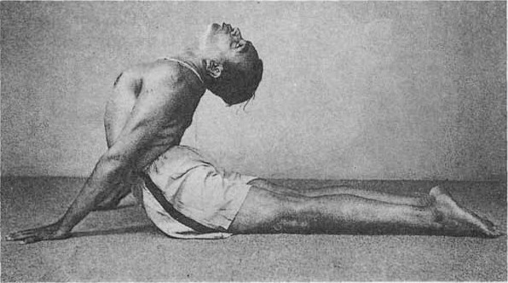 | Bhujahgäsana I
Ürdhva Mukha means having the mouth upwards. gzuina means a dog. The pose resembles a dog stretching itself with the head up in the air, hence the name. | The pose rejuvenates the spine and is specially recommended for people suffering from a stiff back. The movement is good for persons with lumbago, sciatica and those suffering from slipped or prolapsed discs of the spine. The pose strengthens the spine and cures backaches. Due to chest expansion, the lungs gain elasticity. The blood circulates properly in the pelvic region and keeps it healthy. | Beginners level pose | Any person with wrist, ankle, and shoulder sprain or injury needs to avoid this pose.The deep stretch at the upper back, including the neck and head, may not suit people having cervical-spondylosis . The pressure on the ankles is not advisable for person with carpal tunnel syndrome. It is safer to go slow or take guidance from an expert for people with arthritis-knees and osteoporosis. | BKS IYENGAR (Foreward by Yehudi Menuhin) The Ilustrated Light On Yoga- an easy to follow version of the classic introduction to yoga | Inhale, raise the head and trunk, stretch the arms completely and push the head and trunk as far back as possible, without resting the knees on the floor.Keep the legs straight and tightened at the knees, but do not rest the knees on the floor. The weight of the body rests on the palms and toes only.The spine, thighs and calves should be fully stretched, and the buttocks contracted tight. Push the chest forward, stretch the neck fully and throw the head as far back as possible. Stretch also the back portions of the arms. Bend the elbows, release the stretch and rest on the floor. | Lie on the floor on the stomach, face downwards. Keep the feet about one foot apart. The toes should point straight back. Place the palms on the floor by the side of the. waist, the fingers pointing to the head. | Deep breathing. | https://youtu.be/IVavcaTyQ-Y | 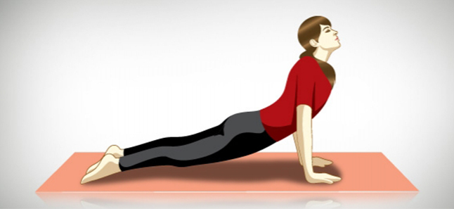 | Ürdhva Mukha Svänäsana
Adho Mukha means having the face downwards. gväna means a dog. The pose resembles a dog stretching itself with head and forelegs down and the hind legs up, hence the name. | When one is exhausted, a longer stay in this pose removes fatigue and brings back the lost energy. The pose is especially good for runners who get tired after a hard race. Sprinters will develop speed and lightness in the legs. The pose relieves pain and stiffness in the heels and helps to soften calcaneal spurs. It strengthens the ankles and makes the legs shapely. The practice of this äsana helps to eradicate stiffness in the region of the shoulder-blades, and arthritis of the shoulder joints is relieved. The abdominal muscles are drawn towards the spine and strengthened. As the diaphragm is lifted to the chest cavity the rate of the heart beat is slowed down | Beginners level pose | Person with knee, shoulder, ankle, or wrist injuries. Similarly, people with spine, hip, knee, and shoulder surgeries should avoid this pose. People with weak bodies, weak ankles, shoulders, and wrists should avoid this pose. People with a migraine, high blood pressure, epilepsy or vertigo-related ailments should avoid this pose, or practice for shorter intervals. | BKS IYENGAR (Foreward by Yehudi Menuhin) The Ilustrated Light On Yoga- an easy to follow version of the classic introduction to yoga | Exhale and raise the trunk from the floor. Straighten the arms, move the head inwards towards the feet and place the crown of the head on the floor, keeping the elbows straight and extending the back. Keep the legs stiff and do not bend the knees but press the heels down. The heels and soles of the feet should rest completely on the floor, while the feet should be parallel to each other, the toes pointing straight ahead.Then with an exhalation lift the head off the floor, stretch the trunk forward and lower the body gently to the floor and relax. | Lie full length on the floor on the stomach, face downwards. The feet should be kept one foot apart. Rest the palms by the side of the chest, the fingers straight and pointing in the direction of the head. | Deep breathing. | https://youtu.be/Y2vWSc8BoeM | 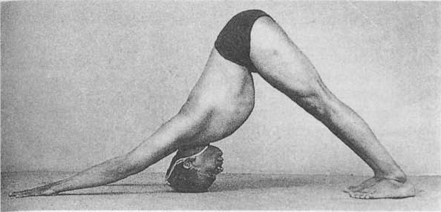 | Adho Mukha Svänäsana
Paripürva means entire or complete. The posture here resembles that of a boat with oars, hence the name. | This äsana gives relief to persons who feel a bloating sensation in the abdomen due to gas and also to those suffering from gastric complaints. It reduces fat around the waistline and tones the kidneys. | Intermediate level pose | The joints like the hips, knees, ankles, toes, rib cage, shoulders and neck are all engaged while entering and coming out of the pose. However, while holding the pose, it is only the hips and shoulders that are active. Therefore any injury to any part of the body related to joints and muscles can be a contraindication, and care should be taken in the practice. | BKS IYENGAR (Foreward by Yehudi Menuhin) The Ilustrated Light On Yoga- an easy to follow version of the classic introduction to yoga | Exhale, recline the trunk slightly back and simultaneously raise the legs from the floor and keep them stiff as a poker with the knees tight and the toes pointing forwards. Balance is maintained only on the buttocks and no part of the spine should be allowed to touch the floor, from which the legs should be kept at an angle of 60 to 65 degrees. The feet are higher than the head and not level with it as in Ardha Näväsana. Remove the hands from the floor and stretch the arms forward, keeping them parallel to the floor and near the thighs. The shoulders and the palms should be on one level, and the palms should face each other. | Sit on the floor as in Dandäsana | Slow deep breathing, | 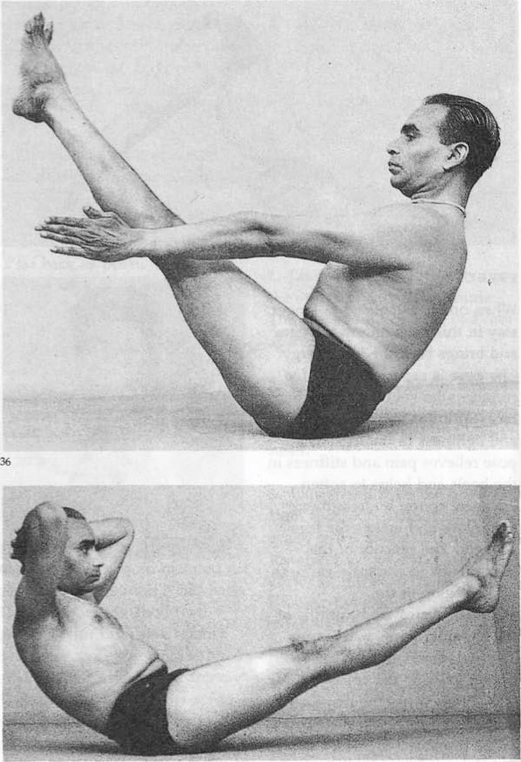 https://youtu.be/ZniNgUfFZaE |  | Paripürva Näväsana
Ardha means half. Näva is a ship, boat or vessel. This posture resembles the shape of a boat, hence the name. | Ardha Näväsana works on the liver, gall bladder and spleen.In the beginning, the back is too weak to bear the strain of the pose. When power to retain this pose comes, it indicates that the back is gaining strength. A weak back is a handicap in many ways, especially to women as they need strong backs for child-bearing. These two äsanas coupled with lateral twistings of the spine will help to strengthen the back. | Intermediate level pose | Any form of knee, ankle or hamstring injury. Person with arthritis-knees rheumatoid arthritis, weak knee and ankle joints need to avoid this pose because of the stretch at the ligaments attached to the joints. Students with lack of body breath awareness need to firstly practise pranayama in Sukhasana and then attempt this pose. | BKS IYENGAR (Foreward by Yehudi Menuhin) The Ilustrated Light On Yoga- an easy to follow version of the classic introduction to yoga | Exhale, recline the trunk back and simultaneously raise the legs from the floor, keeping the thighs and knees tight and the toes pointed. The balance of the body rests on the buttocks and no part of the spine should be allowed to touch the floor. One feels the grip on the muscles of the abdomen and the lower back. Keep the legs at an angle of about 30 to 35 degrees from the floor and the crown of the head in line with the toes. Do not hold the breath during this äsana, though the tendency is always to do it with suspension of breath after inhalation. If the breath is held, the effect will be felt on the stomach muscles and not on the abdominal organs. Deep inhalation in this äsana would loose the grip on the abdominal muscles. In order to maintain this grip, inhale, exhale and hold the breath and go on repeating this process but without breathing deeply. | Sit on the floor. Stretch the legs out in front and keep them straight. Interlock the fingers and place them on the back of the head just above the neck. | Normal breathing. | https://youtu.be/ZniNgUfFZaE |  | Ardha Näväsana
Siddha means a semi-divine being supposed to be of great purity and holiness, and to possess supernatural faculties called siddhis. Siddha means also an inspired sage, seer or prophet.'The Siddhas say that as among niyamas, the most important is not to harm anyone, and among the yamas a moderate diet, so is Siddhäsana among the äsanas. ' 'Of the 84 lacs of äsanas, one should always practise Siddhäsana. It purifies 72,000 nädis. (Midis are channels in the human body through which nervous energy passes.) | This posture keeps the pubic region healthy. Like Padmäsana , it is one of the most relaxing of äsanas. The body being in a sitting posture is at rest, while the position of the crossed legs and erect back keeps the mind attentive and alert. This äsana is also recommended for the practice of präpäyäma and for meditation.the äsana is good for curing stiffness in the knees and ankles. In it the blood circulates in the lumbar region and the abdomen, and this tones the lower region of the spine and the abdominal organs. | Intermediate level pose | For those with arthritis of the knees, hips, and feet should avoid sitting on the floor. Compressing these joints may cause swelling and pain for those with arthritis.The sciatic nerve gets compressed when seated in Swastikasana reducing blood supply to the nerve. This can become painful and unsafe for those suffering from sciatica, hence best to avoid. For those pregnant women who practice prenatal yoga, should avoid this posture if they have swollen legs | BKS IYENGAR (Foreward by Yehudi Menuhin) The Ilustrated Light On Yoga- an easy to follow version of the classic introduction to yoga | Stretch the arms in front and rest the back of the hands on the knees so that the palms face upwards. Join the thumbs and the forefingers and keep the other fingers extended. Hold this position as long as you can, keeping the back, neck and head erect and the vision indrawn as if gazing at the tip of the nose. Release the feet and relax for some time. Then repeat the pose for the same length of time, now placing the right heel near the perineum first and then the left foot over the right ankle as described above. | Sit on the floor, with legs stretched straight in front. Place the sole of the right foot between the thigh and the calf of the left leg. Do not rest the body on the heels. | Deep breathing | https://youtu.be/UT7BLFCcAxQ | 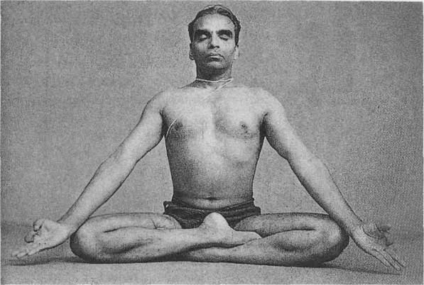 | Siddhäsana
Vira means a hero, warrior, champion. This sitting posture is done by keeping the knees together, spreading the feet and resting them by the side of the hips.The pose is good for meditation and präväyäma. | The pose cures rheumatic pains in the knees and gout, and is also good for flat feet. Due to the stretching of the ankles and the feet, proper arches will be formed. This, however, takes a long time and requires daily practice of the pose for a few minutes for several months. Those suffering from pain in the heels or growth of calcaneal spurs there Will get relief and the spurs will gradually disappear.The pose can even be done immediately after food and will relieve heaviness in the stomach. | Intermediate level pose | There is immense stretch at the knees and the ankles while seated, hence can be a big risk if one is very stiff at the knees and the ankles or is down with an injury at the knees or ankles. | BKS IYENGAR (Foreward by Yehudi Menuhin) The Ilustrated Light On Yoga- an easy to follow version of the classic introduction to yoga | . Keep the wrists on the knees, palms facing up, and join the tips of the thumbs and forefingers. Keep the other fingers extended. Stretch the back erect. Stay in this position as long as you can. Now interlock the fingers and stretch the arm straight over the head, palms up. Exhale, release the fingerlock,place the palms on the soles, bend forward and rest the chin on the knees. Inhale, raise the trunk up, bring the feet forward and relax. If you find it difficult to perform the pose as described above, try placing the feet one above the other and rest the buttocks on them. | Kneel on the floor. Keep the knees together and spread the feet about 18 inches apart. Rest the buttocks on the floor, but not the body on the feet. The feet are kept by the side of the thighs, the inner side of each calf touching the outer side of its toes pointing back and touching the floor. | Deep breathing | https://youtu.be/BeWH3v6m3ms | 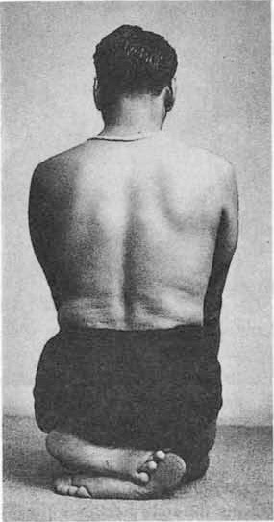 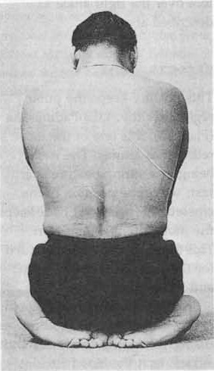 | Viräsana
Supta means lying down. In this äsana one reclines back on the floor and stretches the arms behind the | This äsana stretches the abdominal organs and the pelvic region. People whose legs ache will get relief from holding this pose for 10 to 15 minutes and it is recommended to athletes and all Who have to walk or stand about for long hours. It can be done after meals and if before retiring at night the legs feel rested next morning. Several of my pupils who were cadets at the National Defence Academy after long route marches found great relief by combining this äsana with Sarvängäsana I | Intermediate level pose | Person should avoid this pose if he/she have angina,partially blocked arteries or recovering from bypass surgery | BKS IYENGAR (Foreward by Yehudi Menuhin) The Ilustrated Light On Yoga- an easy to follow version of the classic introduction to yoga | Take the arms over the head and stretch them out straight. Hold this pose as long as you can while breathing deeply. Then place the arms beside the trunk, press the elbows to the floor and sit up again with an exhalation. The hands may be stretched over the head or placed beside the thighs. When they are stretched over the head, do not raise the shoulder-blades from the floor. Beginners may keep the knees apart. | Sit in Viräsana. Exhale, recline the trunk back and rest the elbows one by one on the floor. Relieve the pressure on the elbows one after the other by extending the arms.At first rest the crown of the head on the floor. Gradually rest the back of the head and then the back on the floor. | Breathing deeply | https://youtu.be/Ac4z-bvplMs | 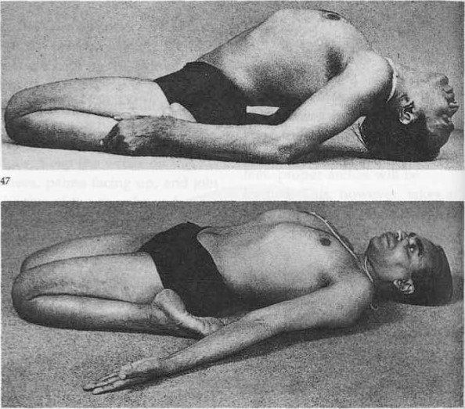 | Supta Viräsana
Baddha means caught, restrained. Kona means an angle. In this psture, sit on the floor, bring the heels near the perineum, catch the feet and widen the thighs until the knees touch the floor on either side. This is how Indian cobblers sit. | The pose is specially recommended for those suffering . urinary bladder healthy. It is well known that diseases of the urinary tract are rarely found among the Indian cobblers and the reason for that is that they sit all day in this pose.It relieves sciatic pain and prevents hernia. If practised regularly, it relieves pain and heaviness in the testicles.The pose is a blessing to women. Coupled with Sarvängäsana I and its cycle it checks irregular menstrual periods and helps the ovaries to function properly. It is found that pregnant women who sit daily inthis pose for a few minutes will have much less pain during delivery and will be free from varicose veins. | Beginners level pose | In the case of a groin injury, one must strictly not practise Baddha Konasana. It could further aggravate the injury. In case of any type of an injury in the knee - a tear of the ligament, worn down joints (where the lubrications between the joints has worn out), or rheumatoid arthritis, Baddha Konasana must be avoided. ence students who lack breath awareness may jerk their stretch and may not be able to gauge the sustainable stretch. This can lead to groin and hip damage. | BKS IYENGAR (Foreward by Yehudi Menuhin) The Ilustrated Light On Yoga- an easy to follow version of the classic introduction to yoga | Widen the thighs and lower the knees until they touch the floor. Interlock the fingers of the hands, grip the feet firmly, stretch the spine erect and gaze straight ahead or at the tip of the nose. Hold the pose as long as you can. Place the elbows on the thighs and press them down. Exhale,bend forward, rest the head, then the nose and lastly the chin on the floor. (Plate 51) Hold this position from half a minute to a minute with normal breathing.. Inhale, raise the trunk from the floor and come back to position 5.Then release the feet, straighten the legs and relax. | Sit on the floor with the legs stretched straight in front. Bend the knees and bring the feet closer to the trunk. Bring the soles and heels of the feet together and catching the feet near the toes, bring the heels near the perineum. The outer sides of both feet should rest on the floor, and the back of the heels should touch the perineum. | Normal breathing. | https://youtu.be/ZcNkTvhls1U | 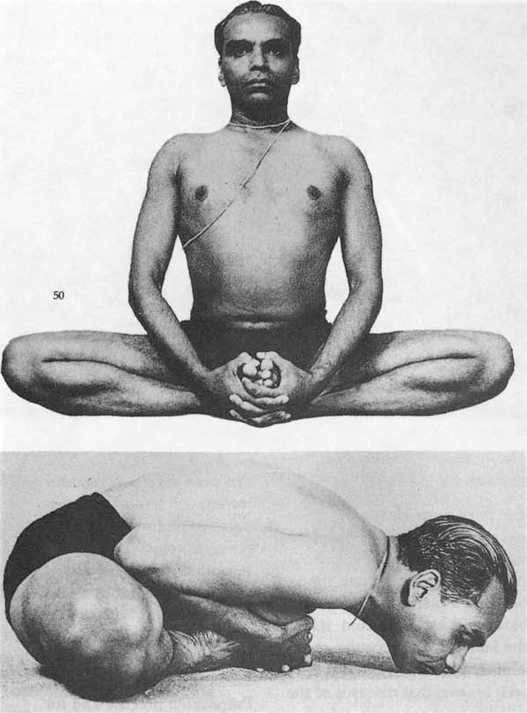 | Baddha Koväsana
Padma means a lotus. This is the lotus posture, one of the most important and useful äsanas. It is the posture for meditation and the Buddha is often depicted in it. Kundalini (which is roused by this process). Kundalini is the Divine Cosmic Energy in bodies. It is symbolized by a coiled and sleeping serpent in the lowest bodily centre at the base of the spinal column | After the initial knee pains have been overcome, Padmäsana is one of the most relaxing poses. The body being in a sitting posture, it is at rest without being sloppy. The position of the crossed legs and the erect back keeps the mind attentive and alert. Hence it is one of the äsanas recommended for practising pränäyäma (breath control).On the purely physical level, the pose is good for curing stiffness in the knees and ankles. Since the blood is made to circulate in the lumbar region and the abdomen, the spine and the abdominal organs are toned. | Intermediate level pose | Not to be done if there is any form ofknee injury,injury in the ankle or calf,back or spine discomfort, suffering from sciatica infections or weakness in the sciatic nerves. Never do this pose without practicing some stretches for the legs and the spine. | BKS IYENGAR (Foreward by Yehudi Menuhin) The Ilustrated Light On Yoga- an easy to follow version of the classic introduction to yoga | People not used to sitting on the floor seldom have flexible knees. At the start they will feel excruciating pain around the knees. By perseverance and continued practice the pain will gradually subside and they can then stay in the pose comfortably for a long time. From the base to the neck the spine should remain erect. The arms may be stretched out, the right hand being placed on the right knee and the left hand on the left knee. The forefingers and the thumbs are bent and touch each other. Change the leg position by placing the left foot over the right thigh and the right foot over the left thigh. This will develop the legs evenly. | Sit on the floor with the legs straight. Bend the right leg at the knee, hold the right foot with the hands and place it at the root of the left thigh so that the right heel is near the navel. Now bend the left leg, and holding the left foot with the hands place it over the right at the root, the heel being near the navel. The soles of the feet should be turned up. This is the basic Padmäsana pose. | Breathing deeply | https://youtu.be/Sr1wJlclijM | 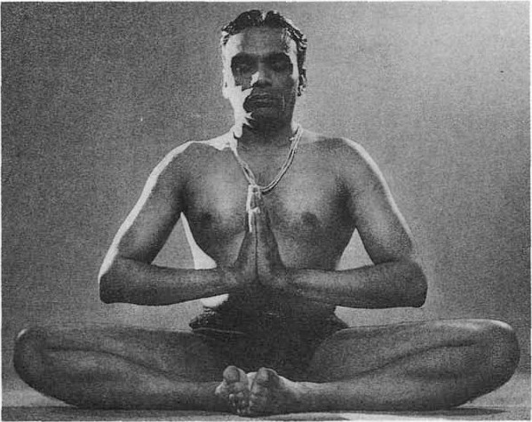 | Padmasana
Baddha means caught, restrained. In this position the hands are crossed at the back and the big toes are caught from behind. The body is caught between the crossed legs in front and the crossed hands behind, hence the name. | Crossing the hands behind the back expands the chest and increases the range of shoulder movement. Yoga Mudräsana intensifies the peristaltic activity and pushes down the accumulated waste matter in the colon and thereby relieves constipation and increases digestive power. | Advanced level pose | Perosn suffering from any kind of injury at the ankles, knees, hips, elbows, wrists, shoulders, neck, lower back, spine, or rib cage, or even injury related to any ligament in any part of the body, and who have undergone any recent surgery in the abdomen should refrain from this practice. Person with conditions like headaches, arthritis in the knees or ankles, weak back, herniated disc, eye or ear infection, neck pain, not yet 8+ weeks since post delivery, or any other condition that may disturb the energy of the body, then it is best to avoid this Pose. | BKS IYENGAR (Foreward by Yehudi Menuhin) The Ilustrated Light On Yoga- an easy to follow version of the classic introduction to yoga | If the toes are difficult to catch stretch the shoulders back, so that the shoulder-blades are brought near each other. A little practice in swinging the arms back with an exhalation will enable one to catch the big toes. If the right foot is placed over the left thigh and then the left foot over the right thigh, catch the left big toe first and then the right big toe. If, on the other hand, the left foot is placed over the right thigh first and then the right foot over the left thigh, catch the right big toe first and then the left big toe. Catch first the big toe of the foot which is uppermost. Inhale deeply, and then with an exhalation bend the trunk forward from the hips and rest the head on the floor, without releasing the toes from the hand grip. Bending the head forward in Baddha Padmäsana and touching it on the floor is called: Yoga Mudrasanaa | Sit in Padmäsana. Exhale, swing the left arm back from the shoulders and bring the hand near the right hip. Catch the left big toe, hold the position and inhale. Similarly, with an exhalation, swing the right arm back from the shoulder, bring it near the left hip and catch the right big toe. | Breathing Deeply | https://youtu.be/t5PG21u_Nbg | 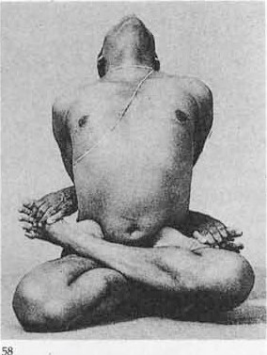 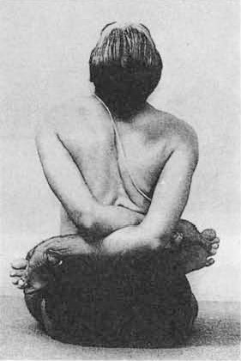 | Baddha Padmäsana
Jänu means the knee. Sirsa is the head. In this posture sit with one leg stretched out on the ground and the Other bent at the knee. Then catch the extended foot with both the hands and place the head on that knee. | This äsana tones the liver and the spleen and thereby aids digestion. It also tones and activates the kidneys, the effect on which can be felt while one is performing the pose.Persons suffering from enlargement of the prostate gland will benefit by staying longer in this pose. They should practice this äsana along with Sarvängäsana The pose is also recommended for people suffering from low fever for a long time. | Beginners level pose | Avoid this pose if one is suffering from severe low back pain. In this pose, one will notice that one side of the hip is more flexible than the other side.If the knees are injured, then the stretch one gets during the practice of Janu Sirsasana, behind the knee may aggravate the injured knee. An injured knee will not support the hamstring and hence tensions at the hamstrings would also arise causing more stiffness during the practice.Not to be practiced by pregnant women.If there is an injury at the shoulders and at the neck, it can be difficult to practice this pose | BKS IYENGAR (Foreward by Yehudi Menuhin) The Ilustrated Light On Yoga- an easy to follow version of the classic introduction to yoga | Exhale, move the trunk forward by bending and widening the elbows, and rest first the forehead, then the nose, then the lips and lastly the chin beyond the right knee.The right foot will tilt to the right in the beginning. Do not allow the leg to tilt. Stretch the back fully, pull the trunk forward and keep the chest against the right thigh. One can also do the pose holding the breath after each exhalation. Inhale, raise the head and trunk, straighten the arms and gaze up for a few seconds, extending the spine and trying to make it concave. Release the hand grip on the right foot, straighten the left leg and come back to position 1. Repeat the pose keeping the left leg stretched out and bending the right leg at the knee. | Sit on the floor, with legs stretched straight in front. Bend the left knee and move it to the left, keeping the outer side of left thigh and the le_ft calf on the floor. Place the left heel against the inner side of the left thigh near the perineum. The big toe of the left foot should touch the inner side of the right thigh. The angle between the two legs should be obtuse. Do not keep the left knee in line with the left thigh at a right angle to the extended right leg. Try and push the left knee as far back as possible, so that the body is stretched from the bent leg. Extend the arms forward towards the right foot and hold it with the hands. First catch the toes of the right foot, then gradually catch the sole, then the heel and finally extend the arms and catch the wrist of one hand with the other, beyond the outstretched foot. | Deep breathing | https://youtu.be/gTWckv9F3wM | 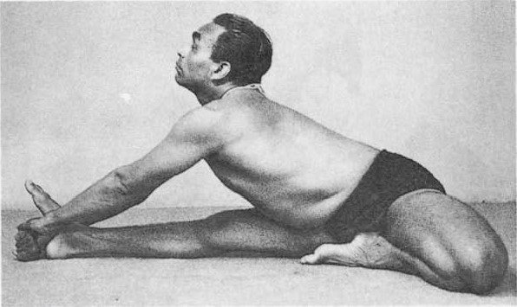  | Jänu Sirsäsana
Upavistha means seated. Kova means an angle. | The äsana stretches the hamstrings and helps the blood to circulate properly in the pelvic region and keeps it healthy. It prevents the development of hernia of which it can cure mild cases and relieves sciatic pains. Since the äsana controls and regularizes the menstrual flow and also stimulates the ovaries, it is a boon to women. | Intermediate level pose | Should be avoided by people with ankle, shoulder, hip, rib cage, pelvic, and knee injuries. Also people who have undergone recent surgeries of hips, spine and knees should be discouraged from practicing this pose.For students who lack the understanding of the breath with body movement may jerk and try to bend forward and this can be damaging. | BKS IYENGAR (Foreward by Yehudi Menuhin) The Ilustrated Light On Yoga- an easy to follow version of the classic introduction to yoga | Keep the spine erect and extend the ribs. Pull the diaphragm up and hold the pose for a few seconds with deep breaths.Now clasp the feet with the hands. Exhale, bend forward and rest the head on the floor. Then extend the neck and place the chin on the floor. Then, try to rest the chest on the floor. Stay in this position from 30 to 60 seconds with normal breathing. Inhale, raise the trunk off the floor and release the hold on the feet, bring them together and relax. | Sit on the floor with the legs stretched straight in front. Move the legs sideways one by one and widen the distance between them as far as you can. Keep the legs extended throughout and see that the back of the entire legs rests on the floor. Catch the big toes between the respective thumbs and index and middle fingers. | Normal Breathing with deep inhalation | https://youtu.be/I6KNKa3g-hU |  | Upavistha Koväsana

Sheet1 (2)
Description | Benefits | Level | Contraindications | Source | Balancing Posture | Instructions | Breathing | Video link | Image | Yogasana
Tadasana is also called Samasthiti Täda, means a mountain. Sama means upright, straight, unmoved. Sthiti is standing still, steadiness. Tädäsana therefore implies a pose where one stands firm and erect as a mountain. This is the basic standing asan. | By this method, the hips are contracted, the abdomen is pulled in and the chest is brought forward. One feels light in body and the mind acquires agility. If we stand with the body weight thrown only on the heels, we feel the centre of gravity changing; the hips become loose, the abdomen protrudes, the body hangs back and the spine feels the strain and consequently we soon feel fatigued and the mind becomes dull. It is therefore essential to master the art of standing correctly. | For Beginners | Avoid doing it if you are suffering from Injury and Surgery,Lack of Body-Breath Connections, have Weak Body. People with but low blood pressure, insomnia or have a headache or migraine should also avoid doing it. | BKS IYENGAR (Foreward by Yehudi Menuhin) The Ilustrated Light On Yoga- an easy to follow version of the classic introduction to yoga | Stand erect with the feet together, the heels and big toes touching each other. Stomach in, chest forward, spine stretched up and the neck straight. Arms are stretched out over the head or kept parallel with the body. | With your feet together, the heels and big toes touching each other,rest the heads of metatarsals on the floor and stretch all the toes flat on the floor. Tighten the knees and pull the knee-caps up, contract the hips and pull up the muscles at the back of the thighs. Do not bear the weight of the body either on the heels or the toes, but distribute it evenly on them both. | take slow, deep breaths | https://youtu.be/t4EFxQDhA8A | 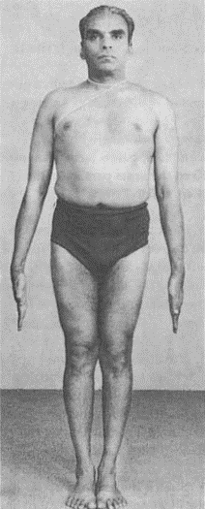 | Tadasana
beautifully combines both the standing and balancing action of the body. Although foundational in nature, what makes it unique, powerful, and a bit complex at the same time, is the fact that the students are required to balance simultaneous movements in different directions. This act of balancing directly works on creating stillness in the mind, building focus, power, and stability, thereby improving health at a holistic level. | In this pose the chest is fully expanded and this helps deep breathing. It relieves stiffness in shoulders and back, tones up the ankles and knees and cures stiffness of the neck. It also reduces fat round the hips. | For Beginners | Students should avoid this pose in case of balance difficulties or an injury to the hip, knees, back, or shoulders. Someone with recent surgery in these areas should also avoid doing this posture until they get clearance from their physicians.If there are any injuries or existing weaknesses in the neck, the students can be advised to keep the chin tucked in and neck in line with the spine. Should not be done by the one with Lack of Body-Breath Connections. | BKS IYENGAR (Foreward by Yehudi Menuhin) The Ilustrated Light On Yoga- an easy to follow version of the classic introduction to yoga | Stand in Tädäsana Both arms raised above the head. Spread the legs apart sideways 4 to 41,4 feet.6.The face, chest and right knee should face the same way as the right foot | Stand in Tädäsana. Raise both arms above the head; stretch up and join the palms.Take a deep inhalation and with a jump spread the legs apart sideways 4 to 41,4 feet.Exhale, turn to the right. Simultaneously turn the right foot 90 degrees to the right and the left foot slightly to the right. Flex the right knee till the right thigh is parallel to the floor and the right shin perpendicular to the floor, forming a right angle between the right thigh and the right calf. The bent knee should not extend beyond the ankle, but should be in line with the heel.Stretch out the left leg and tighten at the knee.Throw the head up, stretch the spine from the coccyx and gaze at the joined palms.Hold the pose from 20 seconds to half a minute with normal breathing.Exhale and jump back to Tädäsana | Inhale and Exhale, bend the left knee and as you exhale push the left thighs and the hips downwards, stretching the right leg deep behind you. Inhale and Exhale, spread the arms out completely and gazing at the arms in front of you, go deeper into the pose and get comfortable | https://youtu.be/RjHH2er8DkM | 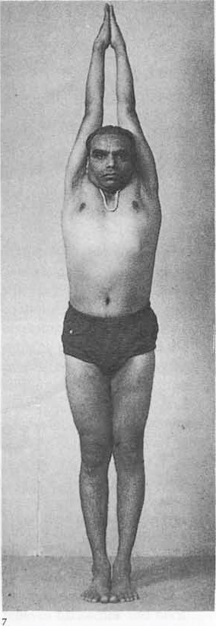 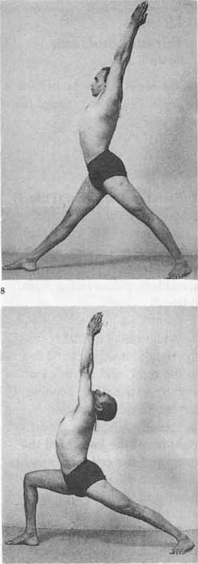 | Virabhadräsana I
Virabhadrasana Ii is considered a base pose as virabhadrasana ii variations can be derived from this pose.Virabhadrasana Ii helps boost energy in the body and hence can be included in flow yoga sequences. Virabhadrasana Ii benefits the following muscles and hence can be included in yoga sequences with the corresponding muscle(s) focus: Arms and Shoulders,Lower Back,Middle Back,Gluteus,Hamstrings,Chest,Hips, Hips-External,Knees,Psoas,Quadriceps. | Through this pose the leg muscles become shapely and stronger. It relieves cramp in the calf and thigh muscles, brings elasticity to the leg and back muscles and also tones the abdominal organs.Mastery of the standing poses prepares the pupil for the advanced poses in forward bending, which can then be acquired with ease. | For Beginners | if any injury has occurred at the knee, one should certainly avoid this pose.to avoid any further injury or damage, someone with an injured ankle or foot should avoid the practice of this pose.The flexing of the hips are very important while practicing this pose, and hence if there is any kind of injury at the hips, or if the hips are weak, avoid this pose.All standing poses strain the heart, and should not be held for long by people with weak heart or by those who have undergone a heart surgery recently.Avoid this pose if one is just recovering from illness. | BKS IYENGAR (Foreward by Yehudi Menuhin) The Ilustrated Light On Yoga- an easy to follow version of the classic introduction to yoga | Stand in Tädäsana. Jump spread the legs apart sideways 4 to 41/2 feet. Raise the arms sideways in line with the shoulders, palms facing down. Right thigh is parallel to the floor.Stretch out the hands sideways. Stretch the back muscles of the left leg fully. | Take a deep inhalation, and with a jump spread the legs apart sideways 4 to 41/2 feet. Raise the arms sideways in line with the shoulders, palms facing down.Turn the right foot sideways 90 degrees to the right and the left foot, tightened at the knee. Stretch the hamstring muscles of the left leg.Exhale and bend the right knee till the right thigh is parallel to the floor. The bent knee should not extend beyond the ankle, but should be in line with the heel.Stretch out the hands sideways, as though two persons are pulling you from opposite ends.Turn the face to the right and gaze at the right palm. Stretch the back muscles of the left leg fully. The back of the legs, the dorsal region and the hips should be in one line.Stay in the pose from 20 seconds to half a minute with deep breathing. Inhale and return to position 2.Turn the left foot sideways 90 degrees to the left and the right foot slightly to the left, flex the left knee and continue from positions 3 to 6 on the left side, reversing all processes. | Take a deep inhalations and exhalations | https://youtu.be/ZM4A3-V4YwQ | 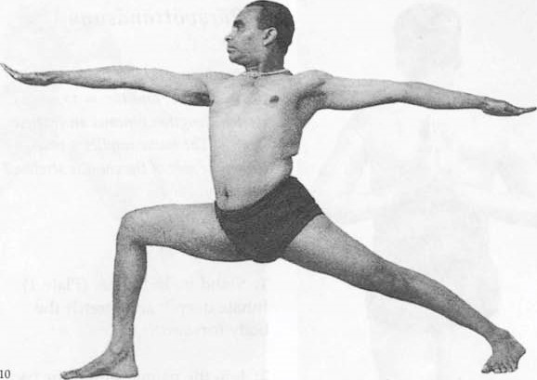 | Virabhadräsana II
Ustra" means "Camel" and "Asana" means "Pose". Hence the name "Camel Pose." It’s an intermediate-level back bending, chest opener pose. With the entire spine bent backward, the chest and upper abdomen look like the back of a Camel. Its origin is in modern yoga and a pose introduced by the Iyengar yoga lineage. Its a part of our intermediate Iyengar sequence.. | People with drooping shoulders and hunched backs will benefit by this asana.The whole spine is stretched back and is toned. This pose can be tried conveniently by the elderly and even by persons with spinal injury. | For Beginners | Practitioners with knee, neck, spine, ankle, wrist, and ankle injuries have to avoid this pose, as all the above-said joints are active in this pose. Also, people who have undergone knee, hip, and spinal surgeries need to avoid this pose to avoid strain and further damage.Students with high blood pressure, migraine, or nervous ailments like epilepsy need to avoid this pose.Practitioners who lack body-breath connections should avoid this pose. | BKS IYENGAR (Foreward by Yehudi Menuhin) The Ilustrated Light On Yoga- an easy to follow version of the classic introduction to yoga | Kneel on the floor, keeping the thighs and feet together, toes pointing back The palms on the hips. Thighs Stretched, the spine curved back and extended ribs .Right palm over the right heel and the left palm over the left heel. | Kneel on the floor, keeping the thighs and feet together, toes pointing back and resting on the floor. Rest the palms on the hips. Stretch the thighs, curve the spine back and extend the ribs. Exhale, place the right palm over the right heel and the left palm over the left heel. If possible, place the palms on the soles of the feet. Press the feet with the palms, throw the head back and push the spine towards the thighs, which should be kept perpendicular to the floor. Contract the buttocks and stretch the dorsal and the coccyx regions of the spine still further, keeping the neck stretched back. Remain in this position for about half a minute with normal breathing. Release the hands one by one and rest them on the hips Then sit on the floor and relax, | slow breathing of inhalation and exhalation | https://youtu.be/8q7GxnIFsQo | 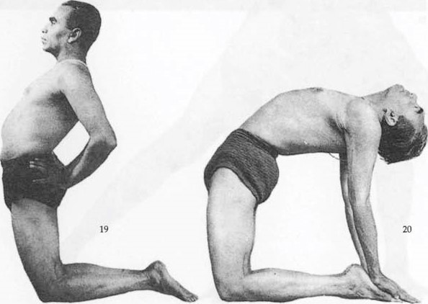 | Usträsana
Päda means the foot. Angu$tha is the big toe. This posture is done by standing and catching the big toes.Padangusthasana (Hand To Big Toe Pose) is a symmetrical standing pose which is a more intense variation of Uttanasana (Standing Forward Fold Pose). Reaching for the toes with the hand has a deeper effect on the hamstrings and the lower back. | Stretches, Strengthens, Lengthens the body parts involved. Provides Flexibility and Range of Motion, In this pose, the blood circulation to the chest and the lungs are enhanced with the inversion. Improves Awareness and Focus (Concentration), this yoga is Energizing, De-stressing, Relaxing, Stimulation the, provides Balance and Emotions Organs. | Intermediate | Hand To Big Toe Pose puts a lot of pressure on the joints of the hips, pelvis, knees, ankles, spine and shoulders. Thus, students who had a recent injury or an old injury related to any of the above mentioned joints should take extra care, or even completely avoid it. Avoid if Lack of Body-Breath Connections. For people wiith lack of Physical Strength and Weak Body avoid it. | BKS IYENGAR (Foreward by Yehudi Menuhin) The Ilustrated Light On Yoga- an easy to follow version of the classic introduction to yoga | Stand in Tädäsana. Legs spread. Bend forward and hold the big toes between the thumbs and the first two fingers, palms face each other.head up, diaphragm stretched towards the chest and back made as concave. | Stand in Tädäsana. Spread the legs a foot. Exhale, bend forward and hold the big toes between the thumbs and the first two fingers, so that the palms face each other, Hold them tight. Keep the head up, stretch the diaphragm towards the chest and make the back as concave as possible. Instead of stretching down from the shoulders, bend forward from the pelvic region to get the concave shape of the back from the coccyx. Keep the legs stiff and do not slacken the grip at the knees and toes. Stretch the shoulder-blades also. | This pose needs breath awareness, the practitioner firstly takes a deep inhale, lengthens the torso, and then exhales to go down. | https://youtu.be/a4wuKEUqGZA | 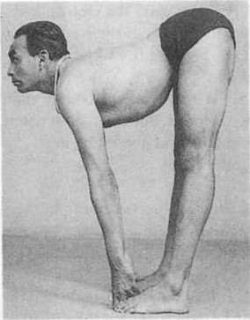 | Pädängusthäsana
Parvata means a mountain. In this variation of Padmäsana the arms are stretched over the head with the fingers interlocked. Parvatasana benefits the following muscles and hence can be included in yoga sequences with the corresponding muscle(s) focus:Arms and Shoulders, Chest, Knees. | The äsana relieves rheumatic pains and stiffness in the shoulders. It helps draw free movement and to develop the chest. The abdominal organs are drawn in and the chest expands fully. | For Beginners | People suffering from spinal injury and spinal abnormalities. Frozen shoulder and arthritis. Hypertension and serious cardiac complaints should avoid doing it. | BKS IYENGAR (Foreward by Yehudi Menuhin) The Ilustrated Light On Yoga- an easy to follow version of the classic introduction to yoga | Sit in Padmäsana. Fingers Interlocked , and hands stretched vertically up over the head.The palms face upwards, | Sit in Padmä. Interlock the fingers, and stretch the hands vertically up over the head. Keep the head bent forward with the chin on the breast bone.sana. Stretch the arms up from the latissimus dorsi (near the floating ribs at the back) and the shoulder-blades. The palms should face upwards. Hold the pose for a minute or two with deep and even breathing. Change the crossing of the legs and the interlock of the fingers and repeat the pose, keeping the back erect. | deep and even breathing. | https://youtu.be/mlZjn-G5Nlo | 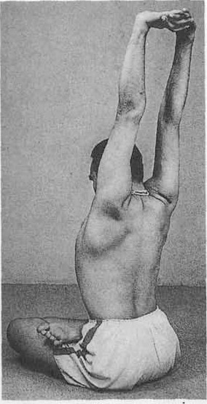 | Parvatäsana
Mafsya means a fish. This posture is dedicated to Matsya the Fish Incarnation of Vi$tgu, the source and maintainer of the universe and of all things. It is related that once upon a time the whole earth had become corrupt and was about to be overwhelmed by a universal flood. Visuu took the form of a fish and warned Manu (the Hindu Adam) of the impending disaster. The fish then carried Manu, his family and the seven great sages in a ship, fastened to a horn on his head. It also saved the Vedas from the flood. | The dorsal region is fully extended in this posture and the chest is well expanded. Breathing becomes fuller. The thyroids benefit from the exercise due to the stretching of the neck. The pelvic joints become elastic. The asana relieves inflamed and bleeding piles. | For Beginners | Individuals suffering from high or low blood pressure should avoid this posture.Neck injuries or any part of the lower back or middle back can make it difficult to practice this Fish Pose and hence should be avoided.Care should be taken if practiced by someone who is suffering from spondylitis. Preferably should be avoided if it is severe.Women who are pregnant should not attempt this yoga pose. Since breathing in this yoga pose is deep, it may not be comfortable for someone suffering from heart ailments. | BKS IYENGAR (Foreward by Yehudi Menuhin) The Ilustrated Light On Yoga- an easy to follow version of the classic introduction to yoga | Sit in Padmäsana. Lie flat on the back with the legs on the floor. neck and the chest lifted. head back and rest the crown on the floor | Sit in Padmäsana. Lie flat on the back with the legs on the floor. Exhale, arch the back by lifting the neck and the chest, take the head back and rest the crown on the floor. Drag the head further back by holding the crossed legs with the hands and increase the back arch.Now take the hands from the legs, bend the arms, hold the elbows with the hands and rest the forearms on the floor behind the head. Stay in this position from 30 to 60 seconds while breathing deeply.Rest the back of the head on the floor, lie flat on the back, inhale and then come up to Padmäsana, release the legs and relax. Recross the legs the other way and repeat the pose for the same length of time. If positions 3 and 4 are difficult to achieve, lie flat on the back with the arms stretched straight over the head. | Deep breathing | https://youtu.be/MEgYDfwMV_w | 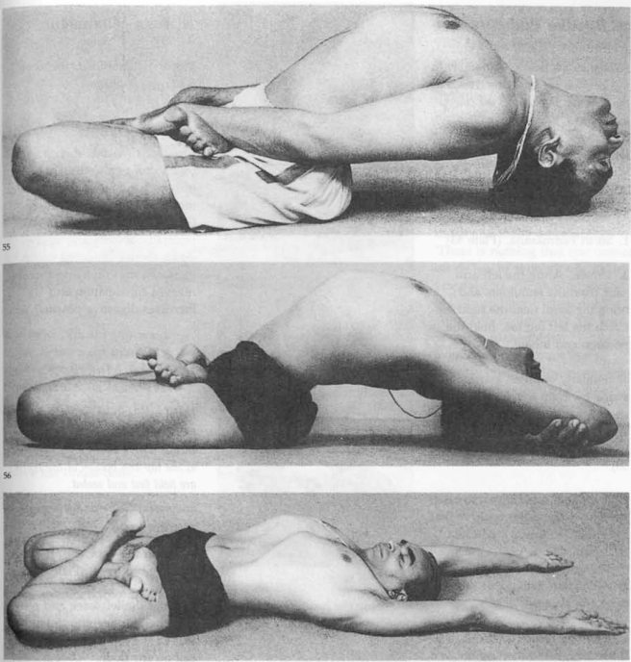 | Matsyäsana
Mahä means great or noble. Mudrä means shutting, closing or sealing. In this sitting posture the apertures at the top and bottom of the trunk are held fast and sealed. | This äsana tones the abdominal organs, the kidneys and adrenal glands. Women suffering from a prolapsed womb find relief as it pulls the womb up to its original position. Persons suffering from spleen ailments and from enlargement of the prostate gland will benefit by staying in this pose longer. It cures indigestion. 'This Mahämudrä destroys death and many other pains. 'There is nothing that one cannot eat or has to avoid (if one has practised it). All food regardless of taste and even. when deadly poisonous is digested.' 'He who practices Mahämudrä, overcomes consumption, leprosy, piles, enlargement of the spleen, indigestion and other complaints of long duration. | intermediate | Maha Mudra should not be practiced by pregnant women. The Mudra is also contraindicated for medical conditions like eye disorders, glaucoma, hypertension, chronic back inflammation and abdominal inflammation among others.The practitioner should focus on the ‘three bandhas’ before beginning this mudra. Make sure that you seek the assistance from a professional instructor if you are new to Maha Mudra | BKS IYENGAR (Foreward by Yehudi Menuhin) The Ilustrated Light On Yoga- an easy to follow version of the classic introduction to yoga | Sit on the floor with the legs stretched in front. left knee bent. Lower the head to the trunk, chin rests in the hollow back towards the spine and also up towards the diaphragm. | Sit on the floor with the legs stretched in front. Bend the left knee and move it to the left, keeping the outer side of the left thigh and the left calf on the floor. Place the left heel against the inner side of the left thigh near big toe with the thumbs and forefingers.Lower the head to the trunk until the chin rests in the hollow back towards the spine and also up towards the diaphragm. Relax the abdominal tension, then exhale, again inhale and hold the breath, maintaining the abdominal grip. Hold this posture as stated above from one to three minutes. Relax the abdominal tension, exhale, raise the head, release the hands and straighten the bent leg. Repeat on the other side, keeping the left leg straight and the right one bent for an equal length of time. | Deep breathing | https://youtu.be/G7chqauQIuY | 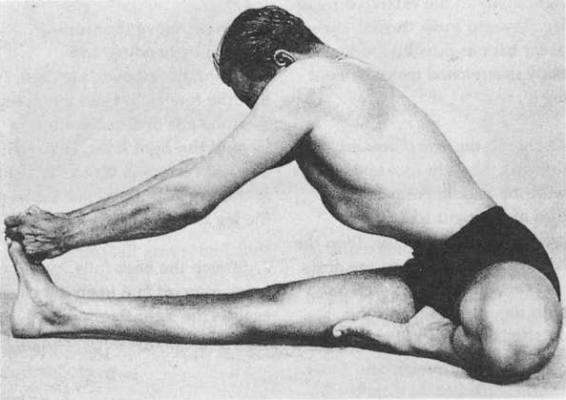 | Mahä Mudrä
Pürva literally means the East. It means the front of the whole body from the forehead to the toes. Uftäna means an intense stretch. In this posture, the whole front of the body is stretched intensely. | This posture strengthens the wrists and ankles, improves the movement of the shoulder joints and expands the chest fully. It gives relief from the fatigue caused by doing other strenuous forward bending äsanas. | for Beginners | This pose needs to be practiced with guidance when suffering from high blood pressure, as the head and neck fall back loose bringing in sudden flow of blood to the head.A proper guidance is needed if one is suffering from severe migraine, as the head falls back loose during the practice of this pose.Keep in mind that any injury caused will hinder the practice of this pose, hence one needs to be cautious.It is important to work on the basic strength of the body before the practice of this pose, as the elbow joints, the wrist joints are not used to taking the weight of the body, while the arms are placed behind you. | BKS IYENGAR (Foreward by Yehudi Menuhin) The Ilustrated Light On Yoga- an easy to follow version of the classic introduction to yoga | Sit on the floor with the legs stretched straight in front. Palms on the floor by the hips, with the fingers pointing in the direction of the feet. Arms perpendicular to the floor from the wrists to the shoulders. | Sit on the floor with the legs stretched straight in front. Place the palms on the floor by the hips, with the fingers pointing in the direction of the feet. Bend the knees and place the soles and heels on the floor. Take the pressure of the body on the hands and feet, exhale and lift the body off the floor. Straighten the arms and the legs and keep the knees and elbows tightened.The arms will be perpendicular to the floor from the wrists to the shoulders. From the shoulders to the pelvis, the trunk will be parallel to the floor. Stretch the neck and throw the head as far back as possible. Stay in this posture for one minute, breathing normally. Exhale, bend the elbows and knees, lower the body to sit on the floor and relax. | Normal breathing | https://youtu.be/ce2HLOWFHaM | 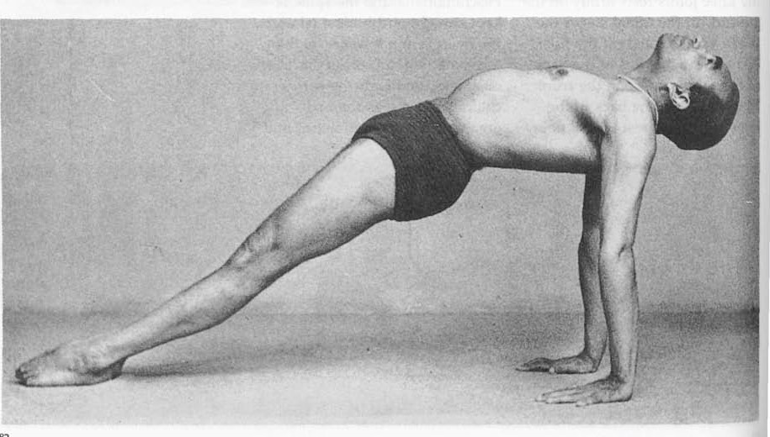 | Pürvottänäsana
Kanga means the ear. Pida means pain, discomfort or pressure. This is a variant of Haläsana and can be done along with it. | This äsana rests the trunk, heart and legs. The spine is stretched more while bending the knees, and this helps the circulation of blood round the waistline. | Advanced | Students with any kind of injury in knees, back, hips, or shoulders, most importantly, or otherwise related to any other part of the body, including muscles and tissues should completely be stopped from practicing the pose. In addition, any old or recent surgery to any part of the body is also contraindicated, and the practice should be discouraged.Students with any kind of physical conditions related to the back, ears (infection or anything related to the middle ear including tinnitus), rib cage, spine, hips, or abdomen should come to the notice of yoga teachers. Women during their menstruation, pregnancy should avoid this practice irrespective of how physically active they are. | BKS IYENGAR (Foreward by Yehudi Menuhin) The Ilustrated Light On Yoga- an easy to follow version of the classic introduction to yoga | flex the knees and rest the right knee by the side of the right ear and the left knee by the side of the left.Both knees should rest on the floor, pressing the ears.The toes are stretched Out and heels joined to the toes | Do Haläsana and after completing the time limit for that pose, flex the knees and rest the right knee by the side of the right ear and the left knee by the side of the left.Both knees should rest on the floor, pressing the ears. Keep the toes stretched Out and join the heels and toes. Rest the hands either on the back of the ribs, or interlock the fingers and stretch out the arms. Remain in this position for half a minute or a minute with normal breathing. | Deep breathing | https://youtu.be/hdO-aQuNnHc | 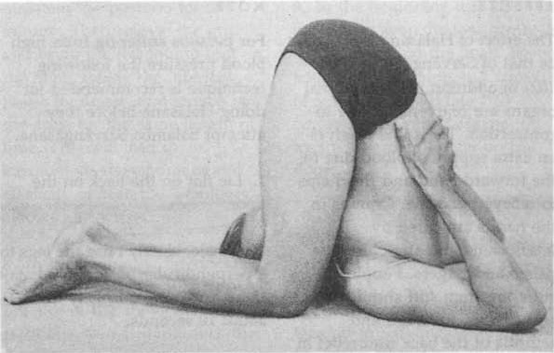 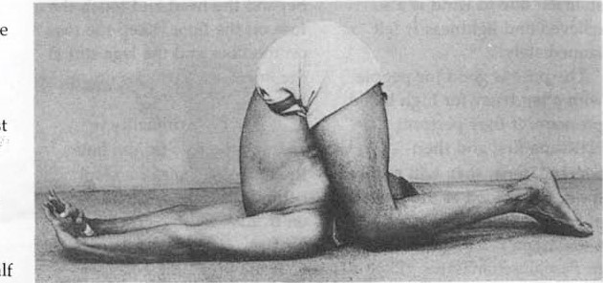 | karnapidasana

