Results
Zeilenbeschriftungen | Norm Regular Estimator | Norm Tapered Estimator | Norm Separable Tapered Estimator
10 | 5.4679811135 | 5.4679811135 | 2.4417493564
20 | 13.401525694 | 11.374504005 | 9.8918627639
30 | 42.528449431 | 21.403917862 | 14.376346515
40 | 63.121424646 | 24.496521687 | 20.294755045
50 | 50.399751442 | 21.233681193 | 18.795521313
60 | 66.530102114 | 11.522347921 | 12.920262553

Zeilenbeschriftungen | Anzahl von SpectralNorm | Anzahl von SpectralNormTaper | Anzahl von SpectralNormSepTaper
10 | 1 | 1 | 1
20 | 1 | 1 | 1
30 | 1 | 1 | 1
40 | 1 | 1 | 1
50 | 1 | 1 | 1
60 | 1 | 1 | 1
Gesamtergebnis | 6 | 6 | 6

TrueCovSeparable
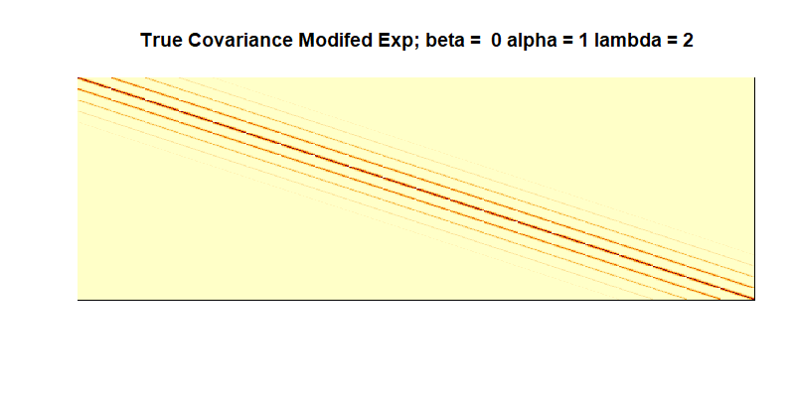
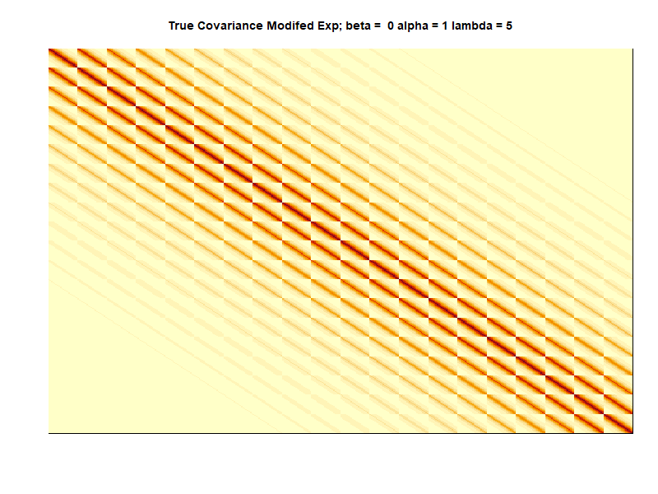

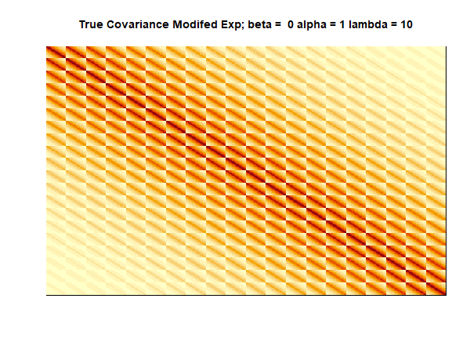

TrueCovNonSeparable
