5
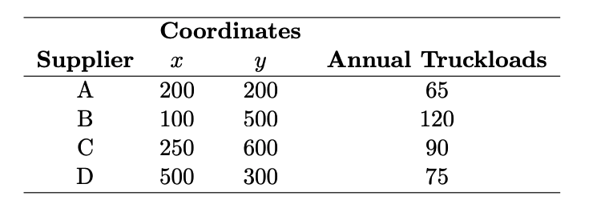
 | Coodinates
Supplier | X | Y | Truckloads | Total Distance
A | 200 | 200 | 65 | 18460.686462
B | 100 | 500 | 120 | 9596.1416617
C | 250 | 600 | 90 | 12342.668738
D | 500 | 300 | 75 | 27772.454637

Center | X | Y
 | 178.17696395 | 483.17089157

Distance Formula | 68171.951499

