Q4
Field | Total | Private noneducational | Government | Tenure-track | Postdoc | Other Educational

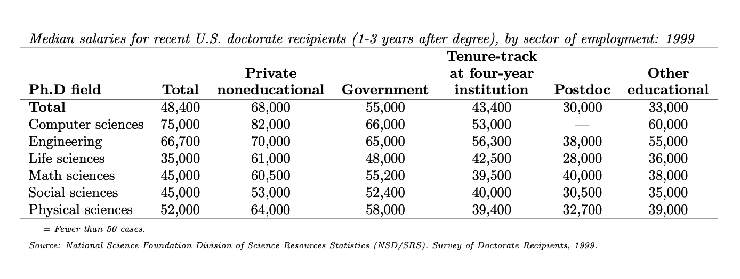
Computer sciences | 75000 | 82000 | 66000 | 53000 |  | 60000
Engineering | 66700 | 70000 | 65000 | 56300 | 38000 | 55000
Life sciences | 35000 | 61000 | 48000 | 42500 | 28000 | 36000
Math sciences | 45000 | 60500 | 55200 | 39500 | 40000 | 38000
Social scences | 45000 | 53000 | 52400 | 40000 | 30500 | 35000
Physical sciences | 52000 | 64000 | 58000 | 39400 | 32700 | 39000

a.
 |  | Correlation coefficient | 0.79414512052

b
 |  | Correlation coefficient | 0.78009550509

